Rack Layout
32 | Basic PDU |  | 32 | mount to back | N320 front
31 | Network Switch |  | 31 | mount to back
30 | Server |  | 30
29 |  |  | 29
28 |  |  | 28
27 |  |  | 27
26 | KVM |  | 26
25 |  | USRP N 320 1 | 25 |  | N320 back
24 | USRP N 320 0 |  | 24
23 |  | USRP N 320 3 | 23
22 | USRP N 320 2 |  | 22
21 | OctoClock CDA-2990 Unit 1 |  | 21 | mount to back
20 | Shelf for Cables Unit 0 |  | 20 | mount to front
 | 8-way Splitter Unit 0 | 8-way Splitter Unit 1
 | 8-way Splitter Unit 2 | 8-way Splitter Unit 3 |  |  | N321 front
19 |  | USRP N 320 5 | 19
18 | USRP N 320 4 |  | 18
17 |  | USRP N 320 7 | 17
16 | USRP N 320 6 |  | 16
15 | OctoClock CDA-2990 Unit 0 |  | 15 | mount to back
14 | Shelf for Cables Unit 1 |  | 14 | mount to front
 | 4-way Splitter Unit 0 | 4-way Splitter Unit 1 |  |  | N321 back
13 |  | USRP N 320 9 | 13
12 | USRP N 320 8 |  | 12
11 |  | USRP N 320 11 | 11
10 | USRP N 320 10 |  | 10
9 | OctoClock CDA-2990 Unit 2 |  | 9 | mount to back
8 | Shelf for Cables Unit 2 |  | 8 | mount to front
 | 8-way Splitter Unit 4 | 8-way Splitter Unit 5 |  |  | OctoClock
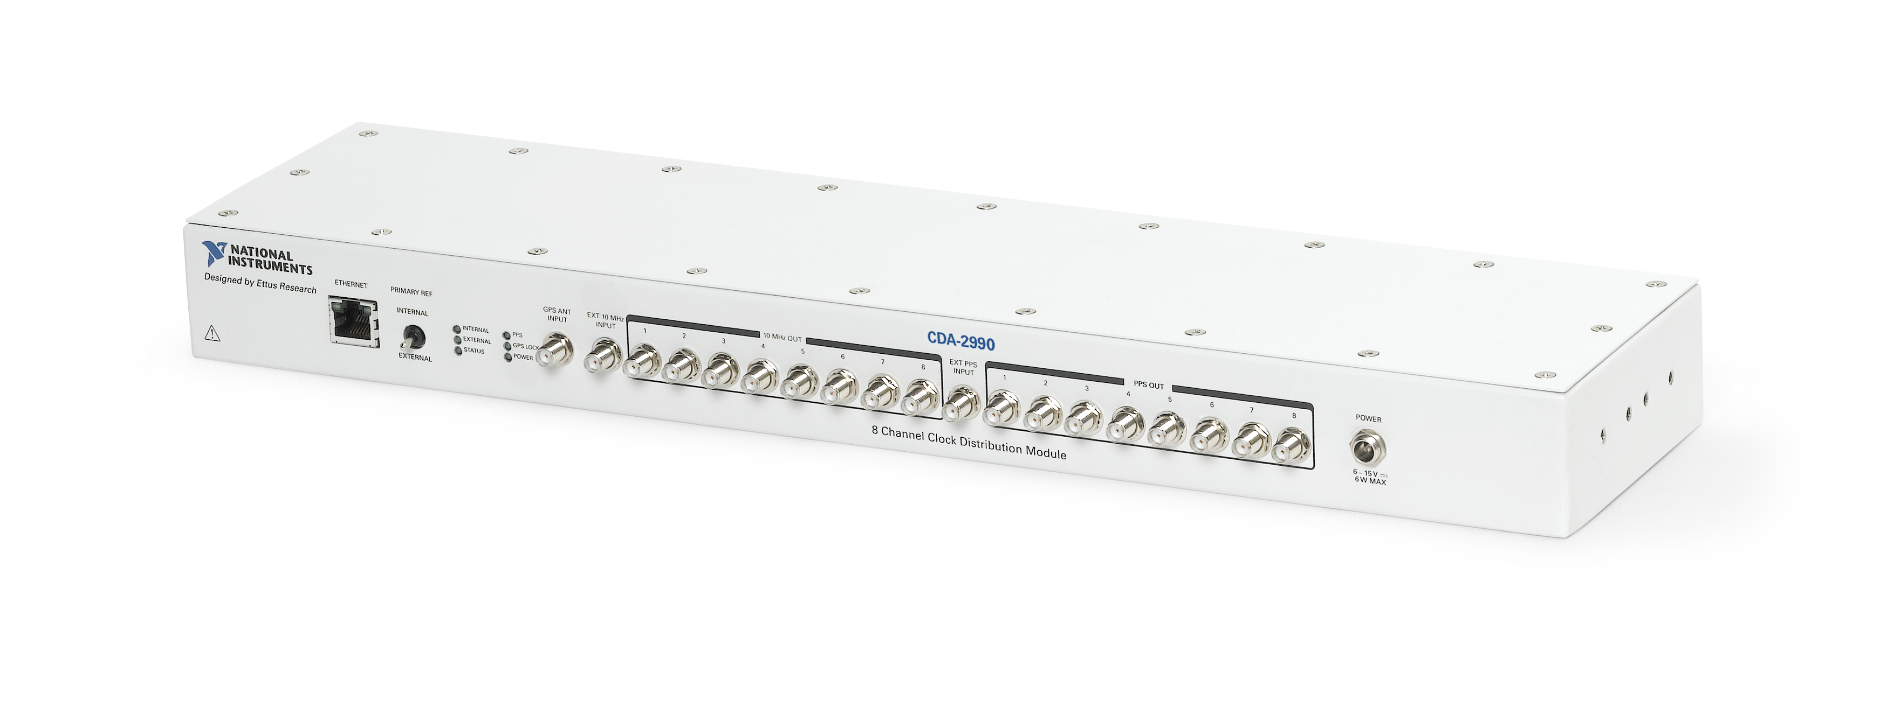
 | 8-way Splitter Unit 6 | 8-way Splitter Unit 7
7 |  | USRP N 320 13 | 7
6 | USRP N 320 12 |  | 6
5 |  | USRP N 320 15 | 5
4 | USRP N 320 14 |  | 4
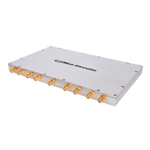
3 |  |  | 3
2 |  |  | 2
1 | Switched PDU |  | 1 | mount to back
 |  |  |  |  | 8-way-splitter | 4-way-splitter

LO Assembly Template
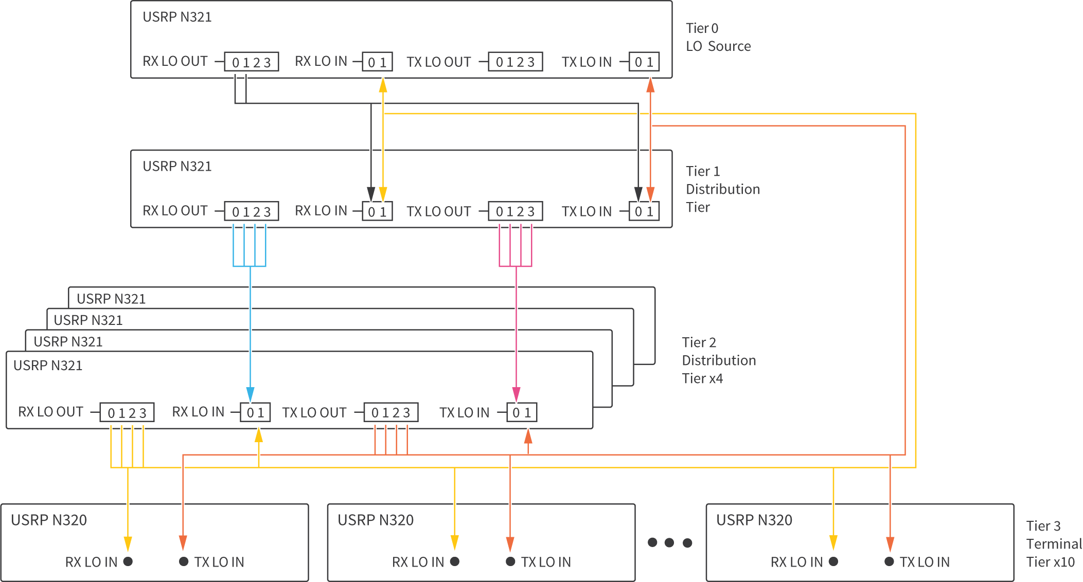
Source | USRP | Serial # | Ethernet | mgmt_addr | SFP0
 | 3 |  | enp193s0f3 | 10.0.126.13 | 192.168.80.2

Distribution | USRP | Serial # | Ethernet | mgmt_addr | SFP0
 | 7 |  | enp1s0fv3 | 10.0.126.20 | 192.168.20.2

Distribution | USRP | Serial # | Ethernet | mgmt_addr | SFP0
 | 1 |  | enp193s0f1 | 10.0.126.21 | 192.168.60.2
 | 5 |  | enp1s0f1 | 10.0.126.12 | 192.168.40.2
 | 9 |  | enp37s0f1 | 10.0.126.36 | 192.168.12.2
 | 13 |  | enp225s0f1 | 10.0.126.32 | 192.168.16.2

 |  |  |  |  | Terminal | USRP | Serial # | Ethernet | mgmt_addr | SFP0 | Terminal | USRP | Serial # | Ethernet | mgmt_addr | SFP0
 |  |  |  |  |  | 0 |  | Enp193s0f0 | 10.0.126.14 | 192.168.50.2 |  | 10 |  | enp37s0f2 | 10.0.126.37 | 192.168.13.2
 |  |  |  |  |  | 2 |  | Enp193s0f2 | 10.0.126.22 | 192.168.70.2 |  | 11 |  | enp37s0f3 | 10.0.126.34 | 192.168.14.2
 |  |  |  |  |  | 4 |  | enp1s0f0 | 10.0.126.17 | 192.168.30.2 |  | 12 |  | enp225s0f0 | 10.0.126.30 | 192.168.15.2
 |  |  |  |  |  | 6 |  | enp1s0f2 | 10.0.126.23 | 192.168.10.2 |  | 14 |  | enp225s0f2 | 10.0.126.28 | 192.168.17.2
 |  |  |  |  |  | 8 |  | enp37s0f0 | 10.0.126.35 | 192.168.11.2 |  | 15 |  | enp225s0f3 | 10.0.126.31 | 192.168.18.2

