Stats explained - t test
 | height | gender |  | height | gender
 | 167 | female |  | 175 | male
 | 164 | female |  | 181 | male
 | 166 | female |  | 180 | male
 | 162 | female |  | 177 | male
 | 158 | female |  | 173 | male
mean
sd
N

t statistics
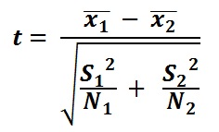
 |  |  | t= | #DIV/0!
 |  |  | df= | -2

