My Sheet
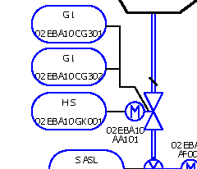
Id | Name | D.O.B.
1 | John Doe | 1970-01-31 21:00:00
2 | Jane Doe | 1965-02-06 21:00:00

