托福口语冲分A段结课任务包
托福口语冲大学生强化段结课任务包
第一周 |  |  | 第二周
周三 | 周六 |  | 周三 | 周六
TPO 2 TASK 2 Some college students choose to take courses in a variety of subject areas in order to get a broad education. Others choose to focus on a single subject area in order to have a deeper understanding of that area. Which approach to course selection do you think is better for students and why? TPO 2 TASK 3 背需诵短语： few students ride the buses 基本没什么学生乘车； it does seem like kind of a waste 似乎感觉有点浪费 the route is out -of-date 路线太老旧 to cut back the bus service 取消校车服务 to add to the noise around campus and create more traffic 增加校园噪音和制造更多交通问题 | TPO 2 TASK 4 背需诵短语： deal with 处理； be concerned with 和什么有关； take sth into account 考虑sth；interact with others 和别人互动； increase the speed 增加速度； put on a pair of shoes 穿上一双鞋； be conscious of 意识到； at a much fast rate 以很快的速度； behavior pattern 行为模式 ； in other words 换句话来说； | TPO 2 TASK 6 背需诵短语： A narrow/broad definition 一个狭隘/广泛的定义 Make purchases 采购/购买 Exchange goods and services 交换商品和劳务 Give a ride 载一程 In exchange for 交换 | TPO 4 TASK 2 Many universities now offer academic courses over the Internet. However, some people still prefer learning in traditional classrooms. Which do you think is better? Explain why. TPO 4 TASK 3 背需诵短语： to offer evening classes in the fall 秋季增设晚课 this proposal is a response to student camplaints； 此倡议是为了响应学生的需求/抱怨 sth has become increasingly overcrowded； 变得越来越拥挤 there are no longer enough computers available； 电脑不够了 despite some added expense； 尽管成本增加 the most cost-effevtive way of addressing this problem；解决此问题最经济有效的方法 to guarantee individual access to computer 确保每个人都可以上机 students are busy, they have jobs,families,clubs,social events 学生很忙，要兼职，家里，社团等 every single night of the week. 本周的每天晚上 I’m sure couldn't fit anything into my schedule. 时间表太满了，排不下了 the prices have come way down the past few years 最近几年价格下跌 | TPO 4 TASK 4 背需诵短语： give nonverbal signals 给非语言信号； facial expressions 面部表情； hand gestures 手势； body movements 身体动作； tone of voice 语调/口吻； utter words 说话； more accurate message 更准确的消息； pay me a surprise visit 突然拜访我； break into a huge big smile 突然露出一个大大的微笑； build a birdhouse建立一个禽舍； smashed my thumb with the hammer 用锤子砸坏了我的拇指； feel like screaming想尖叫； upset my daughter使我女儿难过； face was contorted in pain脸因痛苦而扭曲； voice was trembling声音是颤抖的； | TPO 4 TASK 6 背需诵短语： Evoke a mood 唤起一种情绪 Make powerful statements 做强有力的说明/陈述 Conjure up strong emotions 唤起很强的情感 Have a calming effect 有一个平静情绪的作用 Convey a wilder, more chaotic emotion 表达一种更狂野，混乱的感情

第三周 |  |  | 第四周
周三 | 周六 |  | 周三 | 周六
TPO 8 TASK 2 Some people enjoy taking risks and trying new things. Others are not adventurous; they are cautious and prefer to avoid danger. Which behavior do you think is better? Explain why. TPO 8 TASK 3 背需诵短语： during meal times 吃饭时间 to foster a more relaxed atmosphere 营造一种轻松的氛围 life is hectic 生活忙忙碌碌 to take a break 休息一下 to catch up with friends 和朋友聊聊天 to move on to the next class or assignment 继续上课写作业 to unplug music device 放下个人音乐设备 to have headphones on 戴耳机 to connect with each other 彼此聊聊天 be not looking for a relaxing break 不想休息 to have exams coming up 最近快考试了 to have some assignment sb have to get done 要完成作业 i see your point 我懂你的意思了 to block out the classic stuff 隔绝古典乐（噪音） that makes sense 有道理 | TPO 8 Task 4 背需诵短语： protect themselves from predators 保护自己免受捕食者的伤害； employe this strategy 采用这一策略； be hidden from predators’ view 躲避捕食者的视线 startles or confuses the predator 惊吓或迷惑捕食者； would-be prey 潜在的猎物； front wings 前翼； bright colorful spots 明亮的彩色斑点；pop out 弹出； reflect sunlight 反射阳光； flap its wings 扇动翅膀； flash of light 闪光； | TPO 8 TASK 6 背需诵短语： Introduce a product 介绍一个产品 Set the initial price of the product high 把产品的最初定价定的很高 Make high profits 获利 Be saturated with 充满 At an affordable price 用一个可负担得起的价格 Be tempted to 被怂恿/希望去做某事 | TPO 9 TASK 2 Some people enjoy taking risks and trying new things. Others are not adventurous; they are cautious and prefer to avoid danger. Which behavior do you think is better? Explain why. TPO 9 TASK 3 背需诵短语： to develop leadership and organizational skills 培养自己领导力和组织能力； in classroom or campus setting 在教室和校园环境下； to secure permanent employment 来确保一份长久稳定的工作； to do basic tasks like typing or filing stuff,nothing meaningful 做一些基本工作比如打印，文件处理，没什么含量的 | TPO 9 TASK 4 背需诵短语： camera shots 摄像镜头； communicate background information to the viewer 传达背景信息给观众 skyscrapers 摩天大楼； city seemed gloomy 城市似乎阴郁；street lamps 路灯; On top of that 除此之外; create a dark, gloomy, mysterious feeling 营造了一种黑暗 阴郁且神秘的感觉； rather than 而非； old-fashioned 老式的； | TPO 9 TASK 6 背需诵短语： Protect themselves from insects 保护他们免受昆虫的攻击 Physical features 身体特征 Stick out 伸出 Land on the leaves 落在叶子上 Emit the chemicals 释放化学物质 Spiky hairs 尖毛

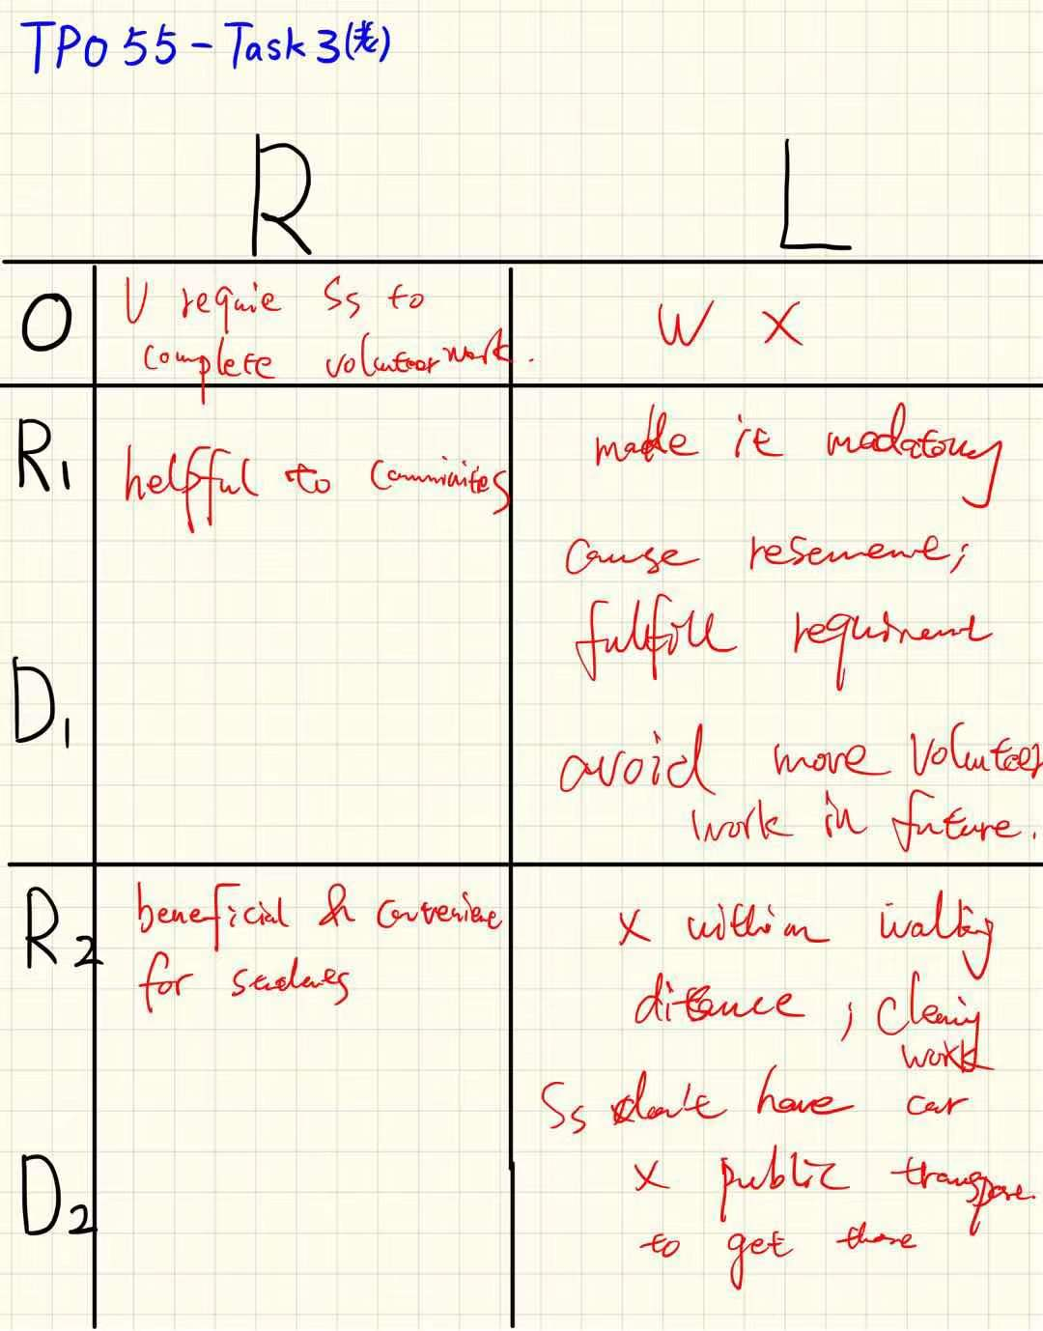 备注： 听力两遍+录音三遍。 提交：1.最佳录音文件 2.背诵指定短语 3.笔记拍照（见sample）

