Sheet1
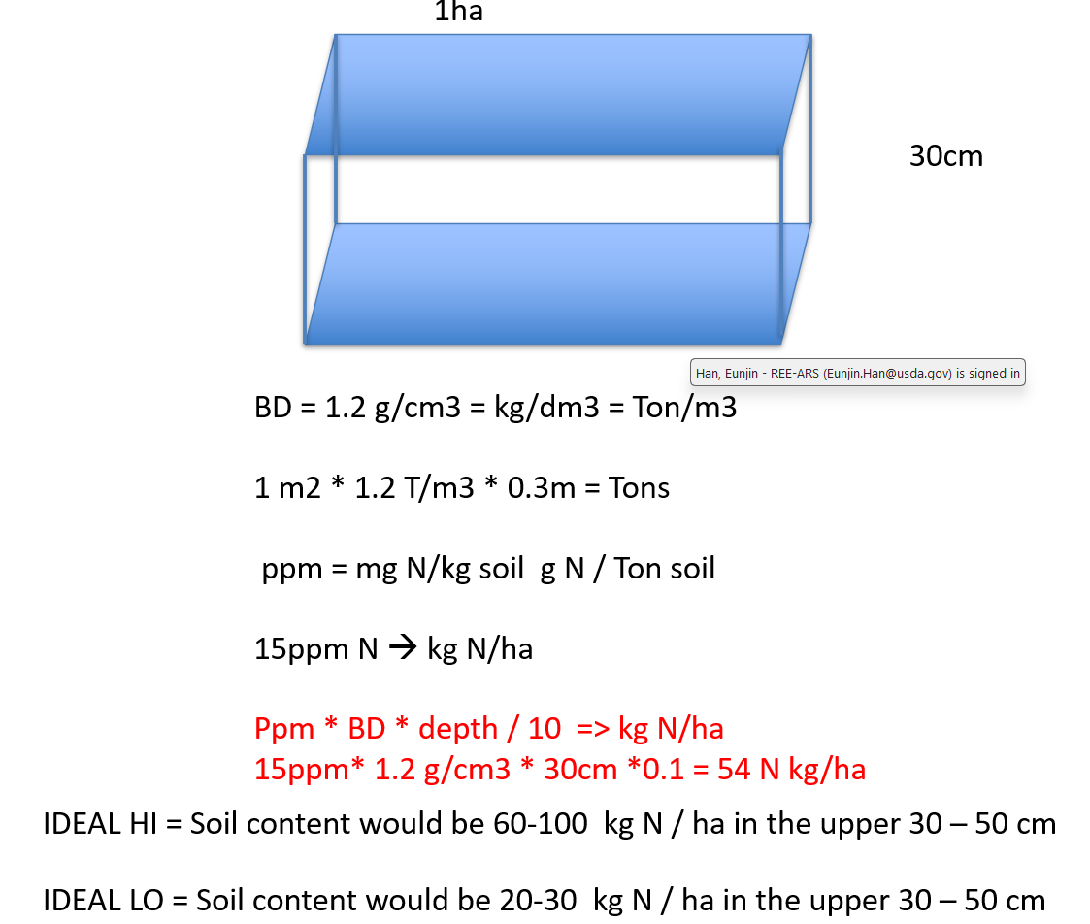
SoilFile | Bottom depth | NO3 (ppm) | BD[g/cm3] | NO3[kg/ha] | NO3-N [kg/ha]
103.soi | 5 | 4.445 | 1.27 | 2.82 | 0.64
103.soi | 10 | 3.45 | 1.33 | 2.29 | 0.52
103.soi | 22.5 | 4.585 | 1.41 | 8.08 | 1.82
103.soi | 30 | 2.64 | 1.5 | 2.97 | 0.67
103.soi | 60 | 2.055 | 1.56 | 9.62 | 2.17
103.soi | 100 | 1.235 | 1.51 | 7.46 | 1.68
 |  |  | sum | 33.24 | 7.51
 |  |  |  | 7.51 | NO3-N [kg/ha]

SoilFile | Bottom depth | NO3 (ppm) | BD[g/cm3] | NO3[kg/ha] | NO3-N [kg/ha]
Proj_NE_soil | 30 | 25 | 0.973 | 72.98 | 16.48
Proj_NE_soil | 46 | 25 | 1.018 | 40.72 | 9.19
Proj_NE_soil | 200 | 25 | 1.157 | 445.45 | 100.58
 |  |  | sum | 559.14 | 126.26
 |  |  |  | 126.26 | NO3-N [kg/ha]

 |  |  |  | 0.22580645161

