Sheet1
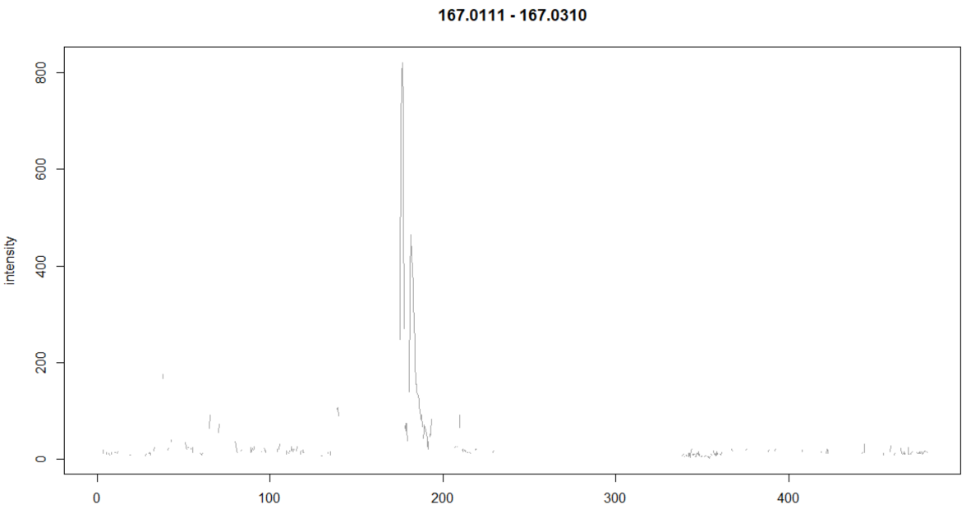
 |  |  |  |  |  |  | Low |  | High
mix | name | abbreviation | HMDB.code | formula | quality_POS | quality_NEG | POS | NEG | POS | NEG | Uric acid
1 | Acetylhistidine | acetylhistidine | HMDB0032055 | C8H11N3O3 | 2_medium | 2_medium |  |  |  |  | Low
1 | Betaine | betaine | HMDB0000043 | C5H11NO2 | 2_medium | 3_bad |  |  |  |  | -
1 | C3 Carnitine | carnitine_c3 | HMDB0000824 | C10H19NO4 | 3_bad | 3_bad |  |  | peak not detected | peak not detected
1 | CDP | CDP | HMDB0001546 | C9H15N3O11P2 | 3_bad | 2_medium |  |  | peak not detected
1 | Creatine | creatine | HMDB0000064 | C4H9N3O2 | 2_medium | 3_bad |  | *formula OK in manual mode
1 | Dimethylglycine | dimethylglycine | HMDB0000092 | C4H9NO2 | 2_medium | 1_good |  | carbon rule
1 | L-Glutamic Acid | glutamic | HMDB0000148 | C5H9NO4 | 1_good | 1_good
1 | Glycerol | glycerol | HMDB0000131 | C3H8O3 | 3_bad | 3_bad |  |  | peak not detected | peak not detected
1 | Myo-Inositol | myoinositol | HMDB0000211 | C6H12O6 | 1_good | 0_perfect
1 | 3-Phosphoglyceric Acid | phosphoglyceric_3 | HMDB0000807 | C3H7O7P | 3_bad | 2_medium |  |  | peak not detected
1 | propionic acid | propionic | HMDB0000237 | C3H6O2 | 3_bad | 3_bad |  |  | peak not detected | peak not detected
1 | Pyruvic Acid | pyruvic | HMDB0000243 | C3H4O3 | 3_bad | 2_medium |  |  | peak not detected
1 | Suberic Acid | suberic | HMDB0000893 | C8H14O4 | 1_good | 0_perfect
1 | Uric acid | uric | HMDB0000289 | C5H4N4O3 | 3_bad | 3_bad |  |  | peak not detected | peak not detected
1 | Xanthine | xanthine | HMDB0000292 | C5H4N4O2 | 0_perfect | 0_perfect

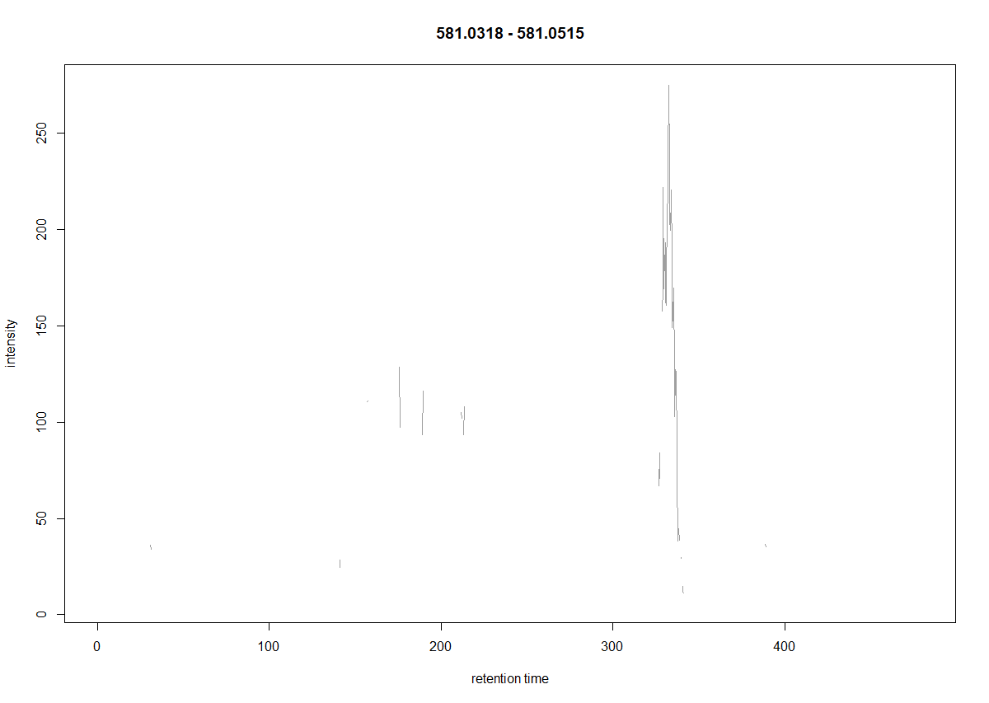
mix | name | abbreviation | HMDB.code | formula | quality_POS | quality_NEG
2 | Ascorbic Acid | ascorbic | HMDB0000044 | C6H8O6 | 1_good | 1_good
2 | C4 Carnitine | carnitine_c4 | HMDB0000736 | C11H21NO4 | 2_medium | 3_bad | carbon rule | peak not detected | carbon rule | peak not detected | UDP_glucuronate
2 | Fructose | fructose | HMDB0000660 | C6H12O6 | 2_medium | 2_medium |  | formula is not present even in object "formula" |  | formula is not present even in object "formula" | Low
2 | Glycine | glycine | HMDB0000123 | C2H5NO2 | 1_good | 2_medium |  |  |  |  | +
2 | cGMP | GMP_c | HMDB0001314 | C10H12N5O7P | 1_good | 1_good
2 | Histidine | histidine | HMDB0000177 | C6H9N3O2 | 0_perfect | 0_perfect |  |  | carbon rule
2 | Hydroxyproline | hydroxyproline | HMDB0000725 | C5H9NO3 | 1_good | 1_good |  |  | carbon rule
2 | Hypoxanthine | hypoxanthine | HMDB0000157 | C5H4N4O | 1_good | 1_good |  |  | carbon rule
2 | L-Kynurenine | kynurenine | HMDB0000684 | C10H12N2O3 | 1_good | 1_good
2 | Lactic acid | lactic | HMDB0000190 | C3H6O3 | 3_bad | 2_medium | peak not detected |  | peak not detected
2 | 1-Methylxanthine | methylxanthine_1 | HMDB0010738 | C6H6N4O2 | 2_medium | 2_medium
2 | 3-Nitrotyrosine | nitrotyrosine | HMDB0001904 | C9H10N2O5 | 1_good | 1_good |  |  | carbon rule
2 | Phosphocreatine | phosphocreatine | HMDB0001511 | C4H10N3O5P | 2_medium | 2_medium | Low intensity | Low intensity
2 | UDP-glucuronate | UDP_glucuronate | HMDB0000935 | C15H22N2O18P2 | 3_bad | 3_bad |  |  | carbon rule | formula is not present even in object "formula"
2 | Valine | valine | HMDB0000883 | C5H11NO2 | 1_good | 1_good |  | RT out of range

mix | name | abbreviation | HMDB.code | formula | quality_POS | quality_NEG
3 | Acetyl-CoA | acetylcoa | HMDB0001206 | C23H38N7O17P3S | 3_bad | 3_bad
3 | Adenylosuccinic Acid | adenylosuccinic | HMDB0000536 | C14H18N5O11P | 2_medium | 2_medium |  | FRUCTOSE
3 | Alanine | alanine | HMDB0000161 | C3H7NO2 | 1_good | 1_good | POS
125s
161s
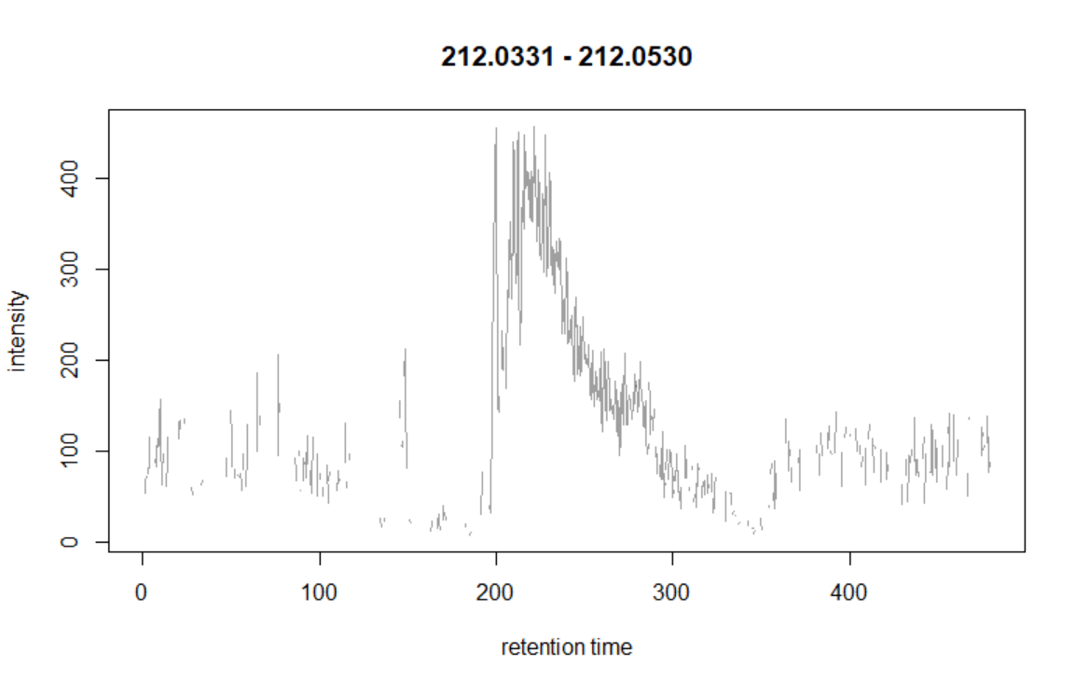
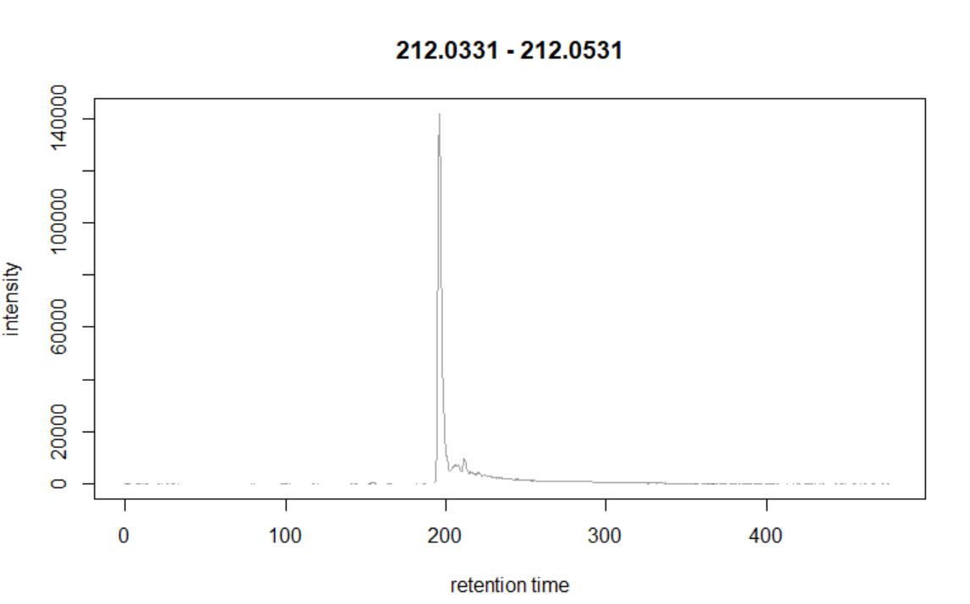
3 | Citrulline | citrulline | HMDB0000904 | C6H13N3O3 | 1_good | 1_good |  |  |  |  | Phosphocreatine
3 | Cytosine | cytosine | HMDB0000630 | C4H5N3O | 1_good | 1_good |  |  |  |  | Low/High
3 | Glucose | glucose | HMDB0000122 | C6H12O6 | 2_medium | 2_medium |  |  |  |  | +
3 | Glutathione Oxidized | glutathione_oxidized | HMDB0003337 | C20H32N6O12S2 | 1_good | 1_good
3 | Glycolic acid | glycolic | HMDB0000115 | C2H4O3 | 3_bad | 2_medium
3 | Guanine | guanine | HMDB0000132 | C5H5N5O | 1_good | 1_good
3 | Isoleucine | isoleucine | HMDB0000172 | C6H13NO2 | 2_medium | 2_medium
157s
In our table: 150
3 | Malonic acid | malonic | HMDB0000691 | C3H4O4 | 3_bad | 2_medium
3 | Niacinamide | niacinamide | HMDB0001406 | C6H6N2O | 2_medium | 3_bad
3 | 5-Oxoproline | oxoproline | HMDB0000267 | C5H7NO3 | 2_medium | 1_good
3 | Palmitoylcarnitine | palmitoylcarnitine | HMDB0000222 | C23H45NO4 | 2_medium | 3_bad
3 | UDP | UDP | HMDB0000295 | C9H14N2O12P2 | 3_bad | 2_medium

mix | name | abbreviation | HMDB.code | formula | quality_POS | quality_NEG
4 | Acetylalanine | acetylalanine_NL | HMDB0000766 | C5H9NO3
4 | Allantoin | allantoin | HMDB0000462 | C4H6N4O3
4 | Gamma-Aminobutyric acid | aminobutyric | HMDB0000112 | C4H9NO2
4 | AMP | AMP | HMDB0000045 | C10H14N5O7P
4 | Glutamine | glutamine | HMDB0000641 | C5H10N2O3
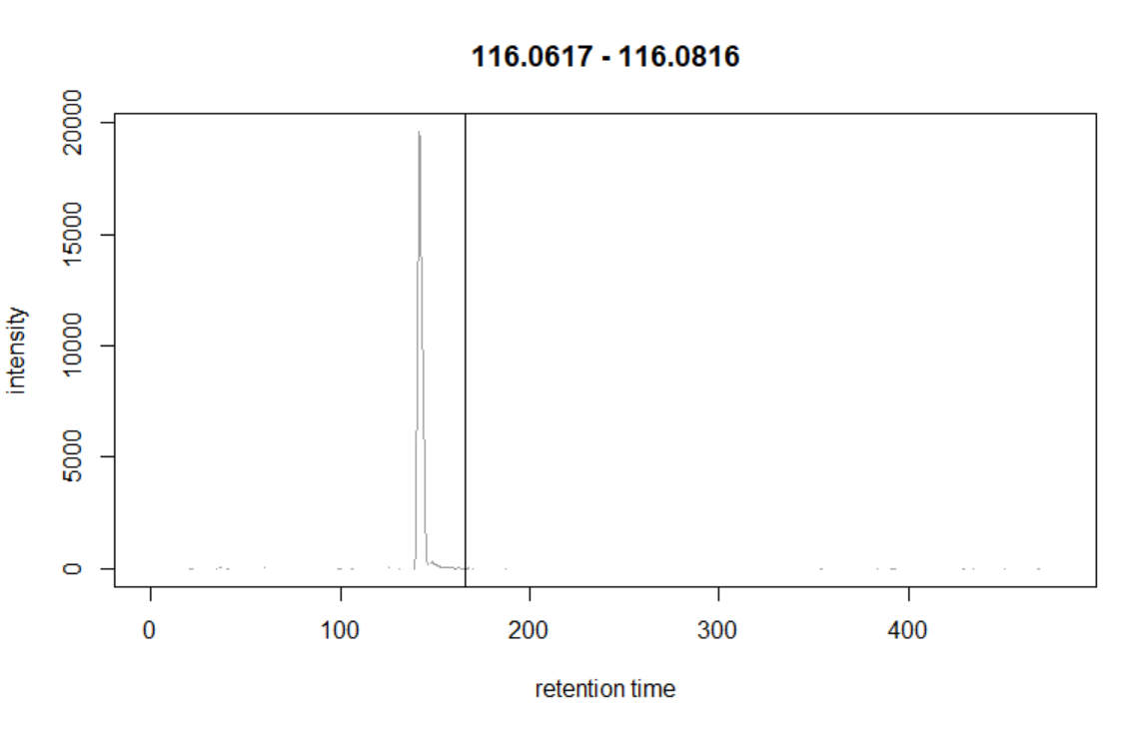
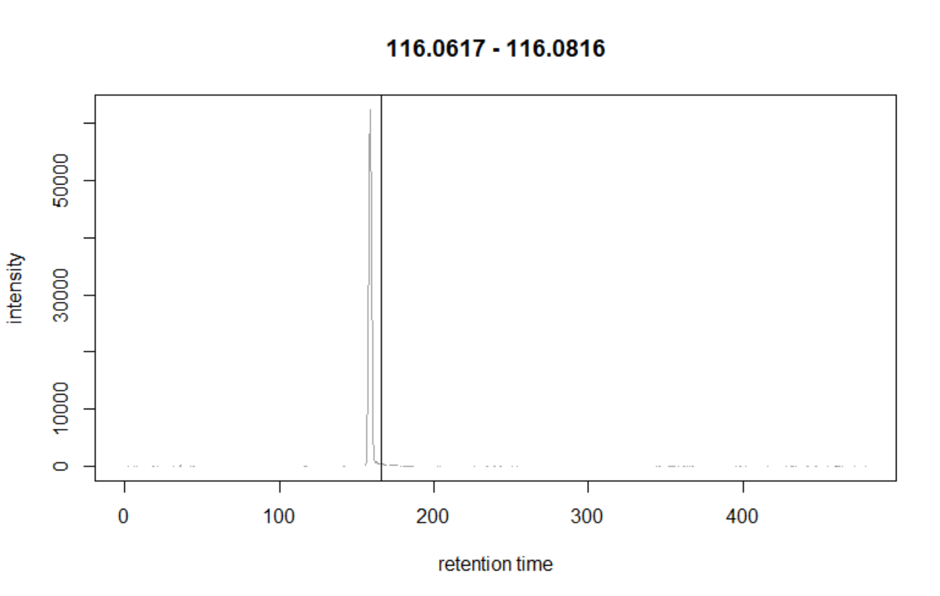
4 | GMP | GMP | HMDB0001397 | C10H14N5O8P |  |  | NEG |  |  |  | Valine
4 | Leucine | leucine | HMDB0000687 | C6H13NO2 |  |  |  |  |  |  | Low/High
155s
m/z= 225.0519
4 | Phenylethylamine | phenylethylamine | HMDB0012275 | C8H11N |  |  |  |  |  |  | +
Blue: [M+HCOO]- Pink: [M-H]-
4 | Propylene glycol | propylene_glycol | HMDB0001881 | C3H8O2
4 | Putrescine | putrescine | HMDB0001414 | C4H12N2
4 | Pyridoxine | pyridoxine | HMDB0000239 | C8H11NO3
4 | Riboflavin | riboflavin | HMDB0000244 | C17H20N4O6
Theoretical m/z= 225.0616
4 | Ribose | ribose | HMDB0000283 | C5H10O5
4 | SAMe | SAMe | HMDB0001185 | C15H23N6O5S
4 | Sedoheptulose-7-phosphate | sedoheptulose_phosphate | HMDB0001068 | C7H15O10P

160s
m/z= 225.0614

 |  |  |  |  |  |  |  | UDP-glucuronate

 |  |  |  |  |  |  | LOW

 |  |  |  |  |  |  | HIGH

 |  |  |  |  |  |  | MSMS?

