Flows
Data type | string |  | string | string |  | string | string | string | float | string | integer | string | string | string | float | string | float | string | float | string
Unit |  |  |  |  |  |  |  |  |  | m3, kg, % |  |  |  |  |  |  | 2 columns needed for each indicator (value and comment)
 | Source_process | Transformation_Stage | Source_process_location | Target_process | Transformation_Stage | Target_process_location | Source _ID | Target_ID | Value | Unit | Year | Data_source | Data_source_comment | Conversion_factor_used | Carbon_content_factor | Carbon_content_source | Indicator0 | Comment | Indicator1 | Comment
1 | Industrial_roundwood | Source | FI | Sawmilling | First | FI | Industrial_roundwood:FI | Sawmilling:FI | 60 | Mm3 SWE | 2021 |  | Random input values |  | 0.203424 | https://doi.org/10.1016/j.resconrec.2024.107476
2 | Sawmilling | First | FI | Sawnwood | Second | FI | Sawmilling:FI | Sawnwood:FI | 50 | Mm3 SWE | 2021 |  | Random input values |  | 0.203424 | https://doi.org/10.1016/j.resconrec.2024.107476, assumed average conversion factor 80% soft 20% hard
3 | Sawmilling | First | FI | Residues | by_prod | FI | Sawmilling:FI | Residues:FI | 19.5 | Mm3 SWE | 2021 |  | Random input values |  | 0.1896 | https://doi.org/10.1016/j.resconrec.2024.107476, assumed average conversion factor 80% soft 20% hard
4 | Sawnwood | Second | FI | Construction | VAM | FI | Sawnwood:FI | Construction:FI | 60 | % | 2021 |  | Random input values |  | 0.2304 | Assumed density of CLT 480 kg/m3
5 | Sawnwood | Second | FI | Furniture | VAM | FI | Sawnwood:FI | Furniture:FI | 40 | % | 2021 |  | Random input values |  | 0.216 | Assumer density of a furniture product 450 kg/m3
6 | Construction | VAM | FI | Sawmilling | First | FI | Construction:FI | Sawmilling:FI | 40 | % | 2021 |  | Random input values |  | 0.2304 | Assumed density of CLT 480 kg/m3
7 | Construction | VAM | FI | Incineration | EoL | FI | Construction:FI | Incineration:FI | 60 | % | 2021 |  | Random input values |  | 0.216 | Assumer density of a furniture product 450 kg/m3
8 | Furniture | VAM | FI | Incineration | EoL | FI | Furniture:FI | Incineration:FI | 100 | % | 2021 |  | Random input values |  | 0.216 | https://doi.org/10.1016/j.resconrec.2024.107476, assumed average conversion factor 80% soft 20% hard
9 | Sawnwood | Second | FI | Sawnwood | RoW | Export | Sawnwood:FI | Sawnwood:Export | 20 | Mm3 SWE | 2021 |  | Random input values |  | 0.203424 | https://doi.org/10.1016/j.resconrec.2024.107476, assumed average conversion factor 80% soft 20% hard
10 | Sawnwood | RoW | Import | Sawnwood | RoW | FI | Sawnwood:Import | Sawnwood:FI | 10 | Mm3 SWE | 2021 |  | Random input values |  | 0.203424 | https://doi.org/10.1016/j.resconrec.2024.107476, assumed average conversion factor 80% soft 20% hard
 | Industrial_roundwood | Source | FI | Sawmilling | First | FI | Industrial_roundwood:FI | Sawmilling:FI | 60 | Mm3 SWE | 2022 |  | Random input values |  | 0.203424 | https://doi.org/10.1016/j.resconrec.2024.107476, assumed average conversion factor 80% soft 20% hard
 | Sawmilling | First | FI | Sawnwood | Second | FI | Sawmilling:FI | Sawnwood:FI | 50 | Mm3 SWE | 2022 |  | Random input values |  | 0.203424 | https://doi.org/10.1016/j.resconrec.2024.107476, assumed average conversion factor 80% soft 20% hard
 | Sawmilling | First | FI | Residues | by_prod | FI | Sawmilling:FI | Residues:FI | 19.5 | Mm3 SWE | 2022 |  | Random input values |  | 0.1896 | https://doi.org/10.1016/j.resconrec.2024.107476, assumed average conversion factor 80% soft 20% hard
 | Sawnwood | Second | FI | Construction | VAM | FI | Sawnwood:FI | Construction:FI | 60 | % | 2022 |  | Random input values |  | 0.2304 | https://doi.org/10.1016/j.resconrec.2024.107476, assumed average conversion factor 80% soft 20% hard
 | Sawnwood | Second | FI | Furniture | VAM | FI | Sawnwood:FI | Furniture:FI | 40 | % | 2022 |  | Random input values |  | 0.216 | https://doi.org/10.1016/j.resconrec.2024.107476, assumed average conversion factor 80% soft 20% hard
 | Construction | VAM | FI | Sawmilling | First | FI | Construction:FI | Sawmilling:FI | 40 | % | 2022 |  | Random input values |  | 0.2304 | Assumed density of CLT 480 kg/m3
 | Construction | VAM | FI | Incineration | EoL | FI | Construction:FI | Incineration:FI | 60 | % | 2022 |  | Random input values |  | 0.216 | Assumer density of a furniture product 450 kg/m3
 | Furniture | VAM | FI | Incineration | EoL | FI | Furniture:FI | Incineration:FI | 100 | % | 2022 |  | Random input values |  | 0.216 | https://doi.org/10.1016/j.resconrec.2024.107476, assumed average conversion factor 80% soft 20% hard
 | Sawnwood | Second | FI | Sawnwood | RoW | Export | Sawnwood:FI | Sawnwood:Export | 20 | Mm3 SWE | 2022 |  | Random input values |  | 0.203424 | https://doi.org/10.1016/j.resconrec.2024.107476, assumed average conversion factor 80% soft 20% hard
 | Sawnwood | RoW | Import | Sawnwood | Second | FI | Sawnwood:Import | Sawnwood:FI | 10 | Mm3 SWE | 2022 |  | Random input values |  | 0.203424 | https://doi.org/10.1016/j.resconrec.2024.107476, assumed average conversion factor 80% soft 20% hard

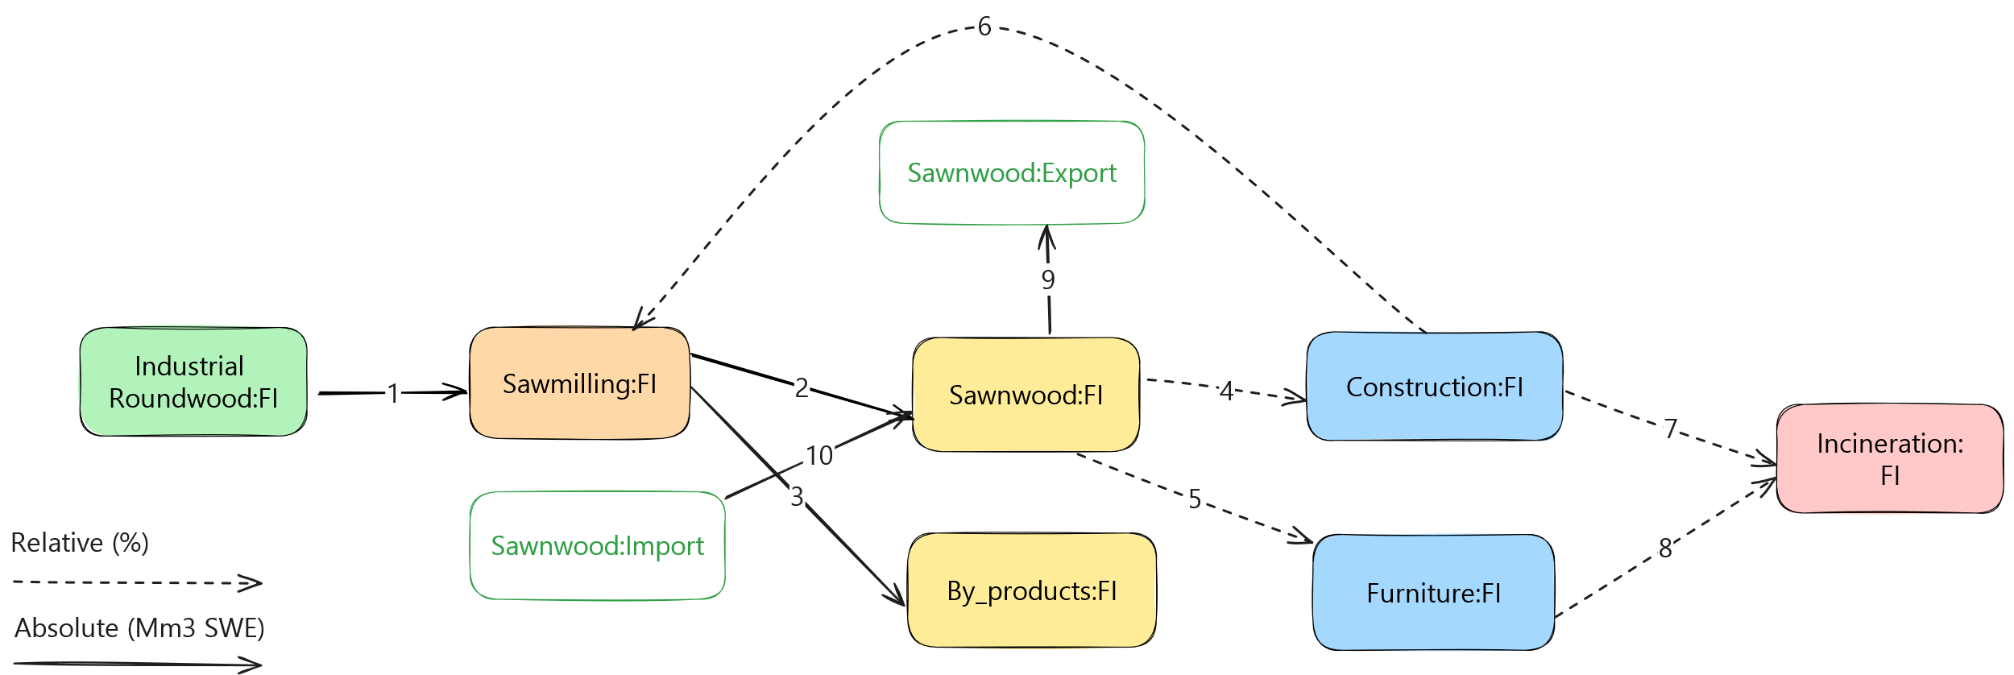

 |  | https://excalidraw.com/#json=XTpmhzuJw-3ozVbASdSZz,QuLhsga6HJSHN0nM7kMAMA

