Flows
Data type | string |  | string | string |  | string | string | string | float | string | integer | string
Unit |  |  |  |  |  |  |  |  |  | absolute (SWE), relative (%)
 | Source_process* | Transformation_Stage* | Source_process_location* | Target_process* | Transformation_Stage* | Target_process_location* | Source _ID* | Target_ID* | Value* | Unit | Year* | Data_source | Comment | Conversion factor used
 | P1 | Source | EU | P2 | First | EU | P1:EU | P2:EU | 2 | SWE | 2021
 | P2 | First | EU | P3 | First | EU | P2:EU | P3:EU | 2 | SWE | 2021
 | P2 | First | EU | P4 | Second | EU | P2:EU | P4:EU | 1 | SWE | 2021
 | P3 | First | EU | P5 | Third | EU | P3:EU | P5:EU | 1 | SWE | 2021
 | P4 | Second | EU | P5 | Third | EU | P4:EU | P5:EU | 100 | % | 2021
 | P5 | Third | EU | P2 | First | EU | P5:EU | P2:EU | 100 | % | 2021
 | P2 | First | EU | P2 | RoW | Export | P2:EU | P2:Export | 1 | SWE | 2021
 | P2 | RoW | Import | P2 | RoW | EU | P2:Import | P2:EU | 1 | SWE | 2021

 | P1 | Source | EU | P2 | First | EU | P1:EU | P2:EU | 2 | SWE | 2022
 | P2 | First | EU | P3 | First | EU | P2:EU | P3:EU | 2 | SWE | 2022
 | P2 | First | EU | P4 | Second | EU | P2:EU | P4:EU | 1 | SWE | 2022
 | P3 | First | EU | P5 | Third | EU | P3:EU | P5:EU | 1 | SWE | 2022
 | P5 | Third | EU | P2 | First | EU | P5:EU | P2:EU | 100 | % | 2022
 | P2 | First | EU | P2 | RoW | Export | P2:EU | P2:Export | 1 | SWE | 2022
 | P2 | RoW | Import | P2 | RoW | EU | P2:Import | P2:EU | 1 | SWE | 2022

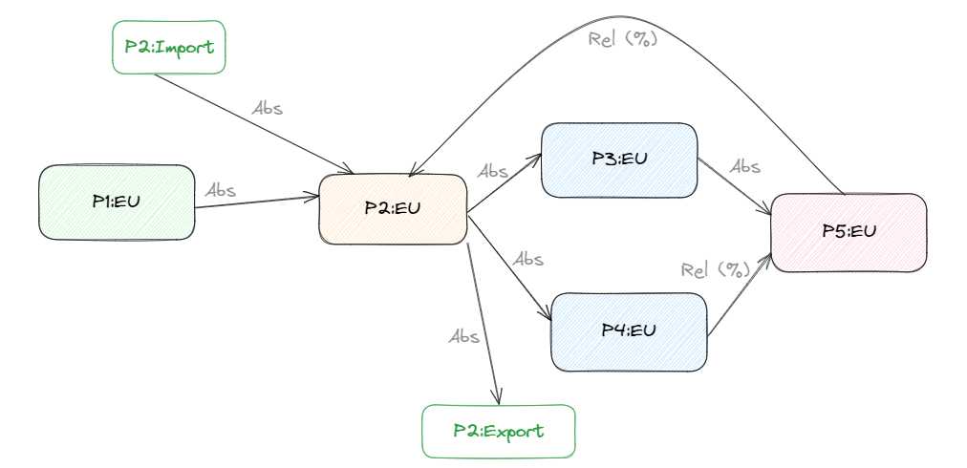
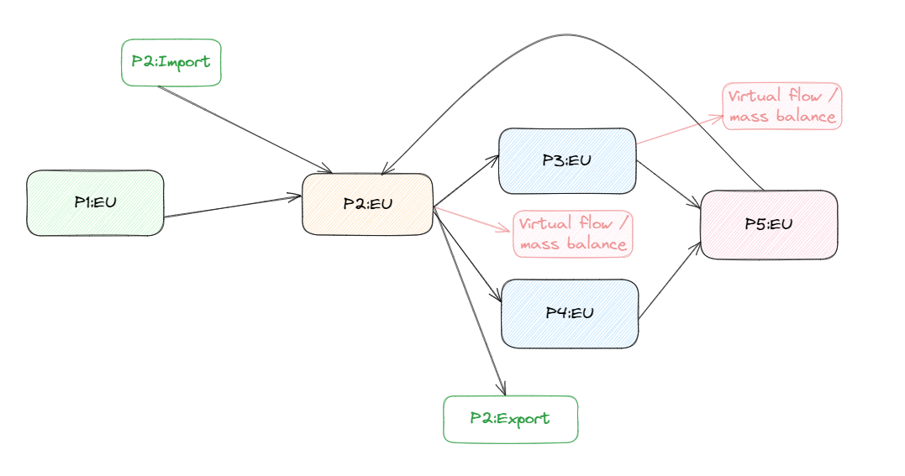

 |  | https://excalidraw.com/#json=Lj-sDbAMDNeaA9bmCep8J,9nZyAhAf-Q5KkiQ4syeq1w

