Flows
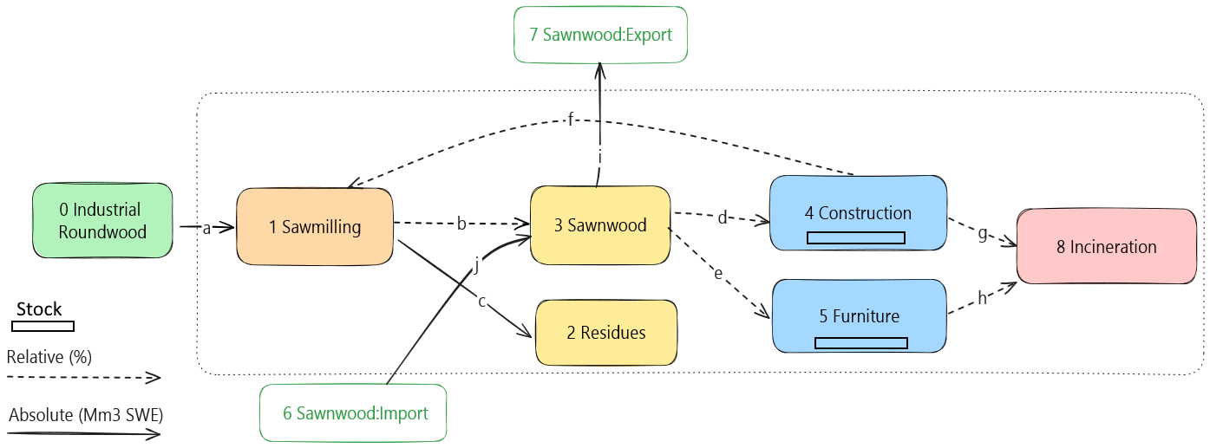
Data type | string | string | string | string | string | string | string | string | float | string | integer | string | string | float | string
Unit |  |  |  |  |  |  |  |  |  | m3, kg, % |  |  |  | 2 columns needed for each indicator (name and comment)
This column is ignored (check parameter ignore_columns_flows in Settings-sheet) | Source process | Transformation stage | Source process location | Target process | Transformation stage | Target process location | Source ID | Target ID | Value | Unit | Year | Data source | Data source comment | Carbon (Mt) | Comment
a | Industrial_roundwood | Source | FI | Sawmilling | First | FI | Industrial_roundwood:FI | Sawmilling:FI | 60 | Mm3 SWE | 2021 |  | Random input values
b | Sawmilling | First | FI | Sawnwood | Second | FI | Sawmilling:FI | Sawnwood:FI | 100 | % | 2021 |  | Random input values
c | Sawmilling | First | FI | Residues | by_prod | FI | Sawmilling:FI | Residues:FI | 10 | Mm3 SWE | 2021 |  | Random input values
d | Sawnwood | Second | FI | Construction | VAM | FI | Sawnwood:FI | Construction:FI | 60 | % | 2021 |  | Random input values | 0.225
e | Sawnwood | Second | FI | Furniture | VAM | FI | Sawnwood:FI | Furniture:FI | 40 | % | 2021 |  | Random input values | 0.225
f | Construction | VAM | FI | Sawmilling | First | FI | Construction:FI | Sawmilling:FI | 40 | % | 2021 |  | Random input values
g | Construction | VAM | FI | Incineration | EoL | FI | Construction:FI | Incineration:FI | 60 | % | 2021 |  | Random input values
h | Furniture | VAM | FI | Incineration | EoL | FI | Furniture:FI | Incineration:FI | 100 | % | 2021 |  | Random input values
i | Sawnwood | Second | FI | Sawnwood | RoW | Export | Sawnwood:FI | Sawnwood:Export | 20 | Mm3 SWE | 2021 |  | Random input values
j | Sawnwood | RoW | Import | Sawnwood | Second | FI | Sawnwood:Import | Sawnwood:FI | 10 | Mm3 SWE | 2021 |  | Random input values

