Flows
Data type | string | string | string | string | string | string | string | string | float | string | integer | string | string | string | float | string |  | float | string
Unit |  |  |  |  |  |  |  |  |  | m3, kg, % |  |  |  |  |  |  |  | 2 columns needed for each indicator (name and comment)
Ignored column | Source process | Transformation stage | Source process location | Target process | Transformation stage | Target process location | Source ID | Target ID | Value | Unit | Year | Data source | Data source comment | Conversion factor used | Carbon content conversion | Carbon content conversion source | Ignored column, indicators start after this column | Carbon (Mt) | Comment
a | Industrial_roundwood | Source | FI | Sawmilling | First | FI | Industrial_roundwood:FI | Sawmilling:FI | 60 | Mm3 SWE | 2021 |  | Random input values |  | 0.203424 |  |  | 0.203424
b | Sawmilling | First | FI | Sawnwood | Second | FI | Sawmilling:FI | Sawnwood:FI | 100 | % | 2021 |  | Random input values |  | 0.203424 |  |  | 0.203424
c | Sawmilling | First | FI | Residues | by_prod | FI | Sawmilling:FI | Residues:FI | 10 | Mm3 SWE | 2021 |  | Random input values |  | 0.1896 |  |  | 0.1896
d | Sawnwood | Second | FI | Construction | VAM | FI | Sawnwood:FI | Construction:FI | 60 | % | 2021 |  | Random input values |  | 0.2304 | Assumed density of CLT 480 kg/m3 |  | 0.2304 | Assumed density of CLT 480 kg/m3
e | Sawnwood | Second | FI | Furniture | VAM | FI | Sawnwood:FI | Furniture:FI | 40 | % | 2021 |  | Random input values |  | 0.216 | Assumer density of a furniture product 450 kg/m3 |  | 0.216 | Assumer density of a furniture product 450 kg/m3
f | Construction | VAM | FI | Sawmilling | First | FI | Construction:FI | Sawmilling:FI | 40 | % | 2021 |  | Random input values |  | 0.2304 | Assumed density of CLT 480 kg/m3 |  | 0.2304 | Assumed density of CLT 480 kg/m3
g | Construction | VAM | FI | Incineration | EoL | FI | Construction:FI | Incineration:FI | 60 | % | 2021 |  | Random input values |  | 0.216 | Assumed density of a furniture product 450 kg/m3 |  | 0.216 | Assumed density of a furniture product 450 kg/m3
h | Furniture | VAM | FI | Incineration | EoL | FI | Furniture:FI | Incineration:FI | 100 | % | 2021 |  | Random input values
i | Sawnwood | Second | FI | Sawnwood | RoW | Export | Sawnwood:FI | Sawnwood:Export | 20 | Mm3 SWE | 2021 |  | Random input values
j | Sawnwood | RoW | Import | Sawnwood | Second | FI | Sawnwood:Import | Sawnwood:FI | 10 | Mm3 SWE | 2021 |  | Random input values

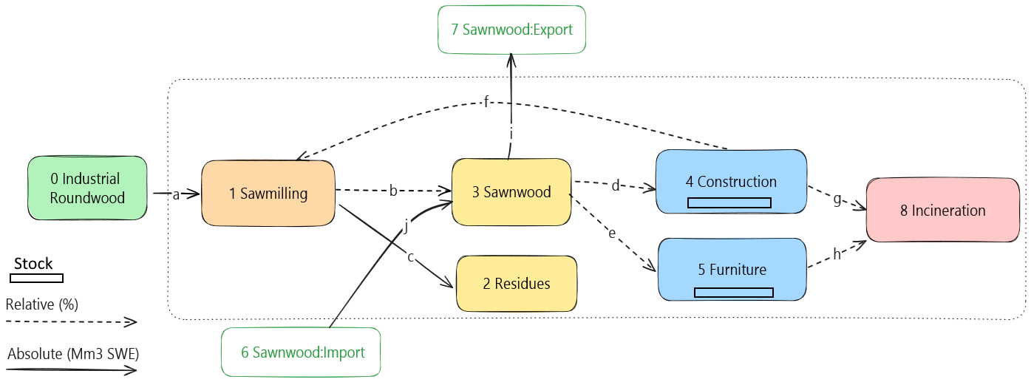

 |  |  |  | https://excalidraw.com/#json=TH95eCDBsN1pfqczsMf84,S3TGIZvZiI-AUl8oZJcUYg

