Flows
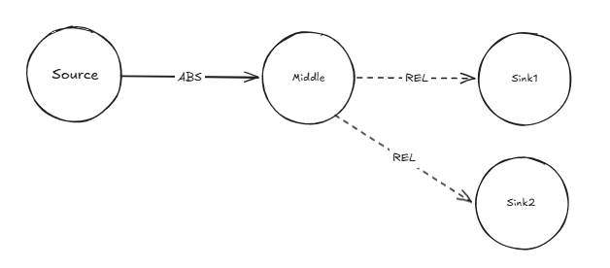
Data type | string | string | string | string | string | string | string | string | float | string | integer | string | string | float | string
Unit |  |  |  |  |  |  |  |  |  | m3, kg, % |  |  |  | 2 columns needed for each indicator (name and comment)
This column is ignored (check parameter ignore_columns_flows in Settings-sheet) | Source process | Transformation stage | Source process location | Target process | Transformation stage | Target process location | Source ID | Target ID | Value | Unit | Year | Data source | Data source comment | Carbon (Mt) | Comment
a | Source | Source | FI | Middle | Source | FI | Source:FI | Middle:FI | 100 | Mm3 SWE | 2000 |  | Test values
 | Middle | Source | FI | Sink1 | Source | FI | Middle:FI | Sink1:FI | 50 | % | 2000 |  | Test values
 | Middle | Source | FI | Sink2 | Source | FI | Middle:FI | Sink2:FI | 50 | % | 2000 |  | Test values

