Flows
Data type | string |  | string | string |  | string | string | string | float | string | integer | string | string | string | float | string | float | string | float | string
Unit |  |  |  |  |  |  |  |  |  | m3, kg, % |  |  |  |  |  |  | 2 columns needed for each indicator (value and comment)
 | Source_process | Transformation_Stage | Source_process_location | Target_process | Transformation_Stage | Target_process_location | Source _ID | Target_ID | Value | Unit | Year | Data_source | Data_source_comment | Conversion_factor_used | Carbon_content_factor | Carbon_content_source | Indicator0 | Comment | Indicator1 | Comment
 | P1 | Source | EU | P2 | First | EU | P1:EU | P2:EU | 2 | SWE | 2021 |  |  |  | 0.5
 | P2 | First | EU | P3 | First | EU | P2:EU | P3:EU | 2 | SWE | 2021 |  |  |  | 0.5
 | P2 | First | EU | P4 | Second | EU | P2:EU | P4:EU | 1 | SWE | 2021 |  |  |  | 0.5
 | P3 | First | EU | P5 | Third | EU | P3:EU | P5:EU | 1 | SWE | 2021 |  |  |  | 0.5
 | P4 | Second | EU | P5 | Third | EU | P4:EU | P5:EU | 100 | % | 2021 |  |  |  | 0.5
 | P5 | Third | EU | P2 | First | EU | P5:EU | P2:EU | 100 | % | 2021 |  |  |  | 0.5
 | P2 | First | EU | P2 | RoW | Export | P2:EU | P2:Export | 1 | SWE | 2021 |  |  |  | 0.5
 | P2 | RoW | Import | P2 | RoW | EU | P2:Import | P2:EU | 1 | SWE | 2021 |  |  |  | 0.5

 | P1 | Source | EU | P2 | First | EU | P1:EU | P2:EU | 2 | SWE | 2022 |  |  |  | 0.5
 | P2 | First | EU | P3 | First | EU | P2:EU | P3:EU | 2 | SWE | 2022 |  |  |  | 0.5
 | P2 | First | EU | P4 | Second | EU | P2:EU | P4:EU | 1 | SWE | 2022 |  |  |  | 0.5
 | P3 | First | EU | P5 | Third | EU | P3:EU | P5:EU | 1 | SWE | 2022 |  |  |  | 0.5
 | P5 | Third | EU | P2 | First | EU | P5:EU | P2:EU | 100 | % | 2022 |  |  |  | 0.5
 | P2 | First | EU | P2 | RoW | Export | P2:EU | P2:Export | 1 | SWE | 2022 |  |  |  | 0.5
 | P2 | RoW | Import | P2 | RoW | EU | P2:Import | P2:EU | 1 | SWE | 2022 |  |  |  | 0.5

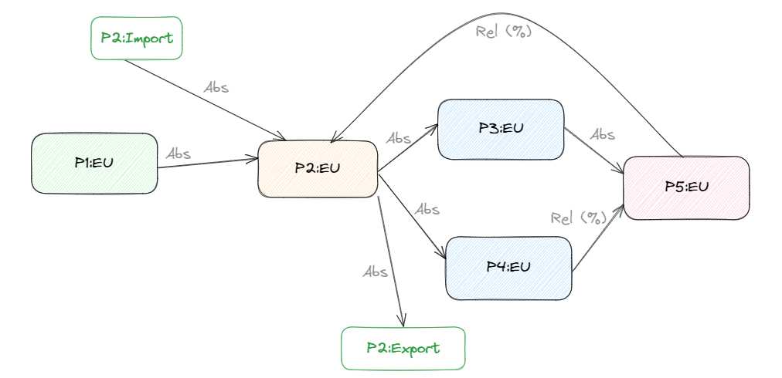
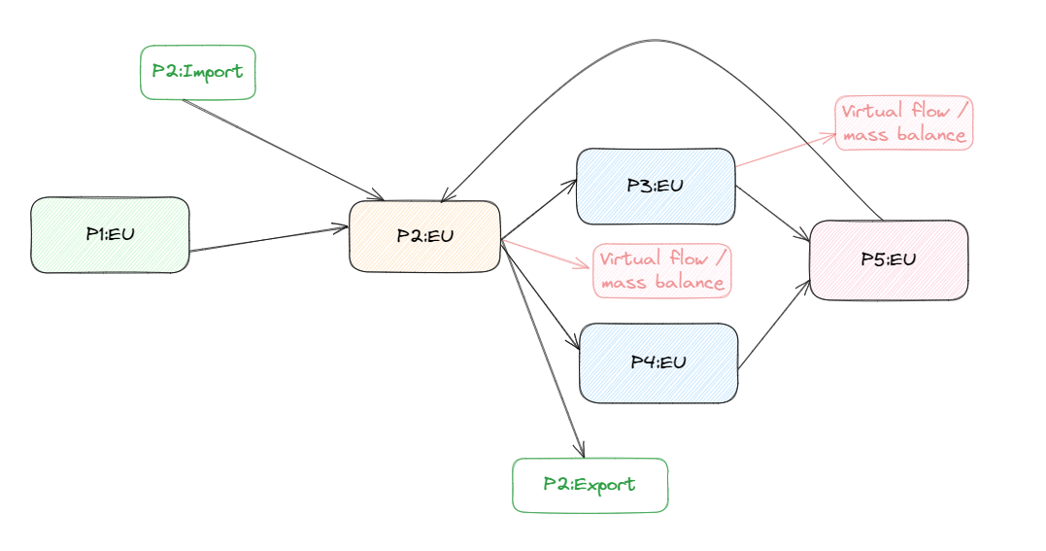

 |  | https://excalidraw.com/#json=Lj-sDbAMDNeaA9bmCep8J,9nZyAhAf-Q5KkiQ4syeq1w

