Plot 30 Days
111 | USD-US Dollar
 |  | Converted to: | EUR-Euro

Converted Amounts for the Last 30 Days
5/7/2020 | 102.67
5/8/2020 | 102.29
5/9/2020 | 102.07
5/10/2020 | 101.43
5/11/2020 | 102.69
5/12/2020 | 102.18
5/13/2020 | 102.43
5/14/2020 | 102.8
5/15/2020 | 102.59
5/16/2020 | 102.59
5/17/2020 | 102.57
5/18/2020 | 101.81
5/19/2020 | 101.49
5/20/2020 | 101.1
5/21/2020 | 101.34
5/22/2020 | 101.91
5/23/2020 | 101.82
5/24/2020 | 101.8
5/25/2020 | 101.87
5/26/2020 | 101.16
5/27/2020 | 101.23
5/28/2020 | 100.32
5/29/2020 | 99.93
5/30/2020 | 99.94
5/31/2020 | 99.94
6/1/2020 | 99.79
6/2/2020 | 99.41
6/3/2020 | 98.71
6/4/2020 | 98.07
6/5/2020 | 98.36

Plot 30 Days - example
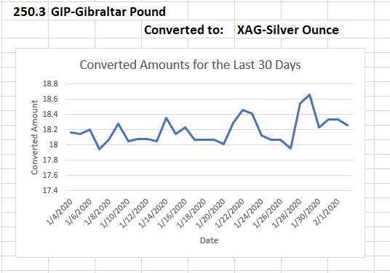
250.25 | GIP-Gibraltar Pound
 |  | Converted to: | XAG-Silver Ounce

Converted Amounts for the Last 20 Days
5/7/2020 | 102.67
5/8/2020 | 102.29
5/9/2020 | 102.07
5/10/2020 | 101.43
5/11/2020 | 102.69
5/12/2020 | 102.18
5/13/2020 | 102.43
5/14/2020 | 102.8
5/15/2020 | 102.59
5/16/2020 | 102.59
5/17/2020 | 102.57
5/18/2020 | 101.81
5/19/2020 | 101.49
5/20/2020 | 101.1
5/21/2020 | 101.34
5/22/2020 | 101.91
5/23/2020 | 101.82
5/24/2020 | 101.8
5/25/2020 | 101.87
5/26/2020 | 101.16
5/27/2020 | 101.23
5/28/2020 | 100.32
5/29/2020 | 99.93
5/30/2020 | 99.94
5/31/2020 | 99.94
6/1/2020 | 99.79
6/2/2020 | 99.41
6/3/2020 | 98.71
6/4/2020 | 98.07
6/5/2020 | 98.36
Converted Amounts for the Last 30 Days
5/7/2020 | 102.67
5/8/2020 | 102.29
5/9/2020 | 102.07
5/10/2020 | 101.43
5/11/2020 | 102.69
5/12/2020 | 102.18
5/13/2020 | 102.43
5/14/2020 | 102.8
5/15/2020 | 102.59
5/16/2020 | 102.59
5/17/2020 | 102.57
5/18/2020 | 101.81
5/19/2020 | 101.49
5/20/2020 | 101.1
5/21/2020 | 101.34
5/22/2020 | 101.91
5/23/2020 | 101.82
5/24/2020 | 101.8
5/25/2020 | 101.87
5/26/2020 | 101.16
5/27/2020 | 101.23
5/28/2020 | 100.32
5/29/2020 | 99.93
5/30/2020 | 99.94
5/31/2020 | 99.94
6/1/2020 | 99.79
6/2/2020 | 99.41
6/3/2020 | 98.71
6/4/2020 | 98.07
6/5/2020 | 98.36

