Parent Categories
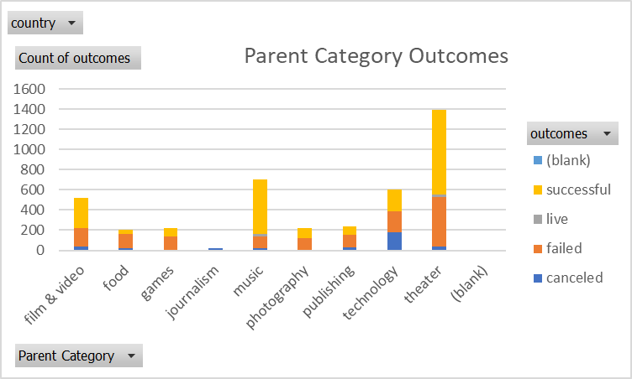
country | (All)
Parent Category Outcomes
Count of outcomes | Column Labels
Row Labels | canceled | failed | live | successful | Grand Total
theater | 37 | 493 | 24 | 839 | 1393
Grand Total | 37 | 493 | 24 | 839 | 1393

Subcategories
country | (All)
Parent Category | (All)

Count of outcomes | Column Labels
Row Labels | failed | live | successful | Grand Total
plays | 353 | 19 | 694 | 1066
Grand Total | 353 | 19 | 694 | 1066

Outcomes Based on Launch Date
 | canceled | failed | live | successful
Jan | 7 | 33 | 2 | 56
Feb | 3 | 39 | 8 | 71
Mar | 3 | 33 | 14 | 56
Apr | 2 | 40 |  | 71
May | 3 | 52 |  | 111
Jun | 4 | 49 |  | 100
Jul | 1 | 50 |  | 87
Aug | 4 | 47 |  | 72
Sep | 4 | 34 |  | 59
Oct |  | 50 |  | 65
Nov | 3 | 31 |  | 54
Dec | 3 | 35 |  | 37
Parent Category | theater

Count of outcomes | Column Labels
Row Labels | canceled | failed | live | successful | Grand Total
Jan | 7 | 33 | 2 | 56 | 98
Feb | 3 | 39 | 8 | 71 | 121
Mar | 3 | 33 | 14 | 56 | 106
Apr | 2 | 40 |  | 71 | 113
May | 3 | 52 |  | 111 | 166
Jun | 4 | 49 |  | 100 | 153
Jul | 1 | 50 |  | 87 | 138
Aug | 4 | 47 |  | 72 | 123
Sep | 4 | 34 |  | 59 | 97
Oct |  | 50 |  | 65 | 115
Nov | 3 | 31 |  | 54 | 88
Dec | 3 | 35 |  | 37 | 75
Grand Total | 37 | 493 | 24 | 839 | 1393

Theater Outcomes by Launch Date
Parent Category | theater
Years | (All)
Theater Outcomes vs. Launch Date
 | successful | failed | canceled
Jan | 56 | 33 | 7
Feb | 71 | 39 | 3
Mar | 56 | 33 | 3
Apr | 71 | 40 | 2
May | 111 | 52 | 3
Jun | 100 | 49 | 4
Jul | 87 | 50 | 1
Aug | 72 | 47 | 4
Sep | 59 | 34 | 4
Oct | 65 | 50
Nov | 54 | 31 | 3
Dec | 37 | 35 | 3
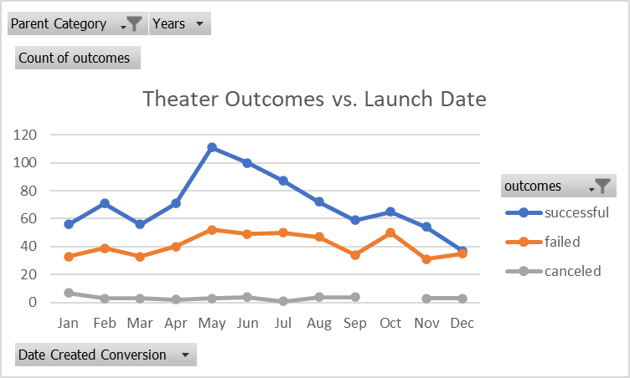
Count of outcomes | Column Labels
Row Labels | successful | failed | canceled | Grand Total
Jan | 56 | 33 | 7 | 96
Feb | 71 | 39 | 3 | 113
Mar | 56 | 33 | 3 | 92
Apr | 71 | 40 | 2 | 113
May | 111 | 52 | 3 | 166
Jun | 100 | 49 | 4 | 153
Jul | 87 | 50 | 1 | 138
Aug | 72 | 47 | 4 | 123
Sep | 59 | 34 | 4 | 97
Oct | 65 | 50 |  | 115
Nov | 54 | 31 | 3 | 88
Dec | 37 | 35 | 3 | 75
Grand Total | 839 | 493 | 37 | 1369

Outcomes Based on Goals
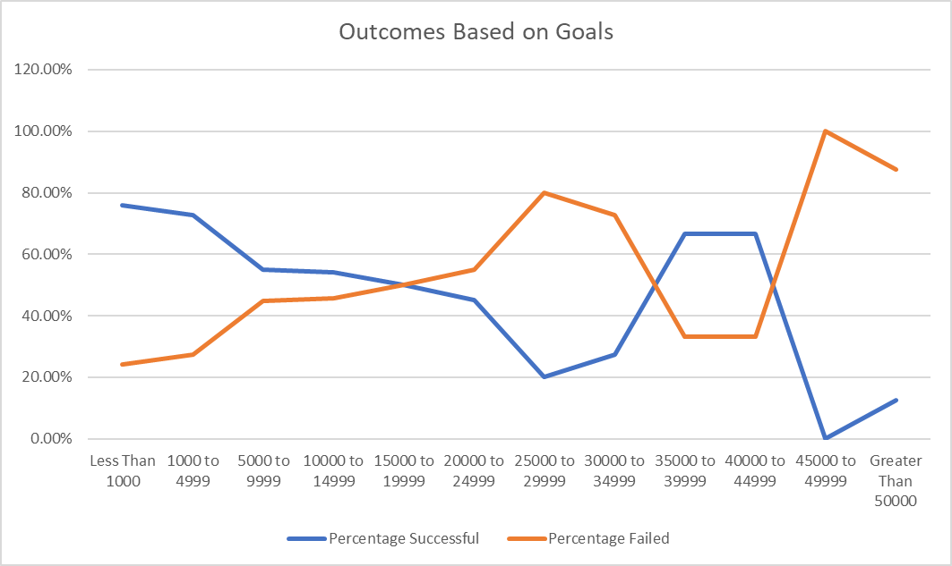
Goal | Number Successful | Number Failed | Number Canceled | Total Projects | Percentage Successful | Percentage Failed | Percentage Canceled | Goal | Percentage Successful | Percentage Failed
Less Than 1000 | 141 | 45 | 0 | 186 | 75.81% | 24.19% | 0 | Less Than 1000 | 75.81% | 24.19%
1000 to 4999 | 387 | 146 | 0 | 533 | 72.61% | 27.39% | 0 | 1000 to 4999 | 72.61% | 27.39%
5000 to 9999 | 93 | 76 | 0 | 169 | 55.03% | 44.97% | 0 | 5000 to 9999 | 55.03% | 44.97%
10000 to 14999 | 39 | 33 | 0 | 72 | 54.17% | 45.83% | 0 | 10000 to 14999 | 54.17% | 45.83%
15000 to 19999 | 12 | 12 | 0 | 24 | 50.00% | 50.00% | 0 | 15000 to 19999 | 50.00% | 50.00%
20000 to 24999 | 9 | 11 | 0 | 20 | 45.00% | 55.00% | 0 | 20000 to 24999 | 45.00% | 55.00%
25000 to 29999 | 1 | 4 | 0 | 5 | 20.00% | 80.00% | 0 | 25000 to 29999 | 20.00% | 80.00%
30000 to 34999 | 3 | 8 | 0 | 11 | 27.27% | 72.73% | 0 | 30000 to 34999 | 27.27% | 72.73%
35000 to 39999 | 4 | 2 | 0 | 6 | 66.67% | 33.33% | 0 | 35000 to 39999 | 66.67% | 33.33%
40000 to 44999 | 2 | 1 | 0 | 3 | 66.67% | 33.33% | 0 | 40000 to 44999 | 66.67% | 33.33%
45000 to 49999 | 0 | 1 | 0 | 1 | 0.00% | 100.00% | 0 | 45000 to 49999 | 0.00% | 100.00%
Greater Than 50000 | 2 | 14 | 0 | 16 | 12.50% | 87.50% | 0 | Greater Than 50000 | 12.50% | 87.50%
 | 693 | 353 | 0 | 1046
 | 694 | 353 | 0
Outcomes Based on Goals

