Dashboard
QT'S CAR STORE

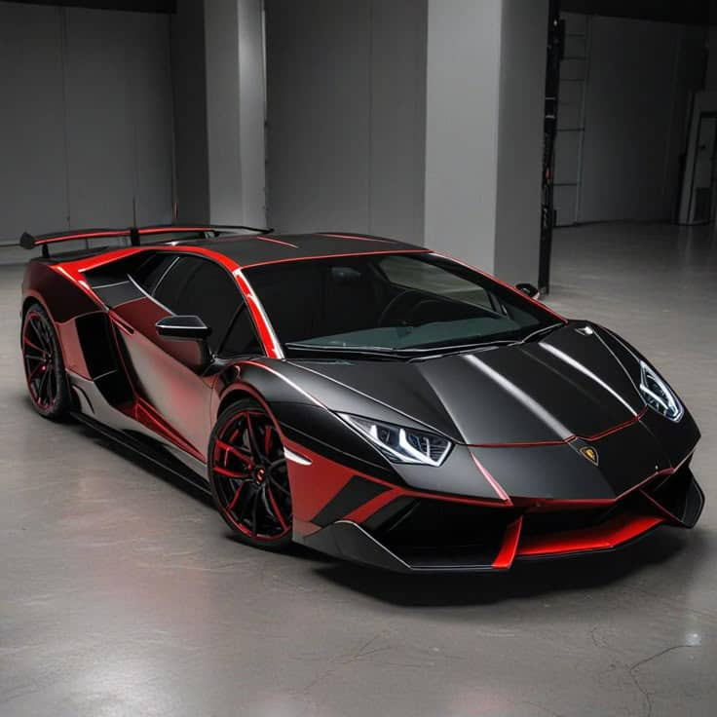
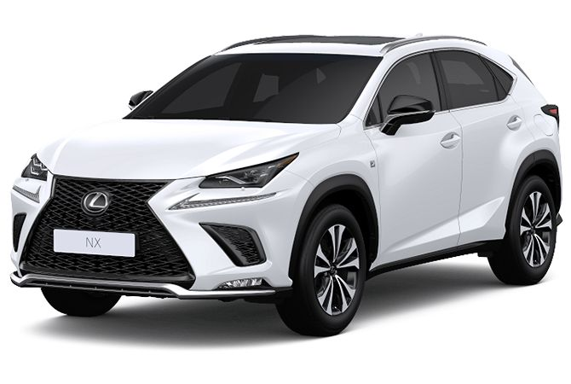
Total Revenue $13,050,000
Highest
Rating
4.8
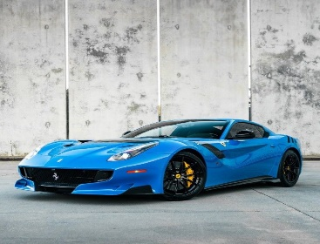
No of Top Cities
3

Avg Ratings
 | Total
Ferrari | 4.5
Lambogini | 4.8
Lexus | 4.7
Total Car Revenue
 | Total
Ferrari | $4,400,000
Lambogini | $6,250,000
Lexus | $2,400,000

Actual price Vs Revenue
 | Sum of Revenue | Sum of Price
Ferrari | $4,400,000 | $220,000
Lambogini | $6,250,000 | $250,000
Lexus | $2,400,000 | $80,000

Ferrari
 |  |  | Ferrari


Units Sold | In Stock
20 | 8

 |  |  |  |  | Price
 |  |  |  |  | $220,000

 |  |  |  |  |  | Top City
 |  |  |  |  |  | Port Harcourt

 |  |  |  | Color
 |  | Rating |  | Blue
 |  | 4.5

