2. Board Level
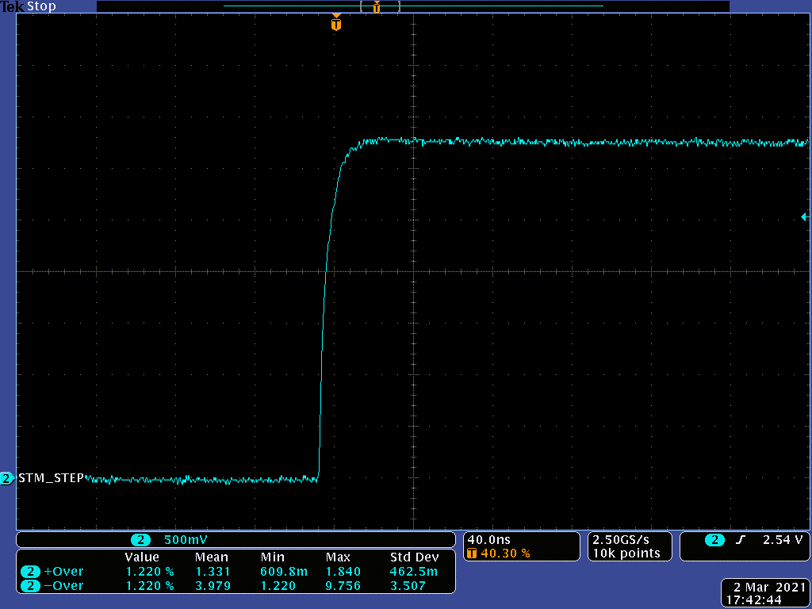
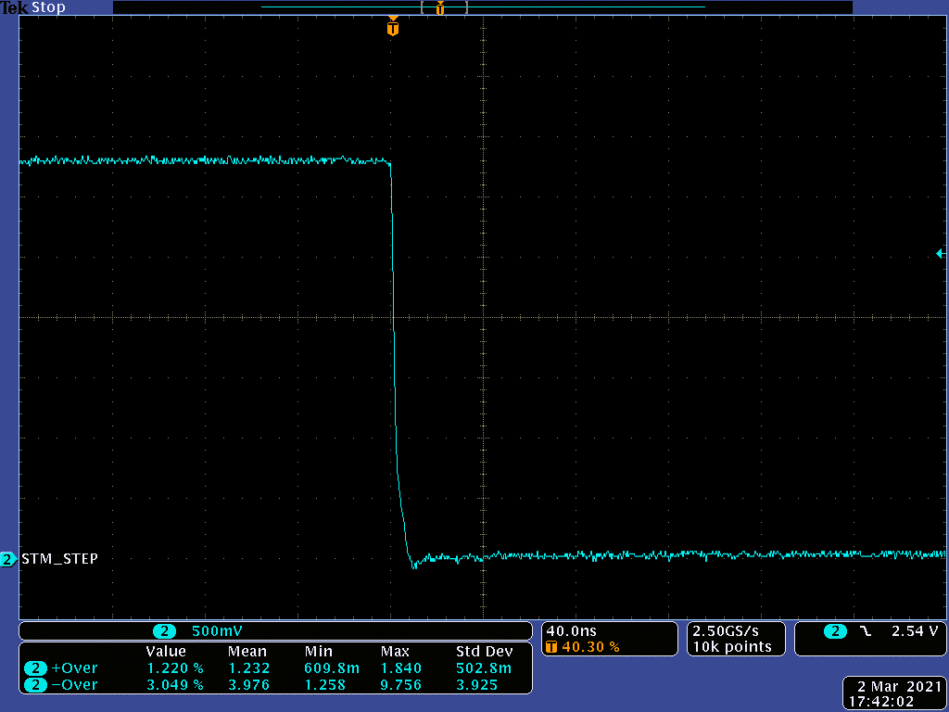


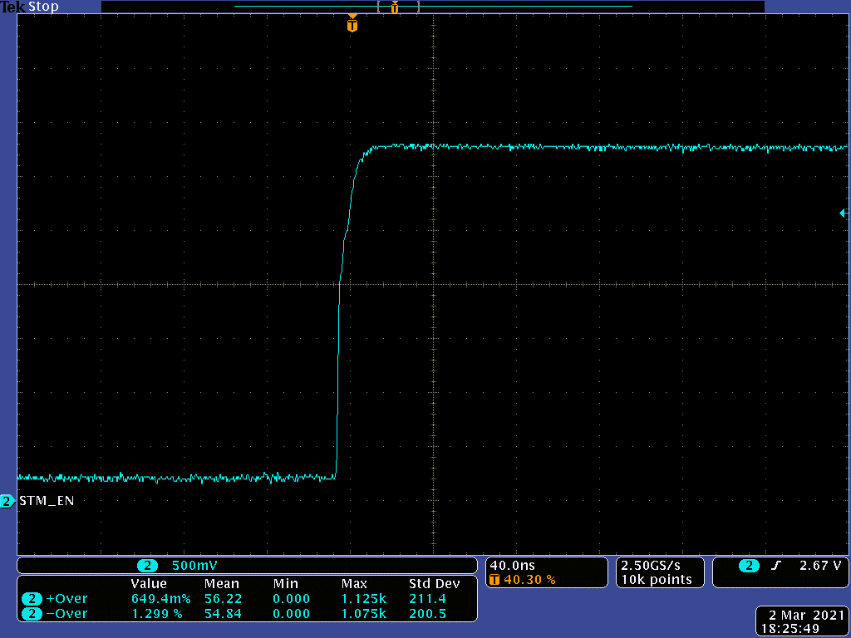




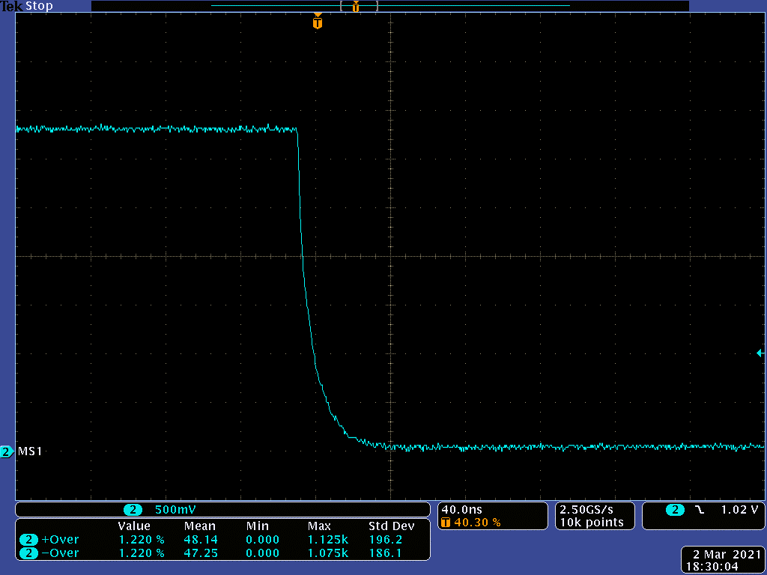


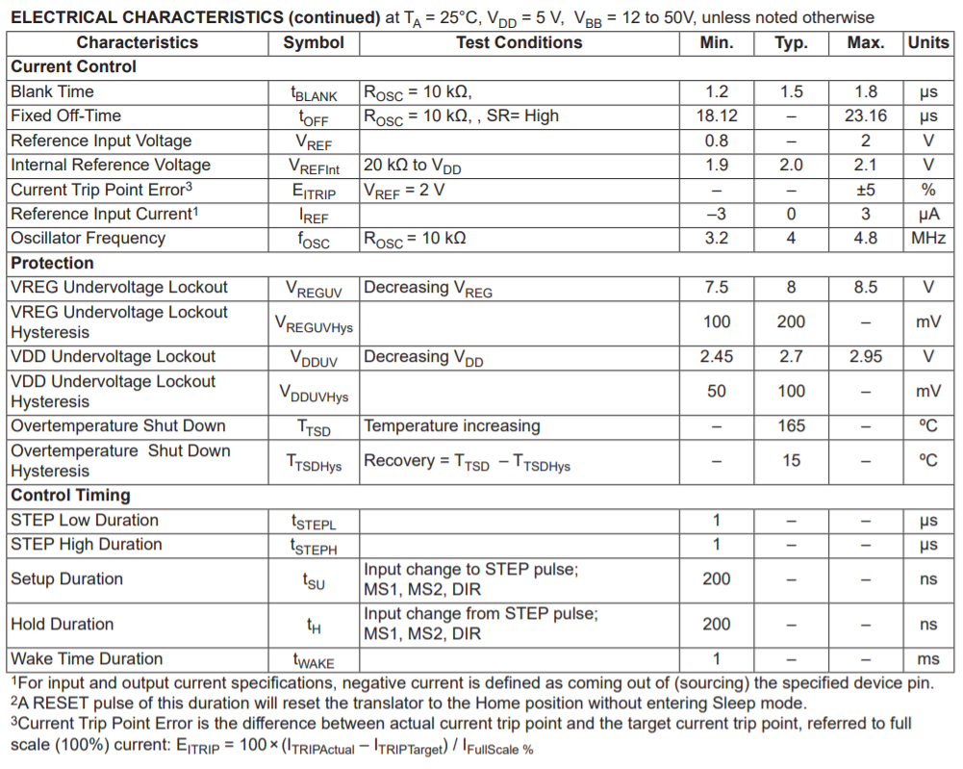
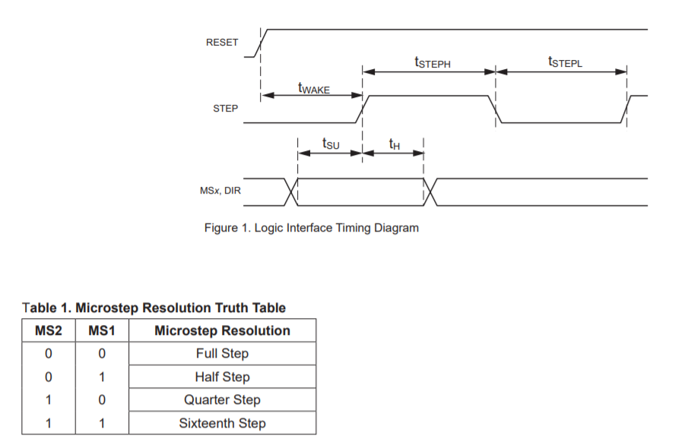
2 | Boaed Level Tests
>> back to EE test plan
A. OBJECTIVES
Motor - step, clock and control signal integrity test.
Evaluate motor control performance
Core control IC DRV8452

B. RESULT SUMMARY

Item | Spec. |  |  | Result |  |  |  | Remark
AC Input Voltage (Test 1) | fSTEP | max 500KHz |  | PASS
 | tWH_STEP | min 970ns |  | PASS
 | tWL_STEP | 970ns |  | PASS
RWD_DIR (Test 2) | tH_DIR | min 200ns |  | N/A
 | tSU_DIR | min 200ns |  | PASS
RWD_MS1/MS2 (Test 3) | tH_M1 | min 200ns |  | N/A
 | tH_M2 | min 200ns |  | N/A
 | tSU_M1 | min 200ns |  | PASS
 | tSU_M2 | min 200ns |  | PASS

C. TEST SETUP
1. PM45 MLB: 50172011-006 revision
2. Probe Motor control signals
3. Telnet to printer ip address using port 23, root access
4. send functest FORMFEED 1000
5. Observe the waveforms

D. TEST DETAILS
1. Test 1

AC test:
 |  | Standby mode |  | CC charge mode |  | Float charge mode |  | Heating mode
 | AC Input(V) | Current(mA) | Power Draw (W) | Current(mA) | Power Draw(W) | Current(mA) | Power Draw(W) | Current(mA) | Power Draw(W)
 | 310 | 7.01 | 0.84 | 134.40 | 16.51 | 64.80 | 7.56 | 205.90 | 26.05
 | 277 | 6.60 | 0.68 | 144.70 | 17.28 | 70.30 | 7.42 | 222.40 | 25.89
 | 220 | 6.11 | 0.25 | 179.20 | 16.72 | 82.30 | 7.19 | 261.00 | 25.91
 | 120 | 7.03 | 0.26 | 266.90 | 17.18 | 125.50 | 6.98 | 412.00 | 25.61

2. Test 2

DC test:
 |  | Standby mode |  | CC charge mode |  | Heating mode
 | AC Input(V) | 14V DC output(V) | 3.3V DC Output(V) | 14V DC outputV) | 3.3V DC Output(V) | 14V DC Output(V) | Heater Current (mA) | Heater Power Draw(W)
 | 310 | 14.31 | 3.32 | 14.19 | 3.32 | 13.82 | 1641.00 | 22.67
 | 277 | 14.31 | 3.32 | 14.19 | 3.32 | 13.81 | 1616.00 | 23.12
 | 220 | 14.30 | 3.32 | 14.27 | 3.32 | 13.80 | 1613.00 | 23.07
 | 120 | 14.30 | 3.32 | 14.30 | 3.32 | 13.80 | 1608.00 | 22.99

 |  |  |  |  |  |  |  |  | Shunt Resister Volt(mV) | Current(mA) | Power_Max(W)

 |  |  |  |  |  |  |  |  | 93.00 | 1367.65 | 14.98

4. Test 4

5. Test 5

6. Test 6

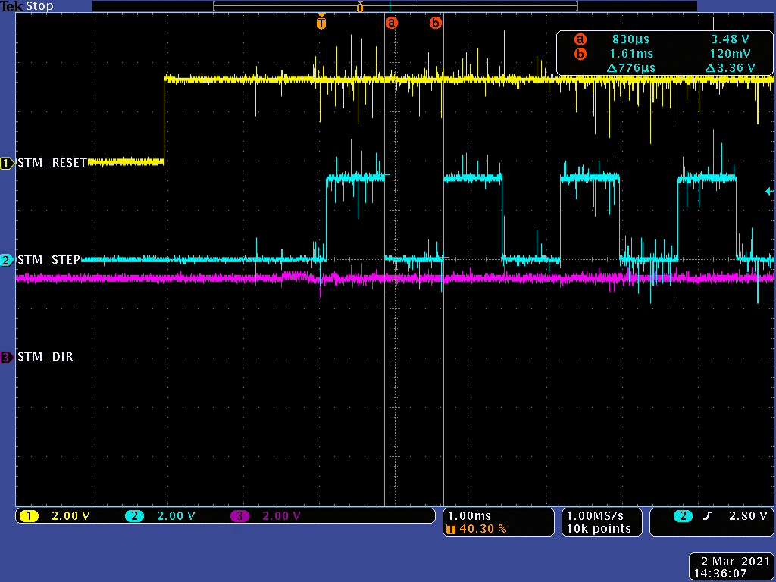
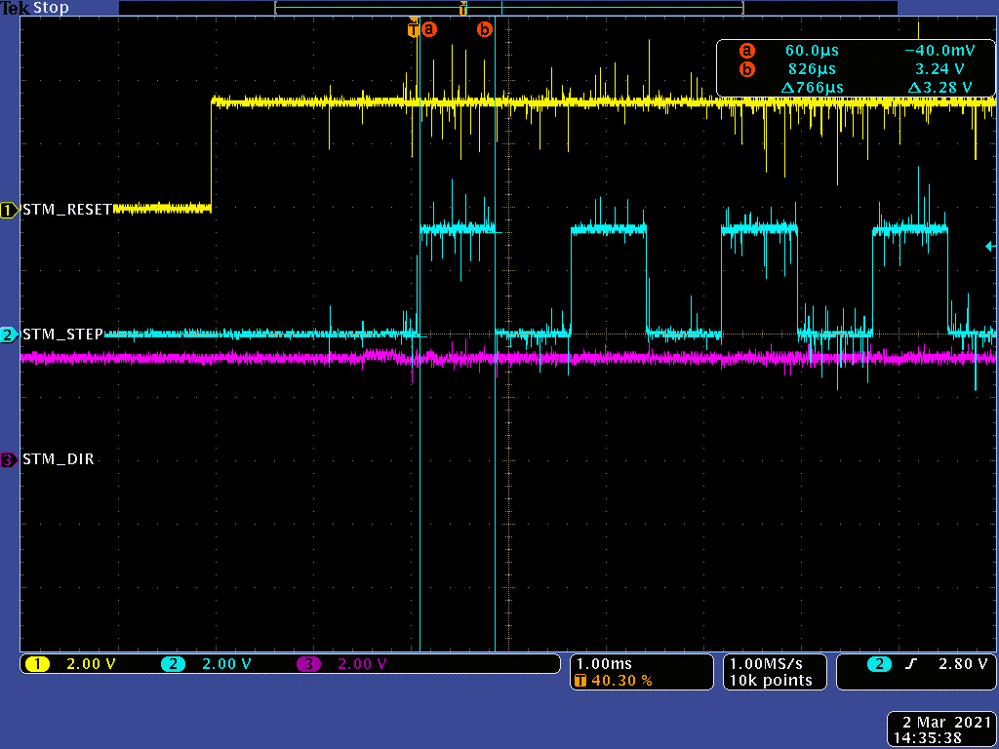
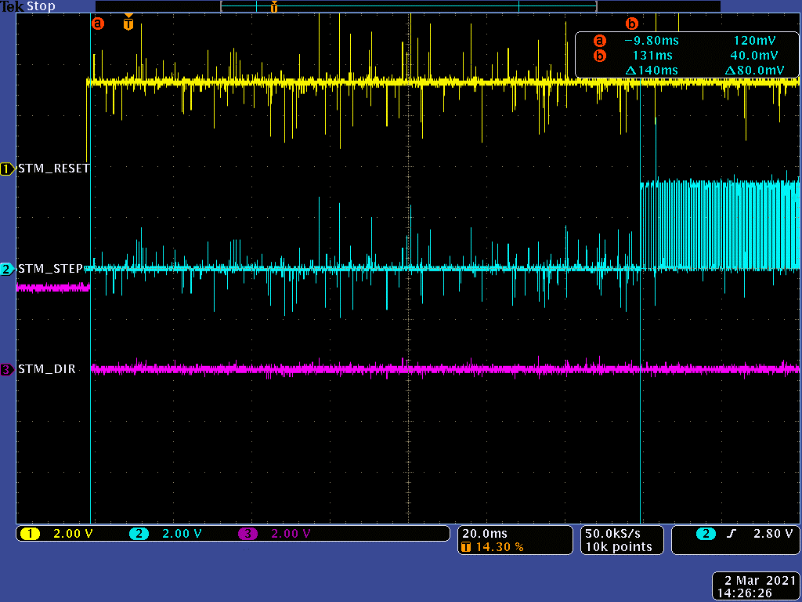
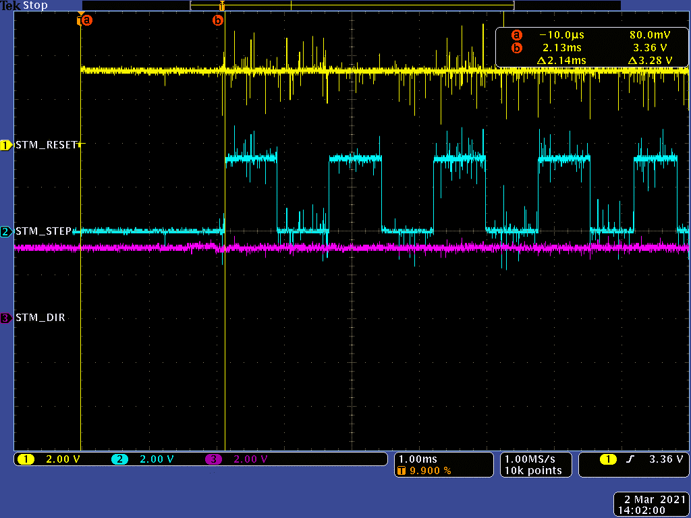

 |  |  |  |  |  |  |  |  |  |  |  | tWAKE | 2.14ms

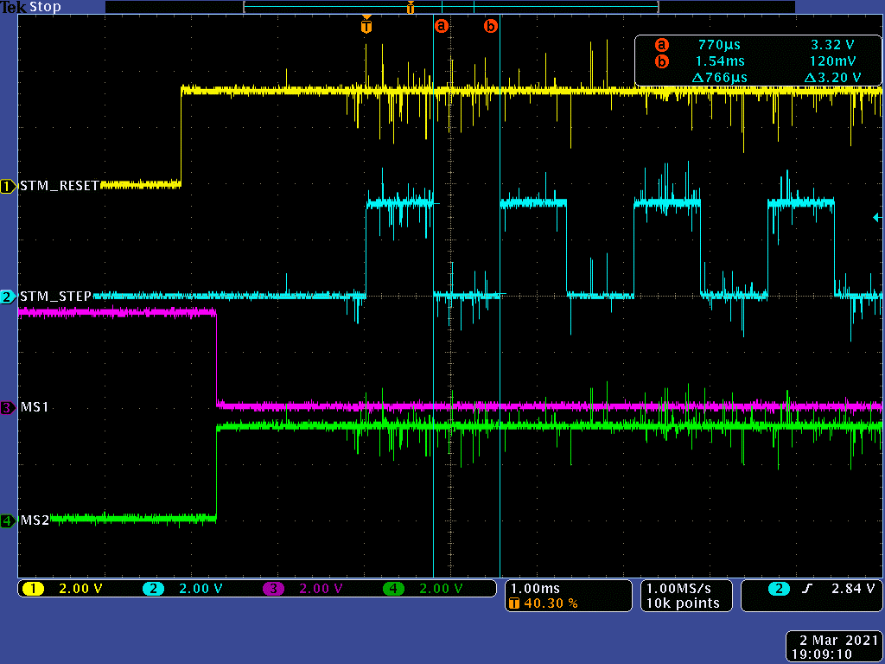
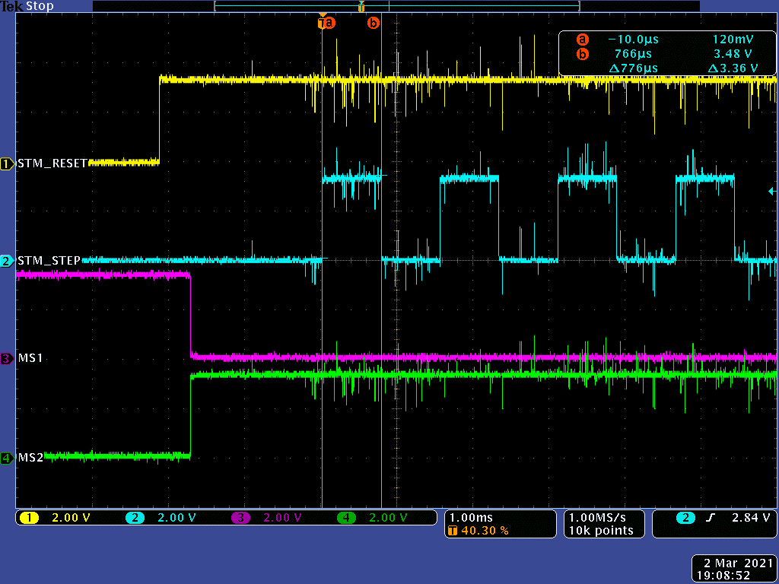
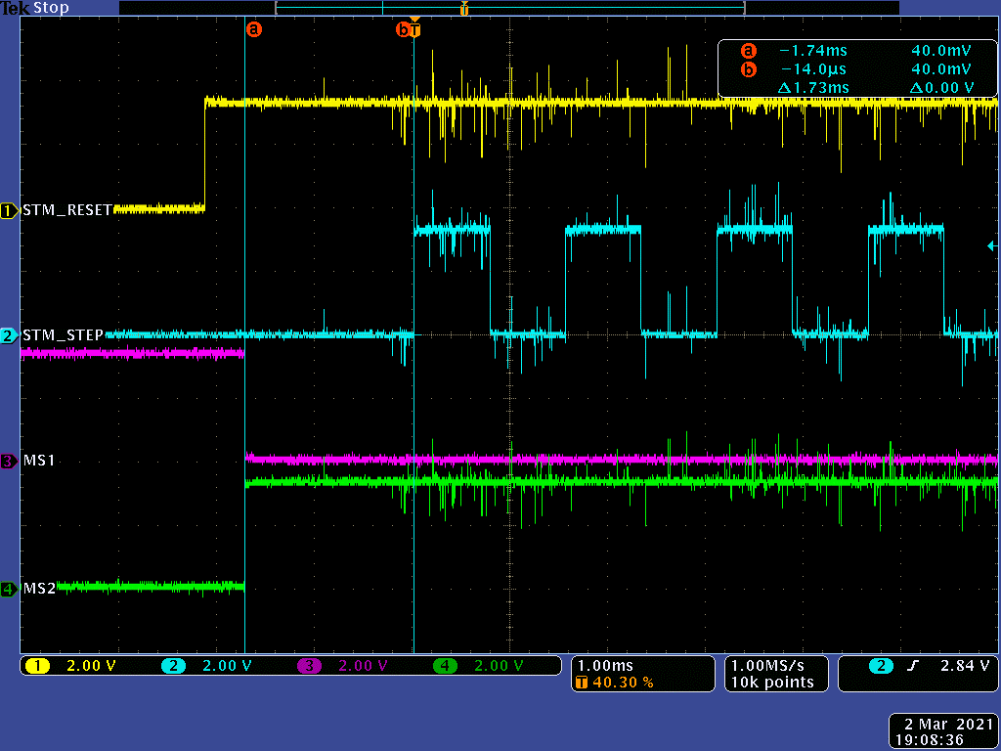
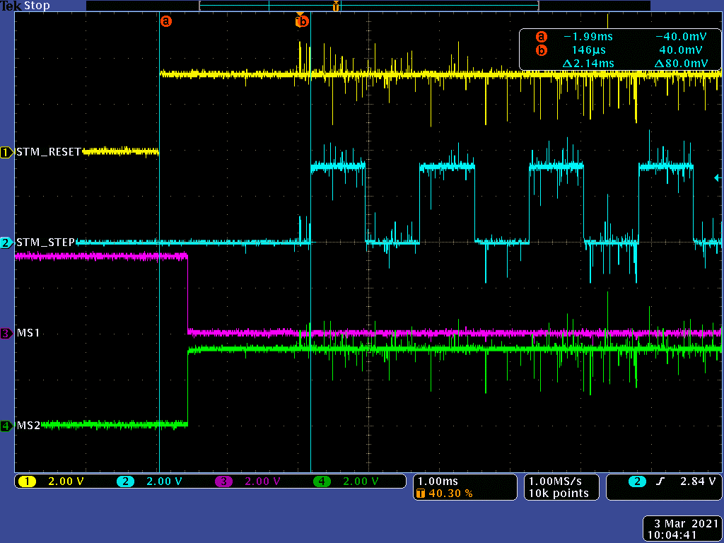

 |  |  |  |  |  |  |  |  |  |  |  | tWAKE | 2.14ms

