狗狗免疫营养补充剂
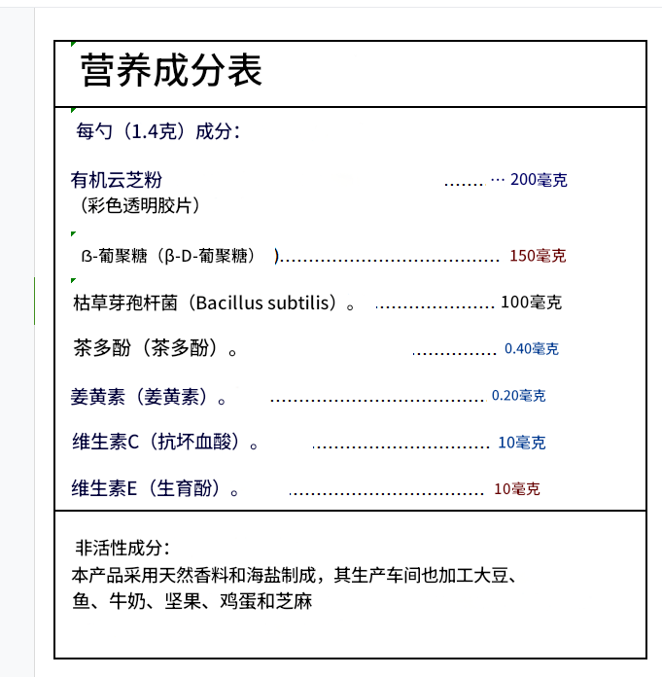
Supplement Facts
Ingredients Per 1 Scoop (1.4 g):
Organic Turkey Tail Mushroom Powder..............200mg (Trametes versicolor)
β-Glucan(β-D-Glucan).......................................150mg
Bacillus Subtilis(Bacillus subtilis).......................100mg
Tea polyphenols(Polyphenola theae)..................40mg
Curcumin(Curcumin).........................................20mg
Vitamin C (Ascorbic Acid).................................10mg
Vitamin E (Tocopherol)....................................10mg
Inactive Ingredients: Made with natural spices and sea salt, this product's production workshop also processes soybeans, fish, milk, nuts, eggs, and sesame seeds.

宠物增强免疫力蘑菇粉
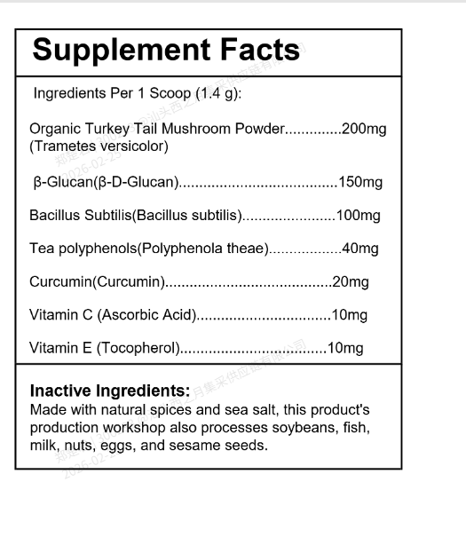
Supplement Facts
Active Ingredients Per 1 Teaspoon:
Organic Turkey Tail Mushroom Powder..................................500 mg (Trametes versicolor)
Organic Shiitake Mushroom Powder.......................................450mg (Lentinula edodes)
Organic Lion's Mane Mushroom Powder................................400mg (Hericium erinaceus)
Organic Himematsutake Mushroom Powder...........................400mg (Agaricus subrufescens)
Beta-Glucan(Beta-Glucan)....................................................350 mg
Bacillus Subtilis(Bacillus Subtilis)...................270 mg (2.7×10⁸ CFU)
Tea Polyphenols(Camellia sinensis).....................................225 mg
Vitamin C(L-Ascorbic Acid)...................................................180 mg
Curcumin(Curcuma longa)....................................................135 mg
Vitamin E (dl-alpha-Tocopheryl Acetate)...................90 IU (≈60 mg)
Inactive Ingredients: This product contains maltodextrin carrier.

