Master Catalog
Nissan GT-R R35 — Master Parts Catalog
All systems • All manufacturing dates • All models • Period variants expanded

001 - Bare & Short Engine | 0 matched part(s)
App. model: VR38DETT
 | OEM | Description | Applies / Details | Period | Notes | Match
 | (no hotspot data for this diagram)

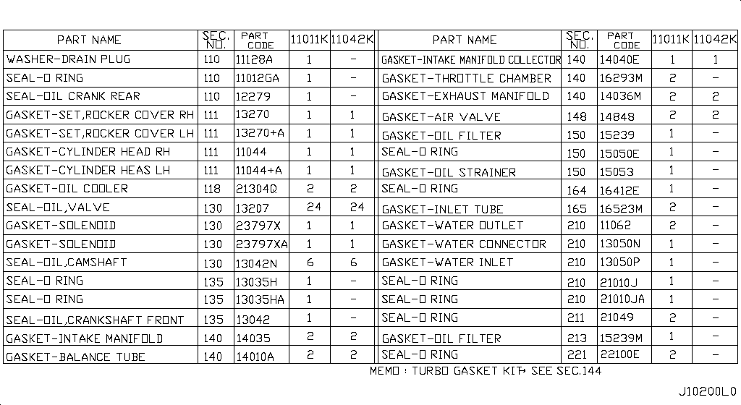
002 - Engine Gasket Kit | 2 matched part(s)
App. model: VR38DETT
 | OEM | Description | Applies / Details | Period | Notes | Match
 | A0AMA-JF00A | Gasket-Engine |  |  |  | engine, gasket
 | A1MDB-JF00A | Gasket Kit |  |  |  | gasket

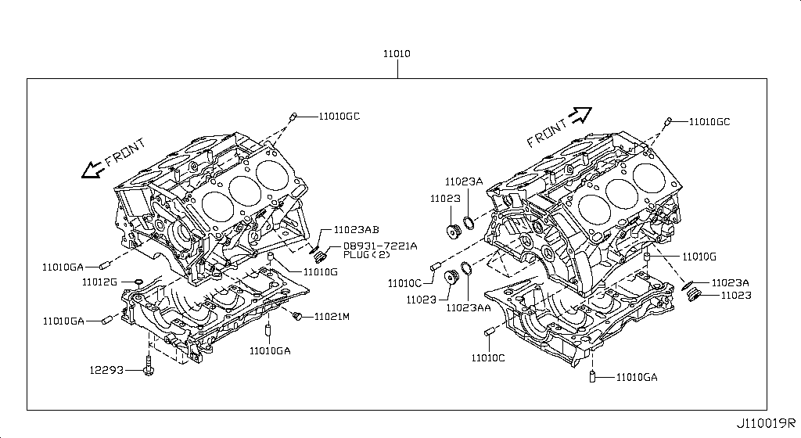
003 - Cylinder Block & Oil Pan | 60 matched part(s)
App. model: VR38DETT, VR38DETT.(PURE+BLACK+PREMIUM+NISMO), *VR38DETT.(PURE+NISMO) SpecCode: [MFLR3] TITAN MFLR • [08.2017 - ... ... 11.2013 - 11.2014]
 | OEM | Description | Applies / Details | Period | Notes | Match
 | 11114-JF00A | Baffle plate-oil pan | VR38DETT | 08.2017 - ...
 | 11114-JF01A | Baffle plate-oil pan | VR38DETT | 08.2017 - ...
 | 11114-JF02A | Baffle plate-oil pan | VR38DETT | 08.2017 - ...
 | 11114-38B0A | Baffle plate-oil pan | VR38DETT | 08.2017 - ...
 | 11000-JF0HA | Block Cylinder | VR38DETT | 08.2017 - ... |  | cylinder
 | 12293-JF00A | Bolt Brg Cap | VR38DETT | 08.2017 - ... |  | bolt
 | 11110-38B0A | but need 2024 CRANKCASE | VR38DETT | 08.2017 - ...
 | 11022-77A00 | Dowel | VR38DETT | 08.2017 - ...
 | 11046-73402 | Dowel | VR38DETT | 08.2017 - ...
 | 11022-31U0B | Dowel-Block | VR38DETT | 02.2018 - ...
 | 11022-31U01 | Dowel-Block | VR38DETT | 08.2017 - ...
 | 11022-31U02 | Dowel, block to oil pump; Pin-dowel,cylinder block | VR38DETT | 08.2017 - 02.2018 |  | cylinder, pump
 | 30412-H1001 | Dowel Gear Box | VR38DETT | 08.2017 - ... |  | gear
 | KA761-33000 | Fluid-Gasket | VR38DETT.(PURE+BLACK+PREMIUM+NISMO) | 04.2016 - 07.2016 |  | gasket
 | 11026-60U01 | Gasket | VR38DETT | 08.2017 - ... |  | gasket
 | 11026-JK20B | Gasket | VR38DETT | 08.2017 - ... |  | gasket
 | 11026-41B00 | Gasket | VR38DETT | 08.2017 - ... |  | gasket
 | 15053-JF00A | Gasket | VR38DETT | 08.2017 - ... |  | gasket
 | 15239-JF00A | Gasket | VR38DETT | 08.2017 - ... |  | gasket
 | 14465-4P210 | Gasket | VR38DETT | 08.2017 - ... |  | gasket
 | 11026-01M02 | Gasket | VR38DETT | 08.2017 - ... |  | gasket
 | 11026-53J00 | Gasket | VR38DETT | 08.2017 - ... |  | gasket
 | 20692-JF00A | Gasket | *VR38DETT.(PURE+NISMO) SpecCode: [MFLR3] TITAN MFLR | 11.2013 - 11.2014 |  | gasket
 | KP710-00150 | Gasket-Fluid | VR38DETT | 08.2017 - ... |  | gasket
 | 11140-JF00C | Gauge, oil level | VR38DETT | 08.2017 - ...
 | 11150-JF00A | Guide, oil level gauge | VR38DETT | 08.2017 - ...
 | 11560-JF00A | Jet assembly, oil | VR38DETT | 08.2017 - ...
 | 11145-JF00A | oil level sensor | VR38DETT | 08.2017 - ... |  | sensor
 | 11110-JF01A | Pan assembly, oil | VR38DETT | 08.2017 - ...
 | 31390-6AV0A | Pan assembly-oil | GR6 | 08.2017 - ...
 | 38242-4HK0A | Pipe-axle | VR38DETT | 08.2017 - ... |  | pipe
 | 38242-JK500 | Pipe axle | VR38DETT | 11.2013 - 11.2014 |  | pipe
 | 11051-53J0A | Plug-Blind | VR38DETT | 08.2017 - ... |  | plug
 | 11128-01M00 | Plug, blind | VR38DETT | 08.2017 - ... |  | plug
 | 11051-31U2A | Plug Taper | VR38DETT | 08.2017 - ... |  | plug
 | 08931-7221A | Plug-Thread |  |  |  | plug
 | 12279-AD200 | rear crank seal | VR38DETT | 08.2017 - ... |  | seal
 | 15066-31U02 | Ring-O | VR38DETT | 08.2017 - ...
 | 15066-31U03 | Ring-O | VR38DETT | 08.2017 - ...
 | 15066-JA10A | Ring-O | VR38DETT | 08.2017 - ...
 | 21049-JK20A | Ring O | VR38DETT | 08.2017 - ...
 | 21049-JK20B | Ring O | VR38DETT | 08.2017 - ...
 | 21304-JF00A | Ring O | VR38DETT | 08.2017 - ...
 | 15066-JF00A | Ring-O | VR38DETT | 08.2017 - ...
 | 15066-31U00 | Seal-O Ring | VR38DETT | 08.2017 - ... |  | seal
 | 38343-JF00A | SEAL-O RING | VR38DETT | 08.2017 - ... | REAR DIFF | seal
 | 15066-EB300 | Seal-O Ring | VR38DETT | 08.2017 - ... |  | seal
 | 21049-JF00A | Seal-O Ring | VR38DETT | 08.2017 - ... |  | seal
 | 21049-AE000 | Seal-O Ring | VR38DETT | 08.2017 - ... |  | seal
 | 21049-31U00 | Seal-O Ring | VR38DETT | 08.2017 - ... |  | seal
 | 92477-4GF1A | Seal-O Ring | C | 08.2017 - ... |  | seal
 | 92477-4GF0A | Seal-O Ring | C | 08.2017 - ... |  | seal
 | 49359-AA000 | Seal-O Ring | VR38DETT | 08.2017 - ... |  | seal
 | 49862-04E00 | Seal-O Ring | VR38DETT | 08.2017 - ... |  | seal
 | 49345-6N200 | Seal-O Ring | VR38DETT | 08.2017 - ... |  | seal
 | 38343-0P012 | Seal,o ring axle pipe; Seal,o ring side retainer; Seal-o ring | VR38DETT | 08.2017 - ... |  | pipe, seal
 | 38343-0P014 | Seal,o ring axle pipe; Seal,o ring side retainer; Seal-o ring | VR38DETT | 08.2017 - ... |  | pipe, seal
 | 15066-4W000 | Seal, oil level gauge guide | VR38DETT | 08.2017 - ... |  | seal
 | 11026-JF01A | Washer, drain plug | VR38DETT | 08.2017 - ... |  | plug, washer
 | 11026-JF10A | Washer, drain plug; Washer, drain plug engine oil pan | VR38DETT | 08.2017 - ... |  | engine, plug, washer

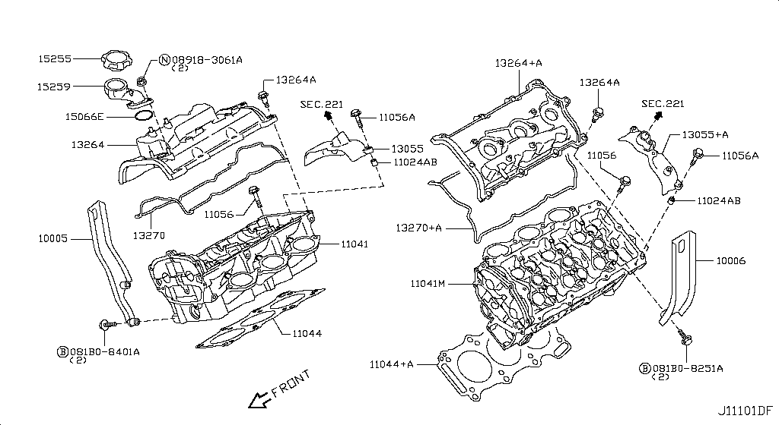
004 - Cylinder Head & Rocker Cover | 184 matched part(s)
App. model: C.(TRACK+NISMO), VR38DETT.(TRACK+BLACK+PREMIUM+NISMO), VR38DETT • [04.2016 - 07.2016 ... 07.2018 - ...]
 | OEM | Description | Applies / Details | Period | Notes | Match
 | 11298-4M411 | Bolt |  |  |  | bolt
 | 11298-AG001 | Bolt |  |  |  | bolt
 | 11298-4M406 | Bolt |  |  |  | bolt
 | 11298-2J212 | Bolt |  |  |  | bolt
 | 08158-62528 | Bolt |  |  |  | bolt
 | 08158-62533 | Bolt |  |  |  | bolt
 | 08158-6205N | Bolt |  |  |  | bolt
 | 081A8-6251A | Bolt |  |  |  | bolt
 | 081A1-0451A | Bolt |  |  |  | bolt
 | 55479-4P00A | Bolt |  |  |  | bolt
 | 54459-8J00A | Bolt |  |  |  | bolt
 | 55226-AQ50A | Bolt |  |  |  | bolt
 | 55226-JA01C | Bolt |  |  |  | bolt
 | 081B6-8901A | Bolt |  |  |  | bolt
 | 01125-00931 | Bolt |  |  |  | bolt
 | 081B6-8205M | Bolt |  |  |  | bolt
 | 01121-N6141 | Bolt |  |  |  | bolt
 | 62297-1BA0A | Bolt |  |  |  | bolt
 | 87850-8990A | Bolt | C.(TRACK+NISMO) | 04.2016 - 07.2016 |  | bolt
 | 20606-6AV0B | Bolt | VR38DETT.(TRACK+BLACK+PREMIUM+NISMO) | 07.2016 - 08.2017 |  | bolt
 | 01125-E6041 | Bolt | VR38DETT | 08.2017 - ... |  | bolt
 | 13224-AD22B | Bolt | VR38DETT | 08.2017 - ... |  | bolt
 | 11298-JF00A | Bolt | VR38DETT | 08.2017 - ... |  | bolt
 | 10004-4W00C | Bolt | VR38DETT | 08.2017 - ... |  | bolt
 | 14069-JD70A | Bolt | VR38DETT | 08.2017 - ... |  | bolt
 | 11916-JF00A | Bolt | VR38DETT | 08.2017 - ... |  | bolt
 | 11916-JF01A | Bolt | VR38DETT | 08.2017 - ... |  | bolt
 | 25628-3H00A | Bolt | C | 08.2017 - ... |  | bolt
 | 11916-JF00D | Bolt | VR38DETT | 08.2017 - ... |  | bolt
 | 31377-JF00C | Bolt | GR6 | 08.2017 - ... |  | bolt
 | 31377-JF00E | Bolt | GR6 | 08.2017 - ... |  | bolt
 | 11298-4M418 | Bolt | VR38DETT | 08.2017 - ... |  | bolt
 | 40178-EG06C | Bolt | VR38DETT | 08.2017 - ... |  | bolt
 | 55222-0M00B | Bolt | VR38DETT | 08.2017 - ... |  | bolt
 | 48935-5V10A | Bolt | VR38DETT | 08.2017 - ... |  | bolt
 | 48935-4P00A | Bolt | VR38DETT | 08.2017 - ... |  | bolt
 | 48935-JF00B | Bolt | VR38DETT | 08.2017 - ... |  | bolt
 | 49164-1AA0A | Bolt | VR38DETT | 08.2017 - ... |  | bolt
 | 49738-1BA0A | Bolt | VR38DETT | 08.2017 - ... |  | bolt
 | 49738-JF00A | Bolt | VR38DETT | 08.2017 - ... |  | bolt
 | 49738-4W00A | Bolt | VR38DETT | 08.2017 - ... |  | bolt
 | 62297-JF01B | Bolt | C | 08.2017 - ... |  | bolt
 | 62297-JF00A | Bolt | C | 08.2017 - ... |  | bolt
 | 62297-KB51A | Bolt | C | 08.2017 - ... |  | bolt
 | 62297-JF00C | Bolt | C | 08.2017 - ... |  | bolt
 | 01125-03491 | Bolt | C | 08.2017 - ... |  | bolt
 | 01125-03421 | Bolt | C | 08.2017 - ... |  | bolt
 | 673N8-JF00A | Bolt | C | 08.2017 - ... |  | bolt
 | 14069-CA01A | Bolt | C | 08.2017 - ... |  | bolt
 | 80498-CE40A | Bolt | C | 08.2017 - ... |  | bolt
 | 11298-4M417 | Bolt | C | 08.2017 - ... |  | bolt
 | 01121-07251 | Bolt | C | 08.2017 - ... |  | bolt
 | 01125-N6011 | Bolt | C | 08.2017 - ... |  | bolt
 | 98589-JN00A | Bolt | C | 08.2017 - ... |  | bolt
 | 01125-N6121 | Bolt | C | 08.2017 - ... |  | bolt
 | 20606-6AV0A | Bolt | VR38DETT.(TRACK+PREMIUM+NISMO) | 08.2017 - ... |  | bolt
 | 20606-6AV0C | Bolt | VR38DETT.(TRACK+PREMIUM+NISMO) | 08.2017 - ... |  | bolt
 | 87185-5UH0A | Bolt | C | 08.2017 - ... |  | bolt
 | 87615-4V70A | Bolt | C | 08.2017 - ... |  | bolt
 | 54459-JF01A | Bolt | VR38DETT | 08.2017 - ... |  | bolt
 | 44005-JF00A | Bolt | VR38DETT | 08.2017 - ... |  | bolt
 | 081A8-6121A | Bolt | VR38DETT | 11.2007 - 12.2009 |  | bolt
 | 54459-0M00E | Bolt | *VR38DETT.(PURE+NISMO) SpecCode: [MFLR3] TITAN MFLR | 11.2013 - 11.2014 |  | bolt
 | 081A8-6201A | Bolt | VR38DETT | 11.2013 - 11.2014 |  | bolt
 | 081A8-8251A | Bolt | VR38DETT | 11.2013 - 11.2014 |  | bolt
 | 16122-JF00A | Bolt | VR38DETT | 11.2013 - 11.2014 |  | bolt
 | 081A0-6165M | Bolt | VR38DETT | 11.2013 - 11.2014 |  | bolt
 | 08120-61228 | Bolt | VR38DETT | 11.2013 - 11.2014 |  | bolt
 | 081B0-8605M | Bolt | VR38DETT | 11.2013 - 11.2014 |  | bolt
 | 081B1-0401A | Bolt | VR38DETT | 11.2013 - 11.2014 |  | bolt
 | 081B6-8705M | Bolt | VR38DETT | 11.2013 - 11.2014 |  | bolt
 | 01454-N5041 | Bolt | C.(PURE+BLACK+PREMIUM) | 11.2013 - 11.2014 |  | bolt
 | 20606-JF60B | Bolt | *VR38DETT.(PURE+NISMO) SpecCode: [MFLR3] TITAN MFLR | 11.2013 - 11.2014 |  | bolt
 | 08158-8251F | Bolt | VR38DETT | 11.2013 - 11.2014 |  | bolt
 | 08158-8301F | Bolt | VR38DETT | 11.2013 - 11.2014 |  | bolt
 | 01225-N6011 | Bolt | *C.PURE SpecCode: [SPKRB] BOSE AUDIO | 11.2013 - 12.2013 |  | bolt
 | 16122-5Y70A | Bolt | VR38DETT.NISMO | 11.2014 - 04.2016 |  | bolt
 | 13058-31U0B | Bolt, camshaft bracket | VR38DETT | 08.2017 - ... |  | bolt, bracket, shaft
 | 13058-31U2A | Bolt-camshaft bracket | VR38DETT | 08.2017 - ... |  | bolt, bracket, shaft
 | 13058-31U0A | Bolt, camshaft bracket | VR38DETT | 08.2017 - ... |  | bolt, bracket, shaft
 | 13058-31U01 | Bolt, camshaft bracket | VR38DETT | 11.2013 - 11.2014 |  | bolt, bracket, shaft
 | 081B0-8251A | Bolt-Hex |  |  |  | bolt
 | 081B6-6125M | Bolt-Hex |  |  |  | bolt
 | 081B6-6165M | Bolt-Hex |  |  |  | bolt
 | 081B8-6201A | Bolt-Hex |  |  |  | bolt
 | 081B0-6401A | Bolt-Hex |  |  |  | bolt
 | 081B8-6122A | Bolt-Hex |  |  |  | bolt
 | 08156-6165N | Bolt-Hex |  |  |  | bolt
 | 08120-8302A | Bolt-Hex |  |  |  | bolt
 | 08146-6125G | Bolt-Hex |  |  |  | bolt
 | 08156-61228 | Bolt-Hex |  |  |  | bolt
 | 081A4-0301A | Bolt-Hex |  |  |  | bolt
 | 08147-0162G | Bolt-Hex |  |  |  | bolt
 | 08146-6352G | Bolt-Hex |  |  |  | bolt
 | 08120-8162E | Bolt-Hex |  |  |  | bolt
 | 08156-63033 | Bolt-Hex |  |  |  | bolt
 | 08146-6255H | Bolt-Hex |  |  |  | bolt
 | 01121-04761 | Bolt-Hex | C | 08.2017 - ... |  | bolt
 | 80498-40U0B | Bolt Hex | C | 08.2017 - ... |  | bolt
 | 08146-6122G | Bolt-Hex | C | 11.2007 - 11.2010 |  | bolt
 | 08120-61633 | Bolt-Hex | VR38DETT | 11.2007 - 11.2010 |  | bolt
 | 08146-8162G | Bolt-Hex | C | 11.2007 - 11.2010 |  | bolt
 | 08146-6165G | Bolt-Hex | C | 11.2007 - 11.2010 |  | bolt
 | 081B0-8401A | Bolt-Hex | VR38DETT | 11.2013 - 11.2014 |  | bolt
 | 08120-64028 | Bolt-Hex | VR38DETT | 11.2013 - 11.2014 |  | bolt
 | 081B0-6161A | Bolt-Hex | VR38DETT | 11.2013 - 11.2014 |  | bolt
 | 081B0-6255M | Bolt-Hex | VR38DETT | 11.2013 - 11.2014 |  | bolt
 | 081B0-6201A | Bolt-Hex | VR38DETT | 11.2013 - 11.2014 |  | bolt
 | 081B0-8405M | Bolt-Hex | VR38DETT | 11.2013 - 11.2014 |  | bolt
 | 081B0-8305M | Bolt-Hex | VR38DETT | 11.2013 - 11.2014 |  | bolt
 | 081A0-6121A | Bolt-Hex | VR38DETT | 11.2013 - 11.2014 |  | bolt
 | 081B0-6301A | Bolt-Hex | VR38DETT | 11.2013 - 11.2014 |  | bolt
 | 081B0-6501A | Bolt-Hex | VR38DETT | 11.2013 - 11.2014 |  | bolt
 | 08146-8202G | Bolt-Hex | VR38DETT | 11.2013 - 11.2014 |  | bolt
 | 08146-8252G | Bolt-Hex | VR38DETT | 11.2013 - 11.2014 |  | bolt
 | 08156-61633 | Bolt-Hex | VR38DETT | 11.2013 - 11.2014 |  | bolt
 | 08146-6162G | Bolt-Hex | VR38DETT | 11.2013 - 11.2014 |  | bolt
 | 08146-6205H | Bolt-Hex | VR38DETT | 11.2013 - 11.2014 |  | bolt
 | 08146-6305H | Bolt-Hex | VR38DETT | 11.2013 - 11.2014 |  | bolt
 | 08146-6202H | Bolt-Hex | C | 11.2013 - 11.2014 |  | bolt
 | 08146-6162H | Bolt-Hex | C | 11.2013 - 11.2014 |  | bolt
 | 08146-6165H | Bolt-Hex | C | 11.2013 - 11.2014 |  | bolt
 | 08156-6125M | Bolt-Hex | GR6 | 11.2013 - 11.2014 |  | bolt
 | 08146-8161G | Bolt-Hex | VR38DETT | 11.2013 - 11.2014 |  | bolt
 | 08146-6252G | Bolt-Hex | C | 11.2013 - 11.2014 |  | bolt
 | 08120-8201E | Bolt-Hex | VR38DETT | 11.2013 - 11.2014 |  | bolt
 | 08120-8501E | Bolt-Hex | VR38DETT | 11.2013 - 11.2014 |  | bolt
 | 08146-6125H | Bolt-Hex | C | 11.2013 - 11.2014 |  | bolt
 | 08146-6255G | Bolt-Hex | VR38DETT | 11.2013 - 11.2014 |  | bolt
 | 08146-6122H | Bolt-Hex | C | 11.2013 - 11.2014 |  | bolt
 | 081A7-0201A | Bolt-Hex | C | 11.2013 - 11.2014 |  | bolt
 | 08146-8122G | Bolt-Hex | C | 11.2014 - 04.2016 |  | bolt
 | 11056-JF01A | Bolt Substant | VR38DETT | 08.2017 - ... |  | bolt
 | 13055-JF00A | Brkt-Camsft Ang | VR38DETT | 08.2017 - ...
 | 13055-JF00B | Brkt-Camsft Ang | VR38DETT | 08.2017 - ...
 | 15255-JF01A | Cap-Oil Filler | VR38DETT | 08.2017 - ...
 | 13264-JF00D | Cover Assy-Valv | VR38DETT | 08.2017 - ... |  | cover
 | 13264-JF01C | Cover Assy-Valv | VR38DETT | 08.2017 - ... |  | cover
 | 11040-JF00A | cylinder heads L | VR38DETT | 08.2017 - ... |  | cylinder
 | 11090-JF00A | cylinder heads R | VR38DETT | 08.2017 - ... |  | cylinder
 | 11026-53J00 | Gasket | VR38DETT | 08.2017 - ... |  | gasket
 | 11026-60U01 | Gasket | VR38DETT | 08.2017 - ... |  | gasket
 | 11026-JK20B | Gasket | VR38DETT | 08.2017 - ... |  | gasket
 | 11026-41B00 | Gasket | VR38DETT | 08.2017 - ... |  | gasket
 | 15053-JF00A | Gasket | VR38DETT | 08.2017 - ... |  | gasket
 | 15239-JF00A | Gasket | VR38DETT | 08.2017 - ... |  | gasket
 | 14465-4P210 | Gasket | VR38DETT | 08.2017 - ... |  | gasket
 | 11026-01M02 | Gasket | VR38DETT | 08.2017 - ... |  | gasket
 | 20692-JF00A | Gasket | *VR38DETT.(PURE+NISMO) SpecCode: [MFLR3] TITAN MFLR | 11.2013 - 11.2014 |  | gasket
 | 11044-JF01A | Gasket-Cylinder | VR38DETT | 08.2017 - ... |  | cylinder, gasket
 | 11044-JF01B | Gasket-Cylinder | VR38DETT | 08.2017 - ... |  | cylinder, gasket
 | 13270-JF00A | GASKET-ROCKER COVER | VR38DETT | 08.2017 - ... | FRONT COVER ATTACH VVTI | cover, gasket
 | 13270-JF01A | GASKET-ROCKER COVER | VR38DETT | 08.2017 - ... | FRONT COVER ATTACH VVTI | cover, gasket
 | 13213-JF06A | Guide, valve exhaust | VR38DETT | 08.2017 - ... |  | valve
 | 13212-58S60 | Guide, valve intake | VR38DETT | 08.2017 - ... |  | valve
 | 08918-3061A | Nut-Flange,Hex | VR38DETT | 11.2007 - 11.2010 |  | nut
 | 08918-3062A | Nut-Flange,Hex | C | 11.2007 - 11.2010 |  | nut
 | 08918-3401A | Nut-Flange,Hex | VR38DETT | 11.2013 - 11.2014 |  | nut
 | 08918-3081A | Nut-Flange,Hex | VR38DETT | 11.2013 - 11.2014 |  | nut
 | 08918-3082A | Nut-Flange,Hex | VR38DETT | 11.2013 - 11.2014 |  | nut
 | 32105-0P000 | Pin-Dowel
 | 11022-31U00 | Pin-Dowel | VR38DETT | 08.2017 - ...
 | 15066-EB300 | Seal-O Ring | VR38DETT | 08.2017 - ... |  | seal
 | 38343-JF00A | SEAL-O RING | VR38DETT | 08.2017 - ... | REAR DIFF | seal
 | 15066-31U00 | Seal-O Ring | VR38DETT | 08.2017 - ... |  | seal
 | 21049-JF00A | Seal-O Ring | VR38DETT | 08.2017 - ... |  | seal
 | 21049-AE000 | Seal-O Ring | VR38DETT | 08.2017 - ... |  | seal
 | 21049-31U00 | Seal-O Ring | VR38DETT | 08.2017 - ... |  | seal
 | 92477-4GF1A | Seal-O Ring | C | 08.2017 - ... |  | seal
 | 92477-4GF0A | Seal-O Ring | C | 08.2017 - ... |  | seal
 | 49359-AA000 | Seal-O Ring | VR38DETT | 08.2017 - ... |  | seal
 | 49862-04E00 | Seal-O Ring | VR38DETT | 08.2017 - ... |  | seal
 | 49345-6N200 | Seal-O Ring | VR38DETT | 08.2017 - ... |  | seal
 | 11099-JF06A | Seat, valve exhaust | VR38DETT | 07.2018 - ... |  | seat, valve
 | 11098-JF06A | Seat, valve intake | VR38DETT | 07.2018 - ... |  | seat, valve
 | 10005-JF00A | Sliger-Engine | VR38DETT | 08.2017 - ... |  | engine
 | 10006-JF00B | Slinger Engine | VR38DETT | 08.2017 - ... |  | engine
 | 15259-JF00A | Tube-Oil Filler | VR38DETT | 08.2017 - ... |  | tube
 | 11095-JF00A | Tube, spark plug | VR38DETT | 08.2017 - ... |  | plug, tube
 | 38139-61001 | Washer |  |  |  | washer
 | 13056-31U0A | Washer | VR38DETT | 08.2017 - ... |  | washer
 | 32154-JF00A | Washer | GR6 | 08.2017 - ... |  | washer
 | 32154-JF00B | Washer | GR6 | 08.2017 - ... |  | washer
 | 40037-1CA0A | Washer | VR38DETT | 08.2017 - ... |  | washer

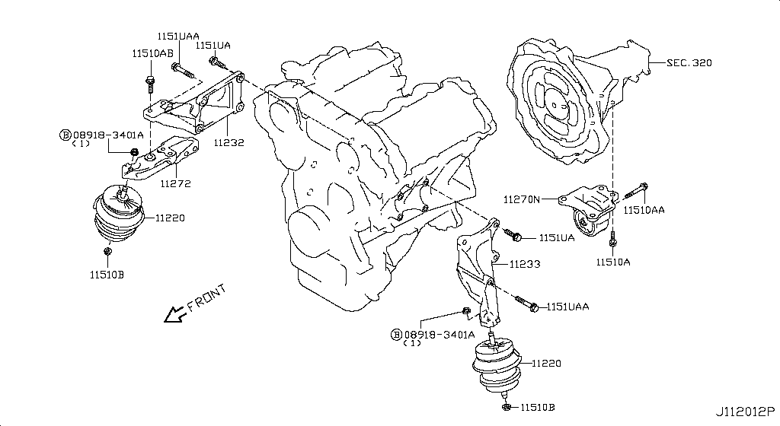
005 - Engine & Transmission Mounting | 158 matched part(s)
App. model: C.(TRACK+NISMO), VR38DETT.(TRACK+BLACK+PREMIUM+NISMO), VR38DETT • [04.2016 - 07.2016 ... 06.2014 - 11.2014]
 | OEM | Description | Applies / Details | Period | Notes | Match
 | 11298-4M411 | Bolt |  |  |  | bolt
 | 11298-AG001 | Bolt |  |  |  | bolt
 | 11298-4M406 | Bolt |  |  |  | bolt
 | 11298-2J212 | Bolt |  |  |  | bolt
 | 08158-62528 | Bolt |  |  |  | bolt
 | 08158-62533 | Bolt |  |  |  | bolt
 | 08158-6205N | Bolt |  |  |  | bolt
 | 081A8-6251A | Bolt |  |  |  | bolt
 | 081A1-0451A | Bolt |  |  |  | bolt
 | 55479-4P00A | Bolt |  |  |  | bolt
 | 54459-8J00A | Bolt |  |  |  | bolt
 | 55226-AQ50A | Bolt |  |  |  | bolt
 | 55226-JA01C | Bolt |  |  |  | bolt
 | 081B6-8901A | Bolt |  |  |  | bolt
 | 01125-00931 | Bolt |  |  |  | bolt
 | 081B6-8205M | Bolt |  |  |  | bolt
 | 01121-N6141 | Bolt |  |  |  | bolt
 | 62297-1BA0A | Bolt |  |  |  | bolt
 | 87850-8990A | Bolt | C.(TRACK+NISMO) | 04.2016 - 07.2016 |  | bolt
 | 20606-6AV0B | Bolt | VR38DETT.(TRACK+BLACK+PREMIUM+NISMO) | 07.2016 - 08.2017 |  | bolt
 | 01125-E6041 | Bolt | VR38DETT | 08.2017 - ... |  | bolt
 | 13224-AD22B | Bolt | VR38DETT | 08.2017 - ... |  | bolt
 | 11298-JF00A | Bolt | VR38DETT | 08.2017 - ... |  | bolt
 | 10004-4W00C | Bolt | VR38DETT | 08.2017 - ... |  | bolt
 | 14069-JD70A | Bolt | VR38DETT | 08.2017 - ... |  | bolt
 | 11916-JF00A | Bolt | VR38DETT | 08.2017 - ... |  | bolt
 | 11916-JF01A | Bolt | VR38DETT | 08.2017 - ... |  | bolt
 | 25628-3H00A | Bolt | C | 08.2017 - ... |  | bolt
 | 11916-JF00D | Bolt | VR38DETT | 08.2017 - ... |  | bolt
 | 31377-JF00C | Bolt | GR6 | 08.2017 - ... |  | bolt
 | 31377-JF00E | Bolt | GR6 | 08.2017 - ... |  | bolt
 | 11298-4M418 | Bolt | VR38DETT | 08.2017 - ... |  | bolt
 | 40178-EG06C | Bolt | VR38DETT | 08.2017 - ... |  | bolt
 | 55222-0M00B | Bolt | VR38DETT | 08.2017 - ... |  | bolt
 | 48935-5V10A | Bolt | VR38DETT | 08.2017 - ... |  | bolt
 | 48935-4P00A | Bolt | VR38DETT | 08.2017 - ... |  | bolt
 | 48935-JF00B | Bolt | VR38DETT | 08.2017 - ... |  | bolt
 | 49164-1AA0A | Bolt | VR38DETT | 08.2017 - ... |  | bolt
 | 49738-1BA0A | Bolt | VR38DETT | 08.2017 - ... |  | bolt
 | 49738-JF00A | Bolt | VR38DETT | 08.2017 - ... |  | bolt
 | 49738-4W00A | Bolt | VR38DETT | 08.2017 - ... |  | bolt
 | 62297-JF01B | Bolt | C | 08.2017 - ... |  | bolt
 | 62297-JF00A | Bolt | C | 08.2017 - ... |  | bolt
 | 62297-KB51A | Bolt | C | 08.2017 - ... |  | bolt
 | 62297-JF00C | Bolt | C | 08.2017 - ... |  | bolt
 | 01125-03491 | Bolt | C | 08.2017 - ... |  | bolt
 | 01125-03421 | Bolt | C | 08.2017 - ... |  | bolt
 | 673N8-JF00A | Bolt | C | 08.2017 - ... |  | bolt
 | 14069-CA01A | Bolt | C | 08.2017 - ... |  | bolt
 | 80498-CE40A | Bolt | C | 08.2017 - ... |  | bolt
 | 11298-4M417 | Bolt | C | 08.2017 - ... |  | bolt
 | 01121-07251 | Bolt | C | 08.2017 - ... |  | bolt
 | 01125-N6011 | Bolt | C | 08.2017 - ... |  | bolt
 | 98589-JN00A | Bolt | C | 08.2017 - ... |  | bolt
 | 01125-N6121 | Bolt | C | 08.2017 - ... |  | bolt
 | 20606-6AV0A | Bolt | VR38DETT.(TRACK+PREMIUM+NISMO) | 08.2017 - ... |  | bolt
 | 20606-6AV0C | Bolt | VR38DETT.(TRACK+PREMIUM+NISMO) | 08.2017 - ... |  | bolt
 | 87185-5UH0A | Bolt | C | 08.2017 - ... |  | bolt
 | 87615-4V70A | Bolt | C | 08.2017 - ... |  | bolt
 | 54459-JF01A | Bolt | VR38DETT | 08.2017 - ... |  | bolt
 | 44005-JF00A | Bolt | VR38DETT | 08.2017 - ... |  | bolt
 | 081A8-6121A | Bolt | VR38DETT | 11.2007 - 12.2009 |  | bolt
 | 54459-0M00E | Bolt | *VR38DETT.(PURE+NISMO) SpecCode: [MFLR3] TITAN MFLR | 11.2013 - 11.2014 |  | bolt
 | 081A8-6201A | Bolt | VR38DETT | 11.2013 - 11.2014 |  | bolt
 | 081A8-8251A | Bolt | VR38DETT | 11.2013 - 11.2014 |  | bolt
 | 16122-JF00A | Bolt | VR38DETT | 11.2013 - 11.2014 |  | bolt
 | 081A0-6165M | Bolt | VR38DETT | 11.2013 - 11.2014 |  | bolt
 | 08120-61228 | Bolt | VR38DETT | 11.2013 - 11.2014 |  | bolt
 | 081B0-8605M | Bolt | VR38DETT | 11.2013 - 11.2014 |  | bolt
 | 081B1-0401A | Bolt | VR38DETT | 11.2013 - 11.2014 |  | bolt
 | 081B6-8705M | Bolt | VR38DETT | 11.2013 - 11.2014 |  | bolt
 | 01454-N5041 | Bolt | C.(PURE+BLACK+PREMIUM) | 11.2013 - 11.2014 |  | bolt
 | 20606-JF60B | Bolt | *VR38DETT.(PURE+NISMO) SpecCode: [MFLR3] TITAN MFLR | 11.2013 - 11.2014 |  | bolt
 | 08158-8251F | Bolt | VR38DETT | 11.2013 - 11.2014 |  | bolt
 | 08158-8301F | Bolt | VR38DETT | 11.2013 - 11.2014 |  | bolt
 | 01225-N6011 | Bolt | *C.PURE SpecCode: [SPKRB] BOSE AUDIO | 11.2013 - 12.2013 |  | bolt
 | 16122-5Y70A | Bolt | VR38DETT.NISMO | 11.2014 - 04.2016 |  | bolt
 | 11232-JF00A | Bracket |  |  |  | bracket
 | 11233-JF00A | Bracket |  |  |  | bracket
 | 27750-JK60B | Bracket |  |  |  | bracket
 | 31069-JF05D | Bracket |  |  |  | bracket
 | 11926-JF01A | Bracket |  |  |  | bracket
 | 11940-JF00A | Bracket |  |  |  | bracket
 | 26920-KB50A | Bracket | C.(TRACK+NISMO) | 04.2016 - 07.2016 |  | bracket
 | 26920-KB51A | Bracket | C.(TRACK+NISMO) | 04.2016 - 07.2016 |  | bracket
 | 26925-KB50A | Bracket | C.(TRACK+NISMO) | 04.2016 - 07.2016 |  | bracket
 | 15238-JF00D | Bracket | VR38DETT | 08.2017 - ... |  | bracket
 | 25233-5AA0A | Bracket | C | 08.2017 - ... |  | bracket
 | 54314-JF00A | Bracket | C | 08.2017 - ... |  | bracket
 | 54315-JF00A | Bracket | C | 08.2017 - ... |  | bracket
 | 48988-JF00A | Bracket | VR38DETT | 08.2017 - ... |  | bracket
 | 48988-JF00B | Bracket | VR38DETT | 08.2017 - ... |  | bracket
 | 48988-JF00C | Bracket | VR38DETT | 08.2017 - ... |  | bracket
 | 62576-JF00A | Bracket | C | 08.2017 - ... |  | bracket
 | 62577-JF00A | Bracket | C | 08.2017 - ... |  | bracket
 | 625D2-JF00A | Bracket | C | 08.2017 - ... |  | bracket
 | 625D3-JF00A | Bracket | C | 08.2017 - ... |  | bracket
 | 84460-JF10A | Bracket | C | 08.2017 - ... |  | bracket
 | 88392-JK000 | Bracket | C | 08.2017 - ... |  | bracket
 | 74386-6HR0A | Bracket | C | 08.2017 - ... |  | bracket
 | 24239-JF00B | Bracket | C | 11.2007 - 11.2010 |  | bracket
 | 24239-JF01B | Bracket | C | 11.2007 - 11.2010 |  | bracket
 | 20731-JF00A | Bracket | *VR38DETT.(PURE+NISMO) SpecCode: [MFLR3] TITAN MFLR | 11.2013 - 11.2014 |  | bracket
 | 20722-JF00A | Bracket | *VR38DETT.(PURE+NISMO) SpecCode: [MFLR3] TITAN MFLR | 11.2013 - 11.2014 |  | bracket
 | 25237-AM600 | Bracket | C | 12.2009 - 11.2010 |  | bracket
 | 24136-AL54B | Bracket | C | 12.2009 - 11.2010 |  | bracket
 | 11272-JF00A | Brkt-Enge Mtg
 | 11270-JF00C | engine mount REAR MIDDLE X1 |  |  |  | engine, mount
 | 11220-JF00D | Insulator |  |  |  | insulator
 | 27288-AG000 | Insulator |  |  |  | insulator
 | 76884-8H502 | Insulator |  |  |  | insulator
 | 17561-JF30D | Insulator | VR38DETT | 08.2017 - ... |  | insulator
 | 27288-JK64A | Insulator | C | 08.2017 - ... |  | insulator
 | 27288-JK65A | Insulator | C | 08.2017 - ... |  | insulator
 | 46272-3S200 | Insulator | C | 08.2017 - ... |  | insulator
 | 54444-JF01A | Insulator | VR38DETT | 08.2017 - ... |  | insulator
 | 48382-JF10A | Insulator | VR38DETT | 08.2017 - ... |  | insulator
 | 49733-6L000 | Insulator | VR38DETT | 08.2017 - ... |  | insulator
 | 49733-4P015 | Insulator | VR38DETT | 08.2017 - ... |  | insulator
 | 49733-21U22 | Insulator | VR38DETT | 08.2017 - ... |  | insulator
 | 49733-01J60 | Insulator | VR38DETT | 08.2017 - ... |  | insulator
 | 72717-JF30A | Insulator | C | 08.2017 - ... |  | insulator
 | 74881-KB50C | Insulator | C | 08.2017 - ... |  | insulator
 | 74881-KJ10A | Insulator | C | 08.2017 - ... |  | insulator
 | 80864-JF00A | Insulator | C | 08.2017 - ... |  | insulator
 | 01225-00931 | Nut |  |  |  | nut
 | 01225-00901 | Nut |  |  |  | nut
 | 01221-00391 | Nut |  |  |  | nut
 | 01221-00361 | Nut | *VR38DETT.PURE SpecCode: [CLASJ] TRACK PACK A | 06.2014 - 11.2014 |  | nut
 | 14094-4P100 | Nut | VR38DETT | 08.2017 - ... |  | nut
 | 01221-00351 | Nut | C | 08.2017 - ... |  | nut
 | 01225-00521 | Nut | VR38DETT | 08.2017 - ... |  | nut
 | 01223-00241 | Nut | C | 08.2017 - ... |  | nut
 | 48514-JF00A | Nut | VR38DETT | 08.2017 - ... |  | nut
 | 01241-00113 | Nut | C | 08.2017 - ... |  | nut
 | 01217-00251 | Nut | C | 08.2017 - ... |  | nut
 | 84656-AM800 | Nut | C | 08.2017 - ... |  | nut
 | 14094-JG30A | Nut | VR38DETT | 08.2017 - ... |  | nut
 | 01225-00881 | Nut | C | 08.2017 - ... |  | nut
 | 40780-JA01B | Nut | C | 08.2017 - ... |  | nut
 | 01221-00331 | Nut | C | 08.2017 - ... |  | nut
 | 55269-AL50A | Nut | VR38DETT | 08.2017 - ... |  | nut
 | 54588-1BA2A | Nut | VR38DETT | 08.2017 - ... |  | nut
 | 54588-2Y00A | Nut | VR38DETT | 08.2017 - ... |  | nut
 | 54588-AD00A | Nut | VR38DETT | 08.2017 - ... |  | nut
 | 01225-00371 | Nut | C | 11.2007 - 11.2010 |  | nut
 | 80497-AX01A | Nut | C | 11.2007 - 11.2010 |  | nut
 | 20602-41G0A | Nut | *VR38DETT.(PURE+NISMO) SpecCode: [MFLR3] TITAN MFLR | 11.2013 - 11.2014 |  | nut
 | 01225-00062 | Nut | *VR38DETT.(PURE+NISMO) SpecCode: [MFLR3] TITAN MFLR | 11.2013 - 11.2014 |  | nut
 | 08918-6081A | Nut | C | 11.2013 - 11.2014 |  | nut
 | 08918-60610 | Nut | C | 11.2013 - 11.2014 |  | nut
 | 40262-EG010 | Nut | VR38DETT | 11.2013 - 11.2014 |  | nut
 | 08911-10637 | Nut | C | 11.2014 - 04.2016 |  | nut
 | 08918-3061A | Nut-Flange,Hex | VR38DETT | 11.2007 - 11.2010 |  | nut
 | 08918-3062A | Nut-Flange,Hex | C | 11.2007 - 11.2010 |  | nut
 | 08918-3401A | Nut-Flange,Hex | VR38DETT | 11.2013 - 11.2014 |  | nut
 | 08918-3081A | Nut-Flange,Hex | VR38DETT | 11.2013 - 11.2014 |  | nut
 | 08918-3082A | Nut-Flange,Hex | VR38DETT | 11.2013 - 11.2014 |  | nut

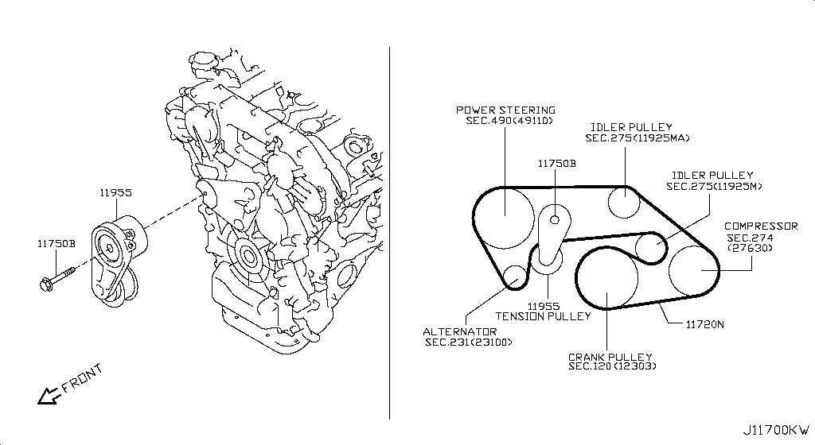
006 - Fan,Compressor & Power Steering Belt | 81 matched part(s)
App. model: VR38DETT, C.(TRACK+NISMO), VR38DETT.(TRACK+BLACK+PREMIUM+NISMO) • [08.2017 - ... ... 11.2014 - 04.2016]
 | OEM | Description | Applies / Details | Period | Notes | Match
 | 11720-JF00A | Belt-Fan | VR38DETT | 08.2017 - ... |  | belt, fan
 | 11298-4M411 | Bolt |  |  |  | bolt
 | 11298-AG001 | Bolt |  |  |  | bolt
 | 11298-4M406 | Bolt |  |  |  | bolt
 | 11298-2J212 | Bolt |  |  |  | bolt
 | 08158-62528 | Bolt |  |  |  | bolt
 | 08158-62533 | Bolt |  |  |  | bolt
 | 08158-6205N | Bolt |  |  |  | bolt
 | 081A8-6251A | Bolt |  |  |  | bolt
 | 081A1-0451A | Bolt |  |  |  | bolt
 | 55479-4P00A | Bolt |  |  |  | bolt
 | 54459-8J00A | Bolt |  |  |  | bolt
 | 55226-AQ50A | Bolt |  |  |  | bolt
 | 55226-JA01C | Bolt |  |  |  | bolt
 | 081B6-8901A | Bolt |  |  |  | bolt
 | 01125-00931 | Bolt |  |  |  | bolt
 | 081B6-8205M | Bolt |  |  |  | bolt
 | 01121-N6141 | Bolt |  |  |  | bolt
 | 62297-1BA0A | Bolt |  |  |  | bolt
 | 87850-8990A | Bolt | C.(TRACK+NISMO) | 04.2016 - 07.2016 |  | bolt
 | 20606-6AV0B | Bolt | VR38DETT.(TRACK+BLACK+PREMIUM+NISMO) | 07.2016 - 08.2017 |  | bolt
 | 11298-JF00A | Bolt | VR38DETT | 08.2017 - ... |  | bolt
 | 01125-E6041 | Bolt | VR38DETT | 08.2017 - ... |  | bolt
 | 13224-AD22B | Bolt | VR38DETT | 08.2017 - ... |  | bolt
 | 10004-4W00C | Bolt | VR38DETT | 08.2017 - ... |  | bolt
 | 14069-JD70A | Bolt | VR38DETT | 08.2017 - ... |  | bolt
 | 11916-JF00A | Bolt | VR38DETT | 08.2017 - ... |  | bolt
 | 11916-JF01A | Bolt | VR38DETT | 08.2017 - ... |  | bolt
 | 25628-3H00A | Bolt | C | 08.2017 - ... |  | bolt
 | 11916-JF00D | Bolt | VR38DETT | 08.2017 - ... |  | bolt
 | 31377-JF00C | Bolt | GR6 | 08.2017 - ... |  | bolt
 | 31377-JF00E | Bolt | GR6 | 08.2017 - ... |  | bolt
 | 11298-4M418 | Bolt | VR38DETT | 08.2017 - ... |  | bolt
 | 40178-EG06C | Bolt | VR38DETT | 08.2017 - ... |  | bolt
 | 55222-0M00B | Bolt | VR38DETT | 08.2017 - ... |  | bolt
 | 48935-5V10A | Bolt | VR38DETT | 08.2017 - ... |  | bolt
 | 48935-4P00A | Bolt | VR38DETT | 08.2017 - ... |  | bolt
 | 48935-JF00B | Bolt | VR38DETT | 08.2017 - ... |  | bolt
 | 49164-1AA0A | Bolt | VR38DETT | 08.2017 - ... |  | bolt
 | 49738-1BA0A | Bolt | VR38DETT | 08.2017 - ... |  | bolt
 | 49738-JF00A | Bolt | VR38DETT | 08.2017 - ... |  | bolt
 | 49738-4W00A | Bolt | VR38DETT | 08.2017 - ... |  | bolt
 | 62297-JF01B | Bolt | C | 08.2017 - ... |  | bolt
 | 62297-JF00A | Bolt | C | 08.2017 - ... |  | bolt
 | 62297-KB51A | Bolt | C | 08.2017 - ... |  | bolt
 | 62297-JF00C | Bolt | C | 08.2017 - ... |  | bolt
 | 01125-03491 | Bolt | C | 08.2017 - ... |  | bolt
 | 01125-03421 | Bolt | C | 08.2017 - ... |  | bolt
 | 673N8-JF00A | Bolt | C | 08.2017 - ... |  | bolt
 | 14069-CA01A | Bolt | C | 08.2017 - ... |  | bolt
 | 80498-CE40A | Bolt | C | 08.2017 - ... |  | bolt
 | 11298-4M417 | Bolt | C | 08.2017 - ... |  | bolt
 | 01121-07251 | Bolt | C | 08.2017 - ... |  | bolt
 | 01125-N6011 | Bolt | C | 08.2017 - ... |  | bolt
 | 98589-JN00A | Bolt | C | 08.2017 - ... |  | bolt
 | 01125-N6121 | Bolt | C | 08.2017 - ... |  | bolt
 | 20606-6AV0A | Bolt | VR38DETT.(TRACK+PREMIUM+NISMO) | 08.2017 - ... |  | bolt
 | 20606-6AV0C | Bolt | VR38DETT.(TRACK+PREMIUM+NISMO) | 08.2017 - ... |  | bolt
 | 87185-5UH0A | Bolt | C | 08.2017 - ... |  | bolt
 | 87615-4V70A | Bolt | C | 08.2017 - ... |  | bolt
 | 54459-JF01A | Bolt | VR38DETT | 08.2017 - ... |  | bolt
 | 44005-JF00A | Bolt | VR38DETT | 08.2017 - ... |  | bolt
 | 081A8-6121A | Bolt | VR38DETT | 11.2007 - 12.2009 |  | bolt
 | 54459-0M00E | Bolt | *VR38DETT.(PURE+NISMO) SpecCode: [MFLR3] TITAN MFLR | 11.2013 - 11.2014 |  | bolt
 | 081A8-6201A | Bolt | VR38DETT | 11.2013 - 11.2014 |  | bolt
 | 081A8-8251A | Bolt | VR38DETT | 11.2013 - 11.2014 |  | bolt
 | 16122-JF00A | Bolt | VR38DETT | 11.2013 - 11.2014 |  | bolt
 | 081A0-6165M | Bolt | VR38DETT | 11.2013 - 11.2014 |  | bolt
 | 08120-61228 | Bolt | VR38DETT | 11.2013 - 11.2014 |  | bolt
 | 081B0-8605M | Bolt | VR38DETT | 11.2013 - 11.2014 |  | bolt
 | 081B1-0401A | Bolt | VR38DETT | 11.2013 - 11.2014 |  | bolt
 | 081B6-8705M | Bolt | VR38DETT | 11.2013 - 11.2014 |  | bolt
 | 01454-N5041 | Bolt | C.(PURE+BLACK+PREMIUM) | 11.2013 - 11.2014 |  | bolt
 | 20606-JF60B | Bolt | *VR38DETT.(PURE+NISMO) SpecCode: [MFLR3] TITAN MFLR | 11.2013 - 11.2014 |  | bolt
 | 08158-8251F | Bolt | VR38DETT | 11.2013 - 11.2014 |  | bolt
 | 08158-8301F | Bolt | VR38DETT | 11.2013 - 11.2014 |  | bolt
 | 01225-N6011 | Bolt | *C.PURE SpecCode: [SPKRB] BOSE AUDIO | 11.2013 - 12.2013 |  | bolt
 | 16122-5Y70A | Bolt | VR38DETT.NISMO | 11.2014 - 04.2016 |  | bolt
 | 11955-1EA0D | Tensioner Assy | VR38DETT | 08.2017 - ...
 | 13070-JK21B | Tensioner Assy- | VR38DETT | 08.2017 - ...
 | 13070-JK21C | Tensioner Assy- | VR38DETT | 08.2017 - ...

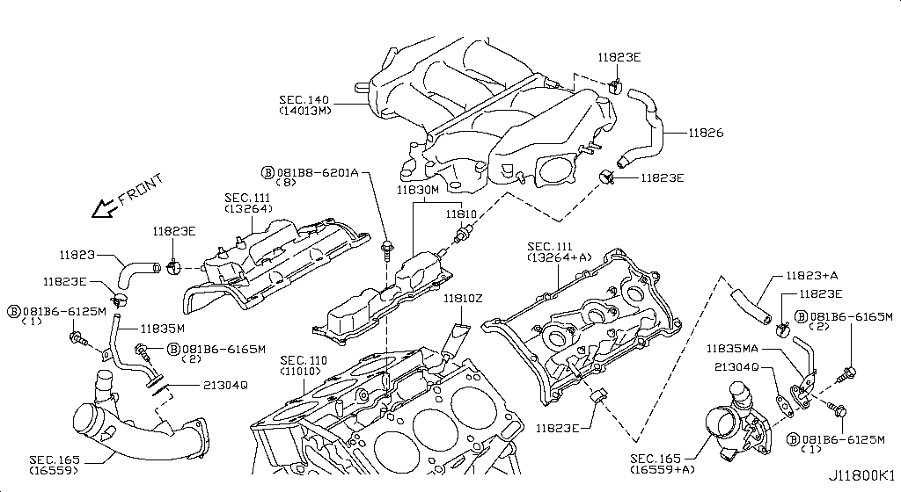
007 - Crankcase Ventilation | 75 matched part(s)
App. model: C, VR38DETT, GR6 • [08.2017 - ... ... 04.2016 - 07.2016]
 | OEM | Description | Applies / Details | Period | Notes | Match
 | 081B6-6125M | Bolt-Hex |  |  |  | bolt
 | 081B0-8251A | Bolt-Hex |  |  |  | bolt
 | 081B6-6165M | Bolt-Hex |  |  |  | bolt
 | 081B8-6201A | Bolt-Hex |  |  |  | bolt
 | 081B0-6401A | Bolt-Hex |  |  |  | bolt
 | 081B8-6122A | Bolt-Hex |  |  |  | bolt
 | 08156-6165N | Bolt-Hex |  |  |  | bolt
 | 08120-8302A | Bolt-Hex |  |  |  | bolt
 | 08146-6125G | Bolt-Hex |  |  |  | bolt
 | 08156-61228 | Bolt-Hex |  |  |  | bolt
 | 081A4-0301A | Bolt-Hex |  |  |  | bolt
 | 08147-0162G | Bolt-Hex |  |  |  | bolt
 | 08146-6352G | Bolt-Hex |  |  |  | bolt
 | 08120-8162E | Bolt-Hex |  |  |  | bolt
 | 08156-63033 | Bolt-Hex |  |  |  | bolt
 | 08146-6255H | Bolt-Hex |  |  |  | bolt
 | 01121-04761 | Bolt-Hex | C | 08.2017 - ... |  | bolt
 | 80498-40U0B | Bolt Hex | C | 08.2017 - ... |  | bolt
 | 08146-6122G | Bolt-Hex | C | 11.2007 - 11.2010 |  | bolt
 | 08120-61633 | Bolt-Hex | VR38DETT | 11.2007 - 11.2010 |  | bolt
 | 08146-8162G | Bolt-Hex | C | 11.2007 - 11.2010 |  | bolt
 | 08146-6165G | Bolt-Hex | C | 11.2007 - 11.2010 |  | bolt
 | 081B0-8401A | Bolt-Hex | VR38DETT | 11.2013 - 11.2014 |  | bolt
 | 08120-64028 | Bolt-Hex | VR38DETT | 11.2013 - 11.2014 |  | bolt
 | 081B0-6161A | Bolt-Hex | VR38DETT | 11.2013 - 11.2014 |  | bolt
 | 081B0-6255M | Bolt-Hex | VR38DETT | 11.2013 - 11.2014 |  | bolt
 | 081B0-6201A | Bolt-Hex | VR38DETT | 11.2013 - 11.2014 |  | bolt
 | 081B0-8405M | Bolt-Hex | VR38DETT | 11.2013 - 11.2014 |  | bolt
 | 081B0-8305M | Bolt-Hex | VR38DETT | 11.2013 - 11.2014 |  | bolt
 | 081A0-6121A | Bolt-Hex | VR38DETT | 11.2013 - 11.2014 |  | bolt
 | 081B0-6301A | Bolt-Hex | VR38DETT | 11.2013 - 11.2014 |  | bolt
 | 081B0-6501A | Bolt-Hex | VR38DETT | 11.2013 - 11.2014 |  | bolt
 | 08146-8202G | Bolt-Hex | VR38DETT | 11.2013 - 11.2014 |  | bolt
 | 08146-8252G | Bolt-Hex | VR38DETT | 11.2013 - 11.2014 |  | bolt
 | 08156-61633 | Bolt-Hex | VR38DETT | 11.2013 - 11.2014 |  | bolt
 | 08146-6162G | Bolt-Hex | VR38DETT | 11.2013 - 11.2014 |  | bolt
 | 08146-6205H | Bolt-Hex | VR38DETT | 11.2013 - 11.2014 |  | bolt
 | 08146-6305H | Bolt-Hex | VR38DETT | 11.2013 - 11.2014 |  | bolt
 | 08146-6202H | Bolt-Hex | C | 11.2013 - 11.2014 |  | bolt
 | 08146-6162H | Bolt-Hex | C | 11.2013 - 11.2014 |  | bolt
 | 08146-6165H | Bolt-Hex | C | 11.2013 - 11.2014 |  | bolt
 | 08156-6125M | Bolt-Hex | GR6 | 11.2013 - 11.2014 |  | bolt
 | 08146-8161G | Bolt-Hex | VR38DETT | 11.2013 - 11.2014 |  | bolt
 | 08146-6252G | Bolt-Hex | C | 11.2013 - 11.2014 |  | bolt
 | 08120-8201E | Bolt-Hex | VR38DETT | 11.2013 - 11.2014 |  | bolt
 | 08120-8501E | Bolt-Hex | VR38DETT | 11.2013 - 11.2014 |  | bolt
 | 08146-6125H | Bolt-Hex | C | 11.2013 - 11.2014 |  | bolt
 | 08146-6255G | Bolt-Hex | VR38DETT | 11.2013 - 11.2014 |  | bolt
 | 08146-6122H | Bolt-Hex | C | 11.2013 - 11.2014 |  | bolt
 | 081A7-0201A | Bolt-Hex | C | 11.2013 - 11.2014 |  | bolt
 | 08146-8122G | Bolt-Hex | C | 11.2014 - 04.2016 |  | bolt
 | 16439-42L0B | Clamp-Hose A | VR38DETT | 08.2017 - ... |  | hose, lamp
 | 16439-V500B | Clamp, hose a | VR38DETT | 08.2017 - 11.2018 |  | hose, lamp
 | KA761-33000 | Fluid-Gasket | VR38DETT.(PURE+BLACK+PREMIUM+NISMO) | 04.2016 - 07.2016 |  | gasket
 | KP710-00150 | Gasket-Fluid | VR38DETT | 08.2017 - ... |  | gasket
 | 21304-JF01A | Gskt-Oil Cooler | VR38DETT | 08.2017 - ... |  | cooler
 | 11826-JF02A | Hose-Air Inlet | VR38DETT | 08.2017 - ... |  | hose
 | 14463-JF00D | Hose, air inlet | VR38DETT | 08.2017 - ... |  | hose
 | 14463-JF00E | Hose, air inlet | VR38DETT | 08.2017 - ... |  | hose
 | 14463-JF02B | Hose, air inlet | VR38DETT | 08.2017 - ... |  | hose
 | 14463-JF02A | Hose, air inlet | VR38DETT | 08.2017 - ... |  | hose
 | 14463-JF02E | Hose-air inlet | VR38DETT | 08.2017 - ... |  | hose
 | 14463-JF00A | Hose, air inlet | VR38DETT | 08.2017 - ... |  | hose
 | 14463-JF00C | Hose, air inlet | VR38DETT | 08.2017 - ... |  | hose
 | 14463-JF01C | Hose, air inlet | VR38DETT | 08.2017 - ... |  | hose
 | 14463-JF00B | Hose, air inlet | VR38DETT | 08.2017 - ... |  | hose
 | 14463-JF01B | Hose, air inlet | VR38DETT | 08.2017 - ... |  | hose
 | 11823-JF00B | Hose-Blow By,A | VR38DETT | 08.2017 - ... |  | hose
 | 11823-JF01B | Hose-Blow By,A | VR38DETT | 08.2017 - ... |  | hose
 | 11825-JF00A | Pipe-Blow By | VR38DETT | 08.2017 - ... |  | pipe
 | 11825-JF01A | Pipe-Blow By | VR38DETT | 08.2017 - ... |  | pipe
 | 11830-JF00B | Separator Assy | VR38DETT | 08.2017 - ...
 | 14935-JF00D | Valve Control | VR38DETT.TRACK | 04.2016 - 07.2016 |  | valve
 | 11810-JF00A | Valve Control | VR38DETT | 08.2017 - ... |  | valve
 | 14930-JA10D | Valve Control | VR38DETT | 08.2017 - ... |  | valve

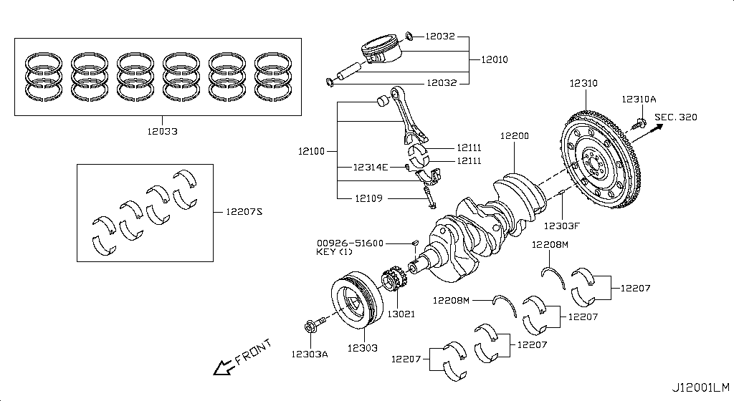
008 - Piston,Crankshaft & Flywheel | 40 matched part(s)
App. model: Applies: VR38DETT; Specification: STD GRADE 7, Applies: VR38DETT; Specification: STD GRADE 0, Applies: VR38DETT; Specification: STD GRADE 01 • [08.2017 - ... ... 11.2013 - 11.2014]
 | OEM | Description | Applies / Details | Period | Notes | Match
 | 12207-JF07A | BEARING ALL SIZES | Applies: VR38DETT; Specification: STD GRADE 7 | 08.2017 - ... |  | bearing
 | 12207-JF00A | BEARING ALL SIZES | Applies: VR38DETT; Specification: STD GRADE 0 | 08.2017 - ... |  | bearing
 | 12207-JF00B | BEARING ALL SIZES | Applies: VR38DETT; Specification: STD GRADE 01 | 08.2017 - ... |  | bearing
 | 12207-JF01A | BEARING ALL SIZES | Applies: VR38DETT; Specification: STD GRADE 1 | 08.2017 - ... |  | bearing
 | 12207-JF01B | BEARING ALL SIZES | Applies: VR38DETT; Specification: STD GRADE 12 | 08.2017 - ... |  | bearing
 | 12207-JF02A | BEARING ALL SIZES | Applies: VR38DETT; Specification: STD GRADE 2 | 08.2017 - ... |  | bearing
 | 12207-JF02B | BEARING ALL SIZES | Applies: VR38DETT; Specification: STD GRADE 23 | 08.2017 - ... |  | bearing
 | 12207-JF03A | BEARING ALL SIZES | Applies: VR38DETT; Specification: STD GRADE 3 | 08.2017 - ... |  | bearing
 | 12207-JF03B | BEARING ALL SIZES | Applies: VR38DETT; Specification: STD GRADE 34 | 08.2017 - ... |  | bearing
 | 12207-JF04A | BEARING ALL SIZES | Applies: VR38DETT; Specification: STD GRADE 4 | 08.2017 - ... |  | bearing
 | 12207-JF04B | BEARING ALL SIZES | Applies: VR38DETT; Specification: STD GRADE 45 | 08.2017 - ... |  | bearing
 | 12207-JF05A | BEARING ALL SIZES | Applies: VR38DETT; Specification: STD GRADE 5 | 08.2017 - ... |  | bearing
 | 12207-JF05B | BEARING ALL SIZES | Applies: VR38DETT; Specification: STD GRADE 56 | 08.2017 - ... |  | bearing
 | 12207-JF06A | BEARING ALL SIZES | Applies: VR38DETT; Specification: STD GRADE 6 | 08.2017 - ... |  | bearing
 | 12207-JF06B | BEARING ALL SIZES | Applies: VR38DETT; Specification: STD GRADE 67 | 08.2017 - ... |  | bearing
 | 12109-JF00A | Bolt Conn Rod | VR38DETT | 08.2017 - ... |  | bolt
 | 12315-JF70A | Bolt Fly Wheel | VR38DETT | 08.2017 - ... |  | bolt
 | A2208-JF00A | Bushing Set | VR38DETT | 08.2017 - ... |  | bushing
 | 12117-JF00A | connecting rod bush | Applies: VR38DETT; Specification: US=0.25 | 08.2017
 | 12111-JF00A | connecting rod bush | Applies: VR38DETT; Specification: STD=0 | 08.2017
 | 12111-JF01A | connecting rod bush | Applies: VR38DETT; Specification: STD=1 | 08.2017
 | 12111-JF02A | connecting rod bush | Applies: VR38DETT; Specification: STD=2 | 08.2017
 | 12111-JF03A | connecting rod bush | Applies: VR38DETT; Specification: STD=3 | 08.2017
 | 12111-JF04A | connecting rod bush | Applies: VR38DETT; Specification: STD=4 | 08.2017
 | 12201-JF00A | Crankshaft Assy | VR38DETT | 08.2017 - ... |  | shaft
 | 11022-AD200 | Dowel-Camshaft | VR38DETT | 08.2017 - ... |  | shaft
 | 12313-4W000 | Dowel-Pin | VR38DETT | 08.2017 - ...
 | 12310-JF01A | Flywheel Assy | VR38DETT | 08.2017 - ...
 | 13021-JF00A | GEAR CRANK | VR38DETT | 08.2017 - ... |  | gear
 | 00926-51600 | KEY FOR CRANK | VR38DETT | 11.2013 - 11.2014 |  | key
 | A2010-JF00A | Piston | VR38DETT | 08.2017 - ... |  | piston
 | A2010-JF01A | Piston | VR38DETT | 08.2017 - ... |  | piston
 | A2010-JF02A | Piston With Pin | VR38DETT | 08.2017 - ... |  | piston
 | 12309-JF00A | PULLEY BOLT for crankshaft | VR38DETT | 08.2017 - ... |  | bolt, shaft
 | 12303-JF00A | Pully-Crank | VR38DETT | 08.2017 - ...
 | 12033-JF00B | Ring Set Piston | VR38DETT | 08.2017 - ... |  | piston
 | 39708-CG000 | Ring-Snap
 | 12032-03J00 | Ring Snap | VR38DETT | 08.2017 - ...
 | 12100-JF00B | Rod Comp-Con | VR38DETT | 08.2017 - ...
 | 12280-JK20A | WASHER FOR BEARINGS | VR38DETT | 08.2017 - ... |  | bearing, washer

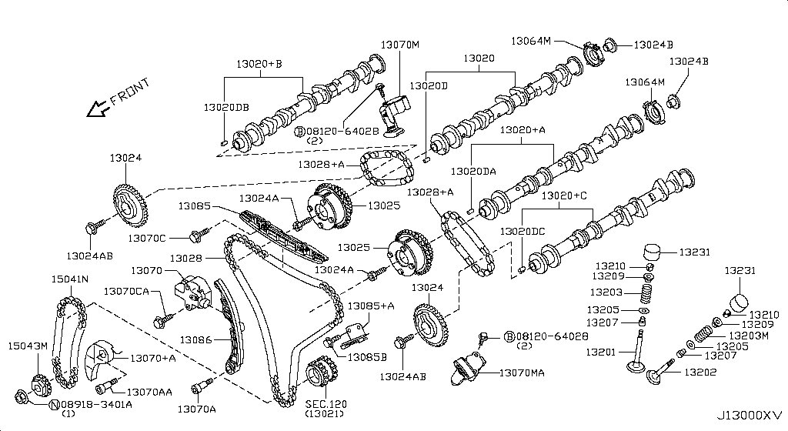
009 - Camshaft & Valve Mechanism | 212 matched part(s)
App. model: C.(TRACK+NISMO), VR38DETT.(TRACK+BLACK+PREMIUM+NISMO), VR38DETT • [04.2016 - 07.2016 ... 09.2018 - ...]
 | OEM | Description | Applies / Details | Period | Notes | Match
 | 11298-4M411 | Bolt |  |  |  | bolt
 | 11298-AG001 | Bolt |  |  |  | bolt
 | 11298-4M406 | Bolt |  |  |  | bolt
 | 11298-2J212 | Bolt |  |  |  | bolt
 | 08158-62528 | Bolt |  |  |  | bolt
 | 08158-62533 | Bolt |  |  |  | bolt
 | 08158-6205N | Bolt |  |  |  | bolt
 | 081A8-6251A | Bolt |  |  |  | bolt
 | 081A1-0451A | Bolt |  |  |  | bolt
 | 55479-4P00A | Bolt |  |  |  | bolt
 | 54459-8J00A | Bolt |  |  |  | bolt
 | 55226-AQ50A | Bolt |  |  |  | bolt
 | 55226-JA01C | Bolt |  |  |  | bolt
 | 081B6-8901A | Bolt |  |  |  | bolt
 | 01125-00931 | Bolt |  |  |  | bolt
 | 081B6-8205M | Bolt |  |  |  | bolt
 | 01121-N6141 | Bolt |  |  |  | bolt
 | 62297-1BA0A | Bolt |  |  |  | bolt
 | 87850-8990A | Bolt | C.(TRACK+NISMO) | 04.2016 - 07.2016 |  | bolt
 | 20606-6AV0B | Bolt | VR38DETT.(TRACK+BLACK+PREMIUM+NISMO) | 07.2016 - 08.2017 |  | bolt
 | 10004-4W00C | Bolt | VR38DETT | 08.2017 - ... |  | bolt
 | 01125-E6041 | Bolt | VR38DETT | 08.2017 - ... |  | bolt
 | 13224-AD22B | Bolt | VR38DETT | 08.2017 - ... |  | bolt
 | 11298-JF00A | Bolt | VR38DETT | 08.2017 - ... |  | bolt
 | 14069-JD70A | Bolt | VR38DETT | 08.2017 - ... |  | bolt
 | 11916-JF00A | Bolt | VR38DETT | 08.2017 - ... |  | bolt
 | 11916-JF01A | Bolt | VR38DETT | 08.2017 - ... |  | bolt
 | 25628-3H00A | Bolt | C | 08.2017 - ... |  | bolt
 | 11916-JF00D | Bolt | VR38DETT | 08.2017 - ... |  | bolt
 | 31377-JF00C | Bolt | GR6 | 08.2017 - ... |  | bolt
 | 31377-JF00E | Bolt | GR6 | 08.2017 - ... |  | bolt
 | 11298-4M418 | Bolt | VR38DETT | 08.2017 - ... |  | bolt
 | 40178-EG06C | Bolt | VR38DETT | 08.2017 - ... |  | bolt
 | 55222-0M00B | Bolt | VR38DETT | 08.2017 - ... |  | bolt
 | 48935-5V10A | Bolt | VR38DETT | 08.2017 - ... |  | bolt
 | 48935-4P00A | Bolt | VR38DETT | 08.2017 - ... |  | bolt
 | 48935-JF00B | Bolt | VR38DETT | 08.2017 - ... |  | bolt
 | 49164-1AA0A | Bolt | VR38DETT | 08.2017 - ... |  | bolt
 | 49738-1BA0A | Bolt | VR38DETT | 08.2017 - ... |  | bolt
 | 49738-JF00A | Bolt | VR38DETT | 08.2017 - ... |  | bolt
 | 49738-4W00A | Bolt | VR38DETT | 08.2017 - ... |  | bolt
 | 62297-JF01B | Bolt | C | 08.2017 - ... |  | bolt
 | 62297-JF00A | Bolt | C | 08.2017 - ... |  | bolt
 | 62297-KB51A | Bolt | C | 08.2017 - ... |  | bolt
 | 62297-JF00C | Bolt | C | 08.2017 - ... |  | bolt
 | 01125-03491 | Bolt | C | 08.2017 - ... |  | bolt
 | 01125-03421 | Bolt | C | 08.2017 - ... |  | bolt
 | 673N8-JF00A | Bolt | C | 08.2017 - ... |  | bolt
 | 14069-CA01A | Bolt | C | 08.2017 - ... |  | bolt
 | 80498-CE40A | Bolt | C | 08.2017 - ... |  | bolt
 | 11298-4M417 | Bolt | C | 08.2017 - ... |  | bolt
 | 01121-07251 | Bolt | C | 08.2017 - ... |  | bolt
 | 01125-N6011 | Bolt | C | 08.2017 - ... |  | bolt
 | 98589-JN00A | Bolt | C | 08.2017 - ... |  | bolt
 | 01125-N6121 | Bolt | C | 08.2017 - ... |  | bolt
 | 20606-6AV0A | Bolt | VR38DETT.(TRACK+PREMIUM+NISMO) | 08.2017 - ... |  | bolt
 | 20606-6AV0C | Bolt | VR38DETT.(TRACK+PREMIUM+NISMO) | 08.2017 - ... |  | bolt
 | 87185-5UH0A | Bolt | C | 08.2017 - ... |  | bolt
 | 87615-4V70A | Bolt | C | 08.2017 - ... |  | bolt
 | 54459-JF01A | Bolt | VR38DETT | 08.2017 - ... |  | bolt
 | 44005-JF00A | Bolt | VR38DETT | 08.2017 - ... |  | bolt
 | 081A8-6121A | Bolt | VR38DETT | 11.2007 - 12.2009 |  | bolt
 | 54459-0M00E | Bolt | *VR38DETT.(PURE+NISMO) SpecCode: [MFLR3] TITAN MFLR | 11.2013 - 11.2014 |  | bolt
 | 081A8-6201A | Bolt | VR38DETT | 11.2013 - 11.2014 |  | bolt
 | 081A8-8251A | Bolt | VR38DETT | 11.2013 - 11.2014 |  | bolt
 | 16122-JF00A | Bolt | VR38DETT | 11.2013 - 11.2014 |  | bolt
 | 081A0-6165M | Bolt | VR38DETT | 11.2013 - 11.2014 |  | bolt
 | 08120-61228 | Bolt | VR38DETT | 11.2013 - 11.2014 |  | bolt
 | 081B0-8605M | Bolt | VR38DETT | 11.2013 - 11.2014 |  | bolt
 | 081B1-0401A | Bolt | VR38DETT | 11.2013 - 11.2014 |  | bolt
 | 081B6-8705M | Bolt | VR38DETT | 11.2013 - 11.2014 |  | bolt
 | 01454-N5041 | Bolt | C.(PURE+BLACK+PREMIUM) | 11.2013 - 11.2014 |  | bolt
 | 20606-JF60B | Bolt | *VR38DETT.(PURE+NISMO) SpecCode: [MFLR3] TITAN MFLR | 11.2013 - 11.2014 |  | bolt
 | 08158-8251F | Bolt | VR38DETT | 11.2013 - 11.2014 |  | bolt
 | 08158-8301F | Bolt | VR38DETT | 11.2013 - 11.2014 |  | bolt
 | 01225-N6011 | Bolt | *C.PURE SpecCode: [SPKRB] BOSE AUDIO | 11.2013 - 12.2013 |  | bolt
 | 16122-5Y70A | Bolt | VR38DETT.NISMO | 11.2014 - 04.2016 |  | bolt
 | 13012-JF00A | Bolt Cam Gear | VR38DETT | 08.2017 - ... |  | bolt, gear
 | 13012-6N210 | Bolt Cam Gear | VR38DETT | 08.2017 - ... |  | bolt, gear
 | 081B0-8251A | Bolt-Hex |  |  |  | bolt
 | 081B6-6125M | Bolt-Hex |  |  |  | bolt
 | 081B6-6165M | Bolt-Hex |  |  |  | bolt
 | 081B8-6201A | Bolt-Hex |  |  |  | bolt
 | 081B0-6401A | Bolt-Hex |  |  |  | bolt
 | 081B8-6122A | Bolt-Hex |  |  |  | bolt
 | 08156-6165N | Bolt-Hex |  |  |  | bolt
 | 08120-8302A | Bolt-Hex |  |  |  | bolt
 | 08146-6125G | Bolt-Hex |  |  |  | bolt
 | 08156-61228 | Bolt-Hex |  |  |  | bolt
 | 081A4-0301A | Bolt-Hex |  |  |  | bolt
 | 08147-0162G | Bolt-Hex |  |  |  | bolt
 | 08146-6352G | Bolt-Hex |  |  |  | bolt
 | 08120-8162E | Bolt-Hex |  |  |  | bolt
 | 08156-63033 | Bolt-Hex |  |  |  | bolt
 | 08146-6255H | Bolt-Hex |  |  |  | bolt
 | 01121-04761 | Bolt-Hex | C | 08.2017 - ... |  | bolt
 | 80498-40U0B | Bolt Hex | C | 08.2017 - ... |  | bolt
 | 08146-6122G | Bolt-Hex | C | 11.2007 - 11.2010 |  | bolt
 | 08120-61633 | Bolt-Hex | VR38DETT | 11.2007 - 11.2010 |  | bolt
 | 08146-8162G | Bolt-Hex | C | 11.2007 - 11.2010 |  | bolt
 | 08146-6165G | Bolt-Hex | C | 11.2007 - 11.2010 |  | bolt
 | 08120-64028 | Bolt-Hex | VR38DETT | 11.2013 - 11.2014 |  | bolt
 | 081B0-8401A | Bolt-Hex | VR38DETT | 11.2013 - 11.2014 |  | bolt
 | 081B0-6161A | Bolt-Hex | VR38DETT | 11.2013 - 11.2014 |  | bolt
 | 081B0-6255M | Bolt-Hex | VR38DETT | 11.2013 - 11.2014 |  | bolt
 | 081B0-6201A | Bolt-Hex | VR38DETT | 11.2013 - 11.2014 |  | bolt
 | 081B0-8405M | Bolt-Hex | VR38DETT | 11.2013 - 11.2014 |  | bolt
 | 081B0-8305M | Bolt-Hex | VR38DETT | 11.2013 - 11.2014 |  | bolt
 | 081A0-6121A | Bolt-Hex | VR38DETT | 11.2013 - 11.2014 |  | bolt
 | 081B0-6301A | Bolt-Hex | VR38DETT | 11.2013 - 11.2014 |  | bolt
 | 081B0-6501A | Bolt-Hex | VR38DETT | 11.2013 - 11.2014 |  | bolt
 | 08146-8202G | Bolt-Hex | VR38DETT | 11.2013 - 11.2014 |  | bolt
 | 08146-8252G | Bolt-Hex | VR38DETT | 11.2013 - 11.2014 |  | bolt
 | 08156-61633 | Bolt-Hex | VR38DETT | 11.2013 - 11.2014 |  | bolt
 | 08146-6162G | Bolt-Hex | VR38DETT | 11.2013 - 11.2014 |  | bolt
 | 08146-6205H | Bolt-Hex | VR38DETT | 11.2013 - 11.2014 |  | bolt
 | 08146-6305H | Bolt-Hex | VR38DETT | 11.2013 - 11.2014 |  | bolt
 | 08146-6202H | Bolt-Hex | C | 11.2013 - 11.2014 |  | bolt
 | 08146-6162H | Bolt-Hex | C | 11.2013 - 11.2014 |  | bolt
 | 08146-6165H | Bolt-Hex | C | 11.2013 - 11.2014 |  | bolt
 | 08156-6125M | Bolt-Hex | GR6 | 11.2013 - 11.2014 |  | bolt
 | 08146-8161G | Bolt-Hex | VR38DETT | 11.2013 - 11.2014 |  | bolt
 | 08146-6252G | Bolt-Hex | C | 11.2013 - 11.2014 |  | bolt
 | 08120-8201E | Bolt-Hex | VR38DETT | 11.2013 - 11.2014 |  | bolt
 | 08120-8501E | Bolt-Hex | VR38DETT | 11.2013 - 11.2014 |  | bolt
 | 08146-6125H | Bolt-Hex | C | 11.2013 - 11.2014 |  | bolt
 | 08146-6255G | Bolt-Hex | VR38DETT | 11.2013 - 11.2014 |  | bolt
 | 08146-6122H | Bolt-Hex | C | 11.2013 - 11.2014 |  | bolt
 | 081A7-0201A | Bolt-Hex | C | 11.2013 - 11.2014 |  | bolt
 | 08146-8122G | Bolt-Hex | C | 11.2014 - 04.2016 |  | bolt
 | 13012-EN20A | Bolt-Sprocket,C | VR38DETT | 08.2017 - ... |  | bolt
 | 13094-31U00 | Bolt-Tensioner | VR38DETT | 08.2017 - ... |  | bolt
 | 13075-4W00A | Bolt-Tentioner | VR38DETT | 08.2017 - ... |  | bolt
 | 13075-4W01A | Bolt-Tentioner | VR38DETT | 08.2017 - ... |  | bolt
 | 13020-JF00A | Camshaft Assy | VR38DETT | 08.2017 - ... |  | shaft
 | 13020-JF00B | Camshaft Assy | VR38DETT | 08.2017 - ... |  | shaft
 | 13020-JF00C | Camshaft Assy | VR38DETT | 08.2017 - ... |  | shaft
 | 13020-JF00D | Camshaft Assy | VR38DETT | 08.2017 - ... |  | shaft
 | 15041-JF00A | Chain-Balbancer | VR38DETT | 08.2017 - ... |  | chain
 | 13028-JF00A | Chain Cam Shaft | VR38DETT | 08.2017 - ... |  | chain, shaft
 | 13028-JK20B | Chain Cam Shaft | VR38DETT | 08.2017 - ... |  | chain, shaft
 | 13210-53Y00 | Collet-Valve | VR38DETT | 08.2017 - ... |  | valve
 | 13040-JF02B | Cover assembly-cam sprocket,vtc | VR38DETT.NISMO | 06.2014 - 11.2014 |  | cover
 | 13040-JF06A | Cover assembly-cam sprocket,vtc | VR38DETT | 08.2017 - ... |  | cover
 | 13040-JF05B | Cover assembly-cam sprocket,vtc | VR38DETT | 08.2017 - ... |  | cover
 | 13040-JF03A | Cover assembly-cam sprocket,vtc | VR38DETT | 11.2013 - 11.2014 |  | cover
 | 13040-JF05A | Cover assembly-cam sprocket,vtc | VR38DETT | 11.2014 - 08.2015 |  | cover
 | 13040-JF04B | Cover assembly-cam sprocket,vtc | VR38DETT | 11.2014 - 08.2015 |  | cover
 | 12313-53F00 | Dowel Cam Gear | VR38DETT | 08.2017 - ... |  | gear
 | 23797-9N00B | Gasket-solenoid | VR38DETT.NISMO | 06.2014 - 11.2014 |  | gasket
 | 23797-JF00A | Gasket, solenoid | VR38DETT | 08.2017 - ... |  | gasket
 | 13024-AL50A | Gear Camshaft | VR38DETT | 08.2017 - ... |  | gear, shaft
 | 13085-JF00A | Guide Chain | VR38DETT | 08.2017 - ... |  | chain
 | 13085-EY00A | Guide Chain | VR38DETT | 08.2017 - ... |  | chain
 | 13091-JK20A | Guide-Chain Sla | VR38DETT | 08.2017 - ... |  | chain
 | 13231-EY05B | Lifter-Valve | VR38DETT | 08.2017 - ... |  | valve
 | 13231-EY00A | Lifter, valve | VR38DETT | 08.2017 - ... |  | valve
 | 13231-EY00B | Lifter, valve | VR38DETT | 08.2017 - ... |  | valve
 | 13231-EY00C | Lifter, valve | VR38DETT | 08.2017 - ... |  | valve
 | 13231-EY00D | Lifter, valve | VR38DETT | 08.2017 - ... |  | valve
 | 13231-EY00E | Lifter, valve | VR38DETT | 08.2017 - ... |  | valve
 | 13231-EY01A | Lifter, valve | VR38DETT | 08.2017 - ... |  | valve
 | 13231-EY01B | Lifter, valve | VR38DETT | 08.2017 - ... |  | valve
 | 13231-EY01C | Lifter, valve | VR38DETT | 08.2017 - ... |  | valve
 | 13231-EY01D | Lifter, valve | VR38DETT | 08.2017 - ... |  | valve
 | 13231-EY01E | Lifter, valve | VR38DETT | 08.2017 - ... |  | valve
 | 13231-EY02A | Lifter, valve | VR38DETT | 08.2017 - ... |  | valve
 | 13231-EY02B | Lifter, valve | VR38DETT | 08.2017 - ... |  | valve
 | 13231-EY02C | Lifter, valve | VR38DETT | 08.2017 - ... |  | valve
 | 13231-EY02D | Lifter, valve | VR38DETT | 08.2017 - ... |  | valve
 | 13231-EY02E | Lifter, valve | VR38DETT | 08.2017 - ... |  | valve
 | 13231-EY03A | Lifter, valve | VR38DETT | 08.2017 - ... |  | valve
 | 13231-EY03B | Lifter, valve | VR38DETT | 08.2017 - ... |  | valve
 | 13231-EY03C | Lifter, valve | VR38DETT | 08.2017 - ... |  | valve
 | 13231-EY03D | Lifter, valve | VR38DETT | 08.2017 - ... |  | valve
 | 13231-EY03E | Lifter, valve | VR38DETT | 08.2017 - ... |  | valve
 | 13231-EY04A | Lifter, valve | VR38DETT | 08.2017 - ... |  | valve
 | 13231-EY04B | Lifter, valve | VR38DETT | 08.2017 - ... |  | valve
 | 13231-EY04C | Lifter, valve | VR38DETT | 08.2017 - ... |  | valve
 | 13231-EY04D | Lifter, valve | VR38DETT | 08.2017 - ... |  | valve
 | 13231-EY04E | Lifter, valve | VR38DETT | 08.2017 - ... |  | valve
 | 13231-EY05A | Lifter, valve | VR38DETT | 08.2017 - ... |  | valve
 | 08918-3061A | Nut-Flange,Hex | VR38DETT | 11.2007 - 11.2010 |  | nut
 | 08918-3062A | Nut-Flange,Hex | C | 11.2007 - 11.2010 |  | nut
 | 08918-3401A | Nut-Flange,Hex | VR38DETT | 11.2013 - 11.2014 |  | nut
 | 08918-3081A | Nut-Flange,Hex | VR38DETT | 11.2013 - 11.2014 |  | nut
 | 08918-3082A | Nut-Flange,Hex | VR38DETT | 11.2013 - 11.2014 |  | nut
 | 13064-JA11A | Plate-Signal,Ca | VR38DETT | 08.2017 - ...
 | 13064-JA10A | Plate, signal camshaft | VR38DETT | 11.2013 - 11.2014 |  | shaft
 | 13209-AC700 | Retainer-Valve | VR38DETT | 08.2017 - ... |  | valve
 | 13042-3HD0A | Seal-oil,camshaft | VR38DETT | 08.2017 - ... |  | seal, shaft
 | 13207-D4201 | Seal-Valve Stem | VR38DETT | 08.2017 - ... |  | seal, valve
 | 13205-53Y00 | Seat Valve Spr | VR38DETT | 08.2017 - ... |  | seat, valve
 | 23796-JK22B | Solenoid valve assembly-valve timing control | VR38DETT | 11.2014 - 08.2015 |  | valve
 | 23796-ZE01C | Solenoid valve assembly-valve timing control | VR38DETT | 11.2014 - 08.2015 |  | valve
 | 23796-JK24B | SOLENOID VALVE ASSY-VALVE TIMING CONTROL | Applies: VR38DETT; Specification: RH | 04.2016 - 08.2017 |  | valve
 | 23796-AU00D | SOLENOID VALVE ASSY-VALVE TIMING CONTROL | VR38DETT | 08.2017 - ... |  | valve
 | 13203-JF00A | Spring Valve | VR38DETT | 08.2017 - ... |  | spring, valve
 | 13203-JF00C | Spring-Valve | VR38DETT | 08.2017 - ... |  | spring, valve
 | 13025-JK21A | Sprocket-Camsha | VR38DETT | 08.2017 - ...
 | 15043-JF00A | Sprocket-Oil Pu | VR38DETT | 08.2017 - ...
 | 13070-EY00A | Tension Chain | VR38DETT | 08.2017 - ... |  | chain
 | 13070-JF00A | Tension Chain | VR38DETT | 08.2017 - ... |  | chain
 | 13070-JK21B | Tensioner Assy- | VR38DETT | 08.2017 - ...
 | 11955-1EA0D | Tensioner Assy | VR38DETT | 08.2017 - ...
 | 13070-JK21C | Tensioner Assy- | VR38DETT | 08.2017 - ...
 | 23796-JK20B | V.t.c solenoid | VR38DETT | 11.2013 - 11.2014
 | 23796-ZE00C | V.t.c solenoid | VR38DETT | 11.2013 - 11.2014
 | 13202-JF00C | Valve-exhaust | VR38DETT | 08.2017 - 09.2018 |  | valve
 | 13202-JF00D | Valve-Exhaust | VR38DETT | 09.2018 - ... |  | valve
 | 13202-JF00B | Valve-exhaust | VR38DETT | 11.2013 - 11.2014 |  | valve
 | 13201-JF00A | Valve-Intake | VR38DETT | 08.2017 - ... |  | valve

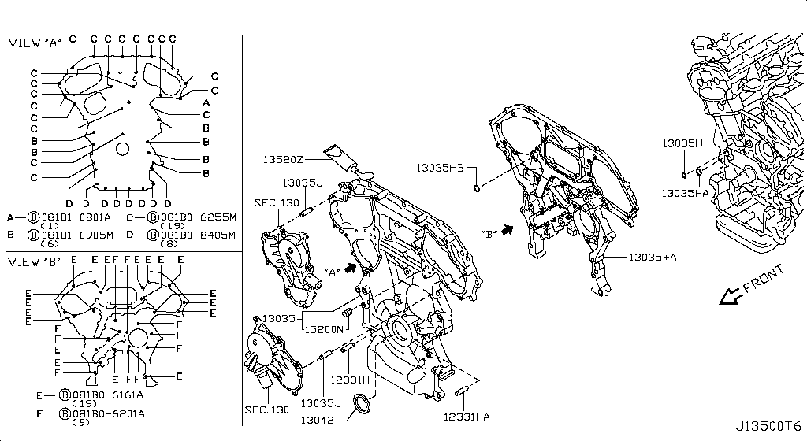
010 - Front Cover,Vacuum Pump & Fitting | 78 matched part(s)
App. model: VR38DETT, C.(PURE+BLACK+PREMIUM), C • [11.2013 - 11.2014 ... 04.2016 - 07.2016]
 | OEM | Description | Applies / Details | Period | Notes | Match
 | 081A0-8201A | Bolt-Flange |  |  |  | bolt
 | 081A6-8121A | Bolt-Flange |  |  |  | bolt
 | 081B1-0801A | Bolt-Flange | VR38DETT | 11.2013 - 11.2014 |  | bolt
 | 081B1-0905M | Bolt-Flange | VR38DETT | 11.2013 - 11.2014 |  | bolt
 | 081A6-8161A | Bolt-Flange | VR38DETT | 11.2013 - 11.2014 |  | bolt
 | 081A6-8902A | Bolt-Flange | C.(PURE+BLACK+PREMIUM) | 11.2013 - 11.2014 |  | bolt
 | 081A6-8162A | Bolt-Flange | C | 11.2013 - 11.2014 |  | bolt
 | 081B0-8251A | Bolt-Hex |  |  |  | bolt
 | 081B6-6125M | Bolt-Hex |  |  |  | bolt
 | 081B6-6165M | Bolt-Hex |  |  |  | bolt
 | 081B8-6201A | Bolt-Hex |  |  |  | bolt
 | 081B0-6401A | Bolt-Hex |  |  |  | bolt
 | 081B8-6122A | Bolt-Hex |  |  |  | bolt
 | 08156-6165N | Bolt-Hex |  |  |  | bolt
 | 08120-8302A | Bolt-Hex |  |  |  | bolt
 | 08146-6125G | Bolt-Hex |  |  |  | bolt
 | 08156-61228 | Bolt-Hex |  |  |  | bolt
 | 081A4-0301A | Bolt-Hex |  |  |  | bolt
 | 08147-0162G | Bolt-Hex |  |  |  | bolt
 | 08146-6352G | Bolt-Hex |  |  |  | bolt
 | 08120-8162E | Bolt-Hex |  |  |  | bolt
 | 08156-63033 | Bolt-Hex |  |  |  | bolt
 | 08146-6255H | Bolt-Hex |  |  |  | bolt
 | 01121-04761 | Bolt-Hex | C | 08.2017 - ... |  | bolt
 | 80498-40U0B | Bolt Hex | C | 08.2017 - ... |  | bolt
 | 08146-6122G | Bolt-Hex | C | 11.2007 - 11.2010 |  | bolt
 | 08120-61633 | Bolt-Hex | VR38DETT | 11.2007 - 11.2010 |  | bolt
 | 08146-8162G | Bolt-Hex | C | 11.2007 - 11.2010 |  | bolt
 | 08146-6165G | Bolt-Hex | C | 11.2007 - 11.2010 |  | bolt
 | 081B0-6161A | Bolt-Hex | VR38DETT | 11.2013 - 11.2014 |  | bolt
 | 081B0-8401A | Bolt-Hex | VR38DETT | 11.2013 - 11.2014 |  | bolt
 | 08120-64028 | Bolt-Hex | VR38DETT | 11.2013 - 11.2014 |  | bolt
 | 081B0-6255M | Bolt-Hex | VR38DETT | 11.2013 - 11.2014 |  | bolt
 | 081B0-6201A | Bolt-Hex | VR38DETT | 11.2013 - 11.2014 |  | bolt
 | 081B0-8405M | Bolt-Hex | VR38DETT | 11.2013 - 11.2014 |  | bolt
 | 081B0-8305M | Bolt-Hex | VR38DETT | 11.2013 - 11.2014 |  | bolt
 | 081A0-6121A | Bolt-Hex | VR38DETT | 11.2013 - 11.2014 |  | bolt
 | 081B0-6301A | Bolt-Hex | VR38DETT | 11.2013 - 11.2014 |  | bolt
 | 081B0-6501A | Bolt-Hex | VR38DETT | 11.2013 - 11.2014 |  | bolt
 | 08146-8202G | Bolt-Hex | VR38DETT | 11.2013 - 11.2014 |  | bolt
 | 08146-8252G | Bolt-Hex | VR38DETT | 11.2013 - 11.2014 |  | bolt
 | 08156-61633 | Bolt-Hex | VR38DETT | 11.2013 - 11.2014 |  | bolt
 | 08146-6162G | Bolt-Hex | VR38DETT | 11.2013 - 11.2014 |  | bolt
 | 08146-6205H | Bolt-Hex | VR38DETT | 11.2013 - 11.2014 |  | bolt
 | 08146-6305H | Bolt-Hex | VR38DETT | 11.2013 - 11.2014 |  | bolt
 | 08146-6202H | Bolt-Hex | C | 11.2013 - 11.2014 |  | bolt
 | 08146-6162H | Bolt-Hex | C | 11.2013 - 11.2014 |  | bolt
 | 08146-6165H | Bolt-Hex | C | 11.2013 - 11.2014 |  | bolt
 | 08156-6125M | Bolt-Hex | GR6 | 11.2013 - 11.2014 |  | bolt
 | 08146-8161G | Bolt-Hex | VR38DETT | 11.2013 - 11.2014 |  | bolt
 | 08146-6252G | Bolt-Hex | C | 11.2013 - 11.2014 |  | bolt
 | 08120-8201E | Bolt-Hex | VR38DETT | 11.2013 - 11.2014 |  | bolt
 | 08120-8501E | Bolt-Hex | VR38DETT | 11.2013 - 11.2014 |  | bolt
 | 08146-6125H | Bolt-Hex | C | 11.2013 - 11.2014 |  | bolt
 | 08146-6255G | Bolt-Hex | VR38DETT | 11.2013 - 11.2014 |  | bolt
 | 08146-6122H | Bolt-Hex | C | 11.2013 - 11.2014 |  | bolt
 | 081A7-0201A | Bolt-Hex | C | 11.2013 - 11.2014 |  | bolt
 | 08146-8122G | Bolt-Hex | C | 11.2014 - 04.2016 |  | bolt
 | 13500-JF01C | Cover Assy-Fron | VR38DETT | 10.2014 - 11.2014 |  | cover
 | 13500-80B0A | COVER ASSY-FRONT,TIMING CHAIN | VR38DETT | 08.2017 - ... | FRONT COVER ATTACH VVTI | chain, cover
 | 13500-JF00C | Cover assy-front,timing chain | VR38DETT | 11.2013 - 10.2014 |  | chain, cover
 | 11046-73402 | Dowel | VR38DETT | 08.2017 - ...
 | 11022-77A00 | Dowel | VR38DETT | 08.2017 - ...
 | 15200-AR000 | Filter Assy Oil | VR38DETT | 08.2017 - ...
 | 15208-31U0B | Filter Assy-Oil | VR38DETT | 08.2017 - ...
 | KA761-33000 | Fluid-Gasket | VR38DETT.(PURE+BLACK+PREMIUM+NISMO) | 04.2016 - 07.2016 |  | gasket
 | 13500-JF01A | FRONT COVER SECOND PART ON CAM | VR38DETT | 08.2017 - ... |  | cover
 | 13510-31U10 | FRONT CRANK SEAL | VR38DETT | 08.2017 - ... |  | seal
 | 11022-JF00A | Pin | VR38DETT | 08.2017 - ...
 | 11022-31U03 | Pin | VR38DETT | 08.2017 - ...
 | 41217-JF20A | Pin | VR38DETT | 08.2017 - ...
 | 15066-31U02 | Ring-O | VR38DETT | 08.2017 - ...
 | 15066-31U03 | Ring-O | VR38DETT | 08.2017 - ...
 | 15066-JA10A | Ring-O | VR38DETT | 08.2017 - ...
 | 21049-JK20A | Ring O | VR38DETT | 08.2017 - ...
 | 21049-JK20B | Ring O | VR38DETT | 08.2017 - ...
 | 21304-JF00A | Ring O | VR38DETT | 08.2017 - ...
 | 15066-JF00A | Ring-O | VR38DETT | 08.2017 - ...

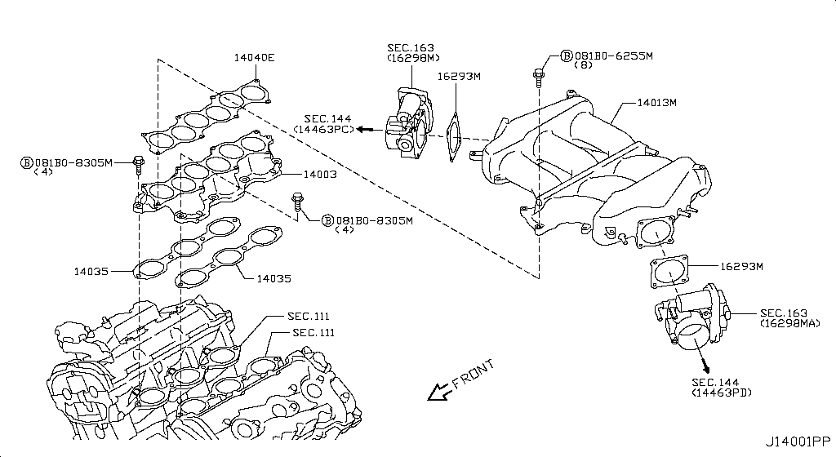
011 - Manifold | 194 matched part(s)
App. model: C.(TRACK+NISMO), VR38DETT.(TRACK+BLACK+PREMIUM+NISMO), VR38DETT • [04.2016 - 07.2016 ... 11.2010 - 11.2011]
 | OEM | Description | Applies / Details | Period | Notes | Match
 | 11298-4M411 | Bolt |  |  |  | bolt
 | 11298-AG001 | Bolt |  |  |  | bolt
 | 11298-4M406 | Bolt |  |  |  | bolt
 | 11298-2J212 | Bolt |  |  |  | bolt
 | 08158-62528 | Bolt |  |  |  | bolt
 | 08158-62533 | Bolt |  |  |  | bolt
 | 08158-6205N | Bolt |  |  |  | bolt
 | 081A8-6251A | Bolt |  |  |  | bolt
 | 081A1-0451A | Bolt |  |  |  | bolt
 | 55479-4P00A | Bolt |  |  |  | bolt
 | 54459-8J00A | Bolt |  |  |  | bolt
 | 55226-AQ50A | Bolt |  |  |  | bolt
 | 55226-JA01C | Bolt |  |  |  | bolt
 | 081B6-8901A | Bolt |  |  |  | bolt
 | 01125-00931 | Bolt |  |  |  | bolt
 | 081B6-8205M | Bolt |  |  |  | bolt
 | 01121-N6141 | Bolt |  |  |  | bolt
 | 62297-1BA0A | Bolt |  |  |  | bolt
 | 87850-8990A | Bolt | C.(TRACK+NISMO) | 04.2016 - 07.2016 |  | bolt
 | 20606-6AV0B | Bolt | VR38DETT.(TRACK+BLACK+PREMIUM+NISMO) | 07.2016 - 08.2017 |  | bolt
 | 01125-E6041 | Bolt | VR38DETT | 08.2017 - ... |  | bolt
 | 13224-AD22B | Bolt | VR38DETT | 08.2017 - ... |  | bolt
 | 11298-JF00A | Bolt | VR38DETT | 08.2017 - ... |  | bolt
 | 10004-4W00C | Bolt | VR38DETT | 08.2017 - ... |  | bolt
 | 14069-JD70A | Bolt | VR38DETT | 08.2017 - ... |  | bolt
 | 11916-JF00A | Bolt | VR38DETT | 08.2017 - ... |  | bolt
 | 11916-JF01A | Bolt | VR38DETT | 08.2017 - ... |  | bolt
 | 25628-3H00A | Bolt | C | 08.2017 - ... |  | bolt
 | 11916-JF00D | Bolt | VR38DETT | 08.2017 - ... |  | bolt
 | 31377-JF00C | Bolt | GR6 | 08.2017 - ... |  | bolt
 | 31377-JF00E | Bolt | GR6 | 08.2017 - ... |  | bolt
 | 11298-4M418 | Bolt | VR38DETT | 08.2017 - ... |  | bolt
 | 40178-EG06C | Bolt | VR38DETT | 08.2017 - ... |  | bolt
 | 55222-0M00B | Bolt | VR38DETT | 08.2017 - ... |  | bolt
 | 48935-5V10A | Bolt | VR38DETT | 08.2017 - ... |  | bolt
 | 48935-4P00A | Bolt | VR38DETT | 08.2017 - ... |  | bolt
 | 48935-JF00B | Bolt | VR38DETT | 08.2017 - ... |  | bolt
 | 49164-1AA0A | Bolt | VR38DETT | 08.2017 - ... |  | bolt
 | 49738-1BA0A | Bolt | VR38DETT | 08.2017 - ... |  | bolt
 | 49738-JF00A | Bolt | VR38DETT | 08.2017 - ... |  | bolt
 | 49738-4W00A | Bolt | VR38DETT | 08.2017 - ... |  | bolt
 | 62297-JF01B | Bolt | C | 08.2017 - ... |  | bolt
 | 62297-JF00A | Bolt | C | 08.2017 - ... |  | bolt
 | 62297-KB51A | Bolt | C | 08.2017 - ... |  | bolt
 | 62297-JF00C | Bolt | C | 08.2017 - ... |  | bolt
 | 01125-03491 | Bolt | C | 08.2017 - ... |  | bolt
 | 01125-03421 | Bolt | C | 08.2017 - ... |  | bolt
 | 673N8-JF00A | Bolt | C | 08.2017 - ... |  | bolt
 | 14069-CA01A | Bolt | C | 08.2017 - ... |  | bolt
 | 80498-CE40A | Bolt | C | 08.2017 - ... |  | bolt
 | 11298-4M417 | Bolt | C | 08.2017 - ... |  | bolt
 | 01121-07251 | Bolt | C | 08.2017 - ... |  | bolt
 | 01125-N6011 | Bolt | C | 08.2017 - ... |  | bolt
 | 98589-JN00A | Bolt | C | 08.2017 - ... |  | bolt
 | 01125-N6121 | Bolt | C | 08.2017 - ... |  | bolt
 | 20606-6AV0A | Bolt | VR38DETT.(TRACK+PREMIUM+NISMO) | 08.2017 - ... |  | bolt
 | 20606-6AV0C | Bolt | VR38DETT.(TRACK+PREMIUM+NISMO) | 08.2017 - ... |  | bolt
 | 87185-5UH0A | Bolt | C | 08.2017 - ... |  | bolt
 | 87615-4V70A | Bolt | C | 08.2017 - ... |  | bolt
 | 54459-JF01A | Bolt | VR38DETT | 08.2017 - ... |  | bolt
 | 44005-JF00A | Bolt | VR38DETT | 08.2017 - ... |  | bolt
 | 081A8-6121A | Bolt | VR38DETT | 11.2007 - 12.2009 |  | bolt
 | 54459-0M00E | Bolt | *VR38DETT.(PURE+NISMO) SpecCode: [MFLR3] TITAN MFLR | 11.2013 - 11.2014 |  | bolt
 | 081A8-6201A | Bolt | VR38DETT | 11.2013 - 11.2014 |  | bolt
 | 081A8-8251A | Bolt | VR38DETT | 11.2013 - 11.2014 |  | bolt
 | 16122-JF00A | Bolt | VR38DETT | 11.2013 - 11.2014 |  | bolt
 | 081A0-6165M | Bolt | VR38DETT | 11.2013 - 11.2014 |  | bolt
 | 08120-61228 | Bolt | VR38DETT | 11.2013 - 11.2014 |  | bolt
 | 081B0-8605M | Bolt | VR38DETT | 11.2013 - 11.2014 |  | bolt
 | 081B1-0401A | Bolt | VR38DETT | 11.2013 - 11.2014 |  | bolt
 | 081B6-8705M | Bolt | VR38DETT | 11.2013 - 11.2014 |  | bolt
 | 01454-N5041 | Bolt | C.(PURE+BLACK+PREMIUM) | 11.2013 - 11.2014 |  | bolt
 | 20606-JF60B | Bolt | *VR38DETT.(PURE+NISMO) SpecCode: [MFLR3] TITAN MFLR | 11.2013 - 11.2014 |  | bolt
 | 08158-8251F | Bolt | VR38DETT | 11.2013 - 11.2014 |  | bolt
 | 08158-8301F | Bolt | VR38DETT | 11.2013 - 11.2014 |  | bolt
 | 01225-N6011 | Bolt | *C.PURE SpecCode: [SPKRB] BOSE AUDIO | 11.2013 - 12.2013 |  | bolt
 | 16122-5Y70A | Bolt | VR38DETT.NISMO | 11.2014 - 04.2016 |  | bolt
 | 081B0-8251A | Bolt-Hex |  |  |  | bolt
 | 081B6-6125M | Bolt-Hex |  |  |  | bolt
 | 081B6-6165M | Bolt-Hex |  |  |  | bolt
 | 081B8-6201A | Bolt-Hex |  |  |  | bolt
 | 081B0-6401A | Bolt-Hex |  |  |  | bolt
 | 081B8-6122A | Bolt-Hex |  |  |  | bolt
 | 08156-6165N | Bolt-Hex |  |  |  | bolt
 | 08120-8302A | Bolt-Hex |  |  |  | bolt
 | 08146-6125G | Bolt-Hex |  |  |  | bolt
 | 08156-61228 | Bolt-Hex |  |  |  | bolt
 | 081A4-0301A | Bolt-Hex |  |  |  | bolt
 | 08147-0162G | Bolt-Hex |  |  |  | bolt
 | 08146-6352G | Bolt-Hex |  |  |  | bolt
 | 08120-8162E | Bolt-Hex |  |  |  | bolt
 | 08156-63033 | Bolt-Hex |  |  |  | bolt
 | 08146-6255H | Bolt-Hex |  |  |  | bolt
 | 01121-04761 | Bolt-Hex | C | 08.2017 - ... |  | bolt
 | 80498-40U0B | Bolt Hex | C | 08.2017 - ... |  | bolt
 | 08146-6122G | Bolt-Hex | C | 11.2007 - 11.2010 |  | bolt
 | 08120-61633 | Bolt-Hex | VR38DETT | 11.2007 - 11.2010 |  | bolt
 | 08146-8162G | Bolt-Hex | C | 11.2007 - 11.2010 |  | bolt
 | 08146-6165G | Bolt-Hex | C | 11.2007 - 11.2010 |  | bolt
 | 081B0-6255M | Bolt-Hex | VR38DETT | 11.2013 - 11.2014 |  | bolt
 | 081B0-8401A | Bolt-Hex | VR38DETT | 11.2013 - 11.2014 |  | bolt
 | 08120-64028 | Bolt-Hex | VR38DETT | 11.2013 - 11.2014 |  | bolt
 | 081B0-6161A | Bolt-Hex | VR38DETT | 11.2013 - 11.2014 |  | bolt
 | 081B0-6201A | Bolt-Hex | VR38DETT | 11.2013 - 11.2014 |  | bolt
 | 081B0-8405M | Bolt-Hex | VR38DETT | 11.2013 - 11.2014 |  | bolt
 | 081B0-8305M | Bolt-Hex | VR38DETT | 11.2013 - 11.2014 |  | bolt
 | 081A0-6121A | Bolt-Hex | VR38DETT | 11.2013 - 11.2014 |  | bolt
 | 081B0-6301A | Bolt-Hex | VR38DETT | 11.2013 - 11.2014 |  | bolt
 | 081B0-6501A | Bolt-Hex | VR38DETT | 11.2013 - 11.2014 |  | bolt
 | 08146-8202G | Bolt-Hex | VR38DETT | 11.2013 - 11.2014 |  | bolt
 | 08146-8252G | Bolt-Hex | VR38DETT | 11.2013 - 11.2014 |  | bolt
 | 08156-61633 | Bolt-Hex | VR38DETT | 11.2013 - 11.2014 |  | bolt
 | 08146-6162G | Bolt-Hex | VR38DETT | 11.2013 - 11.2014 |  | bolt
 | 08146-6205H | Bolt-Hex | VR38DETT | 11.2013 - 11.2014 |  | bolt
 | 08146-6305H | Bolt-Hex | VR38DETT | 11.2013 - 11.2014 |  | bolt
 | 08146-6202H | Bolt-Hex | C | 11.2013 - 11.2014 |  | bolt
 | 08146-6162H | Bolt-Hex | C | 11.2013 - 11.2014 |  | bolt
 | 08146-6165H | Bolt-Hex | C | 11.2013 - 11.2014 |  | bolt
 | 08156-6125M | Bolt-Hex | GR6 | 11.2013 - 11.2014 |  | bolt
 | 08146-8161G | Bolt-Hex | VR38DETT | 11.2013 - 11.2014 |  | bolt
 | 08146-6252G | Bolt-Hex | C | 11.2013 - 11.2014 |  | bolt
 | 08120-8201E | Bolt-Hex | VR38DETT | 11.2013 - 11.2014 |  | bolt
 | 08120-8501E | Bolt-Hex | VR38DETT | 11.2013 - 11.2014 |  | bolt
 | 08146-6125H | Bolt-Hex | C | 11.2013 - 11.2014 |  | bolt
 | 08146-6255G | Bolt-Hex | VR38DETT | 11.2013 - 11.2014 |  | bolt
 | 08146-6122H | Bolt-Hex | C | 11.2013 - 11.2014 |  | bolt
 | 081A7-0201A | Bolt-Hex | C | 11.2013 - 11.2014 |  | bolt
 | 08146-8122G | Bolt-Hex | C | 11.2014 - 04.2016 |  | bolt
 | 14069-JD00A | Bolt-Hex Flange | VR38DETT | 08.2017 - ... |  | bolt
 | 14010-JF00C | Collector-Int M | VR38DETT | 08.2017 - ...
 | 14010-JF00A | Collector, intake manifold | VR38DETT.(GTR+BLACK+PREMIUM) | 11.2007 - 12.2008
 | 14010-JF00B | Collector-intake manifold | VR38DETT | 11.2013 - 10.2014
 | 14042-JF00A | ????, connector | VR38DETT | 08.2017 - ... |  | connector
 | 18792-5U300 | Connector | VR38DETT | 08.2017 - ... |  | connector
 | 92417-0W811 | Connector | C | 08.2017 - ... |  | connector
 | 16590-JF00A | Cover, exhaust manifold | VR38DETT | 08.2017 - ... |  | cover
 | 16590-JF01A | Cover, exhaust manifold | VR38DETT | 08.2017 - ... |  | cover
 | 14032-JF00A | Gasket-Adapter | VR38DETT | 08.2017 - ... |  | gasket
 | 14036-JF04A | Gasket, exhaust manifold a; Gasket-exhaust manifold | VR38DETT | 08.2017 - ... |  | gasket
 | 14036-JF00A | Gasket, exhaust manifold a; Gasket-exhaust manifold | VR38DETT | 11.2007 - 11.2008 | right & left | gasket
 | 14035-JF00A | Gasket-Manifold | VR38DETT | 08.2017 - ... |  | gasket
 | 14033-JF00A | Gasket, manifold upper | VR38DETT | 08.2017 - ... |  | gasket
 | 46366-EG010 | Grommet
 | 46366-EG020 | Grommet
 | 88796-6P000 | Grommet
 | 17240-AN000 | Grommet | VR38DETT | 08.2017 - ...
 | 27289-EG000 | Grommet | C | 08.2017 - ...
 | 46366-JF00A | Grommet | C | 08.2017 - ...
 | 46366-JF01A | Grommet | C | 08.2017 - ...
 | 64890-U7400 | Grommet | C | 08.2017 - ...
 | 85099-JF30A | Grommet | C | 08.2017 - ...
 | 01658-00441 | Grommet | C | 08.2017 - ...
 | 06212-1200P | Grommet | C | 08.2017 - ...
 | 16557-EH000 | Grommet | VR38DETT.NISMO | 11.2014 - 04.2016
 | 16175-ET80A | K Gskt-Throt Ch | VR38DETT | 08.2017 - ...
 | 14003-JF00B | Manifold-Intake | VR38DETT | 08.2017 - ...
 | 14003-JF00A | Manifold, intake | VR38DETT | 11.2007 - 11.2010
 | 01225-00931 | Nut |  |  |  | nut
 | 01225-00901 | Nut |  |  |  | nut
 | 01221-00391 | Nut |  |  |  | nut
 | 01221-00361 | Nut | *VR38DETT.PURE SpecCode: [CLASJ] TRACK PACK A | 06.2014 - 11.2014 |  | nut
 | 14094-JG30A | Nut | VR38DETT | 08.2017 - ... |  | nut
 | 14094-4P100 | Nut | VR38DETT | 08.2017 - ... |  | nut
 | 01221-00351 | Nut | C | 08.2017 - ... |  | nut
 | 01225-00521 | Nut | VR38DETT | 08.2017 - ... |  | nut
 | 01223-00241 | Nut | C | 08.2017 - ... |  | nut
 | 48514-JF00A | Nut | VR38DETT | 08.2017 - ... |  | nut
 | 01241-00113 | Nut | C | 08.2017 - ... |  | nut
 | 01217-00251 | Nut | C | 08.2017 - ... |  | nut
 | 84656-AM800 | Nut | C | 08.2017 - ... |  | nut
 | 01225-00881 | Nut | C | 08.2017 - ... |  | nut
 | 40780-JA01B | Nut | C | 08.2017 - ... |  | nut
 | 01221-00331 | Nut | C | 08.2017 - ... |  | nut
 | 55269-AL50A | Nut | VR38DETT | 08.2017 - ... |  | nut
 | 54588-1BA2A | Nut | VR38DETT | 08.2017 - ... |  | nut
 | 54588-2Y00A | Nut | VR38DETT | 08.2017 - ... |  | nut
 | 54588-AD00A | Nut | VR38DETT | 08.2017 - ... |  | nut
 | 01225-00371 | Nut | C | 11.2007 - 11.2010 |  | nut
 | 80497-AX01A | Nut | C | 11.2007 - 11.2010 |  | nut
 | 20602-41G0A | Nut | *VR38DETT.(PURE+NISMO) SpecCode: [MFLR3] TITAN MFLR | 11.2013 - 11.2014 |  | nut
 | 01225-00062 | Nut | *VR38DETT.(PURE+NISMO) SpecCode: [MFLR3] TITAN MFLR | 11.2013 - 11.2014 |  | nut
 | 08918-6081A | Nut | C | 11.2013 - 11.2014 |  | nut
 | 08918-60610 | Nut | C | 11.2013 - 11.2014 |  | nut
 | 40262-EG010 | Nut | VR38DETT | 11.2013 - 11.2014 |  | nut
 | 08911-10637 | Nut | C | 11.2014 - 04.2016 |  | nut
 | 14041-89S0A | Ornament assembly-engine cover | VR38DETT.NISMO | 06.2014 - ... |  | cover, engine
 | 14041-JF00A | Ornament assembly, engine cover | VR38DETT.(GTR+BLACK+PREMIUM) | 11.2007 - 11.2010 |  | cover, engine
 | 14041-KB50A | Ornament assy-engine cover | VR38DETT | 11.2010 - 11.2011 |  | cover, engine
 | 16566-JF00A | Retainer | VR38DETT | 08.2017 - ...
 | 17341-40U00 | Retainer | VR38DETT | 08.2017 - ...
 | 17341-JF00B | Retainer | VR38DETT | 08.2017 - ...
 | 16566-JK20A | Retainer | VR38DETT.NISMO | 11.2014 - 04.2016
 | 14064-31U0C | Stud | VR38DETT | 08.2017 - ...
 | 14064-JF00E | Stud | VR38DETT | 08.2017 - ...

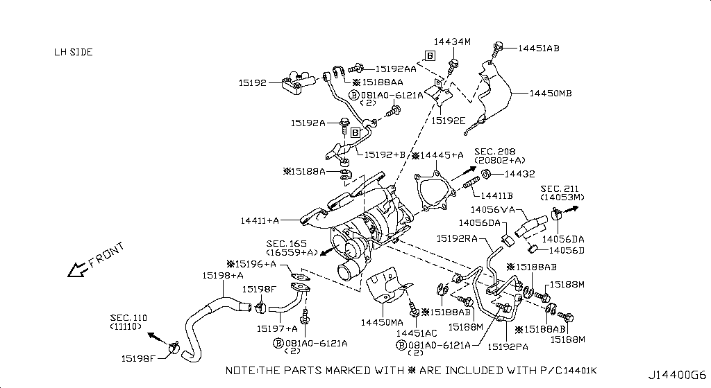
012 - Turbo Charger | 327 matched part(s)
App. model: C.(TRACK+NISMO), VR38DETT.(TRACK+BLACK+PREMIUM+NISMO), VR38DETT • [04.2016 - 07.2016 ... 06.2014 - 11.2014]
 | OEM | Description | Applies / Details | Period | Notes | Match
 | 14411-JF40A | A Charger Turbo
 | 11298-4M411 | Bolt |  |  |  | bolt
 | 11298-AG001 | Bolt |  |  |  | bolt
 | 11298-4M406 | Bolt |  |  |  | bolt
 | 11298-2J212 | Bolt |  |  |  | bolt
 | 08158-62528 | Bolt |  |  |  | bolt
 | 08158-62533 | Bolt |  |  |  | bolt
 | 08158-6205N | Bolt |  |  |  | bolt
 | 081A8-6251A | Bolt |  |  |  | bolt
 | 081A1-0451A | Bolt |  |  |  | bolt
 | 55479-4P00A | Bolt |  |  |  | bolt
 | 54459-8J00A | Bolt |  |  |  | bolt
 | 55226-AQ50A | Bolt |  |  |  | bolt
 | 55226-JA01C | Bolt |  |  |  | bolt
 | 081B6-8901A | Bolt |  |  |  | bolt
 | 01125-00931 | Bolt |  |  |  | bolt
 | 081B6-8205M | Bolt |  |  |  | bolt
 | 01121-N6141 | Bolt |  |  |  | bolt
 | 62297-1BA0A | Bolt |  |  |  | bolt
 | 87850-8990A | Bolt | C.(TRACK+NISMO) | 04.2016 - 07.2016 |  | bolt
 | 20606-6AV0B | Bolt | VR38DETT.(TRACK+BLACK+PREMIUM+NISMO) | 07.2016 - 08.2017 |  | bolt
 | 14069-JD70A | Bolt | VR38DETT | 08.2017 - ... |  | bolt
 | 01125-E6041 | Bolt | VR38DETT | 08.2017 - ... |  | bolt
 | 13224-AD22B | Bolt | VR38DETT | 08.2017 - ... |  | bolt
 | 11298-JF00A | Bolt | VR38DETT | 08.2017 - ... |  | bolt
 | 10004-4W00C | Bolt | VR38DETT | 08.2017 - ... |  | bolt
 | 11916-JF00A | Bolt | VR38DETT | 08.2017 - ... |  | bolt
 | 11916-JF01A | Bolt | VR38DETT | 08.2017 - ... |  | bolt
 | 25628-3H00A | Bolt | C | 08.2017 - ... |  | bolt
 | 11916-JF00D | Bolt | VR38DETT | 08.2017 - ... |  | bolt
 | 31377-JF00C | Bolt | GR6 | 08.2017 - ... |  | bolt
 | 31377-JF00E | Bolt | GR6 | 08.2017 - ... |  | bolt
 | 11298-4M418 | Bolt | VR38DETT | 08.2017 - ... |  | bolt
 | 40178-EG06C | Bolt | VR38DETT | 08.2017 - ... |  | bolt
 | 55222-0M00B | Bolt | VR38DETT | 08.2017 - ... |  | bolt
 | 48935-5V10A | Bolt | VR38DETT | 08.2017 - ... |  | bolt
 | 48935-4P00A | Bolt | VR38DETT | 08.2017 - ... |  | bolt
 | 48935-JF00B | Bolt | VR38DETT | 08.2017 - ... |  | bolt
 | 49164-1AA0A | Bolt | VR38DETT | 08.2017 - ... |  | bolt
 | 49738-1BA0A | Bolt | VR38DETT | 08.2017 - ... |  | bolt
 | 49738-JF00A | Bolt | VR38DETT | 08.2017 - ... |  | bolt
 | 49738-4W00A | Bolt | VR38DETT | 08.2017 - ... |  | bolt
 | 62297-JF01B | Bolt | C | 08.2017 - ... |  | bolt
 | 62297-JF00A | Bolt | C | 08.2017 - ... |  | bolt
 | 62297-KB51A | Bolt | C | 08.2017 - ... |  | bolt
 | 62297-JF00C | Bolt | C | 08.2017 - ... |  | bolt
 | 01125-03491 | Bolt | C | 08.2017 - ... |  | bolt
 | 01125-03421 | Bolt | C | 08.2017 - ... |  | bolt
 | 673N8-JF00A | Bolt | C | 08.2017 - ... |  | bolt
 | 14069-CA01A | Bolt | C | 08.2017 - ... |  | bolt
 | 80498-CE40A | Bolt | C | 08.2017 - ... |  | bolt
 | 11298-4M417 | Bolt | C | 08.2017 - ... |  | bolt
 | 01121-07251 | Bolt | C | 08.2017 - ... |  | bolt
 | 01125-N6011 | Bolt | C | 08.2017 - ... |  | bolt
 | 98589-JN00A | Bolt | C | 08.2017 - ... |  | bolt
 | 01125-N6121 | Bolt | C | 08.2017 - ... |  | bolt
 | 20606-6AV0A | Bolt | VR38DETT.(TRACK+PREMIUM+NISMO) | 08.2017 - ... |  | bolt
 | 20606-6AV0C | Bolt | VR38DETT.(TRACK+PREMIUM+NISMO) | 08.2017 - ... |  | bolt
 | 87185-5UH0A | Bolt | C | 08.2017 - ... |  | bolt
 | 87615-4V70A | Bolt | C | 08.2017 - ... |  | bolt
 | 54459-JF01A | Bolt | VR38DETT | 08.2017 - ... |  | bolt
 | 44005-JF00A | Bolt | VR38DETT | 08.2017 - ... |  | bolt
 | 081A8-6121A | Bolt | VR38DETT | 11.2007 - 12.2009 |  | bolt
 | 54459-0M00E | Bolt | *VR38DETT.(PURE+NISMO) SpecCode: [MFLR3] TITAN MFLR | 11.2013 - 11.2014 |  | bolt
 | 081A8-6201A | Bolt | VR38DETT | 11.2013 - 11.2014 |  | bolt
 | 081A8-8251A | Bolt | VR38DETT | 11.2013 - 11.2014 |  | bolt
 | 16122-JF00A | Bolt | VR38DETT | 11.2013 - 11.2014 |  | bolt
 | 081A0-6165M | Bolt | VR38DETT | 11.2013 - 11.2014 |  | bolt
 | 08120-61228 | Bolt | VR38DETT | 11.2013 - 11.2014 |  | bolt
 | 081B0-8605M | Bolt | VR38DETT | 11.2013 - 11.2014 |  | bolt
 | 081B1-0401A | Bolt | VR38DETT | 11.2013 - 11.2014 |  | bolt
 | 081B6-8705M | Bolt | VR38DETT | 11.2013 - 11.2014 |  | bolt
 | 01454-N5041 | Bolt | C.(PURE+BLACK+PREMIUM) | 11.2013 - 11.2014 |  | bolt
 | 20606-JF60B | Bolt | *VR38DETT.(PURE+NISMO) SpecCode: [MFLR3] TITAN MFLR | 11.2013 - 11.2014 |  | bolt
 | 08158-8251F | Bolt | VR38DETT | 11.2013 - 11.2014 |  | bolt
 | 08158-8301F | Bolt | VR38DETT | 11.2013 - 11.2014 |  | bolt
 | 01225-N6011 | Bolt | *C.PURE SpecCode: [SPKRB] BOSE AUDIO | 11.2013 - 12.2013 |  | bolt
 | 16122-5Y70A | Bolt | VR38DETT.NISMO | 11.2014 - 04.2016 |  | bolt
 | 16432-JF00A | Bolt-Eye | VR38DETT | 08.2017 - ... |  | bolt
 | 16432-VK50A | Bolt-Eye | VR38DETT | 08.2017 - ... |  | bolt
 | 16432-JF00B | Bolt-Eye,Water | VR38DETT | 08.2017 - ... |  | bolt
 | 081B0-8251A | Bolt-Hex |  |  |  | bolt
 | 081B6-6125M | Bolt-Hex |  |  |  | bolt
 | 081B6-6165M | Bolt-Hex |  |  |  | bolt
 | 081B8-6201A | Bolt-Hex |  |  |  | bolt
 | 081B0-6401A | Bolt-Hex |  |  |  | bolt
 | 081B8-6122A | Bolt-Hex |  |  |  | bolt
 | 08156-6165N | Bolt-Hex |  |  |  | bolt
 | 08120-8302A | Bolt-Hex |  |  |  | bolt
 | 08146-6125G | Bolt-Hex |  |  |  | bolt
 | 08156-61228 | Bolt-Hex |  |  |  | bolt
 | 081A4-0301A | Bolt-Hex |  |  |  | bolt
 | 08147-0162G | Bolt-Hex |  |  |  | bolt
 | 08146-6352G | Bolt-Hex |  |  |  | bolt
 | 08120-8162E | Bolt-Hex |  |  |  | bolt
 | 08156-63033 | Bolt-Hex |  |  |  | bolt
 | 08146-6255H | Bolt-Hex |  |  |  | bolt
 | 01121-04761 | Bolt-Hex | C | 08.2017 - ... |  | bolt
 | 80498-40U0B | Bolt Hex | C | 08.2017 - ... |  | bolt
 | 08146-6122G | Bolt-Hex | C | 11.2007 - 11.2010 |  | bolt
 | 08120-61633 | Bolt-Hex | VR38DETT | 11.2007 - 11.2010 |  | bolt
 | 08146-8162G | Bolt-Hex | C | 11.2007 - 11.2010 |  | bolt
 | 08146-6165G | Bolt-Hex | C | 11.2007 - 11.2010 |  | bolt
 | 081A0-6121A | Bolt-Hex | VR38DETT | 11.2013 - 11.2014 |  | bolt
 | 081B0-8401A | Bolt-Hex | VR38DETT | 11.2013 - 11.2014 |  | bolt
 | 08120-64028 | Bolt-Hex | VR38DETT | 11.2013 - 11.2014 |  | bolt
 | 081B0-6161A | Bolt-Hex | VR38DETT | 11.2013 - 11.2014 |  | bolt
 | 081B0-6255M | Bolt-Hex | VR38DETT | 11.2013 - 11.2014 |  | bolt
 | 081B0-6201A | Bolt-Hex | VR38DETT | 11.2013 - 11.2014 |  | bolt
 | 081B0-8405M | Bolt-Hex | VR38DETT | 11.2013 - 11.2014 |  | bolt
 | 081B0-8305M | Bolt-Hex | VR38DETT | 11.2013 - 11.2014 |  | bolt
 | 081B0-6301A | Bolt-Hex | VR38DETT | 11.2013 - 11.2014 |  | bolt
 | 081B0-6501A | Bolt-Hex | VR38DETT | 11.2013 - 11.2014 |  | bolt
 | 08146-8202G | Bolt-Hex | VR38DETT | 11.2013 - 11.2014 |  | bolt
 | 08146-8252G | Bolt-Hex | VR38DETT | 11.2013 - 11.2014 |  | bolt
 | 08156-61633 | Bolt-Hex | VR38DETT | 11.2013 - 11.2014 |  | bolt
 | 08146-6162G | Bolt-Hex | VR38DETT | 11.2013 - 11.2014 |  | bolt
 | 08146-6205H | Bolt-Hex | VR38DETT | 11.2013 - 11.2014 |  | bolt
 | 08146-6305H | Bolt-Hex | VR38DETT | 11.2013 - 11.2014 |  | bolt
 | 08146-6202H | Bolt-Hex | C | 11.2013 - 11.2014 |  | bolt
 | 08146-6162H | Bolt-Hex | C | 11.2013 - 11.2014 |  | bolt
 | 08146-6165H | Bolt-Hex | C | 11.2013 - 11.2014 |  | bolt
 | 08156-6125M | Bolt-Hex | GR6 | 11.2013 - 11.2014 |  | bolt
 | 08146-8161G | Bolt-Hex | VR38DETT | 11.2013 - 11.2014 |  | bolt
 | 08146-6252G | Bolt-Hex | C | 11.2013 - 11.2014 |  | bolt
 | 08120-8201E | Bolt-Hex | VR38DETT | 11.2013 - 11.2014 |  | bolt
 | 08120-8501E | Bolt-Hex | VR38DETT | 11.2013 - 11.2014 |  | bolt
 | 08146-6125H | Bolt-Hex | C | 11.2013 - 11.2014 |  | bolt
 | 08146-6255G | Bolt-Hex | VR38DETT | 11.2013 - 11.2014 |  | bolt
 | 08146-6122H | Bolt-Hex | C | 11.2013 - 11.2014 |  | bolt
 | 081A7-0201A | Bolt-Hex | C | 11.2013 - 11.2014 |  | bolt
 | 08146-8122G | Bolt-Hex | C | 11.2014 - 04.2016 |  | bolt
 | 14069-JD00A | Bolt-Hex Flange | VR38DETT | 08.2017 - ... |  | bolt
 | 14467-JF01A | Bracket, air inlet pipe | VR38DETT | 08.2017 - ... |  | bracket, pipe
 | 15190-JF00A | Brkt-Oil Tube | VR38DETT | 08.2017 - ... |  | tube
 | 14461-KJ10A | Charge air cooler | VR38DETT | 08.2017 - ... |  | cooler
 | 14461-KJ11A | Charge air cooler | VR38DETT | 08.2017 - ... |  | cooler
 | 16439-7S02A | Clamp |  |  |  | lamp
 | 54614-4N000 | Clamp |  |  |  | lamp
 | 20565-JF00A | Clamp | VR38DETT.(PURE+TRACK+NISMO) | 04.2016 - 07.2016 |  | lamp
 | 14464-BN303 | Clamp | VR38DETT | 08.2017 - ... |  | lamp
 | 16439-EB31B | Clamp | VR38DETT | 08.2017 - ... |  | lamp
 | 16439-V500C | Clamp | VR38DETT | 08.2017 - ... |  | lamp
 | 24432-AA000 | Clamp | VR38DETT | 08.2017 - ... |  | lamp
 | 46289-AM600 | Clamp | C | 08.2017 - ... |  | lamp
 | 49729-2J00B | Clamp | VR38DETT | 08.2017 - ... |  | lamp
 | 49729-2J01B | Clamp | VR38DETT | 08.2017 - ... |  | lamp
 | 49732-CL70A | Clamp | VR38DETT | 08.2017 - ... |  | lamp
 | 17571-JF00D | Clamp | VR38DETT | 08.2017 - ... |  | lamp
 | 17571-JF00C | Clamp | VR38DETT | 08.2017 - ... |  | lamp
 | 17571-JF00E | Clamp | VR38DETT | 08.2017 - ... |  | lamp
 | 14464-BN304 | Clamp | VR38DETT | 08.2017 - ... |  | lamp
 | 14464-5CA1A | Clamp | VR38DETT | 08.2017 - ... |  | lamp
 | 01558-00411 | Clamp | VR38DETT | 11.2007 - 11.2010 |  | lamp
 | 01558-00401 | Clamp | VR38DETT | 11.2013 - 11.2014 |  | lamp
 | 16439-N210D | Clamp | VR38DETT | 11.2013 - 11.2014 |  | lamp
 | 46271-7990A | Clamp | VR38DETT | 11.2013 - 11.2014 |  | lamp
 | 14464-BN311 | Clamp | VR38DETT | 11.2013 - 11.2014 |  | lamp
 | 01558-00721 | Clamp-Hose |  |  |  | hose, lamp
 | 01558-00561 | Clamp-Hose |  |  |  | hose, lamp
 | 16439-JF00B | Clamp-Hose | VR38DETT | 08.2017 - ... |  | hose, lamp
 | 16439-7S01B | Clamp-Hose | VR38DETT | 08.2017 - ... |  | hose, lamp
 | 14464-0E00B | Clamp Hose | VR38DETT | 08.2017 - ... |  | hose, lamp
 | 16439-42L0A | Clamp-Hose | VR38DETT | 08.2017 - ... |  | hose, lamp
 | 49732-79915 | Clamp-Hose | VR38DETT | 08.2017 - ... |  | hose, lamp
 | 14464-AQ800 | Clamp, hose | VR38DETT | 08.2017 - ... |  | hose, lamp
 | 16439-N210A | Clamp-Hose | VR38DETT | 11.2007 - 11.2010 |  | hose, lamp
 | 14464-04U2A | Clamp, hose | VR38DETT | 11.2013 - 02.2014 |  | hose, lamp
 | 14464-0E00A | Clamp, hose | VR38DETT.(PURE+BLACK+PREMIUM) | 11.2013 - 11.2014 |  | hose, lamp
 | 46271-EW00A | Clip
 | 92551-JF00A | Clip
 | 92553-JF00A | Clip
 | 92554-JF00A | Clip
 | 92555-JF02A | Clip
 | 16439-17B0A | Clip
 | 62228-89S0A | Clip
 | 62228-89S0B | Clip
 | 63848-5L300 | Clip
 | 96938-4U01A | Clip
 | 96938-ED000 | Clip
 | 62318-4M400 | Clip
 | 01553-01A50 | Clip
 | 76882-AR002 | Clip
 | 01553-09131 | Clip
 | 01553-10631 | Clip
 | 01553-30001 | Clip
 | 76988-AM800 | Clip
 | 76988-JF00A | Clip
 | 62318-24U00 | Clip
 | 85284-EG000 | Clip
 | 01553-09611 | Clip
 | 26398-JF00C | Clip | C.TRACK | 04.2016 - 07.2016
 | 62598-JF00A | Clip | C.TRACK | 04.2016 - 07.2016
 | 01553-05323 | Clip | C.TRACK | 04.2016 - 07.2016
 | 16439-56S0A | Clip | VR38DETT | 08.2017 - ...
 | 16598-JF00A | Clip | VR38DETT | 08.2017 - ...
 | 01553-09321 | Clip | VR38DETT | 08.2017 - ...
 | 01558-00521 | Clip | C | 08.2017 - ...
 | 92527-7990B | Clip | C | 08.2017 - ...
 | 28945-AQ000 | Clip | C | 08.2017 - ...
 | 28945-AQ010 | Clip | C | 08.2017 - ...
 | 46271-V5400 | Clip | C | 08.2017 - ...
 | 49732-JF00A | Clip | VR38DETT | 08.2017 - ...
 | 49732-JF02A | Clip | VR38DETT | 08.2017 - ...
 | 49730-01J60 | Clip | VR38DETT | 08.2017 - ...
 | 49791-WA000 | Clip | VR38DETT | 08.2017 - ...
 | 62228-KB50A | Clip | C.(PURE+TRACK+PREMIUM) | 08.2017 - ...
 | 62228-JF00C | Clip | C.(PURE+TRACK+PREMIUM) | 08.2017 - ...
 | 01553-10501 | Clip | C | 08.2017 - ...
 | 63848-35F00 | Clip | C | 08.2017 - ...
 | 01553-10541 | Clip | C | 08.2017 - ...
 | 66919-JL00A | Clip | C | 08.2017 - ...
 | 66916-VC300 | Clip | C | 08.2017 - ...
 | 73998-AL600 | Clip | C | 08.2017 - ...
 | 73998-AA000 | Clip | C | 08.2017 - ...
 | 73998-AM800 | Clip | C | 08.2017 - ...
 | 73998-CD000 | Clip | C | 08.2017 - ...
 | 63878-01E10 | Clip | C | 08.2017 - ...
 | 01553-89902 | Clip | C | 08.2017 - ...
 | 01553-89901 | Clip | C | 08.2017 - ...
 | 63848-89900 | Clip | C | 08.2017 - ...
 | 46271-JF30A | Clip | VR38DETT | 08.2017 - ...
 | 47492-WJ100 | Clip | VR38DETT | 08.2017 - ...
 | 46272-AL500 | Clip | VR38DETT | 08.2017 - ...
 | 46272-1BA0A | Clip | VR38DETT | 08.2017 - ...
 | 46271-AL510 | Clip | VR38DETT | 08.2017 - ...
 | 46271-AL501 | Clip | VR38DETT | 08.2017 - ...
 | 17561-JF30B | Clip | VR38DETT | 08.2017 - ...
 | 17561-JF30C | Clip | VR38DETT | 08.2017 - ...
 | 17561-JF30A | Clip | VR38DETT | 08.2017 - ...
 | 17571-4HA0A | Clip | VR38DETT | 08.2017 - ...
 | 79915-P0100 | Clip | C | 08.2017 - ...
 | 76988-EG100 | Clip | C | 08.2017 - ...
 | 17571-EJ70A | Clip | VR38DETT | 11.2013 - 06.2014
 | 01553-V5094 | Clip | C.(PURE+BLACK+PREMIUM) Interior: M | 11.2013 - 11.2014
 | 25320-4M405 | CLIP | Applies: C | 12.2010 - 11.2013
 | 14478-37N00 | Collar, intercooler mounting | VR38DETT | 08.2017 - ... |  | cooler, mount
 | 15189-JF00A | Gasket-Eye Bolt | VR38DETT | 08.2017 - ... |  | bolt, gasket
 | 15189-69F00 | Gasket-Eye Bolt | VR38DETT | 08.2017 - ... |  | bolt, gasket
 | 15189-40P00 | Gasket-Eye Bolt | VR38DETT | 08.2017 - ... |  | bolt, gasket
 | A4401-JF00A | Gasket Kit-Turb | VR38DETT | 07.2018 - ... |  | gasket
 | 15196-JF00A | Gasket, oil turbo charger outlet; Turbocharger oil outlet gasket | VR38DETT | 11.2013 - 11.2014 |  | gasket
 | 15196-MB42A | Gasket, oil turbo charger outlet; Turbocharger oil outlet gasket | VR38DETT | 11.2013 - 11.2014 |  | gasket
 | 22636-N4200 | Gasket-Thermo T | VR38DETT | 08.2017 - ... |  | gasket
 | 14445-JF01B | Gasket-Turbo Ch | VR38DETT | 08.2017 - ... |  | gasket
 | 14489-AG900 | Gasket, valve intake | VR38DETT | 08.2017 - ... |  | gasket, valve
 | 15196-JF00B | Gskt-Oil T/C Ou | VR38DETT | 08.2017 - ...
 | 14450-JF01A | Heat insulator-turbine housing | VR38DETT | 08.2017 - ... |  | insulator
 | 14450-JF00B | Heat insulator-turbine housing | VR38DETT | 08.2017 - ... |  | insulator
 | 14463-JF00D | Hose, air inlet | VR38DETT | 08.2017 - ... |  | hose
 | 11826-JF02A | Hose-Air Inlet | VR38DETT | 08.2017 - ... |  | hose
 | 14463-JF00E | Hose, air inlet | VR38DETT | 08.2017 - ... |  | hose
 | 14463-JF02B | Hose, air inlet | VR38DETT | 08.2017 - ... |  | hose
 | 14463-JF02A | Hose, air inlet | VR38DETT | 08.2017 - ... |  | hose
 | 14463-JF02E | Hose-air inlet | VR38DETT | 08.2017 - ... |  | hose
 | 14463-JF00A | Hose, air inlet | VR38DETT | 08.2017 - ... |  | hose
 | 14463-JF00C | Hose, air inlet | VR38DETT | 08.2017 - ... |  | hose
 | 14463-JF01C | Hose, air inlet | VR38DETT | 08.2017 - ... |  | hose
 | 14463-JF00B | Hose, air inlet | VR38DETT | 08.2017 - ... |  | hose
 | 14463-JF01B | Hose, air inlet | VR38DETT | 08.2017 - ... |  | hose
 | 15198-JF01B | Hose-Oil Return | VR38DETT | 08.2017 - ... |  | hose
 | 15198-JF00B | Hose, turbo charger to oil pan; Turbocharger oil hose | VR38DETT | 11.2013 - 11.2014 |  | hose
 | 15198-JF00A | Hose, turbo charger to oil pan; Turbocharger oil hose | VR38DETT | 11.2013 - 11.2014 |  | hose
 | 14055-JF02B | Hose-Water | VR38DETT | 08.2017 - ... |  | hose
 | 14055-JF00A | Hose-Water | VR38DETT | 08.2017 - ... |  | hose
 | 14055-JF02A | Hose, water | VR38DETT | 08.2017 - ... |  | hose
 | 14450-JF01D | Insulater-Heat | VR38DETT | 08.2017 - ...
 | 14450-JF01C | Insulater-Heat | VR38DETT | 08.2017 - ...
 | 14477-JF00A | Mounting rubber | VR38DETT | 08.2017 - ... |  | mount
 | 14814-JF01A | Mounting Rubber | VR38DETT | 08.2017 - ... |  | mount
 | 16557-AR000 | Mounting-Rubber | VR38DETT | 08.2017 - ... |  | mount
 | 16557-AL500 | Mounting-Rubber | VR38DETT | 08.2017 - ... |  | mount
 | 16557-JF00A | Mounting-Rubber | VR38DETT | 08.2017 - ... |  | mount
 | 01225-00931 | Nut |  |  |  | nut
 | 01225-00901 | Nut |  |  |  | nut
 | 01221-00391 | Nut |  |  |  | nut
 | 01221-00361 | Nut | *VR38DETT.PURE SpecCode: [CLASJ] TRACK PACK A | 06.2014 - 11.2014 |  | nut
 | 14094-4P100 | Nut | VR38DETT | 08.2017 - ... |  | nut
 | 01221-00351 | Nut | C | 08.2017 - ... |  | nut
 | 01225-00521 | Nut | VR38DETT | 08.2017 - ... |  | nut
 | 01223-00241 | Nut | C | 08.2017 - ... |  | nut
 | 48514-JF00A | Nut | VR38DETT | 08.2017 - ... |  | nut
 | 01241-00113 | Nut | C | 08.2017 - ... |  | nut
 | 01217-00251 | Nut | C | 08.2017 - ... |  | nut
 | 84656-AM800 | Nut | C | 08.2017 - ... |  | nut
 | 14094-JG30A | Nut | VR38DETT | 08.2017 - ... |  | nut
 | 01225-00881 | Nut | C | 08.2017 - ... |  | nut
 | 40780-JA01B | Nut | C | 08.2017 - ... |  | nut
...
001 - Bare & Short Engine | 0 matched part(s)
App. model: VR38DETT
 | 15192-JF01B | Tube-turbocharger oil feed | VR38DETT | 08.2017 - ... |  | tube
 | 14411-KB60A | Turbocharger | VR38DETT.(PURE+TRACK+PREMIUM) | 08.2017 - ...
 | 14411-KB50A | Turbocharger | VR38DETT.(PURE+TRACK+PREMIUM) | 08.2017 - ...
 | 15198-JF01A | Turbocharger oil hose | VR38DETT | 08.2017 - ... |  | hose
 | 15196-MB40B | Turbocharger oil outlet gasket | VR38DETT | 08.2017 - ... |  | gasket
 | 14445-JF01A | Turbocharger outlet gasket | VR38DETT | 08.2017 - ... |  | gasket
 | 14483-JF00B | Valve assembly-recirculation | VR38DETT | 08.2017 - ... |  | valve

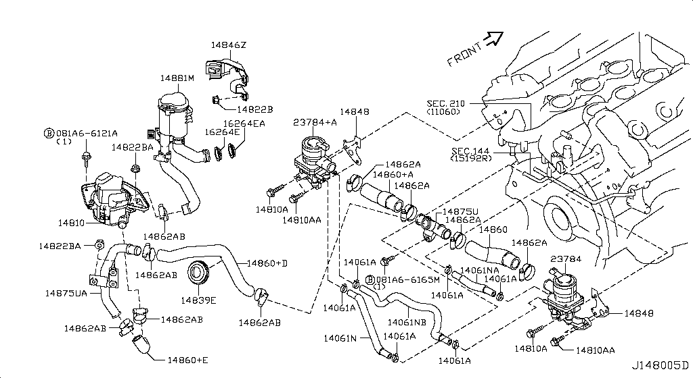
013 - Secondary Air System | 142 matched part(s)
App. model: VR38DETT, C, VR38DETT.(PURE+BLACK+PREMIUM) • [08.2017 - ... ... 11.2014 - 04.2016]
 | OEM | Description | Applies / Details | Period | Notes | Match
 | 14895-JF01A | Bolt A/P To Bkt | VR38DETT | 08.2017 - ... |  | bolt
 | 14895-JF02A | Bolt A/P To Bkt | VR38DETT | 08.2017 - ... |  | bolt
 | 081A6-6121A | Bolt-Flange,Hex | C | 11.2013 - 11.2014 |  | bolt
 | 081A6-6165M | Bolt-Flg,Hexgon |  |  |  | bolt
 | 081A6-6122A | Bolt-Flg,Hexgon |  |  |  | bolt
 | 081B4-2455M | Bolt-Flg,Hexgon |  |  |  | bolt
 | 081A6-6125M | Bolt-Flg,Hexgon |  |  |  | bolt
 | 081A6-6161A | Bolt-Flg,Hexgon | C | 11.2007 - 11.2010 |  | bolt
 | 081A6-6202A | Bolt-Flg,Hexgon | C | 11.2013 - 11.2014 |  | bolt
 | 081B4-2355M | Bolt-Flg,Hexgon | VR38DETT | 11.2013 - 11.2014 |  | bolt
 | 14846-JF02A | Bracket assembly-air clener,air pump | VR38DETT | 11.2013 - 11.2014 |  | bracket, pump
 | 14846-JF02B | Brkt Assy-Air C | VR38DETT | 08.2017 - ...
 | 01558-00721 | Clamp-Hose |  |  |  | hose, lamp
 | 01558-00561 | Clamp-Hose |  |  |  | hose, lamp
 | 14464-0E00B | Clamp Hose | VR38DETT | 08.2017 - ... |  | hose, lamp
 | 16439-JF00B | Clamp-Hose | VR38DETT | 08.2017 - ... |  | hose, lamp
 | 16439-7S01B | Clamp-Hose | VR38DETT | 08.2017 - ... |  | hose, lamp
 | 16439-42L0A | Clamp-Hose | VR38DETT | 08.2017 - ... |  | hose, lamp
 | 49732-79915 | Clamp-Hose | VR38DETT | 08.2017 - ... |  | hose, lamp
 | 14464-AQ800 | Clamp, hose | VR38DETT | 08.2017 - ... |  | hose, lamp
 | 16439-N210A | Clamp-Hose | VR38DETT | 11.2007 - 11.2010 |  | hose, lamp
 | 14464-04U2A | Clamp, hose | VR38DETT | 11.2013 - 02.2014 |  | hose, lamp
 | 14464-0E00A | Clamp, hose | VR38DETT.(PURE+BLACK+PREMIUM) | 11.2013 - 11.2014 |  | hose, lamp
 | 46271-EW00A | Clip
 | 92551-JF00A | Clip
 | 92553-JF00A | Clip
...
001 - Bare & Short Engine | 0 matched part(s)
App. model: VR38DETT
 | 08918-6081A | Nut | C | 11.2013 - 11.2014 |  | nut
 | 08918-60610 | Nut | C | 11.2013 - 11.2014 |  | nut
 | 40262-EG010 | Nut | VR38DETT | 11.2013 - 11.2014 |  | nut
 | 08911-10637 | Nut | C | 11.2014 - 04.2016 |  | nut
 | 14810-JF04A | Pump Assy-Air | VR38DETT | 08.2017 - ... |  | pump
 | 14830-JF03A | Valve A-Air Cut | VR38DETT | 08.2017 - ... |  | valve
 | 14830-JF04A | Valve A-Air Cut | VR38DETT | 08.2017 - ... |  | valve

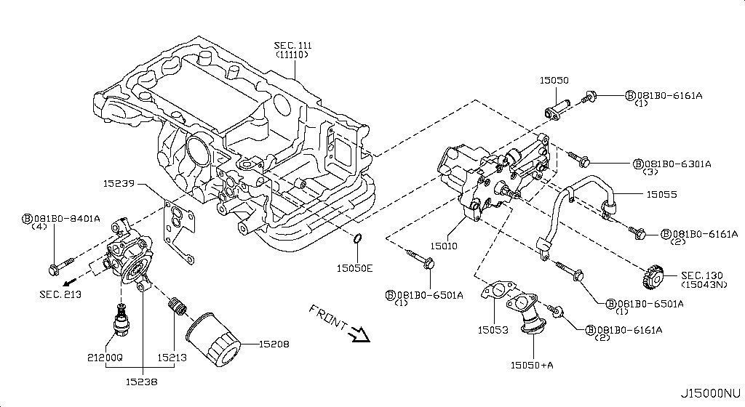
014 - Lubricating System | 109 matched part(s)
App. model: VR38DETT, C, GR6 • [08.2017 - ... ... 12.2009 - 11.2010]
 | OEM | Description | Applies / Details | Period | Notes | Match
 | 15010-JF00B | Assy Oil Pump | VR38DETT | 08.2017 - ... |  | pump
 | 081B0-8251A | Bolt-Hex |  |  |  | bolt
 | 081B6-6125M | Bolt-Hex |  |  |  | bolt
 | 081B6-6165M | Bolt-Hex |  |  |  | bolt
 | 081B8-6201A | Bolt-Hex |  |  |  | bolt
 | 081B0-6401A | Bolt-Hex |  |  |  | bolt
 | 081B8-6122A | Bolt-Hex |  |  |  | bolt
 | 08156-6165N | Bolt-Hex |  |  |  | bolt
 | 08120-8302A | Bolt-Hex |  |  |  | bolt
 | 08146-6125G | Bolt-Hex |  |  |  | bolt
 | 08156-61228 | Bolt-Hex |  |  |  | bolt
 | 081A4-0301A | Bolt-Hex |  |  |  | bolt
 | 08147-0162G | Bolt-Hex |  |  |  | bolt
 | 08146-6352G | Bolt-Hex |  |  |  | bolt
 | 08120-8162E | Bolt-Hex |  |  |  | bolt
 | 08156-63033 | Bolt-Hex |  |  |  | bolt
 | 08146-6255H | Bolt-Hex |  |  |  | bolt
 | 01121-04761 | Bolt-Hex | C | 08.2017 - ... |  | bolt
 | 80498-40U0B | Bolt Hex | C | 08.2017 - ... |  | bolt
 | 08146-6122G | Bolt-Hex | C | 11.2007 - 11.2010 |  | bolt
 | 08120-61633 | Bolt-Hex | VR38DETT | 11.2007 - 11.2010 |  | bolt
 | 08146-8162G | Bolt-Hex | C | 11.2007 - 11.2010 |  | bolt
 | 08146-6165G | Bolt-Hex | C | 11.2007 - 11.2010 |  | bolt
 | 081B0-6161A | Bolt-Hex | VR38DETT | 11.2013 - 11.2014 |  | bolt
 | 081B0-8401A | Bolt-Hex | VR38DETT | 11.2013 - 11.2014 |  | bolt
 | 08120-64028 | Bolt-Hex | VR38DETT | 11.2013 - 11.2014 |  | bolt
...
001 - Bare & Short Engine | 0 matched part(s)
App. model: VR38DETT
015 - Throttle Chamber | 3 matched part(s)
App. model: VR38DETT • [08.2017 - ...]
 | OEM | Description | Applies / Details | Period | Notes | Match
 | 16122-JK20B | Bolt-Socket | VR38DETT | 08.2017 - ... |  | bolt
 | 16119-JF00E | Chambr-Throttle | VR38DETT | 08.2017 - ...
 | 16119-JF00F | Chambr-Throttle | VR38DETT | 08.2017 - ...
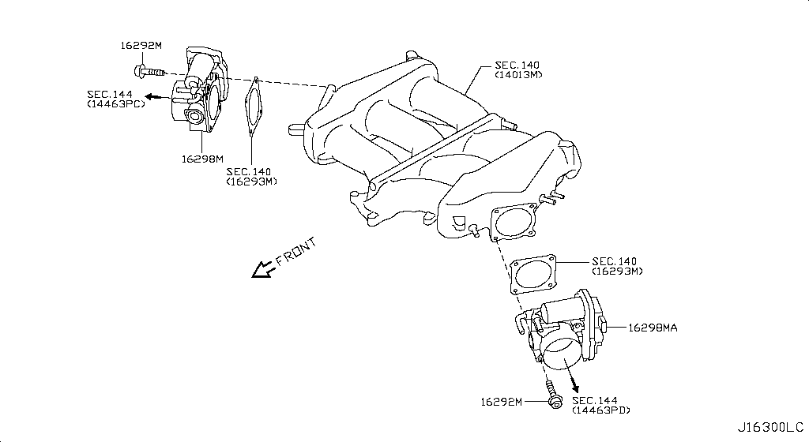
016 - Fuel Strainer & Fuel Hose | 180 matched part(s)
App. model: VR38DETT, C.(TRACK+NISMO), VR38DETT.(TRACK+BLACK+PREMIUM+NISMO) • [08.2017 - ... ... 11.2007 - 11.2010]
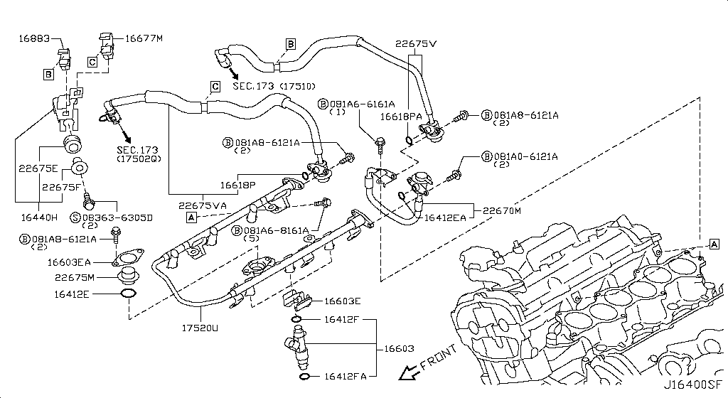
 | OEM | Description | Applies / Details | Period | Notes | Match
 | 22675-JA10A | A Damper Fuel | VR38DETT | 08.2017 - ... |  | damper
 | 22675-JF00B | A Damper Fuel | VR38DETT | 08.2017 - ... |  | damper
 | 22675-JF00A | A Damper Fuel | VR38DETT | 08.2017 - ... |  | damper
 | 11298-4M411 | Bolt |  |  |  | bolt
 | 11298-AG001 | Bolt |  |  |  | bolt
 | 11298-4M406 | Bolt |  |  |  | bolt
 | 11298-2J212 | Bolt |  |  |  | bolt
 | 08158-62528 | Bolt |  |  |  | bolt
 | 08158-62533 | Bolt |  |  |  | bolt
 | 08158-6205N | Bolt |  |  |  | bolt
 | 081A8-6251A | Bolt |  |  |  | bolt
 | 081A1-0451A | Bolt |  |  |  | bolt
 | 55479-4P00A | Bolt |  |  |  | bolt
 | 54459-8J00A | Bolt |  |  |  | bolt
 | 55226-AQ50A | Bolt |  |  |  | bolt
 | 55226-JA01C | Bolt |  |  |  | bolt
 | 081B6-8901A | Bolt |  |  |  | bolt
 | 01125-00931 | Bolt |  |  |  | bolt
 | 081B6-8205M | Bolt |  |  |  | bolt
 | 01121-N6141 | Bolt |  |  |  | bolt
 | 62297-1BA0A | Bolt |  |  |  | bolt
 | 87850-8990A | Bolt | C.(TRACK+NISMO) | 04.2016 - 07.2016 |  | bolt
 | 20606-6AV0B | Bolt | VR38DETT.(TRACK+BLACK+PREMIUM+NISMO) | 07.2016 - 08.2017 |  | bolt
 | 01125-E6041 | Bolt | VR38DETT | 08.2017 - ... |  | bolt
 | 13224-AD22B | Bolt | VR38DETT | 08.2017 - ... |  | bolt
 | 11298-JF00A | Bolt | VR38DETT | 08.2017 - ... |  | bolt
...
001 - Bare & Short Engine | 0 matched part(s)
App. model: VR38DETT
 | 08360-51214 | Screw-Machine
 | 08363-6305D | Screw-Machine | VR38DETT | 11.2013 - 11.2014
 | 08310-51062 | Screw-Machine | VR38DETT | 11.2013 - 11.2014
 | 08363-6125B | Screw-Machine | VR38DETT | 11.2013 - 11.2014
 | 08363-6305B | Screw-Machine | VR38DETT | 11.2013 - 11.2014
 | 24220-8H310 | Tube Assy-Injec | VR38DETT | 08.2017 - ... |  | tube
 | 24220-4P220 | Tube Assy-Injec | VR38DETT | 11.2007 - 11.2010 |  | tube

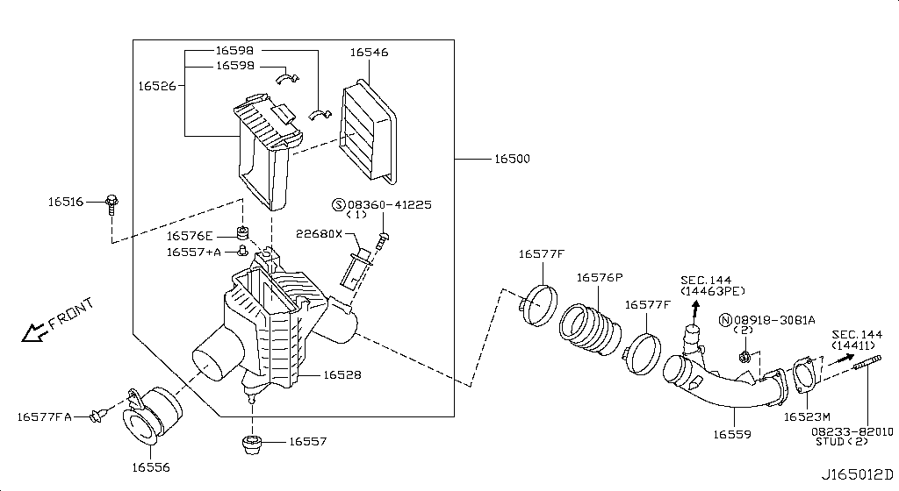
017 - Air Cleaner | 124 matched part(s)
App. model: VR38DETT, VR38DETT.(PURE+BLACK+PREMIUM), C.TRACK • [08.2017 - ... ... 11.2014 - 04.2016]
 | OEM | Description | Applies / Details | Period | Notes | Match
 | 16500-JF00B | Air cleaner | VR38DETT | 08.2017 - ...
 | 16528-JF00B | Air cleaner housing; Body assembly, air cleaner | VR38DETT | 08.2017 - ...
 | 16554-JF00B | Air duct | VR38DETT | 08.2017 - ...
 | 16528-JF00A | Body-Cleaner | VR38DETT | 08.2017 - ...
 | 16516-CR40B | Bolt-Center | VR38DETT | 08.2017 - ... |  | bolt
 | 14464-04U2B | Clamp Duct | VR38DETT | 08.2017 - ... |  | lamp
 | 01558-00721 | Clamp-Hose |  |  |  | hose, lamp
 | 01558-00561 | Clamp-Hose |  |  |  | hose, lamp
 | 16439-JF00B | Clamp-Hose | VR38DETT | 08.2017 - ... |  | hose, lamp
 | 16439-7S01B | Clamp-Hose | VR38DETT | 08.2017 - ... |  | hose, lamp
 | 14464-0E00B | Clamp Hose | VR38DETT | 08.2017 - ... |  | hose, lamp
 | 16439-42L0A | Clamp-Hose | VR38DETT | 08.2017 - ... |  | hose, lamp
 | 49732-79915 | Clamp-Hose | VR38DETT | 08.2017 - ... |  | hose, lamp
 | 14464-AQ800 | Clamp, hose | VR38DETT | 08.2017 - ... |  | hose, lamp
 | 16439-N210A | Clamp-Hose | VR38DETT | 11.2007 - 11.2010 |  | hose, lamp
 | 14464-04U2A | Clamp, hose | VR38DETT | 11.2013 - 02.2014 |  | hose, lamp
 | 14464-0E00A | Clamp, hose | VR38DETT.(PURE+BLACK+PREMIUM) | 11.2013 - 11.2014 |  | hose, lamp
 | 16500-JF00A | Cleaner-Air | VR38DETT | 08.2017 - ...
 | 46271-EW00A | Clip
 | 92551-JF00A | Clip
 | 92553-JF00A | Clip
 | 92554-JF00A | Clip
 | 92555-JF02A | Clip
 | 16439-17B0A | Clip
 | 62228-89S0A | Clip
 | 62228-89S0B | Clip
...
001 - Bare & Short Engine | 0 matched part(s)
App. model: VR38DETT
 | 08236-62210 | Stud-Coarse

018 - Fuel Pump Controller | 2 matched part(s)
App. model: VR38DETT, C.(GTR+BLACK+PREMIUM) • [08.2017 - ... ... 11.2007 - 12.2009]
 | OEM | Description | Applies / Details | Period | Notes | Match
 | 17001-JF00A | Modulator-Fuel | VR38DETT | 08.2017 - ...
 | 01456-00411 | Screw-Tap,With | C.(GTR+BLACK+PREMIUM) | 11.2007 - 12.2009
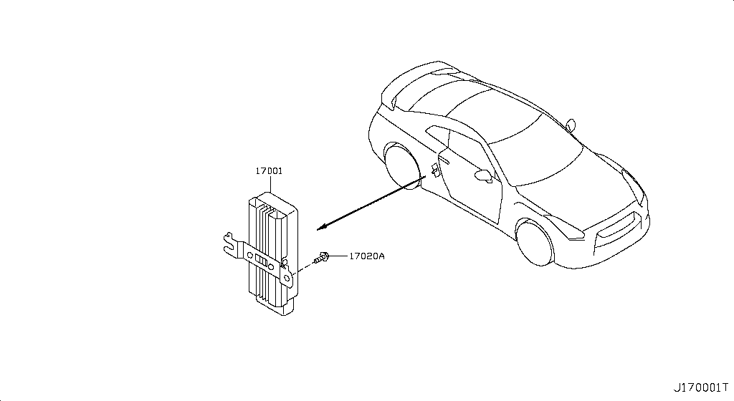
019 - Fuel Tank | 283 matched part(s)
App. model: VR38DETT, C, GR6 • [11.2018 - ... ... 11.2007 - 12.2009]
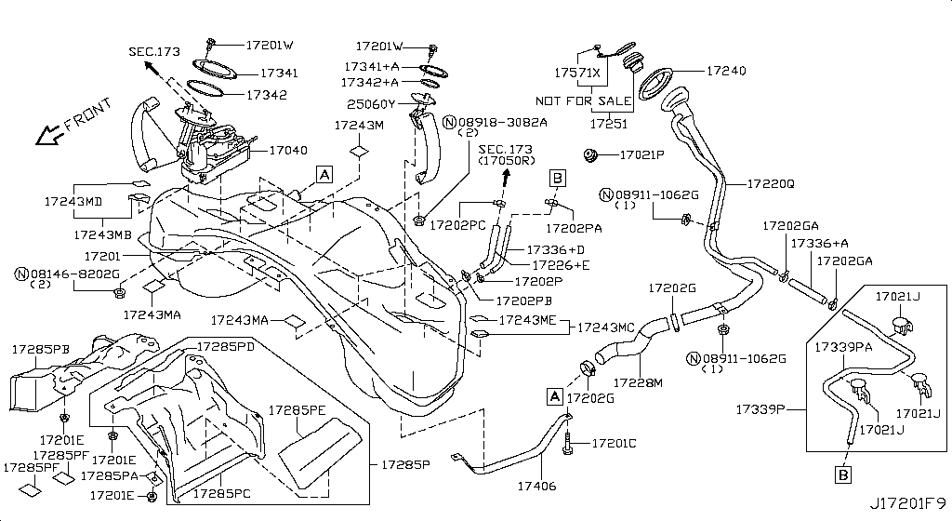
 | OEM | Description | Applies / Details | Period | Notes | Match
 | 16439-V501B | Band | VR38DETT | 11.2018 - ...
 | 17406-JF00A | Band Assy Fuel | VR38DETT | 08.2017 - ...
 | 01121-06671 | Bolt Door Hinge | VR38DETT | 08.2017 - ... |  | bolt, door
 | 17598-ET000 | Bolt Door Hinge | VR38DETT | 08.2017 - ... |  | bolt, door
 | 081B0-8251A | Bolt-Hex |  |  |  | bolt
 | 081B6-6125M | Bolt-Hex |  |  |  | bolt
 | 081B6-6165M | Bolt-Hex |  |  |  | bolt
 | 081B8-6201A | Bolt-Hex |  |  |  | bolt
 | 081B0-6401A | Bolt-Hex |  |  |  | bolt
 | 081B8-6122A | Bolt-Hex |  |  |  | bolt
 | 08156-6165N | Bolt-Hex |  |  |  | bolt
 | 08120-8302A | Bolt-Hex |  |  |  | bolt
 | 08146-6125G | Bolt-Hex |  |  |  | bolt
 | 08156-61228 | Bolt-Hex |  |  |  | bolt
 | 081A4-0301A | Bolt-Hex |  |  |  | bolt
 | 08147-0162G | Bolt-Hex |  |  |  | bolt
 | 08146-6352G | Bolt-Hex |  |  |  | bolt
 | 08120-8162E | Bolt-Hex |  |  |  | bolt
 | 08156-63033 | Bolt-Hex |  |  |  | bolt
 | 08146-6255H | Bolt-Hex |  |  |  | bolt
 | 01121-04761 | Bolt-Hex | C | 08.2017 - ... |  | bolt
 | 80498-40U0B | Bolt Hex | C | 08.2017 - ... |  | bolt
 | 08146-6122G | Bolt-Hex | C | 11.2007 - 11.2010 |  | bolt
 | 08120-61633 | Bolt-Hex | VR38DETT | 11.2007 - 11.2010 |  | bolt
 | 08146-8162G | Bolt-Hex | C | 11.2007 - 11.2010 |  | bolt
 | 08146-6165G | Bolt-Hex | C | 11.2007 - 11.2010 |  | bolt
...
001 - Bare & Short Engine | 0 matched part(s)
App. model: VR38DETT
 | 17202-KB60A | Tank Assy-Fuel | VR38DETT | 11.2013 - 11.2014
 | 17221-KB60A | Tube Assy | VR38DETT | 08.2017 - ... |  | tube
 | 17502-JF00A | Tube Assy | VR38DETT | 08.2017 - ... |  | tube
 | 46252-JF12A | Tube Assy | C | 08.2017 - ... |  | tube
 | 46283-JF15B | Tube Assy | C | 08.2017 - ... |  | tube
 | 17339-JF30A | Tube-Evaporatio | VR38DETT | 08.2017 - ... |  | tube
 | 17339-JF31B | Tube-Evaporatio | VR38DETT | 08.2017 - ... |  | tube

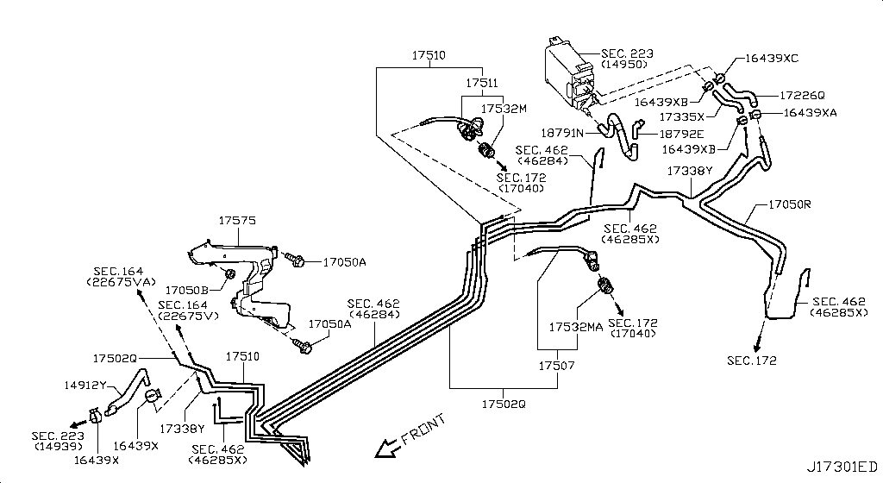
020 - Fuel Piping | 168 matched part(s)
App. model: VR38DETT, VR38DETT.(PURE+TRACK+NISMO), C • [11.2018 - ... ... 11.2014 - 04.2016]
 | OEM | Description | Applies / Details | Period | Notes | Match
 | 16439-V501B | Band | VR38DETT | 11.2018 - ...
 | 17598-ET000 | Bolt Door Hinge | VR38DETT | 08.2017 - ... |  | bolt, door
 | 01121-06671 | Bolt Door Hinge | VR38DETT | 08.2017 - ... |  | bolt, door
 | 16439-7S02A | Clamp |  |  |  | lamp
 | 54614-4N000 | Clamp |  |  |  | lamp
 | 20565-JF00A | Clamp | VR38DETT.(PURE+TRACK+NISMO) | 04.2016 - 07.2016 |  | lamp
 | 16439-V500C | Clamp | VR38DETT | 08.2017 - ... |  | lamp
 | 16439-EB31B | Clamp | VR38DETT | 08.2017 - ... |  | lamp
 | 24432-AA000 | Clamp | VR38DETT | 08.2017 - ... |  | lamp
 | 46289-AM600 | Clamp | C | 08.2017 - ... |  | lamp
 | 49729-2J00B | Clamp | VR38DETT | 08.2017 - ... |  | lamp
 | 49729-2J01B | Clamp | VR38DETT | 08.2017 - ... |  | lamp
 | 49732-CL70A | Clamp | VR38DETT | 08.2017 - ... |  | lamp
 | 17571-JF00D | Clamp | VR38DETT | 08.2017 - ... |  | lamp
 | 17571-JF00C | Clamp | VR38DETT | 08.2017 - ... |  | lamp
 | 17571-JF00E | Clamp | VR38DETT | 08.2017 - ... |  | lamp
 | 14464-BN303 | Clamp | VR38DETT | 08.2017 - ... |  | lamp
 | 14464-BN304 | Clamp | VR38DETT | 08.2017 - ... |  | lamp
 | 14464-5CA1A | Clamp | VR38DETT | 08.2017 - ... |  | lamp
 | 01558-00411 | Clamp | VR38DETT | 11.2007 - 11.2010 |  | lamp
 | 01558-00401 | Clamp | VR38DETT | 11.2013 - 11.2014 |  | lamp
 | 16439-N210D | Clamp | VR38DETT | 11.2013 - 11.2014 |  | lamp
 | 46271-7990A | Clamp | VR38DETT | 11.2013 - 11.2014 |  | lamp
 | 14464-BN311 | Clamp | VR38DETT | 11.2013 - 11.2014 |  | lamp
 | 01558-00721 | Clamp-Hose |  |  |  | hose, lamp
 | 01558-00561 | Clamp-Hose |  |  |  | hose, lamp
...
001 - Bare & Short Engine | 0 matched part(s)
App. model: VR38DETT
 | 17221-KB60A | Tube Assy | VR38DETT | 08.2017 - ... |  | tube
 | 46252-JF12A | Tube Assy | C | 08.2017 - ... |  | tube
 | 46283-JF15B | Tube Assy | C | 08.2017 - ... |  | tube
 | 31098-JF05C | Tube-Breather |  |  |  | tube
 | 17338-JF30A | Tube-Breather | VR38DETT | 08.2017 - ... |  | tube
 | 17510-JF00A | Tube-Fuel | VR38DETT | 08.2017 - ... |  | tube
 | 17511-JF00A | Tube-Return | VR38DETT | 08.2017 - ... |  | tube

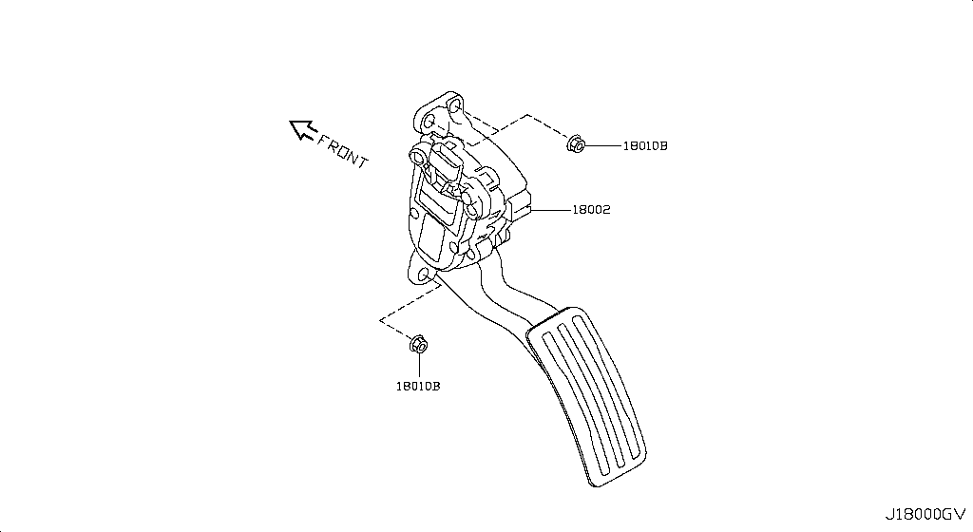
021 - Accelerator Linkage | 29 matched part(s)
App. model: VR38DETT, *VR38DETT.PURE SpecCode: [CLASJ] TRACK PACK A, C • [08.2017 - ... ... 11.2014 - 04.2016]
 | OEM | Description | Applies / Details | Period | Notes | Match
 | 18002-JF10A | Lever Complete | VR38DETT | 08.2017 - ...
 | 01225-00931 | Nut |  |  |  | nut
 | 01225-00901 | Nut |  |  |  | nut
 | 01221-00391 | Nut |  |  |  | nut
 | 01221-00361 | Nut | *VR38DETT.PURE SpecCode: [CLASJ] TRACK PACK A | 06.2014 - 11.2014 |  | nut
 | 14094-4P100 | Nut | VR38DETT | 08.2017 - ... |  | nut
 | 01221-00351 | Nut | C | 08.2017 - ... |  | nut
 | 01225-00521 | Nut | VR38DETT | 08.2017 - ... |  | nut
 | 01223-00241 | Nut | C | 08.2017 - ... |  | nut
 | 48514-JF00A | Nut | VR38DETT | 08.2017 - ... |  | nut
 | 01241-00113 | Nut | C | 08.2017 - ... |  | nut
 | 01217-00251 | Nut | C | 08.2017 - ... |  | nut
 | 84656-AM800 | Nut | C | 08.2017 - ... |  | nut
 | 14094-JG30A | Nut | VR38DETT | 08.2017 - ... |  | nut
 | 01225-00881 | Nut | C | 08.2017 - ... |  | nut
 | 40780-JA01B | Nut | C | 08.2017 - ... |  | nut
 | 01221-00331 | Nut | C | 08.2017 - ... |  | nut
 | 55269-AL50A | Nut | VR38DETT | 08.2017 - ... |  | nut
 | 54588-1BA2A | Nut | VR38DETT | 08.2017 - ... |  | nut
 | 54588-2Y00A | Nut | VR38DETT | 08.2017 - ... |  | nut
 | 54588-AD00A | Nut | VR38DETT | 08.2017 - ... |  | nut
 | 01225-00371 | Nut | C | 11.2007 - 11.2010 |  | nut
 | 80497-AX01A | Nut | C | 11.2007 - 11.2010 |  | nut
 | 20602-41G0A | Nut | *VR38DETT.(PURE+NISMO) SpecCode: [MFLR3] TITAN MFLR | 11.2013 - 11.2014 |  | nut
 | 01225-00062 | Nut | *VR38DETT.(PURE+NISMO) SpecCode: [MFLR3] TITAN MFLR | 11.2013 - 11.2014 |  | nut
 | 08918-6081A | Nut | C | 11.2013 - 11.2014 |  | nut
 | 08918-60610 | Nut | C | 11.2013 - 11.2014 |  | nut
 | 40262-EG010 | Nut | VR38DETT | 11.2013 - 11.2014 |  | nut
 | 08911-10637 | Nut | C | 11.2014 - 04.2016 |  | nut

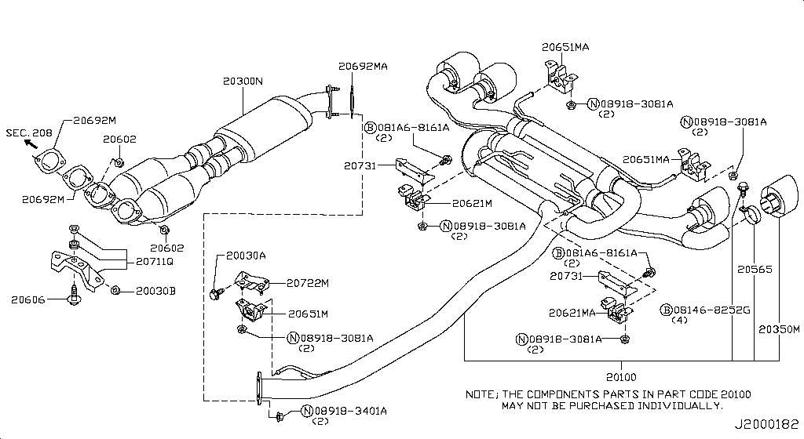
022 - Exhaust Tube & Muffler | 251 matched part(s)
App. model: C.(TRACK+NISMO), VR38DETT.(TRACK+BLACK+PREMIUM+NISMO), VR38DETT • [04.2016 - 07.2016 ... 06.2014 - 11.2014]
 | OEM | Description | Applies / Details | Period | Notes | Match
 | 11298-4M411 | Bolt |  |  |  | bolt
 | 11298-AG001 | Bolt |  |  |  | bolt
 | 11298-4M406 | Bolt |  |  |  | bolt
 | 11298-2J212 | Bolt |  |  |  | bolt
 | 08158-62528 | Bolt |  |  |  | bolt
 | 08158-62533 | Bolt |  |  |  | bolt
 | 08158-6205N | Bolt |  |  |  | bolt
 | 081A8-6251A | Bolt |  |  |  | bolt
 | 081A1-0451A | Bolt |  |  |  | bolt
 | 55479-4P00A | Bolt |  |  |  | bolt
 | 54459-8J00A | Bolt |  |  |  | bolt
 | 55226-AQ50A | Bolt |  |  |  | bolt
 | 55226-JA01C | Bolt |  |  |  | bolt
 | 081B6-8901A | Bolt |  |  |  | bolt
 | 01125-00931 | Bolt |  |  |  | bolt
 | 081B6-8205M | Bolt |  |  |  | bolt
 | 01121-N6141 | Bolt |  |  |  | bolt
 | 62297-1BA0A | Bolt |  |  |  | bolt
 | 87850-8990A | Bolt | C.(TRACK+NISMO) | 04.2016 - 07.2016 |  | bolt
 | 20606-6AV0B | Bolt | VR38DETT.(TRACK+BLACK+PREMIUM+NISMO) | 07.2016 - 08.2017 |  | bolt
 | 01125-E6041 | Bolt | VR38DETT | 08.2017 - ... |  | bolt
 | 13224-AD22B | Bolt | VR38DETT | 08.2017 - ... |  | bolt
 | 11298-JF00A | Bolt | VR38DETT | 08.2017 - ... |  | bolt
 | 10004-4W00C | Bolt | VR38DETT | 08.2017 - ... |  | bolt
 | 14069-JD70A | Bolt | VR38DETT | 08.2017 - ... |  | bolt
 | 11916-JF00A | Bolt | VR38DETT | 08.2017 - ... |  | bolt
...
001 - Bare & Short Engine | 0 matched part(s)
App. model: VR38DETT
023 - Catalyst Converter,Exhaust Fuel & Ure In | 4 matched part(s)
App. model: VR38DETT • [08.2017 - ...]
 | OEM | Description | Applies / Details | Period | Notes | Match
 | B08B2-JF20A | Converter | VR38DETT | 08.2017 - ...
 | B08B3-JF20A | Converter | VR38DETT | 08.2017 - ...
 | 14064-JF00E | Stud | VR38DETT | 08.2017 - ...
 | 14064-31U0C | Stud | VR38DETT | 08.2017 - ...
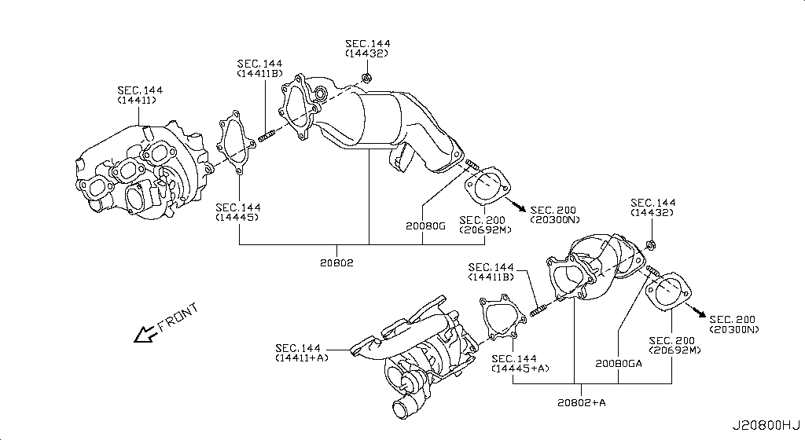
024 - Water Pump, Cooling Fan & Thermostat | 160 matched part(s)
App. model: C.(TRACK+NISMO), VR38DETT.(TRACK+BLACK+PREMIUM+NISMO), VR38DETT • [04.2016 - 07.2016 ... 03.2008 - 12.2010]
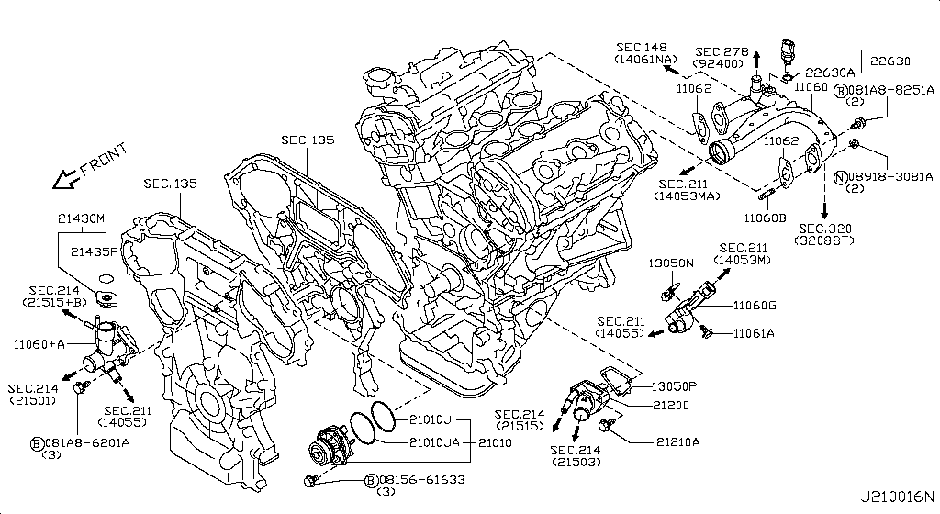
 | OEM | Description | Applies / Details | Period | Notes | Match
 | 11298-4M411 | Bolt |  |  |  | bolt
 | 11298-AG001 | Bolt |  |  |  | bolt
 | 11298-4M406 | Bolt |  |  |  | bolt
 | 11298-2J212 | Bolt |  |  |  | bolt
 | 08158-62528 | Bolt |  |  |  | bolt
 | 08158-62533 | Bolt |  |  |  | bolt
 | 08158-6205N | Bolt |  |  |  | bolt
 | 081A8-6251A | Bolt |  |  |  | bolt
 | 081A1-0451A | Bolt |  |  |  | bolt
 | 55479-4P00A | Bolt |  |  |  | bolt
 | 54459-8J00A | Bolt |  |  |  | bolt
 | 55226-AQ50A | Bolt |  |  |  | bolt
 | 55226-JA01C | Bolt |  |  |  | bolt
 | 081B6-8901A | Bolt |  |  |  | bolt
 | 01125-00931 | Bolt |  |  |  | bolt
 | 081B6-8205M | Bolt |  |  |  | bolt
 | 01121-N6141 | Bolt |  |  |  | bolt
 | 62297-1BA0A | Bolt |  |  |  | bolt
 | 87850-8990A | Bolt | C.(TRACK+NISMO) | 04.2016 - 07.2016 |  | bolt
 | 20606-6AV0B | Bolt | VR38DETT.(TRACK+BLACK+PREMIUM+NISMO) | 07.2016 - 08.2017 |  | bolt
 | 01125-E6041 | Bolt | VR38DETT | 08.2017 - ... |  | bolt
 | 13224-AD22B | Bolt | VR38DETT | 08.2017 - ... |  | bolt
 | 11298-JF00A | Bolt | VR38DETT | 08.2017 - ... |  | bolt
 | 10004-4W00C | Bolt | VR38DETT | 08.2017 - ... |  | bolt
 | 14069-JD70A | Bolt | VR38DETT | 08.2017 - ... |  | bolt
 | 11916-JF00A | Bolt | VR38DETT | 08.2017 - ... |  | bolt
...
001 - Bare & Short Engine | 0 matched part(s)
App. model: VR38DETT
 | 21049-JK20B | Ring O | VR38DETT | 08.2017 - ...
 | 21304-JF00A | Ring O | VR38DETT | 08.2017 - ...
 | 15066-JF00A | Ring-O | VR38DETT | 08.2017 - ...
 | 22630-44B20 | Sensor Assy-Tem | VR38DETT | 08.2017 - ... |  | sensor
 | 14895-2Y52A | Stud-Pilot Poin | VR38DETT | 08.2017 - ...
 | 21200-JF01A | THERMOSTAT ASSY | Applies: VR38DETT | 03.2008 - 12.2010 | BEST OPTION FOR COOLING THEN DODSON | thermostat
 | 21200-KB50A | THERMOSTAT ASSY | VR38DETT | 08.2017 - ... | BEST OPTION FOR COOLING THEN DODSON | thermostat

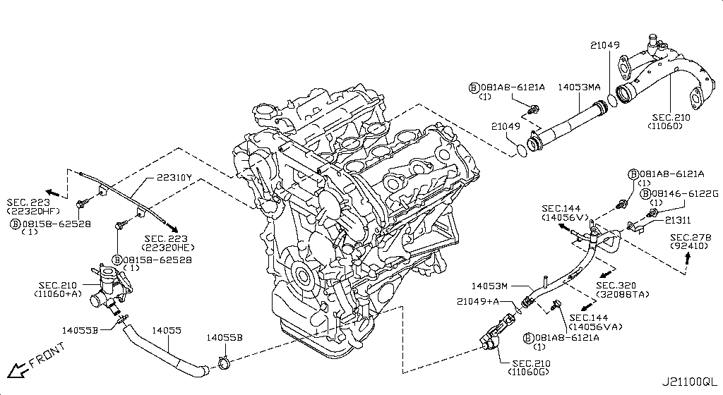
025 - Water Hose & Piping | 215 matched part(s)
App. model: C.(TRACK+NISMO), VR38DETT.(TRACK+BLACK+PREMIUM+NISMO), VR38DETT • [04.2016 - 07.2016 ... 12.2010 - 11.2013]
 | OEM | Description | Applies / Details | Period | Notes | Match
 | 08158-62528 | Bolt |  |  |  | bolt
 | 11298-4M411 | Bolt |  |  |  | bolt
 | 11298-AG001 | Bolt |  |  |  | bolt
 | 11298-4M406 | Bolt |  |  |  | bolt
 | 11298-2J212 | Bolt |  |  |  | bolt
 | 08158-62533 | Bolt |  |  |  | bolt
 | 08158-6205N | Bolt |  |  |  | bolt
 | 081A8-6251A | Bolt |  |  |  | bolt
 | 081A1-0451A | Bolt |  |  |  | bolt
 | 55479-4P00A | Bolt |  |  |  | bolt
 | 54459-8J00A | Bolt |  |  |  | bolt
 | 55226-AQ50A | Bolt |  |  |  | bolt
 | 55226-JA01C | Bolt |  |  |  | bolt
 | 081B6-8901A | Bolt |  |  |  | bolt
 | 01125-00931 | Bolt |  |  |  | bolt
 | 081B6-8205M | Bolt |  |  |  | bolt
 | 01121-N6141 | Bolt |  |  |  | bolt
 | 62297-1BA0A | Bolt |  |  |  | bolt
 | 87850-8990A | Bolt | C.(TRACK+NISMO) | 04.2016 - 07.2016 |  | bolt
 | 20606-6AV0B | Bolt | VR38DETT.(TRACK+BLACK+PREMIUM+NISMO) | 07.2016 - 08.2017 |  | bolt
 | 01125-E6041 | Bolt | VR38DETT | 08.2017 - ... |  | bolt
 | 13224-AD22B | Bolt | VR38DETT | 08.2017 - ... |  | bolt
 | 11298-JF00A | Bolt | VR38DETT | 08.2017 - ... |  | bolt
 | 10004-4W00C | Bolt | VR38DETT | 08.2017 - ... |  | bolt
 | 14069-JD70A | Bolt | VR38DETT | 08.2017 - ... |  | bolt
 | 11916-JF00A | Bolt | VR38DETT | 08.2017 - ... |  | bolt
...
001 - Bare & Short Engine | 0 matched part(s)
App. model: VR38DETT
 | 21049-31U00 | Seal-O Ring | VR38DETT | 08.2017 - ... |  | seal
 | 92477-4GF1A | Seal-O Ring | C | 08.2017 - ... |  | seal
 | 92477-4GF0A | Seal-O Ring | C | 08.2017 - ... |  | seal
 | 49359-AA000 | Seal-O Ring | VR38DETT | 08.2017 - ... |  | seal
 | 49862-04E00 | Seal-O Ring | VR38DETT | 08.2017 - ... |  | seal
 | 49345-6N200 | Seal-O Ring | VR38DETT | 08.2017 - ... |  | seal
 | 21022-JF00C | Tube-Connector | VR38DETT | 08.2017 - ... |  | connector, tube

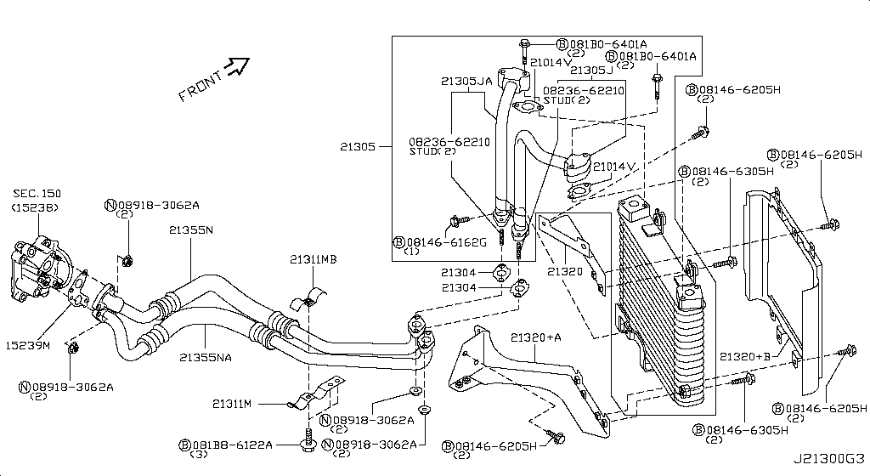
026 - Oil Cooler | 77 matched part(s)
App. model: C, VR38DETT, GR6 • [08.2017 - ... ... 11.2014 - 04.2016]
 | OEM | Description | Applies / Details | Period | Notes | Match
 | 081B0-8251A | Bolt-Hex |  |  |  | bolt
 | 081B6-6125M | Bolt-Hex |  |  |  | bolt
 | 081B6-6165M | Bolt-Hex |  |  |  | bolt
 | 081B8-6201A | Bolt-Hex |  |  |  | bolt
 | 081B0-6401A | Bolt-Hex |  |  |  | bolt
 | 081B8-6122A | Bolt-Hex |  |  |  | bolt
 | 08156-6165N | Bolt-Hex |  |  |  | bolt
 | 08120-8302A | Bolt-Hex |  |  |  | bolt
 | 08146-6125G | Bolt-Hex |  |  |  | bolt
 | 08156-61228 | Bolt-Hex |  |  |  | bolt
 | 081A4-0301A | Bolt-Hex |  |  |  | bolt
 | 08147-0162G | Bolt-Hex |  |  |  | bolt
 | 08146-6352G | Bolt-Hex |  |  |  | bolt
 | 08120-8162E | Bolt-Hex |  |  |  | bolt
 | 08156-63033 | Bolt-Hex |  |  |  | bolt
 | 08146-6255H | Bolt-Hex |  |  |  | bolt
 | 01121-04761 | Bolt-Hex | C | 08.2017 - ... |  | bolt
 | 80498-40U0B | Bolt Hex | C | 08.2017 - ... |  | bolt
 | 08146-6122G | Bolt-Hex | C | 11.2007 - 11.2010 |  | bolt
 | 08120-61633 | Bolt-Hex | VR38DETT | 11.2007 - 11.2010 |  | bolt
 | 08146-8162G | Bolt-Hex | C | 11.2007 - 11.2010 |  | bolt
 | 08146-6165G | Bolt-Hex | C | 11.2007 - 11.2010 |  | bolt
 | 08146-6162G | Bolt-Hex | VR38DETT | 11.2013 - 11.2014 |  | bolt
 | 081B0-8401A | Bolt-Hex | VR38DETT | 11.2013 - 11.2014 |  | bolt
 | 08120-64028 | Bolt-Hex | VR38DETT | 11.2013 - 11.2014 |  | bolt
 | 081B0-6161A | Bolt-Hex | VR38DETT | 11.2013 - 11.2014 |  | bolt
...
001 - Bare & Short Engine | 0 matched part(s)
App. model: VR38DETT
 | 15066-31U02 | Ring-O | VR38DETT | 08.2017 - ...
 | 15066-31U03 | Ring-O | VR38DETT | 08.2017 - ...
 | 15066-JA10A | Ring-O | VR38DETT | 08.2017 - ...
 | 21049-JK20A | Ring O | VR38DETT | 08.2017 - ...
 | 21049-JK20B | Ring O | VR38DETT | 08.2017 - ...
 | 15066-JF00A | Ring-O | VR38DETT | 08.2017 - ...
 | 08236-62210 | Stud-Coarse
 | 08233-82010 | Stud-Coarse

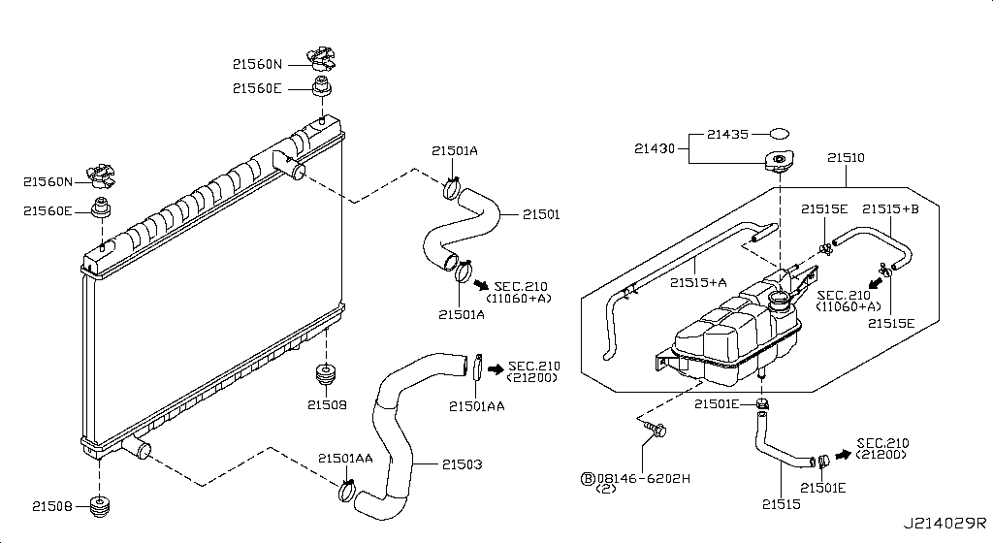
027 - Radiator,Shroud & Inverter Cooling | 99 matched part(s)
App. model: C, VR38DETT, GR6 • [08.2017 - ... ... 11.2013 - 02.2014]
 | OEM | Description | Applies / Details | Period | Notes | Match
 | 081B0-8251A | Bolt-Hex |  |  |  | bolt
 | 081B6-6125M | Bolt-Hex |  |  |  | bolt
 | 081B6-6165M | Bolt-Hex |  |  |  | bolt
 | 081B8-6201A | Bolt-Hex |  |  |  | bolt
 | 081B0-6401A | Bolt-Hex |  |  |  | bolt
 | 081B8-6122A | Bolt-Hex |  |  |  | bolt
 | 08156-6165N | Bolt-Hex |  |  |  | bolt
 | 08120-8302A | Bolt-Hex |  |  |  | bolt
 | 08146-6125G | Bolt-Hex |  |  |  | bolt
 | 08156-61228 | Bolt-Hex |  |  |  | bolt
 | 081A4-0301A | Bolt-Hex |  |  |  | bolt
 | 08147-0162G | Bolt-Hex |  |  |  | bolt
 | 08146-6352G | Bolt-Hex |  |  |  | bolt
 | 08120-8162E | Bolt-Hex |  |  |  | bolt
 | 08156-63033 | Bolt-Hex |  |  |  | bolt
 | 08146-6255H | Bolt-Hex |  |  |  | bolt
 | 01121-04761 | Bolt-Hex | C | 08.2017 - ... |  | bolt
 | 80498-40U0B | Bolt Hex | C | 08.2017 - ... |  | bolt
 | 08146-6122G | Bolt-Hex | C | 11.2007 - 11.2010 |  | bolt
 | 08120-61633 | Bolt-Hex | VR38DETT | 11.2007 - 11.2010 |  | bolt
 | 08146-8162G | Bolt-Hex | C | 11.2007 - 11.2010 |  | bolt
 | 08146-6165G | Bolt-Hex | C | 11.2007 - 11.2010 |  | bolt
 | 08146-6202H | Bolt-Hex | C | 11.2013 - 11.2014 |  | bolt
 | 081B0-8401A | Bolt-Hex | VR38DETT | 11.2013 - 11.2014 |  | bolt
 | 08120-64028 | Bolt-Hex | VR38DETT | 11.2013 - 11.2014 |  | bolt
 | 081B0-6161A | Bolt-Hex | VR38DETT | 11.2013 - 11.2014 |  | bolt
...
001 - Bare & Short Engine | 0 matched part(s)
App. model: VR38DETT
 | 21435-C991A | Label-Caution | VR38DETT | 08.2017 - ...
 | 98590-79920 | Label-Caution | C | 08.2017 - ...
 | 21506-10V00 | Mountg Rubr-Rad |  |  |  | mount
 | 21508-JF00A | Mounting |  |  |  | mount
 | 20651-JF00A | Mounting | *VR38DETT.(PURE+NISMO) SpecCode: [MFLR3] TITAN MFLR | 11.2013 - 11.2014 |  | mount
 | 20651-KB50A | Mounting | *VR38DETT.(PURE+NISMO) SpecCode: [MFLR3] TITAN MFLR | 11.2013 - 11.2014 |  | mount
 | 21710-JF10A | Tank-Reserve

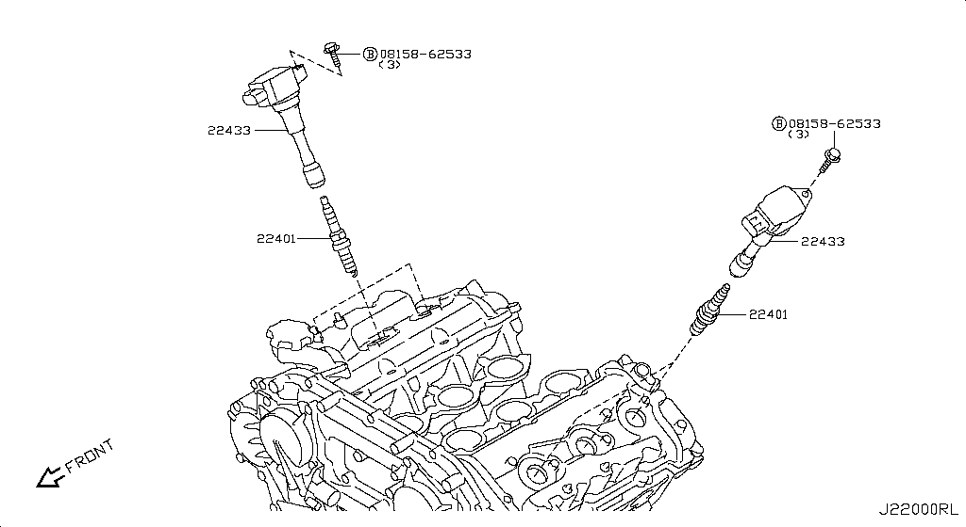
028 - Ignition System | 79 matched part(s)
App. model: C.(TRACK+NISMO), VR38DETT.(TRACK+BLACK+PREMIUM+NISMO), VR38DETT • [04.2016 - 07.2016 ... 11.2014 - 04.2016]
 | OEM | Description | Applies / Details | Period | Notes | Match
 | 08158-62533 | Bolt |  |  |  | bolt
 | 11298-4M411 | Bolt |  |  |  | bolt
 | 11298-AG001 | Bolt |  |  |  | bolt
 | 11298-4M406 | Bolt |  |  |  | bolt
 | 11298-2J212 | Bolt |  |  |  | bolt
 | 08158-62528 | Bolt |  |  |  | bolt
 | 08158-6205N | Bolt |  |  |  | bolt
 | 081A8-6251A | Bolt |  |  |  | bolt
 | 081A1-0451A | Bolt |  |  |  | bolt
 | 55479-4P00A | Bolt |  |  |  | bolt
 | 54459-8J00A | Bolt |  |  |  | bolt
 | 55226-AQ50A | Bolt |  |  |  | bolt
 | 55226-JA01C | Bolt |  |  |  | bolt
 | 081B6-8901A | Bolt |  |  |  | bolt
 | 01125-00931 | Bolt |  |  |  | bolt
 | 081B6-8205M | Bolt |  |  |  | bolt
 | 01121-N6141 | Bolt |  |  |  | bolt
 | 62297-1BA0A | Bolt |  |  |  | bolt
 | 87850-8990A | Bolt | C.(TRACK+NISMO) | 04.2016 - 07.2016 |  | bolt
 | 20606-6AV0B | Bolt | VR38DETT.(TRACK+BLACK+PREMIUM+NISMO) | 07.2016 - 08.2017 |  | bolt
 | 01125-E6041 | Bolt | VR38DETT | 08.2017 - ... |  | bolt
 | 13224-AD22B | Bolt | VR38DETT | 08.2017 - ... |  | bolt
 | 11298-JF00A | Bolt | VR38DETT | 08.2017 - ... |  | bolt
 | 10004-4W00C | Bolt | VR38DETT | 08.2017 - ... |  | bolt
 | 14069-JD70A | Bolt | VR38DETT | 08.2017 - ... |  | bolt
 | 11916-JF00A | Bolt | VR38DETT | 08.2017 - ... |  | bolt
...
001 - Bare & Short Engine | 0 matched part(s)
App. model: VR38DETT
 | 20606-JF60B | Bolt | *VR38DETT.(PURE+NISMO) SpecCode: [MFLR3] TITAN MFLR | 11.2013 - 11.2014 |  | bolt
 | 08158-8251F | Bolt | VR38DETT | 11.2013 - 11.2014 |  | bolt
 | 08158-8301F | Bolt | VR38DETT | 11.2013 - 11.2014 |  | bolt
 | 01225-N6011 | Bolt | *C.PURE SpecCode: [SPKRB] BOSE AUDIO | 11.2013 - 12.2013 |  | bolt
 | 16122-5Y70A | Bolt | VR38DETT.NISMO | 11.2014 - 04.2016 |  | bolt
 | 22448-JF00B | Coil-Ignition | VR38DETT | 08.2017 - ... |  | coil, ignition
 | 22401-JF01D | Plug-Spark | VR38DETT | 08.2017 - ... |  | plug

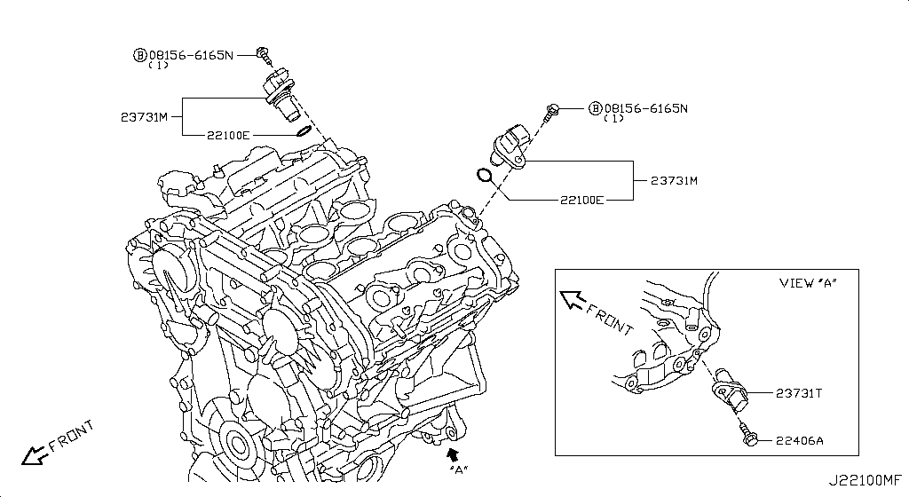
029 - Distributor & Ignition Timing Sensor | 87 matched part(s)
App. model: C, VR38DETT, GR6 • [08.2017 - ... ... 11.2007 - 12.2009]
 | OEM | Description | Applies / Details | Period | Notes | Match
 | 08156-6165N | Bolt-Hex |  |  |  | bolt
 | 081B0-8251A | Bolt-Hex |  |  |  | bolt
 | 081B6-6125M | Bolt-Hex |  |  |  | bolt
 | 081B6-6165M | Bolt-Hex |  |  |  | bolt
 | 081B8-6201A | Bolt-Hex |  |  |  | bolt
 | 081B0-6401A | Bolt-Hex |  |  |  | bolt
 | 081B8-6122A | Bolt-Hex |  |  |  | bolt
 | 08120-8302A | Bolt-Hex |  |  |  | bolt
 | 08146-6125G | Bolt-Hex |  |  |  | bolt
 | 08156-61228 | Bolt-Hex |  |  |  | bolt
 | 081A4-0301A | Bolt-Hex |  |  |  | bolt
 | 08147-0162G | Bolt-Hex |  |  |  | bolt
 | 08146-6352G | Bolt-Hex |  |  |  | bolt
 | 08120-8162E | Bolt-Hex |  |  |  | bolt
 | 08156-63033 | Bolt-Hex |  |  |  | bolt
 | 08146-6255H | Bolt-Hex |  |  |  | bolt
 | 01121-04761 | Bolt-Hex | C | 08.2017 - ... |  | bolt
 | 80498-40U0B | Bolt Hex | C | 08.2017 - ... |  | bolt
 | 08146-6122G | Bolt-Hex | C | 11.2007 - 11.2010 |  | bolt
 | 08120-61633 | Bolt-Hex | VR38DETT | 11.2007 - 11.2010 |  | bolt
 | 08146-8162G | Bolt-Hex | C | 11.2007 - 11.2010 |  | bolt
 | 08146-6165G | Bolt-Hex | C | 11.2007 - 11.2010 |  | bolt
 | 081B0-8401A | Bolt-Hex | VR38DETT | 11.2013 - 11.2014 |  | bolt
 | 08120-64028 | Bolt-Hex | VR38DETT | 11.2013 - 11.2014 |  | bolt
 | 081B0-6161A | Bolt-Hex | VR38DETT | 11.2013 - 11.2014 |  | bolt
 | 081B0-6255M | Bolt-Hex | VR38DETT | 11.2013 - 11.2014 |  | bolt
...
001 - Bare & Short Engine | 0 matched part(s)
App. model: VR38DETT
 | 01451-00841 | Screw | C.(PURE+TRACK+PREMIUM) | 08.2017 - ...
 | 68198-B412A | Screw | C | 08.2017 - ...
 | 08168-6121A | Screw | C | 11.2007 - 12.2009
 | 01456-00031 | Screw | C.(GTR+BLACK+PREMIUM) | 11.2007 - 12.2009
 | 08168-6161A | Screw | C | 11.2007 - 12.2009
 | 01456-00631 | Screw | *C.PURE SpecCode: [SPKRB] BOSE AUDIO | 11.2013 - 11.2014
 | 809A9-JF70C | Screw | C.PURE | 11.2013 - 11.2014

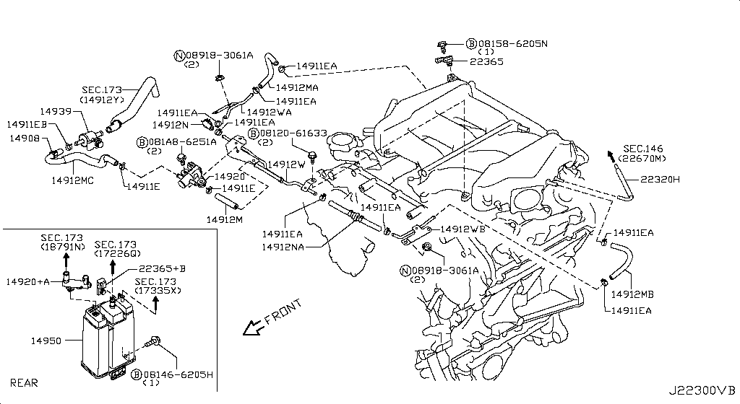
030 - Engine Control Vacuum Piping | 203 matched part(s)
App. model: C.(TRACK+NISMO), VR38DETT.(TRACK+BLACK+PREMIUM+NISMO), VR38DETT • [04.2016 - 07.2016 ... 11.2013 - 05.2014]
 | OEM | Description | Applies / Details | Period | Notes | Match
 | 08158-6205N | Bolt |  |  |  | bolt
 | 11298-4M411 | Bolt |  |  |  | bolt
 | 11298-AG001 | Bolt |  |  |  | bolt
 | 11298-4M406 | Bolt |  |  |  | bolt
 | 11298-2J212 | Bolt |  |  |  | bolt
 | 08158-62528 | Bolt |  |  |  | bolt
 | 08158-62533 | Bolt |  |  |  | bolt
 | 081A8-6251A | Bolt |  |  |  | bolt
 | 081A1-0451A | Bolt |  |  |  | bolt
 | 55479-4P00A | Bolt |  |  |  | bolt
 | 54459-8J00A | Bolt |  |  |  | bolt
 | 55226-AQ50A | Bolt |  |  |  | bolt
 | 55226-JA01C | Bolt |  |  |  | bolt
 | 081B6-8901A | Bolt |  |  |  | bolt
 | 01125-00931 | Bolt |  |  |  | bolt
 | 081B6-8205M | Bolt |  |  |  | bolt
 | 01121-N6141 | Bolt |  |  |  | bolt
 | 62297-1BA0A | Bolt |  |  |  | bolt
 | 87850-8990A | Bolt | C.(TRACK+NISMO) | 04.2016 - 07.2016 |  | bolt
 | 20606-6AV0B | Bolt | VR38DETT.(TRACK+BLACK+PREMIUM+NISMO) | 07.2016 - 08.2017 |  | bolt
 | 01125-E6041 | Bolt | VR38DETT | 08.2017 - ... |  | bolt
 | 13224-AD22B | Bolt | VR38DETT | 08.2017 - ... |  | bolt
 | 11298-JF00A | Bolt | VR38DETT | 08.2017 - ... |  | bolt
 | 10004-4W00C | Bolt | VR38DETT | 08.2017 - ... |  | bolt
 | 14069-JD70A | Bolt | VR38DETT | 08.2017 - ... |  | bolt
 | 11916-JF00A | Bolt | VR38DETT | 08.2017 - ... |  | bolt
...
001 - Bare & Short Engine | 0 matched part(s)
App. model: VR38DETT
 | 14930-JA10B | Valve assembly-control | VR38DETT | 11.2007 - 11.2010 |  | valve
 | 14930-JA10A | Valve assembly, control | VR38DETT | 11.2013 - 05.2014 |  | valve
 | 14939-EA200 | Valve Assy | VR38DETT | 08.2017 - ... |  | valve
 | 49165-WL70A | Valve Assy | VR38DETT | 08.2017 - ... |  | valve
 | 14935-JF00D | Valve Control | VR38DETT.TRACK | 04.2016 - 07.2016 |  | valve
 | 14930-JA10D | Valve Control | VR38DETT | 08.2017 - ... |  | valve
 | 11810-JF00A | Valve Control | VR38DETT | 08.2017 - ... |  | valve

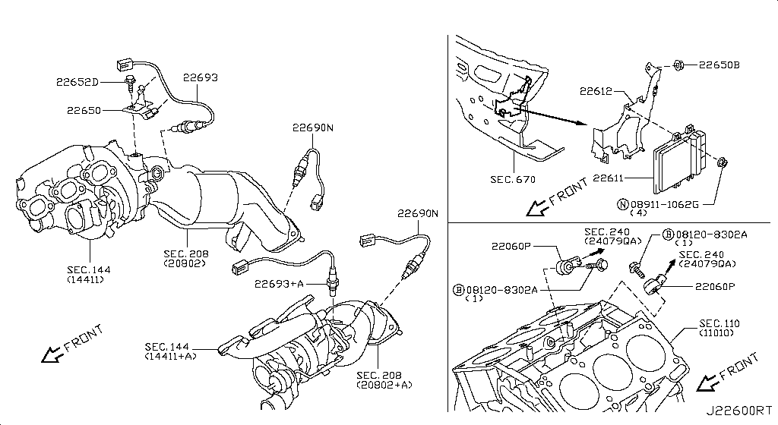
031 - Engine Control Module | 181 matched part(s)
App. model: VR38DETT, C.(TRACK+NISMO), VR38DETT.(TRACK+BLACK+PREMIUM+NISMO) • [08.2017 - ... ... 06.2014 - 11.2014]
 | OEM | Description | Applies / Details | Period | Notes | Match
 | 22693-JF00A | AIR FUEL RATIO SENSOR | VR38DETT | 08.2017 - ... | 2024 FAN MOTOR | fan, motor, sensor
 | 22693-JF00B | AIR FUEL RATIO SENSOR | VR38DETT | 08.2017 - ... | 2024 FAN MOTOR | fan, motor, sensor
 | 11298-4M411 | Bolt |  |  |  | bolt
 | 11298-AG001 | Bolt |  |  |  | bolt
 | 11298-4M406 | Bolt |  |  |  | bolt
 | 11298-2J212 | Bolt |  |  |  | bolt
 | 08158-62528 | Bolt |  |  |  | bolt
 | 08158-62533 | Bolt |  |  |  | bolt
 | 08158-6205N | Bolt |  |  |  | bolt
 | 081A8-6251A | Bolt |  |  |  | bolt
 | 081A1-0451A | Bolt |  |  |  | bolt
 | 55479-4P00A | Bolt |  |  |  | bolt
 | 54459-8J00A | Bolt |  |  |  | bolt
 | 55226-AQ50A | Bolt |  |  |  | bolt
 | 55226-JA01C | Bolt |  |  |  | bolt
 | 081B6-8901A | Bolt |  |  |  | bolt
 | 01125-00931 | Bolt |  |  |  | bolt
 | 081B6-8205M | Bolt |  |  |  | bolt
 | 01121-N6141 | Bolt |  |  |  | bolt
 | 62297-1BA0A | Bolt |  |  |  | bolt
 | 87850-8990A | Bolt | C.(TRACK+NISMO) | 04.2016 - 07.2016 |  | bolt
 | 20606-6AV0B | Bolt | VR38DETT.(TRACK+BLACK+PREMIUM+NISMO) | 07.2016 - 08.2017 |  | bolt
 | 14069-JD70A | Bolt | VR38DETT | 08.2017 - ... |  | bolt
 | 01125-E6041 | Bolt | VR38DETT | 08.2017 - ... |  | bolt
 | 13224-AD22B | Bolt | VR38DETT | 08.2017 - ... |  | bolt
 | 11298-JF00A | Bolt | VR38DETT | 08.2017 - ... |  | bolt
...
001 - Bare & Short Engine | 0 matched part(s)
App. model: VR38DETT
 | 08911-1082G | Nut-Hex | VR38DETT | 11.2013 - 11.2014 |  | nut
 | 08911-1052G | Nut-Hex | C | 11.2013 - 11.2014 |  | nut
 | 08918-1081A | Nut-Hex | C | 11.2013 - 11.2014 |  | nut
 | 226A0-EN21A | Sensor Assy-O2 | VR38DETT | 08.2017 - ... |  | sensor
 | 22650-JF00B | Sensor Assy-Pre | VR38DETT | 08.2017 - ... |  | sensor
 | 49763-6N20A | Sensor Assy-Pre | VR38DETT | 08.2017 - ... |  | sensor
 | 23710-89S3A | Unit Control

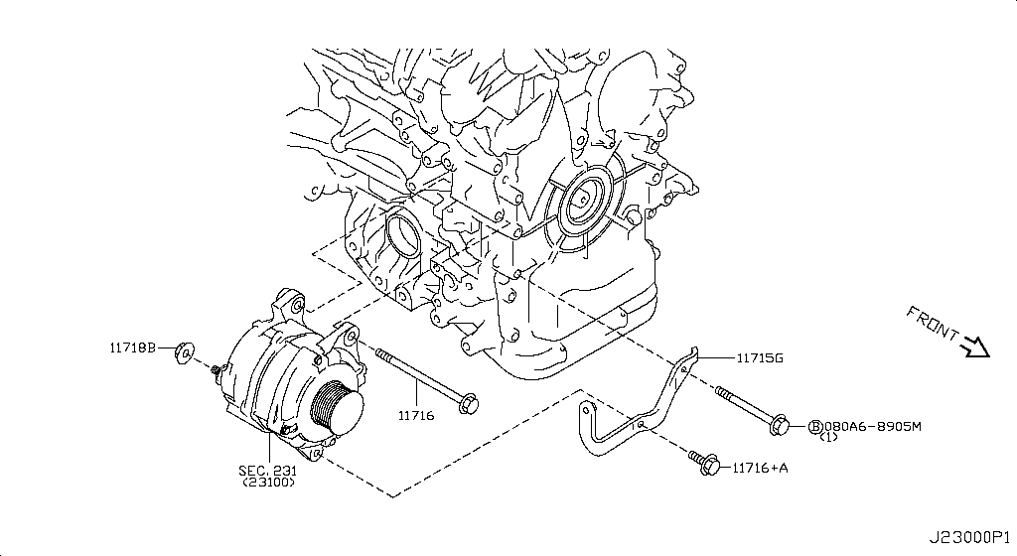
032 - Alternator Fitting | 103 matched part(s)
App. model: C.(TRACK+NISMO), VR38DETT.(TRACK+BLACK+PREMIUM+NISMO), VR38DETT • [04.2016 - 07.2016 ... 11.2014 - 04.2016]
 | OEM | Description | Applies / Details | Period | Notes | Match
 | 23100-JF01A | Alternator Assy |  |  |  | alternator
 | 23120-30R1A | Bearing-Ball |  |  |  | bearing
 | 23120-22J2A | Bearing-Ball |  |  |  | bearing
 | 11298-4M411 | Bolt |  |  |  | bolt
 | 11298-AG001 | Bolt |  |  |  | bolt
 | 11298-4M406 | Bolt |  |  |  | bolt
 | 11298-2J212 | Bolt |  |  |  | bolt
 | 08158-62528 | Bolt |  |  |  | bolt
 | 08158-62533 | Bolt |  |  |  | bolt
 | 08158-6205N | Bolt |  |  |  | bolt
 | 081A8-6251A | Bolt |  |  |  | bolt
 | 081A1-0451A | Bolt |  |  |  | bolt
 | 55479-4P00A | Bolt |  |  |  | bolt
 | 54459-8J00A | Bolt |  |  |  | bolt
 | 55226-AQ50A | Bolt |  |  |  | bolt
 | 55226-JA01C | Bolt |  |  |  | bolt
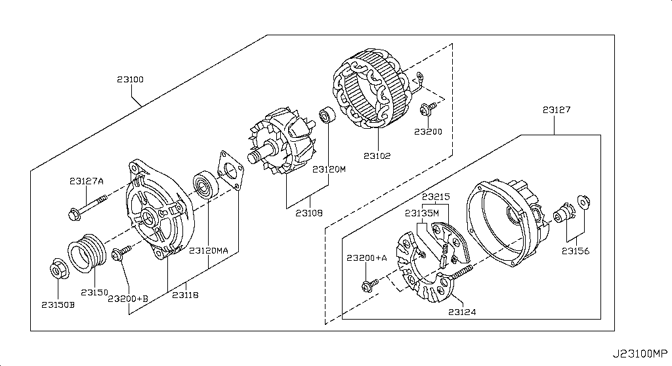
 | 081B6-8901A | Bolt |  |  |  | bolt
 | 01125-00931 | Bolt |  |  |  | bolt
 | 081B6-8205M | Bolt |  |  |  | bolt
 | 01121-N6141 | Bolt |  |  |  | bolt
 | 62297-1BA0A | Bolt |  |  |  | bolt
 | 87850-8990A | Bolt | C.(TRACK+NISMO) | 04.2016 - 07.2016 |  | bolt
 | 20606-6AV0B | Bolt | VR38DETT.(TRACK+BLACK+PREMIUM+NISMO) | 07.2016 - 08.2017 |  | bolt
 | 11916-JF00A | Bolt | VR38DETT | 08.2017 - ... |  | bolt
 | 01125-E6041 | Bolt | VR38DETT | 08.2017 - ... |  | bolt
 | 13224-AD22B | Bolt | VR38DETT | 08.2017 - ... |  | bolt
 | 11298-JF00A | Bolt | VR38DETT | 08.2017 - ... |  | bolt
 | 10004-4W00C | Bolt | VR38DETT | 08.2017 - ... |  | bolt
 | 14069-JD70A | Bolt | VR38DETT | 08.2017 - ... |  | bolt
 | 11916-JF01A | Bolt | VR38DETT | 08.2017 - ... |  | bolt
 | 25628-3H00A | Bolt | C | 08.2017 - ... |  | bolt
 | 11916-JF00D | Bolt | VR38DETT | 08.2017 - ... |  | bolt
 | 31377-JF00C | Bolt | GR6 | 08.2017 - ... |  | bolt
 | 31377-JF00E | Bolt | GR6 | 08.2017 - ... |  | bolt
 | 11298-4M418 | Bolt | VR38DETT | 08.2017 - ... |  | bolt
 | 40178-EG06C | Bolt | VR38DETT | 08.2017 - ... |  | bolt
 | 55222-0M00B | Bolt | VR38DETT | 08.2017 - ... |  | bolt
 | 48935-5V10A | Bolt | VR38DETT | 08.2017 - ... |  | bolt
 | 48935-4P00A | Bolt | VR38DETT | 08.2017 - ... |  | bolt
 | 48935-JF00B | Bolt | VR38DETT | 08.2017 - ... |  | bolt
 | 49164-1AA0A | Bolt | VR38DETT | 08.2017 - ... |  | bolt
 | 49738-1BA0A | Bolt | VR38DETT | 08.2017 - ... |  | bolt
 | 49738-JF00A | Bolt | VR38DETT | 08.2017 - ... |  | bolt
...
001 - Bare & Short Engine | 0 matched part(s)
App. model: VR38DETT
 | 23200-BC40A | Screw Set
 | 23200-EG911 | Screw Set
 | 23115-20P10 | Screw Set
 | D1136-JF20A | Screw Set | VR38DETT | 08.2017 - ...
 | 23102-5X21A | Stator Assy
 | 11715-JF00B | Stay-Bar Adjust | VR38DETT | 08.2017 - ...
 | 23156-BC40A | Terminal Assy-B

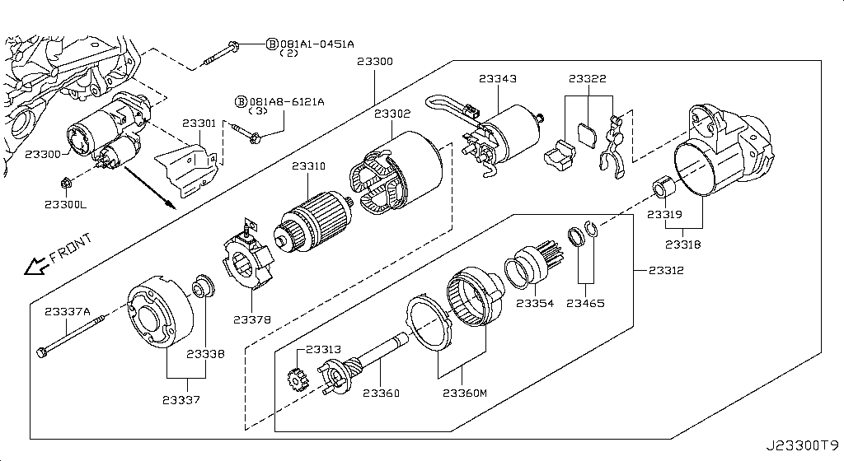
034 - Starter Motor | 98 matched part(s)
App. model: C.(TRACK+NISMO), VR38DETT.(TRACK+BLACK+PREMIUM+NISMO), VR38DETT • [04.2016 - 07.2016 ... 11.2014 - 04.2016]
 | OEM | Description | Applies / Details | Period | Notes | Match
 | 23310-8Y000 | Armature Assy
 | 23338-8Y000 | Bearing |  |  |  | bearing
 | 081A1-0451A | Bolt |  |  |  | bolt
 | 11298-4M411 | Bolt |  |  |  | bolt
 | 11298-AG001 | Bolt |  |  |  | bolt
 | 11298-4M406 | Bolt |  |  |  | bolt
 | 11298-2J212 | Bolt |  |  |  | bolt
 | 08158-62528 | Bolt |  |  |  | bolt
 | 08158-62533 | Bolt |  |  |  | bolt
 | 08158-6205N | Bolt |  |  |  | bolt
 | 081A8-6251A | Bolt |  |  |  | bolt
 | 55479-4P00A | Bolt |  |  |  | bolt
 | 54459-8J00A | Bolt |  |  |  | bolt
 | 55226-AQ50A | Bolt |  |  |  | bolt
 | 55226-JA01C | Bolt |  |  |  | bolt
 | 081B6-8901A | Bolt |  |  |  | bolt
 | 01125-00931 | Bolt |  |  |  | bolt
 | 081B6-8205M | Bolt |  |  |  | bolt
 | 01121-N6141 | Bolt |  |  |  | bolt
 | 62297-1BA0A | Bolt |  |  |  | bolt
 | 87850-8990A | Bolt | C.(TRACK+NISMO) | 04.2016 - 07.2016 |  | bolt
 | 20606-6AV0B | Bolt | VR38DETT.(TRACK+BLACK+PREMIUM+NISMO) | 07.2016 - 08.2017 |  | bolt
 | 01125-E6041 | Bolt | VR38DETT | 08.2017 - ... |  | bolt
 | 13224-AD22B | Bolt | VR38DETT | 08.2017 - ... |  | bolt
 | 11298-JF00A | Bolt | VR38DETT | 08.2017 - ... |  | bolt
 | 10004-4W00C | Bolt | VR38DETT | 08.2017 - ... |  | bolt
...
001 - Bare & Short Engine | 0 matched part(s)
App. model: VR38DETT
 | 23319-8Y000 | Metal Gear Case |  |  |  | gear
 | 23300-JF00C | Motor-Starter |  |  |  | motor, starter
 | 01221-00381 | Nut Retainer | C.(GTR+BLACK+PREMIUM) | 11.2007 - 12.2009 |  | nut
 | 23312-JF00B | Pinion Assy
 | 23465-42L70 | Stopper Pinion
 | 23343-JF00B | Sw-Magnetic
 | 23302-JF00B | Yoke

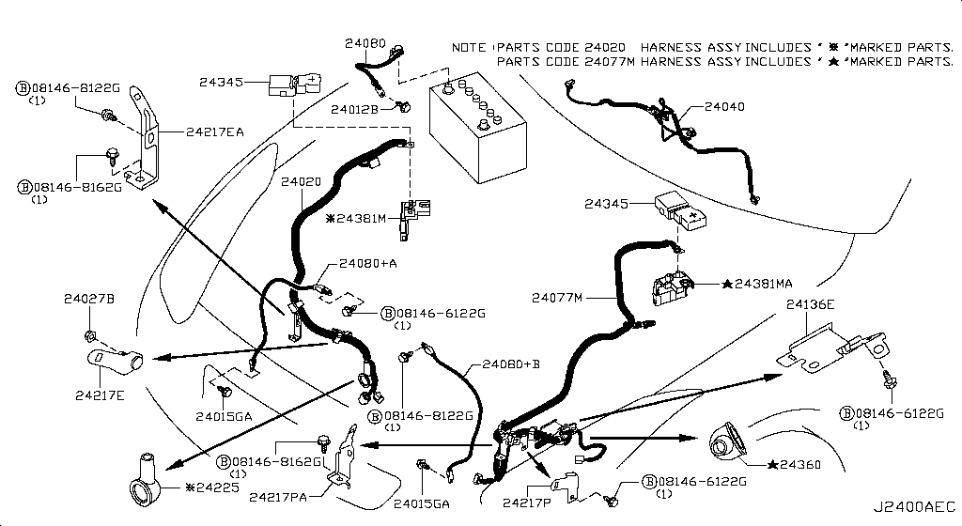
035 - Wiring | 380 matched part(s)
App. model: C.PREMIUM, C, Applies: C • [11.2013 - 07.2016 ... 06.2014 - 11.2014]
 | OEM | Description | Applies / Details | Period | Notes | Match
 | 24017-62B0B | 62B0B | C.PREMIUM | 11.2013 - 07.2016
 | 24351-79903 | Block | C | 11.2013 - 11.2014
 | 24350-JF00A | BLOCK ASSY-JUNCTION | Applies: C | 03.2008 - 10.2009 | IN CAR FUSE BOX | fuse
 | 24350-JW90A | BLOCK ASSY-JUNCTION | Applies: C | 10.2009 - 12.2010 | IN CAR FUSE BOX | fuse
 | 24350-KB51A | BLOCK ASSY-JUNCTION | C | 11.2007 - 12.2009 | IN CAR FUSE BOX | fuse
 | 24350-KB50A | BLOCK ASSY-JUNCTION | Applies: C | 12.2010 - 07.2012 | IN CAR FUSE BOX | fuse
 | 081B0-8251A | Bolt-Hex |  |  |  | bolt
 | 081B6-6125M | Bolt-Hex |  |  |  | bolt
 | 081B6-6165M | Bolt-Hex |  |  |  | bolt
 | 081B8-6201A | Bolt-Hex |  |  |  | bolt
 | 081B0-6401A | Bolt-Hex |  |  |  | bolt
 | 081B8-6122A | Bolt-Hex |  |  |  | bolt
 | 08156-6165N | Bolt-Hex |  |  |  | bolt
 | 08120-8302A | Bolt-Hex |  |  |  | bolt
 | 08146-6125G | Bolt-Hex |  |  |  | bolt
 | 08156-61228 | Bolt-Hex |  |  |  | bolt
 | 081A4-0301A | Bolt-Hex |  |  |  | bolt
 | 08147-0162G | Bolt-Hex |  |  |  | bolt
 | 08146-6352G | Bolt-Hex |  |  |  | bolt
 | 08120-8162E | Bolt-Hex |  |  |  | bolt
 | 08156-63033 | Bolt-Hex |  |  |  | bolt
 | 08146-6255H | Bolt-Hex |  |  |  | bolt
 | 01121-04761 | Bolt-Hex | C | 08.2017 - ... |  | bolt
 | 80498-40U0B | Bolt Hex | C | 08.2017 - ... |  | bolt
 | 08146-6122G | Bolt-Hex | C | 11.2007 - 11.2010 |  | bolt
 | 08120-61633 | Bolt-Hex | VR38DETT | 11.2007 - 11.2010 |  | bolt
...
001 - Bare & Short Engine | 0 matched part(s)
App. model: VR38DETT
 | 68198-B412A | Screw | C | 08.2017 - ...
 | 01456-00031 | Screw | C.(GTR+BLACK+PREMIUM) | 11.2007 - 12.2009
 | 08168-6121A | Screw | C | 11.2007 - 12.2009
 | 08168-6161A | Screw | C | 11.2007 - 12.2009
 | 01456-00631 | Screw | *C.PURE SpecCode: [SPKRB] BOSE AUDIO | 11.2013 - 11.2014
 | 809A9-JF70C | Screw | C.PURE | 11.2013 - 11.2014
 | 01456-00411 | Screw-Tap,With | C.(GTR+BLACK+PREMIUM) | 11.2007 - 12.2009

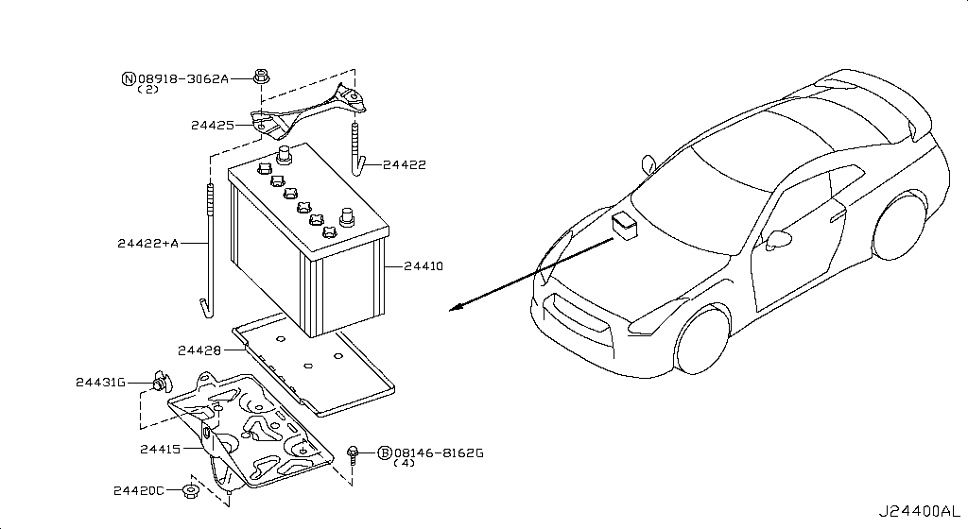
036 - Battery & Battery Mounting | 111 matched part(s)
App. model: VR38DETT, C, GR6 • [08.2017 - ... ... 06.2014 - 11.2014]
 | OEM | Description | Applies / Details | Period | Notes | Match
 | 24410-JF00G | Battery | VR38DETT | 08.2017 - ...
 | 24420-M7000 | Beam-Batt Setti | VR38DETT | 08.2017 - ...
 | 081B0-8251A | Bolt-Hex |  |  |  | bolt
 | 081B6-6125M | Bolt-Hex |  |  |  | bolt
 | 081B6-6165M | Bolt-Hex |  |  |  | bolt
 | 081B8-6201A | Bolt-Hex |  |  |  | bolt
 | 081B0-6401A | Bolt-Hex |  |  |  | bolt
 | 081B8-6122A | Bolt-Hex |  |  |  | bolt
 | 08156-6165N | Bolt-Hex |  |  |  | bolt
 | 08120-8302A | Bolt-Hex |  |  |  | bolt
 | 08146-6125G | Bolt-Hex |  |  |  | bolt
 | 08156-61228 | Bolt-Hex |  |  |  | bolt
 | 081A4-0301A | Bolt-Hex |  |  |  | bolt
 | 08147-0162G | Bolt-Hex |  |  |  | bolt
 | 08146-6352G | Bolt-Hex |  |  |  | bolt
 | 08120-8162E | Bolt-Hex |  |  |  | bolt
 | 08156-63033 | Bolt-Hex |  |  |  | bolt
 | 08146-6255H | Bolt-Hex |  |  |  | bolt
 | 01121-04761 | Bolt-Hex | C | 08.2017 - ... |  | bolt
 | 80498-40U0B | Bolt Hex | C | 08.2017 - ... |  | bolt
 | 08146-8162G | Bolt-Hex | C | 11.2007 - 11.2010 |  | bolt
 | 08146-6122G | Bolt-Hex | C | 11.2007 - 11.2010 |  | bolt
 | 08120-61633 | Bolt-Hex | VR38DETT | 11.2007 - 11.2010 |  | bolt
 | 08146-6165G | Bolt-Hex | C | 11.2007 - 11.2010 |  | bolt
 | 081B0-8401A | Bolt-Hex | VR38DETT | 11.2013 - 11.2014 |  | bolt
 | 08120-64028 | Bolt-Hex | VR38DETT | 11.2013 - 11.2014 |  | bolt
...
001 - Bare & Short Engine | 0 matched part(s)
App. model: VR38DETT
 | 08918-3061A | Nut-Flange,Hex | VR38DETT | 11.2007 - 11.2010 |  | nut
 | 08918-3401A | Nut-Flange,Hex | VR38DETT | 11.2013 - 11.2014 |  | nut
 | 08918-3081A | Nut-Flange,Hex | VR38DETT | 11.2013 - 11.2014 |  | nut
 | 08918-3082A | Nut-Flange,Hex | VR38DETT | 11.2013 - 11.2014 |  | nut
 | 24425-8990D | Rod Battery Fix | VR38DETT | 08.2017 - ...
 | 24425-8990B | Rod Battery Fix | VR38DETT | 08.2017 - ...
 | 24428-EN000 | Tray Support Ba | VR38DETT | 08.2017 - ...

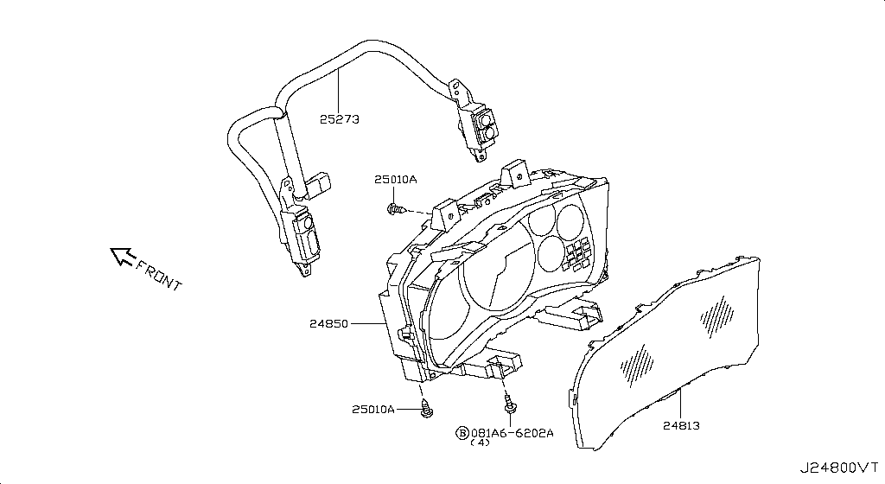
037 - Instrument Meter & Gauge | 36 matched part(s)
App. model: C, VR38DETT, C.(TRACK+NISMO) • [11.2007 - 11.2010 ... 08.2017 - 07.2018]
 | OEM | Description | Applies / Details | Period | Notes | Match
 | 081A6-6165M | Bolt-Flg,Hexgon |  |  |  | bolt
 | 081A6-6122A | Bolt-Flg,Hexgon |  |  |  | bolt
 | 081B4-2455M | Bolt-Flg,Hexgon |  |  |  | bolt
 | 081A6-6125M | Bolt-Flg,Hexgon |  |  |  | bolt
 | 081A6-6161A | Bolt-Flg,Hexgon | C | 11.2007 - 11.2010 |  | bolt
 | 081A6-6202A | Bolt-Flg,Hexgon | C | 11.2013 - 11.2014 |  | bolt
 | 081B4-2355M | Bolt-Flg,Hexgon | VR38DETT | 11.2013 - 11.2014 |  | bolt
 | 24813-JF00A | Cover-Front | C | 08.2017 - ... |  | cover
 | 32929-WL01A | Screw
 | 27111-2Y00A | Screw
 | 27111-2Y00B | Screw
 | 92128-JF00A | Screw
 | 92128-JF00B | Screw
 | 01436-01841 | Screw
 | 01454-00431 | Screw
 | 01125-03631 | Screw
 | 08313-41625 | Screw
 | 76838-JF00A | Screw
 | 25365-4GA0A | Screw | C.(TRACK+NISMO) | 04.2016 - 07.2016
 | 01451-00581 | Screw | C | 08.2017 - ...
 | 01436-01821 | Screw | VR38DETT | 08.2017 - ...
 | 97197-AD710 | Screw | C | 08.2017 - ...
 | 28899-AD00A | Screw | C | 08.2017 - ...
 | 01451-00841 | Screw | C.(PURE+TRACK+PREMIUM) | 08.2017 - ...
 | 68198-B412A | Screw | C | 08.2017 - ...
 | 08168-6121A | Screw | C | 11.2007 - 12.2009
...
001 - Bare & Short Engine | 0 matched part(s)
App. model: VR38DETT
 | 809A9-JF70C | Screw | C.PURE | 11.2013 - 11.2014
 | 24820-89S1A | Speedometer
 | 24820-62B1A | Speedometer assembly | C.TRACK | 04.2016 - 07.2016
 | 24820-6HS2A | Speedometer assembly | C.(PURE+TRACK+PREMIUM) | 07.2018 - ...
 | 24820-6AV1A | Speedometer assembly | C.(PURE+TRACK+PREMIUM) | 08.2017 - 07.2018
 | 25273-JF00A | Sw Assy-Meter D | C.(TRACK+NISMO) | 04.2016 - 07.2016
 | 25273-80B0A | Switch assembly-meter disply | C | 08.2017 - ... |  | switch

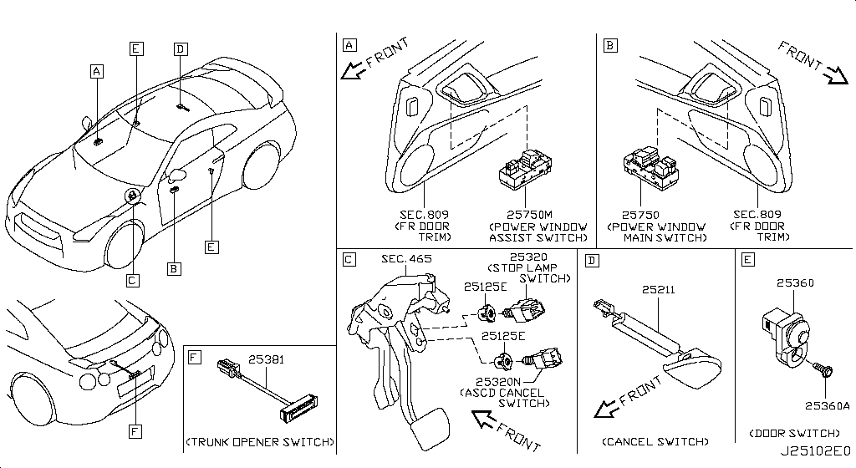
038 - Switch | 124 matched part(s)
App. model: C.(TRACK+NISMO), C, C.TRACK • [04.2016 - 07.2016 ... 07.2016 - 08.2017]
 | OEM | Description | Applies / Details | Period | Notes | Match
 | 25339-7J100 | Attachment tv | C.(TRACK+NISMO) | 04.2016 - 07.2016
 | 25331-3RA0B | Cigarette lighter compl | C | 08.2017 - ...
 | 25335-3RA0A | Cigarette lighter completerear | C | 08.2017 - ...
 | 46271-EW00A | Clip
 | 92551-JF00A | Clip
 | 92553-JF00A | Clip
 | 92554-JF00A | Clip
 | 92555-JF02A | Clip
 | 16439-17B0A | Clip
 | 62228-89S0A | Clip
 | 62228-89S0B | Clip
 | 63848-5L300 | Clip
 | 96938-4U01A | Clip
 | 96938-ED000 | Clip
 | 62318-4M400 | Clip
 | 01553-01A50 | Clip
 | 76882-AR002 | Clip
 | 01553-09131 | Clip
 | 01553-10631 | Clip
 | 01553-30001 | Clip
 | 76988-AM800 | Clip
 | 76988-JF00A | Clip
 | 62318-24U00 | Clip
 | 85284-EG000 | Clip
 | 01553-09611 | Clip
 | 26398-JF00C | Clip | C.TRACK | 04.2016 - 07.2016
...
001 - Bare & Short Engine | 0 matched part(s)
App. model: VR38DETT
 | 25320-JN00A | SWITCH ASSY-STOP LAMP | Applies: C | 12.2010 - 11.2013 |  | lamp, switch
 | 25145-KB51B | Switch assy-vehicle dynamics control | C.(TRACK+NISMO) | 04.2016 - 07.2016 |  | switch
 | 25145-80B0A | SWITCH ASSY-VEHICLE DYNAMICS CONTROL | Applies: C.(PURE+BLACK+PREMIUM | 07.2016 - 08.2017 |  | switch
 | 25130-80B0A | Switch-power shift | C.(TRACK+PREMIUM+NISMO) | 08.2017 - ... |  | switch
 | 25151-JF00A | Switch unit, ignition | C.(TRACK+NISMO) | 04.2016 - 07.2016 |  | ignition, switch
 | 25020-JF30A | Warning assembly-instrument,a | C.(TRACK+NISMO) | 04.2016 - 07.2016
 | 25020-6AV0A | Warning assembly-instrument,a | C | 08.2017 - ...

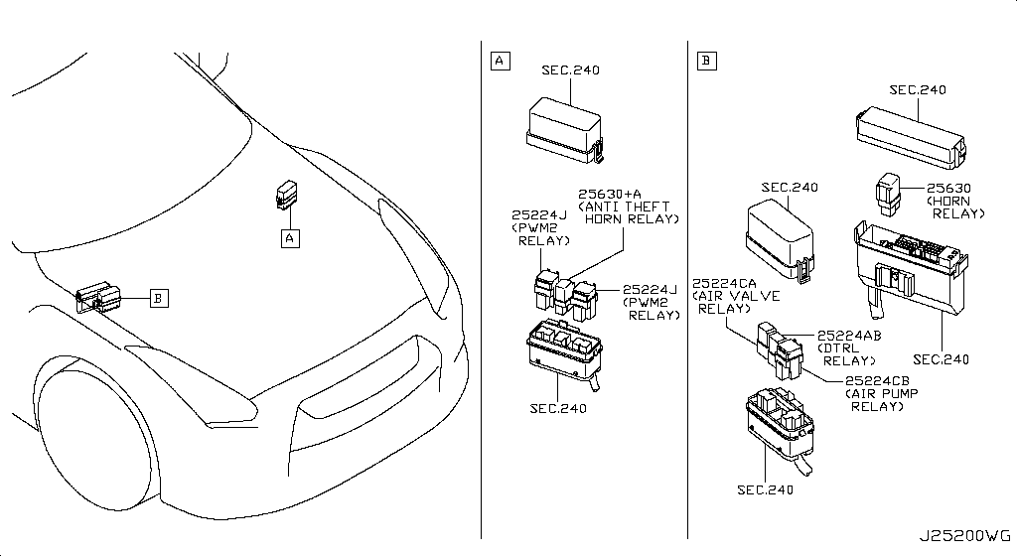
039 - Relay | 10 matched part(s)
App. model: C, Applies: C; Specification: YAZAKI, Applies: C; Specification: PANASONIC • [08.2017 - ... ... 12.2010 - 11.2013]
 | OEM | Description | Applies / Details | Period | Notes | Match
 | 25238-JF00A | Bracket, relay | C | 08.2017 - ... |  | bracket, relay
 | 25238-4M400 | Bracket, relay; Bracket-defogger relay | C | 08.2017 - ... |  | bracket, relay
 | 25230-7990A | RELAY | Applies: C; Specification: YAZAKI | 07.2012 - 11.2012 | UNDER CLUSTER SIDE COVER | cover, relay
 | 25230-79942 | RELAY | Applies: C; Specification: PANASONIC | 07.2012 - 11.2012 | UNDER CLUSTER SIDE COVER | cover, relay
 | 25230-9F915 | RELAY-EGI | Applies: C; Specification: AIR PUMP | 03.2008 - 12.2009 |  | relay
 | 25230-79917 | RELAY-EGI | Applies: C; Specification: FUEL PUMP2 MIYAMOTO | 12.2010 - 11.2013 | FUEL PUMP RELAY BEGIND TRUNK | pump, relay
 | 25230-79944 | RELAY-EGI | Applies: C; Specification: FUEL PUMP2 PANASONIC | 12.2010 - 11.2013 | FUEL PUMP RELAY BEGIND TRUNK | pump, relay
 | 25230-7995A | RELAY-EGI | Applies: C; Specification: AIR PUMP PANASONIC | 12.2010 - 11.2013 |  | relay
 | 25230-7996A | RELAY-EGI | Applies: C; Specification: AMT TCU MITSUBA | 12.2010 - 11.2013 | TCU IN TRUNK | relay
 | 25630-79960 | RELAY-HORN | Applies: C; Specification: B-HORN | 12.2010 - 11.2013 | NEAR ABS | relay

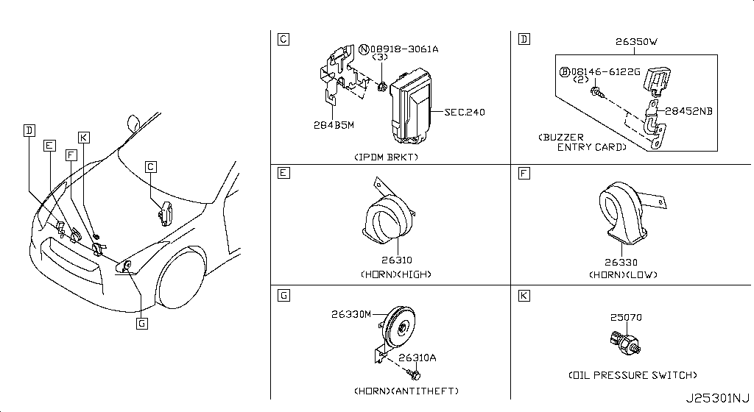
040 - Electrical Unit | 361 matched part(s)
App. model: C, C.(TRACK+NISMO), VR38DETT.(TRACK+BLACK+PREMIUM+NISMO) • [08.2017 - ... ... 11.2014 - 10.2015]
 | OEM | Description | Applies / Details | Period | Notes | Match
 | 285E7-JK60A | Antenna assembly, door smart keyless; Antenna-door,smart keyless | C | 08.2017 - ... |  | door, key
 | 285E4-JK60A | Antenna assembly, room smart keyless; Antenna-smart keyless,room | C | 08.2017 - ... |  | key
 | 285E5-JK60A | Antenna assembly, room smart keyless; Antenna, smart keyless room | C | 08.2017 - ... |  | key
 | 40740-EH10A | Antenna-tire pressure | C | 08.2017 - ...
 | 28599-9Y000 | Battery, remote control unit | C | 08.2017 - ...
 | 11298-4M411 | Bolt |  |  |  | bolt
 | 11298-AG001 | Bolt |  |  |  | bolt
 | 11298-4M406 | Bolt |  |  |  | bolt
 | 11298-2J212 | Bolt |  |  |  | bolt
 | 08158-62528 | Bolt |  |  |  | bolt
 | 08158-62533 | Bolt |  |  |  | bolt
 | 08158-6205N | Bolt |  |  |  | bolt
 | 081A8-6251A | Bolt |  |  |  | bolt
 | 081A1-0451A | Bolt |  |  |  | bolt
 | 55479-4P00A | Bolt |  |  |  | bolt
 | 54459-8J00A | Bolt |  |  |  | bolt
 | 55226-AQ50A | Bolt |  |  |  | bolt
 | 55226-JA01C | Bolt |  |  |  | bolt
 | 081B6-8901A | Bolt |  |  |  | bolt
 | 01125-00931 | Bolt |  |  |  | bolt
 | 081B6-8205M | Bolt |  |  |  | bolt
 | 01121-N6141 | Bolt |  |  |  | bolt
 | 62297-1BA0A | Bolt |  |  |  | bolt
 | 87850-8990A | Bolt | C.(TRACK+NISMO) | 04.2016 - 07.2016 |  | bolt
 | 20606-6AV0B | Bolt | VR38DETT.(TRACK+BLACK+PREMIUM+NISMO) | 07.2016 - 08.2017 |  | bolt
 | 25628-3H00A | Bolt | C | 08.2017 - ... |  | bolt
...
001 - Bare & Short Engine | 0 matched part(s)
App. model: VR38DETT
 | 40700-1AA0B | Sensor unit tire pressure | C | 08.2017 - ... |  | sensor
 | 285E3-JF87D | Switch assembly-smart keyless | C | 07.2018 - ... |  | key, switch
 | 285E3-JF87A | Switch assembly-smart keyless | C | 08.2017 - 07.2018 |  | key, switch
 | 284U4-6HS0A | Type-id,id no for 3ch can gateway config | C | 07.2018 - ...
 | 284U4-6HR0A | Type-id,id no for 3ch can gateway config | C | 08.2017 - 07.2018
 | 28547-6AV5A | Type-id,id no for sonar configuration | C.(PURE+TRACK+PREMIUM) | 08.2017 - ...
 | B5554-1PV8A | Wire assembly-steering air bag | C | 08.2017 - ...

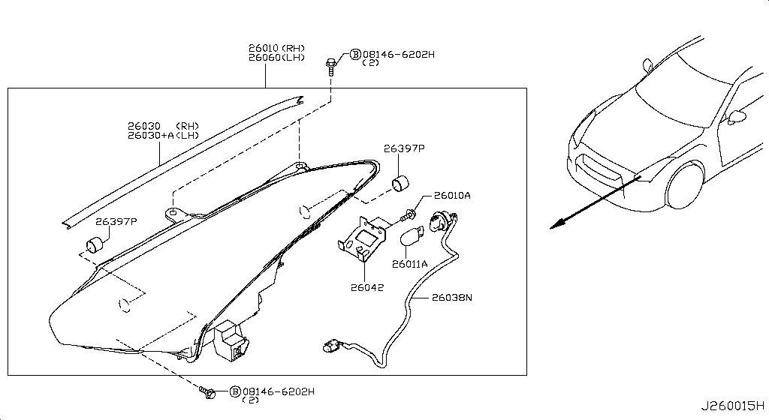
041 - Headlamp | 87 matched part(s)
App. model: C, VR38DETT, GR6 • [08.2017 - ... ... 11.2007 - 12.2009]
 | OEM | Description | Applies / Details | Period | Notes | Match
 | 081B0-8251A | Bolt-Hex |  |  |  | bolt
 | 081B6-6125M | Bolt-Hex |  |  |  | bolt
 | 081B6-6165M | Bolt-Hex |  |  |  | bolt
 | 081B8-6201A | Bolt-Hex |  |  |  | bolt
 | 081B0-6401A | Bolt-Hex |  |  |  | bolt
 | 081B8-6122A | Bolt-Hex |  |  |  | bolt
 | 08156-6165N | Bolt-Hex |  |  |  | bolt
 | 08120-8302A | Bolt-Hex |  |  |  | bolt
 | 08146-6125G | Bolt-Hex |  |  |  | bolt
 | 08156-61228 | Bolt-Hex |  |  |  | bolt
 | 081A4-0301A | Bolt-Hex |  |  |  | bolt
 | 08147-0162G | Bolt-Hex |  |  |  | bolt
 | 08146-6352G | Bolt-Hex |  |  |  | bolt
 | 08120-8162E | Bolt-Hex |  |  |  | bolt
 | 08156-63033 | Bolt-Hex |  |  |  | bolt
 | 08146-6255H | Bolt-Hex |  |  |  | bolt
 | 01121-04761 | Bolt-Hex | C | 08.2017 - ... |  | bolt
 | 80498-40U0B | Bolt Hex | C | 08.2017 - ... |  | bolt
 | 08146-6122G | Bolt-Hex | C | 11.2007 - 11.2010 |  | bolt
 | 08120-61633 | Bolt-Hex | VR38DETT | 11.2007 - 11.2010 |  | bolt
 | 08146-8162G | Bolt-Hex | C | 11.2007 - 11.2010 |  | bolt
 | 08146-6165G | Bolt-Hex | C | 11.2007 - 11.2010 |  | bolt
 | 08146-6202H | Bolt-Hex | C | 11.2013 - 11.2014 |  | bolt
 | 081B0-8401A | Bolt-Hex | VR38DETT | 11.2013 - 11.2014 |  | bolt
 | 08120-64028 | Bolt-Hex | VR38DETT | 11.2013 - 11.2014 |  | bolt
 | 081B0-6161A | Bolt-Hex | VR38DETT | 11.2013 - 11.2014 |  | bolt
...
001 - Bare & Short Engine | 0 matched part(s)
App. model: VR38DETT
 | 68198-B412A | Screw | C | 08.2017 - ...
 | 08168-6121A | Screw | C | 11.2007 - 12.2009
 | 01456-00031 | Screw | C.(GTR+BLACK+PREMIUM) | 11.2007 - 12.2009
 | 08168-6161A | Screw | C | 11.2007 - 12.2009
 | 01456-00631 | Screw | *C.PURE SpecCode: [SPKRB] BOSE AUDIO | 11.2013 - 11.2014
 | 809A9-JF70C | Screw | C.PURE | 11.2013 - 11.2014
 | 26397-CY00A | Tube-Air Brthr | C | 08.2017 - ... |  | tube

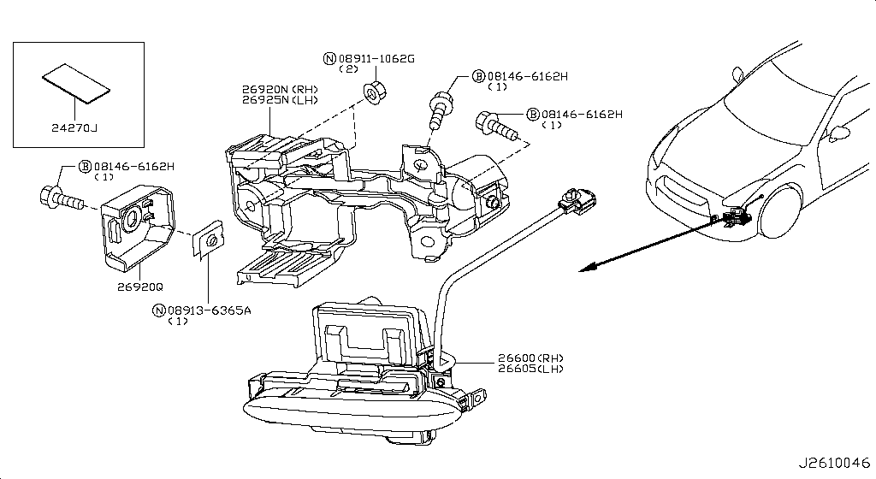
042 - Front Combination Lamp | 98 matched part(s)
App. model: C, VR38DETT, GR6 • [08.2017 - ... ... 12.2009 - 11.2010]
 | OEM | Description | Applies / Details | Period | Notes | Match
 | 081B0-8251A | Bolt-Hex |  |  |  | bolt
 | 081B6-6125M | Bolt-Hex |  |  |  | bolt
 | 081B6-6165M | Bolt-Hex |  |  |  | bolt
 | 081B8-6201A | Bolt-Hex |  |  |  | bolt
 | 081B0-6401A | Bolt-Hex |  |  |  | bolt
 | 081B8-6122A | Bolt-Hex |  |  |  | bolt
 | 08156-6165N | Bolt-Hex |  |  |  | bolt
 | 08120-8302A | Bolt-Hex |  |  |  | bolt
 | 08146-6125G | Bolt-Hex |  |  |  | bolt
 | 08156-61228 | Bolt-Hex |  |  |  | bolt
 | 081A4-0301A | Bolt-Hex |  |  |  | bolt
 | 08147-0162G | Bolt-Hex |  |  |  | bolt
 | 08146-6352G | Bolt-Hex |  |  |  | bolt
 | 08120-8162E | Bolt-Hex |  |  |  | bolt
 | 08156-63033 | Bolt-Hex |  |  |  | bolt
 | 08146-6255H | Bolt-Hex |  |  |  | bolt
 | 01121-04761 | Bolt-Hex | C | 08.2017 - ... |  | bolt
 | 80498-40U0B | Bolt Hex | C | 08.2017 - ... |  | bolt
 | 08146-6122G | Bolt-Hex | C | 11.2007 - 11.2010 |  | bolt
 | 08120-61633 | Bolt-Hex | VR38DETT | 11.2007 - 11.2010 |  | bolt
 | 08146-8162G | Bolt-Hex | C | 11.2007 - 11.2010 |  | bolt
 | 08146-6165G | Bolt-Hex | C | 11.2007 - 11.2010 |  | bolt
 | 08146-6162H | Bolt-Hex | C | 11.2013 - 11.2014 |  | bolt
 | 081B0-8401A | Bolt-Hex | VR38DETT | 11.2013 - 11.2014 |  | bolt
 | 08120-64028 | Bolt-Hex | VR38DETT | 11.2013 - 11.2014 |  | bolt
 | 081B0-6161A | Bolt-Hex | VR38DETT | 11.2013 - 11.2014 |  | bolt
...
001 - Bare & Short Engine | 0 matched part(s)
App. model: VR38DETT
 | 08911-1081G | Nut-Hex | VR38DETT | 11.2013 - 11.2014 |  | nut
 | 08911-1082G | Nut-Hex | VR38DETT | 11.2013 - 11.2014 |  | nut
 | 08911-1052G | Nut-Hex | C | 11.2013 - 11.2014 |  | nut
 | 08918-1081A | Nut-Hex | C | 11.2013 - 11.2014 |  | nut
 | 08913-6065A | Nut-U |  |  |  | nut
 | 08913-6365A | Nut-U | C | 11.2013 - 11.2014 |  | nut
 | 24271-N7100 | Protector-Harne | C.(TRACK+NISMO) | 04.2016 - 07.2016

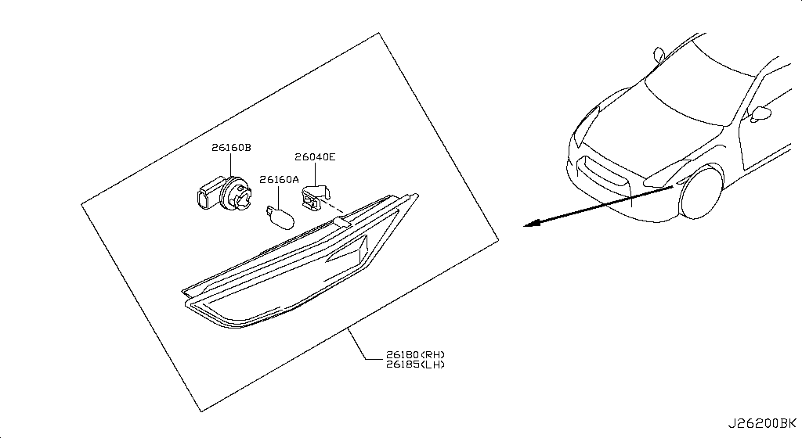
043 - Side Marker Lamp | 75 matched part(s)
App. model: C.TRACK, C, VR38DETT • [04.2016 - 07.2016 ... 08.2017 - 07.2018]
 | OEM | Description | Applies / Details | Period | Notes | Match
 | 26282-KB50A | Bulb
 | 26261-04W00 | Bulb | C.TRACK | 04.2016 - 07.2016
 | 26272-8991A | Bulb | C | 08.2017 - ...
 | 46271-EW00A | Clip
 | 92551-JF00A | Clip
 | 92553-JF00A | Clip
 | 92554-JF00A | Clip
 | 92555-JF02A | Clip
 | 16439-17B0A | Clip
 | 62228-89S0A | Clip
 | 62228-89S0B | Clip
 | 63848-5L300 | Clip
 | 96938-4U01A | Clip
 | 96938-ED000 | Clip
 | 62318-4M400 | Clip
 | 01553-01A50 | Clip
 | 76882-AR002 | Clip
 | 01553-09131 | Clip
 | 01553-10631 | Clip
 | 01553-30001 | Clip
 | 76988-AM800 | Clip
 | 76988-JF00A | Clip
 | 62318-24U00 | Clip
 | 85284-EG000 | Clip
 | 01553-09611 | Clip
 | 26398-JF00C | Clip | C.TRACK | 04.2016 - 07.2016
...
001 - Bare & Short Engine | 0 matched part(s)
App. model: VR38DETT
044 - Room Lamp | 7 matched part(s)
App. model: C.TRACK, C • [04.2016 - 07.2016 ... 08.2017 - ...]
...
001 - Bare & Short Engine | 0 matched part(s)
App. model: VR38DETT
 | 26430-KB51B | A.spot Lamp |  |  |  | lamp
 | 26428-1VW0A | Back Plate-Map
 | 26282-KB50A | Bulb
 | 26261-04W00 | Bulb | C.TRACK | 04.2016 - 07.2016
 | 26272-8991A | Bulb | C | 08.2017 - ...
 | 26431-JF00A | Lens-Spot Lamp |  |  |  | lamp
 | 26432-JF00A | Lens-Spot Lamp |  |  |  | lamp
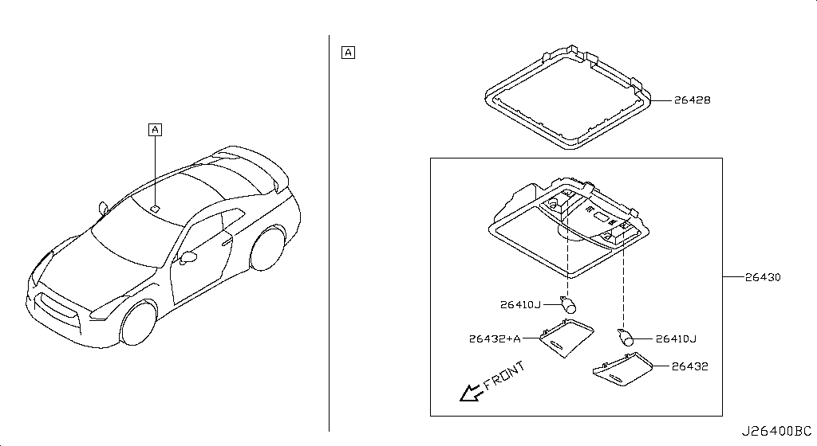
045 - Rear Combination Lamp | 69 matched part(s)
App. model: C.TRACK, C, VR38DETT • [04.2016 - 07.2016 ... 11.2014 - 04.2016]
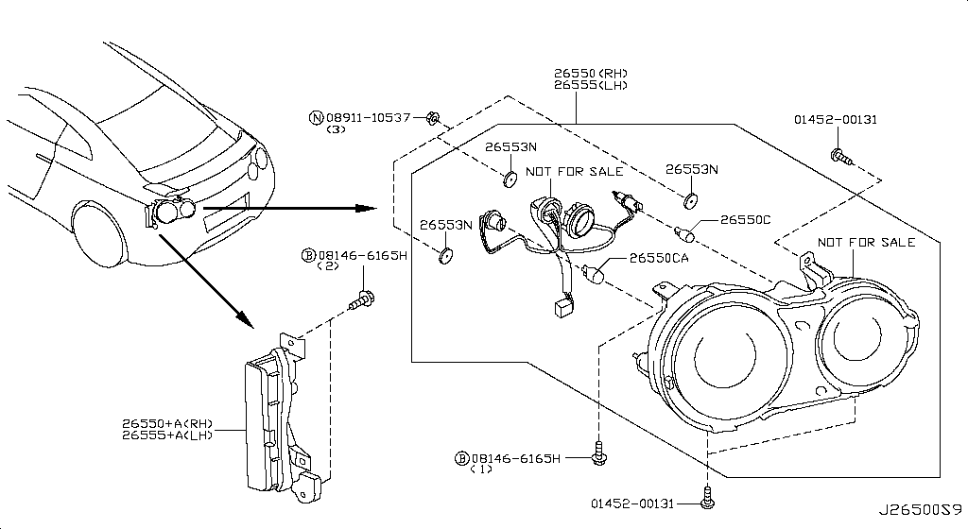
 | OEM | Description | Applies / Details | Period | Notes | Match
 | 26261-89962 | Blub 12V/21W | C.TRACK | 04.2016 - 07.2016
 | 081B0-8251A | Bolt-Hex |  |  |  | bolt
 | 081B6-6125M | Bolt-Hex |  |  |  | bolt
 | 081B6-6165M | Bolt-Hex |  |  |  | bolt
 | 081B8-6201A | Bolt-Hex |  |  |  | bolt
 | 081B0-6401A | Bolt-Hex |  |  |  | bolt
 | 081B8-6122A | Bolt-Hex |  |  |  | bolt
 | 08156-6165N | Bolt-Hex |  |  |  | bolt
 | 08120-8302A | Bolt-Hex |  |  |  | bolt
 | 08146-6125G | Bolt-Hex |  |  |  | bolt
 | 08156-61228 | Bolt-Hex |  |  |  | bolt
 | 081A4-0301A | Bolt-Hex |  |  |  | bolt
 | 08147-0162G | Bolt-Hex |  |  |  | bolt
 | 08146-6352G | Bolt-Hex |  |  |  | bolt
 | 08120-8162E | Bolt-Hex |  |  |  | bolt
 | 08156-63033 | Bolt-Hex |  |  |  | bolt
 | 08146-6255H | Bolt-Hex |  |  |  | bolt
 | 01121-04761 | Bolt-Hex | C | 08.2017 - ... |  | bolt
 | 80498-40U0B | Bolt Hex | C | 08.2017 - ... |  | bolt
 | 08146-6122G | Bolt-Hex | C | 11.2007 - 11.2010 |  | bolt
 | 08120-61633 | Bolt-Hex | VR38DETT | 11.2007 - 11.2010 |  | bolt
 | 08146-8162G | Bolt-Hex | C | 11.2007 - 11.2010 |  | bolt
 | 08146-6165G | Bolt-Hex | C | 11.2007 - 11.2010 |  | bolt
 | 08146-6165H | Bolt-Hex | C | 11.2013 - 11.2014 |  | bolt
 | 081B0-8401A | Bolt-Hex | VR38DETT | 11.2013 - 11.2014 |  | bolt
 | 08120-64028 | Bolt-Hex | VR38DETT | 11.2013 - 11.2014 |  | bolt
...
001 - Bare & Short Engine | 0 matched part(s)
App. model: VR38DETT
046 - Licence Plate Lamp | 4 matched part(s)
App. model: C • [08.2017 - 07.2018 ... 07.2018 - ...]
...
001 - Bare & Short Engine | 0 matched part(s)
App. model: VR38DETT
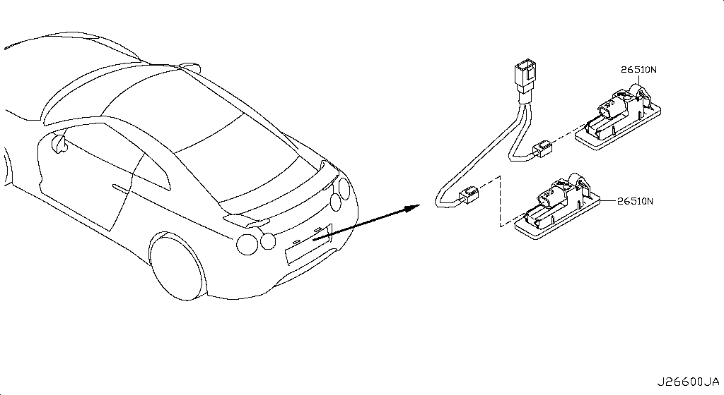
047 - Lamps (Others) | 2 matched part(s)
App. model: C • [08.2017 - ...]
...
001 - Bare & Short Engine | 0 matched part(s)
App. model: VR38DETT
 | 26470-60U0E | Lamp Trunk Room | C | 08.2017 - ... |  | lamp
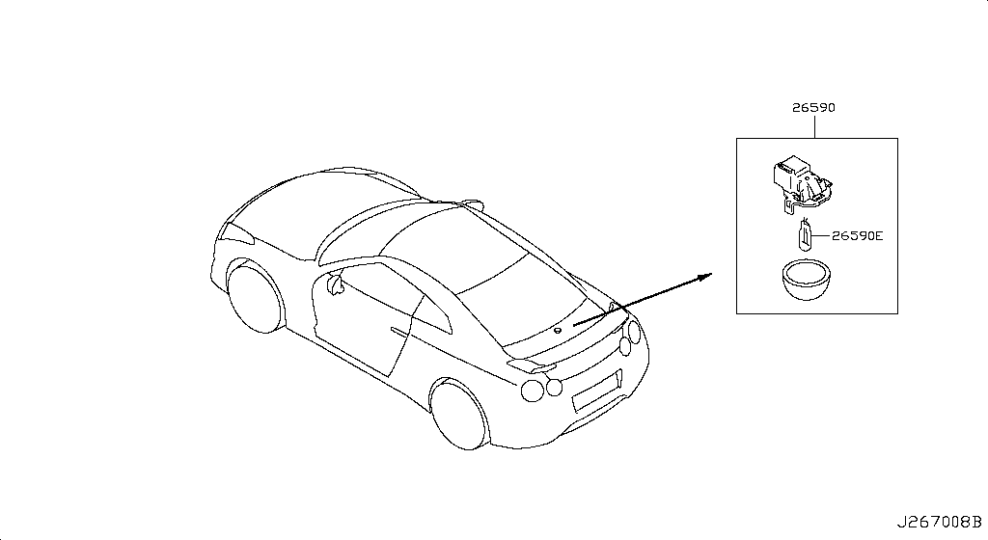
048 - High Mounting Stop Lamp | 2 matched part(s)
App. model: C.(PURE+TRACK+PREMIUM) • [08.2017 - ...]
 | OEM | Description | Applies / Details | Period | Notes | Match
 | 26590-89S0A | Lamp Assy-Stop |  |  |  | lamp
 | 26590-JF00B | Stop lamp assembly-high mounting | C.(PURE+TRACK+PREMIUM) | 08.2017 - ... |  | lamp, mount
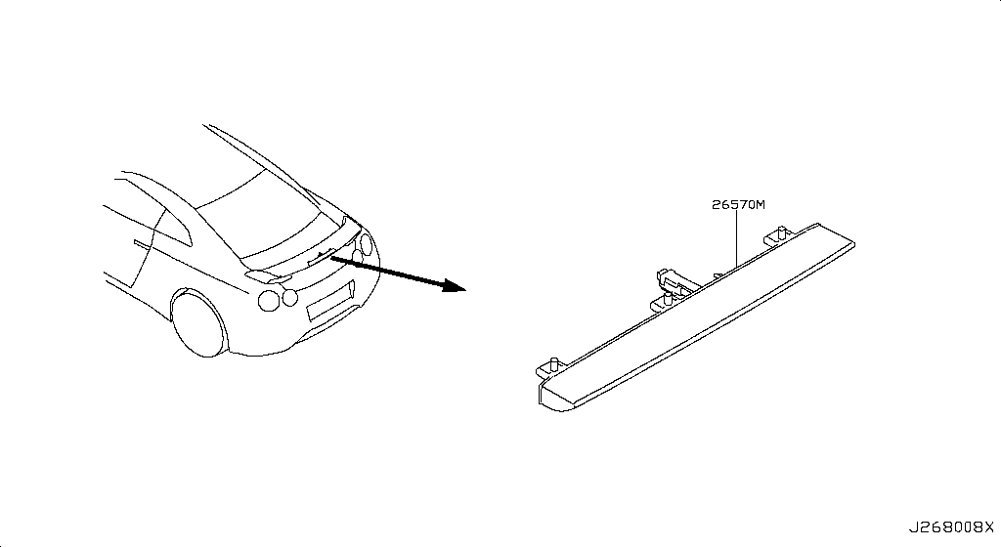
049 - Heater & Blower Unit | 86 matched part(s)
App. model: C, *C.PURE SpecCode: [SPKRB] BOSE AUDIO, C.(TRACK+NISMO) • [08.2017 - ... ... 11.2007 - 12.2009]
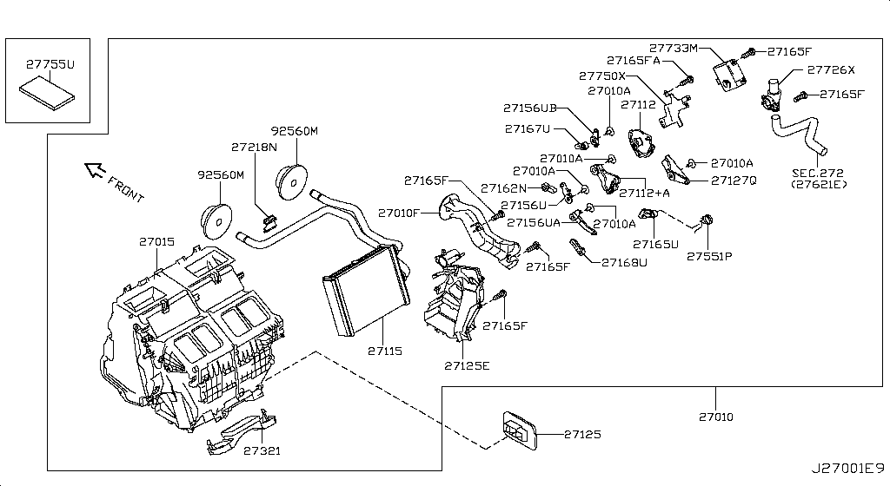
 | OEM | Description | Applies / Details | Period | Notes | Match
 | 27731-JN00A | Actuator Assy |  |  |  | actuator
 | 78850-AM81E | Actuator Assy | C | 08.2017 - ... |  | actuator
 | 27726-AL500 | Aspirator
 | 27199-2J00A | Bolt Heater |  |  |  | bolt
 | 01456-00421 | Bolt Heater |  |  |  | bolt
 | 01456-00371 | Bolt Heater | *C.PURE SpecCode: [SPKRB] BOSE AUDIO | 11.2013 - 11.2014 |  | bolt
 | 27750-JK60B | Bracket |  |  |  | bracket
 | 11232-JF00A | Bracket |  |  |  | bracket
 | 11233-JF00A | Bracket |  |  |  | bracket
 | 31069-JF05D | Bracket |  |  |  | bracket
 | 11926-JF01A | Bracket |  |  |  | bracket
 | 11940-JF00A | Bracket |  |  |  | bracket
 | 26920-KB50A | Bracket | C.(TRACK+NISMO) | 04.2016 - 07.2016 |  | bracket
 | 26920-KB51A | Bracket | C.(TRACK+NISMO) | 04.2016 - 07.2016 |  | bracket
 | 26925-KB50A | Bracket | C.(TRACK+NISMO) | 04.2016 - 07.2016 |  | bracket
 | 15238-JF00D | Bracket | VR38DETT | 08.2017 - ... |  | bracket
 | 25233-5AA0A | Bracket | C | 08.2017 - ... |  | bracket
 | 54314-JF00A | Bracket | C | 08.2017 - ... |  | bracket
 | 54315-JF00A | Bracket | C | 08.2017 - ... |  | bracket
 | 48988-JF00A | Bracket | VR38DETT | 08.2017 - ... |  | bracket
 | 48988-JF00B | Bracket | VR38DETT | 08.2017 - ... |  | bracket
 | 48988-JF00C | Bracket | VR38DETT | 08.2017 - ... |  | bracket
 | 62576-JF00A | Bracket | C | 08.2017 - ... |  | bracket
 | 62577-JF00A | Bracket | C | 08.2017 - ... |  | bracket
 | 625D2-JF00A | Bracket | C | 08.2017 - ... |  | bracket
 | 625D3-JF00A | Bracket | C | 08.2017 - ... |  | bracket
...
001 - Bare & Short Engine | 0 matched part(s)
App. model: VR38DETT
 | 01456-00031 | Screw | C.(GTR+BLACK+PREMIUM) | 11.2007 - 12.2009
 | 08168-6161A | Screw | C | 11.2007 - 12.2009
 | 01456-00631 | Screw | *C.PURE SpecCode: [SPKRB] BOSE AUDIO | 11.2013 - 11.2014
 | 809A9-JF70C | Screw | C.PURE | 11.2013 - 11.2014
 | 27551-JK60A | Spring |  |  |  | spring
 | 49167-7P900 | Spring | VR38DETT | 08.2017 - ... |  | spring
 | 44090-KB50A | Spring | VR38DETT | 08.2017 - ... |  | spring

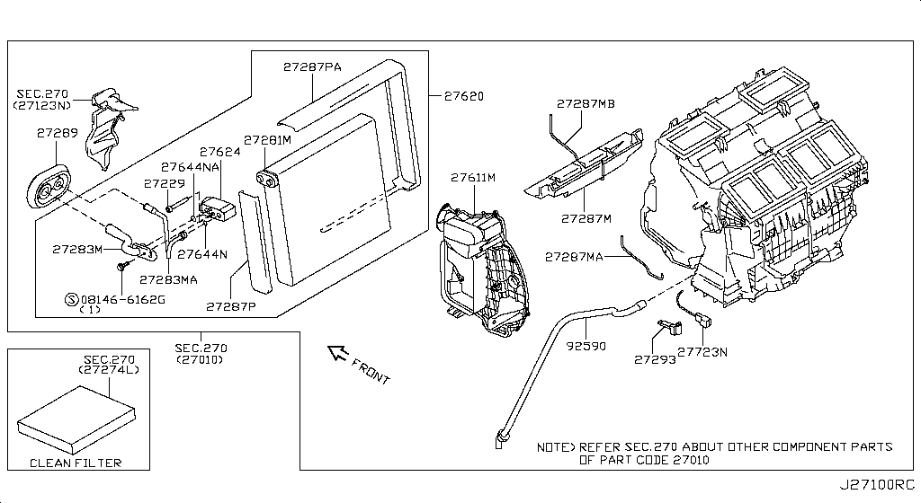
050 - Cooling Unit | 105 matched part(s)
App. model: C, VR38DETT, GR6 • [08.2017 - ... ... 11.2014 - 04.2016]
 | OEM | Description | Applies / Details | Period | Notes | Match
 | 081B0-8251A | Bolt-Hex |  |  |  | bolt
 | 081B6-6125M | Bolt-Hex |  |  |  | bolt
 | 081B6-6165M | Bolt-Hex |  |  |  | bolt
 | 081B8-6201A | Bolt-Hex |  |  |  | bolt
 | 081B0-6401A | Bolt-Hex |  |  |  | bolt
 | 081B8-6122A | Bolt-Hex |  |  |  | bolt
 | 08156-6165N | Bolt-Hex |  |  |  | bolt
 | 08120-8302A | Bolt-Hex |  |  |  | bolt
 | 08146-6125G | Bolt-Hex |  |  |  | bolt
 | 08156-61228 | Bolt-Hex |  |  |  | bolt
 | 081A4-0301A | Bolt-Hex |  |  |  | bolt
 | 08147-0162G | Bolt-Hex |  |  |  | bolt
 | 08146-6352G | Bolt-Hex |  |  |  | bolt
 | 08120-8162E | Bolt-Hex |  |  |  | bolt
 | 08156-63033 | Bolt-Hex |  |  |  | bolt
 | 08146-6255H | Bolt-Hex |  |  |  | bolt
 | 01121-04761 | Bolt-Hex | C | 08.2017 - ... |  | bolt
 | 80498-40U0B | Bolt Hex | C | 08.2017 - ... |  | bolt
 | 08146-6122G | Bolt-Hex | C | 11.2007 - 11.2010 |  | bolt
 | 08120-61633 | Bolt-Hex | VR38DETT | 11.2007 - 11.2010 |  | bolt
 | 08146-8162G | Bolt-Hex | C | 11.2007 - 11.2010 |  | bolt
 | 08146-6165G | Bolt-Hex | C | 11.2007 - 11.2010 |  | bolt
 | 08146-6162G | Bolt-Hex | VR38DETT | 11.2013 - 11.2014 |  | bolt
 | 081B0-8401A | Bolt-Hex | VR38DETT | 11.2013 - 11.2014 |  | bolt
 | 08120-64028 | Bolt-Hex | VR38DETT | 11.2013 - 11.2014 |  | bolt
 | 081B0-6161A | Bolt-Hex | VR38DETT | 11.2013 - 11.2014 |  | bolt
...
001 - Bare & Short Engine | 0 matched part(s)
App. model: VR38DETT
 | 21049-31U00 | Seal-O Ring | VR38DETT | 08.2017 - ... |  | seal
 | 92477-4GF0A | Seal-O Ring | C | 08.2017 - ... |  | seal
 | 49359-AA000 | Seal-O Ring | VR38DETT | 08.2017 - ... |  | seal
 | 49862-04E00 | Seal-O Ring | VR38DETT | 08.2017 - ... |  | seal
 | 49345-6N200 | Seal-O Ring | VR38DETT | 08.2017 - ... |  | seal
 | 27723-AG000 | Sensor-Intake | C | 08.2017 - ... |  | sensor
 | 92200-1HP0C | Valve-Expansion | C | 08.2017 - ... |  | valve

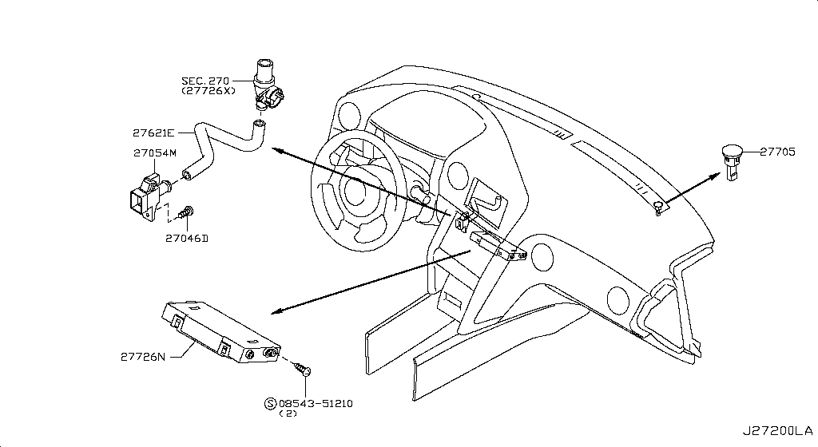
051 - Control Unit | 34 matched part(s)
App. model: C.(TRACK+NISMO), C, VR38DETT • [04.2016 - 07.2016 ... 07.2018 - ...]
 | OEM | Description | Applies / Details | Period | Notes | Match
 | 27721-3AA0A | A Sensor Sun |  |  |  | sensor
 | 27760-JF30C | Amplifier-Contr
 | 27727-JF10A | Duct-Aspirator
 | 32929-WL01A | Screw
 | 27111-2Y00A | Screw
 | 27111-2Y00B | Screw
 | 92128-JF00A | Screw
 | 92128-JF00B | Screw
 | 01436-01841 | Screw
 | 01454-00431 | Screw
 | 01125-03631 | Screw
 | 08313-41625 | Screw
 | 76838-JF00A | Screw
 | 25365-4GA0A | Screw | C.(TRACK+NISMO) | 04.2016 - 07.2016
 | 01451-00581 | Screw | C | 08.2017 - ...
 | 01436-01821 | Screw | VR38DETT | 08.2017 - ...
 | 97197-AD710 | Screw | C | 08.2017 - ...
 | 28899-AD00A | Screw | C | 08.2017 - ...
 | 01451-00841 | Screw | C.(PURE+TRACK+PREMIUM) | 08.2017 - ...
 | 68198-B412A | Screw | C | 08.2017 - ...
 | 08168-6121A | Screw | C | 11.2007 - 12.2009
 | 01456-00031 | Screw | C.(GTR+BLACK+PREMIUM) | 11.2007 - 12.2009
 | 08168-6161A | Screw | C | 11.2007 - 12.2009
 | 01456-00631 | Screw | *C.PURE SpecCode: [SPKRB] BOSE AUDIO | 11.2013 - 11.2014
 | 809A9-JF70C | Screw | C.PURE | 11.2013 - 11.2014
 | 08543-51210 | Screw-Tapping
...
001 - Bare & Short Engine | 0 matched part(s)
App. model: VR38DETT
 | 08566-6162A | Screw-Tapping
 | 08540-3105A | Screw-Tapping
 | 08543-51642 | Screw-Tapping | C | 07.2018 - ...
 | 08566-6255A | Screw-Tapping | C | 08.2017 - ...
 | 08566-6205A | Screw-Tapping | C.(PURE+BLACK+PREMIUM) | 11.2013 - 11.2014
 | 08543-51242 | Screw-Tapping | C | 11.2013 - 11.2014
 | 27720-3AA0A | Senser-Incar


052 - Nozzle & Duct | 95 matched part(s)
App. model: C.TRACK, C, VR38DETT • [04.2016 - 07.2016 ... 11.2007 - 12.2009]
 | OEM | Description | Applies / Details | Period | Notes | Match
 | 46271-EW00A | Clip
 | 92551-JF00A | Clip
 | 92553-JF00A | Clip
 | 92554-JF00A | Clip
 | 92555-JF02A | Clip
 | 16439-17B0A | Clip
 | 62228-89S0A | Clip
 | 62228-89S0B | Clip
 | 63848-5L300 | Clip
 | 96938-4U01A | Clip
 | 96938-ED000 | Clip
 | 62318-4M400 | Clip
 | 01553-01A50 | Clip
 | 76882-AR002 | Clip
 | 01553-09131 | Clip
 | 01553-10631 | Clip
 | 01553-30001 | Clip
 | 76988-AM800 | Clip
 | 76988-JF00A | Clip
 | 62318-24U00 | Clip
 | 85284-EG000 | Clip
 | 01553-09611 | Clip
 | 26398-JF00C | Clip | C.TRACK | 04.2016 - 07.2016
 | 62598-JF00A | Clip | C.TRACK | 04.2016 - 07.2016
 | 01553-05323 | Clip | C.TRACK | 04.2016 - 07.2016
 | 76988-EG100 | Clip | C | 08.2017 - ...
...
001 - Bare & Short Engine | 0 matched part(s)
App. model: VR38DETT
 | 01456-00631 | Screw | *C.PURE SpecCode: [SPKRB] BOSE AUDIO | 11.2013 - 11.2014
 | 809A9-JF70C | Screw | C.PURE | 11.2013 - 11.2014

053 - Compressor | 1 matched part(s)
App. model: VR38DETT
 | OEM | Description | Applies / Details | Period | Notes | Match
 | 92600-JF00C | Compressor-Cool |  |  |  | compressor

054 - Compressor Mounting & Fitting | 80 matched part(s)
App. model: C.(TRACK+NISMO), VR38DETT.(TRACK+BLACK+PREMIUM+NISMO), VR38DETT • [04.2016 - 07.2016 ... 11.2014 - 04.2016]

 | OEM | Description | Applies / Details | Period | Notes | Match
 | 11298-4M411 | Bolt |  |  |  | bolt
 | 11298-AG001 | Bolt |  |  |  | bolt
 | 11298-4M406 | Bolt |  |  |  | bolt
 | 11298-2J212 | Bolt |  |  |  | bolt
 | 08158-62528 | Bolt |  |  |  | bolt
 | 08158-62533 | Bolt |  |  |  | bolt
 | 08158-6205N | Bolt |  |  |  | bolt
 | 081A8-6251A | Bolt |  |  |  | bolt
 | 081A1-0451A | Bolt |  |  |  | bolt
 | 55479-4P00A | Bolt |  |  |  | bolt
 | 54459-8J00A | Bolt |  |  |  | bolt
 | 55226-AQ50A | Bolt |  |  |  | bolt
 | 55226-JA01C | Bolt |  |  |  | bolt
 | 081B6-8901A | Bolt |  |  |  | bolt
 | 01125-00931 | Bolt |  |  |  | bolt
 | 081B6-8205M | Bolt |  |  |  | bolt
 | 01121-N6141 | Bolt |  |  |  | bolt
 | 62297-1BA0A | Bolt |  |  |  | bolt
 | 87850-8990A | Bolt | C.(TRACK+NISMO) | 04.2016 - 07.2016 |  | bolt
 | 20606-6AV0B | Bolt | VR38DETT.(TRACK+BLACK+PREMIUM+NISMO) | 07.2016 - 08.2017 |  | bolt
 | 11916-JF00D | Bolt | VR38DETT | 08.2017 - ... |  | bolt
 | 01125-E6041 | Bolt | VR38DETT | 08.2017 - ... |  | bolt
 | 13224-AD22B | Bolt | VR38DETT | 08.2017 - ... |  | bolt
 | 11298-JF00A | Bolt | VR38DETT | 08.2017 - ... |  | bolt
 | 10004-4W00C | Bolt | VR38DETT | 08.2017 - ... |  | bolt
 | 14069-JD70A | Bolt | VR38DETT | 08.2017 - ... |  | bolt
...
001 - Bare & Short Engine | 0 matched part(s)
App. model: VR38DETT
 | 08158-8251F | Bolt | VR38DETT | 11.2013 - 11.2014 |  | bolt
 | 08158-8301F | Bolt | VR38DETT | 11.2013 - 11.2014 |  | bolt
 | 01225-N6011 | Bolt | *C.PURE SpecCode: [SPKRB] BOSE AUDIO | 11.2013 - 12.2013 |  | bolt
 | 16122-5Y70A | Bolt | VR38DETT.NISMO | 11.2014 - 04.2016 |  | bolt
 | 23150-BC40A | Pulley Assy
 | 11925-JK21A | Pulley Assy | VR38DETT | 08.2017 - ...
 | 11925-JK20D | Pulley Assy | VR38DETT | 08.2017 - ...


055 - Condenser,Liquid Tank & Piping | 191 matched part(s)
App. model: C, VR38DETT, *C.PURE SpecCode: [SPKRB] BOSE AUDIO • [11.2007 - 11.2010 ... 11.2007 - 12.2009]
 | OEM | Description | Applies / Details | Period | Notes | Match
 | 081A6-6122A | Bolt-Flg,Hexgon |  |  |  | bolt
 | 081A6-6165M | Bolt-Flg,Hexgon |  |  |  | bolt
 | 081B4-2455M | Bolt-Flg,Hexgon |  |  |  | bolt
 | 081A6-6125M | Bolt-Flg,Hexgon |  |  |  | bolt
 | 081A6-6161A | Bolt-Flg,Hexgon | C | 11.2007 - 11.2010 |  | bolt
 | 081A6-6202A | Bolt-Flg,Hexgon | C | 11.2013 - 11.2014 |  | bolt
 | 081B4-2355M | Bolt-Flg,Hexgon | VR38DETT | 11.2013 - 11.2014 |  | bolt
 | 01456-00421 | Bolt Heater |  |  |  | bolt
 | 27199-2J00A | Bolt Heater |  |  |  | bolt
 | 01456-00371 | Bolt Heater | *C.PURE SpecCode: [SPKRB] BOSE AUDIO | 11.2013 - 11.2014 |  | bolt
 | 081B0-8251A | Bolt-Hex |  |  |  | bolt
 | 081B6-6125M | Bolt-Hex |  |  |  | bolt
 | 081B6-6165M | Bolt-Hex |  |  |  | bolt
 | 081B8-6201A | Bolt-Hex |  |  |  | bolt
 | 081B0-6401A | Bolt-Hex |  |  |  | bolt
 | 081B8-6122A | Bolt-Hex |  |  |  | bolt
 | 08156-6165N | Bolt-Hex |  |  |  | bolt
 | 08120-8302A | Bolt-Hex |  |  |  | bolt
 | 08146-6125G | Bolt-Hex |  |  |  | bolt
 | 08156-61228 | Bolt-Hex |  |  |  | bolt
 | 081A4-0301A | Bolt-Hex |  |  |  | bolt
 | 08147-0162G | Bolt-Hex |  |  |  | bolt
 | 08146-6352G | Bolt-Hex |  |  |  | bolt
 | 08120-8162E | Bolt-Hex |  |  |  | bolt
 | 08156-63033 | Bolt-Hex |  |  |  | bolt
 | 08146-6255H | Bolt-Hex |  |  |  | bolt
...
001 - Bare & Short Engine | 0 matched part(s)
App. model: VR38DETT
 | 01456-00031 | Screw | C.(GTR+BLACK+PREMIUM) | 11.2007 - 12.2009
 | 08168-6161A | Screw | C | 11.2007 - 12.2009
 | 01456-00631 | Screw | *C.PURE SpecCode: [SPKRB] BOSE AUDIO | 11.2013 - 11.2014
 | 809A9-JF70C | Screw | C.PURE | 11.2013 - 11.2014
 | 92136-1FA0A | Sen Assy-Press
 | 27722-AL500 | Sensor Assy-Amb |  |  |  | sensor
 | 92131-JF01A | Tank Assy-Liqui


056 - Heater Piping | 77 matched part(s)
App. model: C.TRACK, C, VR38DETT • [04.2016 - 07.2016 ... 12.2010 - 11.2013]
 | OEM | Description | Applies / Details | Period | Notes | Match
 | 46271-EW00A | Clip
 | 92551-JF00A | Clip
 | 92553-JF00A | Clip
 | 92554-JF00A | Clip
 | 92555-JF02A | Clip
 | 16439-17B0A | Clip
 | 62228-89S0A | Clip
 | 62228-89S0B | Clip
 | 63848-5L300 | Clip
 | 96938-4U01A | Clip
 | 96938-ED000 | Clip
 | 62318-4M400 | Clip
 | 01553-01A50 | Clip
 | 76882-AR002 | Clip
 | 01553-09131 | Clip
 | 01553-10631 | Clip
 | 01553-30001 | Clip
 | 76988-AM800 | Clip
 | 76988-JF00A | Clip
 | 62318-24U00 | Clip
 | 85284-EG000 | Clip
 | 01553-09611 | Clip
 | 26398-JF00C | Clip | C.TRACK | 04.2016 - 07.2016
 | 62598-JF00A | Clip | C.TRACK | 04.2016 - 07.2016
 | 01553-05323 | Clip | C.TRACK | 04.2016 - 07.2016
 | 01558-00521 | Clip | C | 08.2017 - ...
...
001 - Bare & Short Engine | 0 matched part(s)
App. model: VR38DETT
 | 92400-JF00A | Hose | C | 08.2017 - ... |  | hose
 | 17226-JF31A | Hose | VR38DETT | 08.2017 - ... |  | hose
 | 17226-JF31B | Hose | VR38DETT | 08.2017 - ... |  | hose
 | 17335-JF31A | Hose | VR38DETT | 08.2017 - ... |  | hose
 | 92410-JF00A | Hose | C | 08.2017 - ... |  | hose
 | 92402-JF00A | Hose Water/Heat | C | 08.2017 - ... |  | hose
 | 92401-JF00A | Hose Water/Heat | C | 08.2017 - ... |  | hose


057 - Audio & Visual | 36 matched part(s)
App. model: C.(TRACK+NISMO), VR38DETT, C • [04.2016 - 07.2016 ... 11.2013 - 11.2014]
 | OEM | Description | Applies / Details | Period | Notes | Match
 | 25975-89S0C | Ant Assy-Gps
 | 284S3-89S0A | Bracket-Data Lo |  |  |  | bracket
 | 284S2-89S0A | Bracket-Vehicle |  |  |  | bracket
 | 28088-89S1A | Cable-Usb
 | 284S1-89S0B | Controller Assy
 | 284H3-89S0A | Jack-Hdmi & Usb
 | 01436-01841 | Screw
 | 32929-WL01A | Screw
 | 27111-2Y00A | Screw
 | 27111-2Y00B | Screw
 | 92128-JF00A | Screw
 | 92128-JF00B | Screw
 | 01454-00431 | Screw
 | 01125-03631 | Screw
 | 08313-41625 | Screw
 | 76838-JF00A | Screw
 | 25365-4GA0A | Screw | C.(TRACK+NISMO) | 04.2016 - 07.2016
 | 01436-01821 | Screw | VR38DETT | 08.2017 - ...
 | 01451-00581 | Screw | C | 08.2017 - ...
 | 97197-AD710 | Screw | C | 08.2017 - ...
 | 28899-AD00A | Screw | C | 08.2017 - ...
 | 01451-00841 | Screw | C.(PURE+TRACK+PREMIUM) | 08.2017 - ...
 | 68198-B412A | Screw | C | 08.2017 - ...
 | 08168-6121A | Screw | C | 11.2007 - 12.2009
 | 01456-00031 | Screw | C.(GTR+BLACK+PREMIUM) | 11.2007 - 12.2009
 | 08168-6161A | Screw | C | 11.2007 - 12.2009
...
001 - Bare & Short Engine | 0 matched part(s)
App. model: VR38DETT
 | 08360-41225 | Screw-Machine
 | 08360-51214 | Screw-Machine
 | 08363-6305D | Screw-Machine | VR38DETT | 11.2013 - 11.2014
 | 08310-51062 | Screw-Machine | VR38DETT | 11.2013 - 11.2014
 | 08363-6125B | Screw-Machine | VR38DETT | 11.2013 - 11.2014
 | 08363-6305B | Screw-Machine | VR38DETT | 11.2013 - 11.2014
 | 284S0-89S1A | Transmitter Ass


058 - Telephone | 38 matched part(s)
App. model: C, C.(TRACK+NISMO), VR38DETT • [08.2017 - 07.2018 ... 07.2016 - 08.2017]
 | OEM | Description | Applies / Details | Period | Notes | Match
 | 28212-6AV0A | Antenna assembly-time control unit | C | 08.2017 - 07.2018
 | 28212-6HS0A | Antenna Assy-Ti | C | 07.2018 - ...
 | 28275-5AA1B | Box-telematic | C | 07.2016 - 01.2017
 | 28275-6FL2B | Box-Telematic | C | 07.2018 - ...
 | 28275-5AA1C | Box-telematic | C | 08.2017 - 07.2018
 | 11232-JF00A | Bracket |  |  |  | bracket
 | 11233-JF00A | Bracket |  |  |  | bracket
 | 27750-JK60B | Bracket |  |  |  | bracket
 | 31069-JF05D | Bracket |  |  |  | bracket
 | 11926-JF01A | Bracket |  |  |  | bracket
 | 11940-JF00A | Bracket |  |  |  | bracket
 | 26920-KB50A | Bracket | C.(TRACK+NISMO) | 04.2016 - 07.2016 |  | bracket
 | 26920-KB51A | Bracket | C.(TRACK+NISMO) | 04.2016 - 07.2016 |  | bracket
 | 26925-KB50A | Bracket | C.(TRACK+NISMO) | 04.2016 - 07.2016 |  | bracket
 | 25233-5AA0A | Bracket | C | 08.2017 - ... |  | bracket
 | 15238-JF00D | Bracket | VR38DETT | 08.2017 - ... |  | bracket
 | 54314-JF00A | Bracket | C | 08.2017 - ... |  | bracket
 | 54315-JF00A | Bracket | C | 08.2017 - ... |  | bracket
 | 48988-JF00A | Bracket | VR38DETT | 08.2017 - ... |  | bracket
 | 48988-JF00B | Bracket | VR38DETT | 08.2017 - ... |  | bracket
 | 48988-JF00C | Bracket | VR38DETT | 08.2017 - ... |  | bracket
 | 62576-JF00A | Bracket | C | 08.2017 - ... |  | bracket
 | 62577-JF00A | Bracket | C | 08.2017 - ... |  | bracket
 | 625D2-JF00A | Bracket | C | 08.2017 - ... |  | bracket
 | 625D3-JF00A | Bracket | C | 08.2017 - ... |  | bracket
 | 84460-JF10A | Bracket | C | 08.2017 - ... |  | bracket
...
001 - Bare & Short Engine | 0 matched part(s)
App. model: VR38DETT
 | 20722-JF00A | Bracket | *VR38DETT.(PURE+NISMO) SpecCode: [MFLR3] TITAN MFLR | 11.2013 - 11.2014 |  | bracket
 | 25237-AM600 | Bracket | C | 12.2009 - 11.2010 |  | bracket
 | 24136-AL54B | Bracket | C | 12.2009 - 11.2010 |  | bracket
 | 28336-1SX0A | Harness-sub,telephone | C.(TRACK+NISMO) | 04.2016 - 07.2016 |  | harness
 | 28336-1VZ0B | Microphone unit-telephone | C | 07.2016 - 08.2017
 | 28336-5AA0A | Microphone Ut-T | C | 08.2017 - ...
 | 28277-6FL0C | Type-id,id no for telematic box config | C | 07.2018 - ...


059 - Speaker | 147 matched part(s)
App. model: *C.PURE SpecCode: [SPKRB] BOSE AUDIO, C.PURE, C.(TRACK+NISMO) • [11.2013 - 11.2014 ... 11.2013 - 09.2014]
 | OEM | Description | Applies / Details | Period | Notes | Match
 | 28060-KJ10A | Amp Assy | *C.PURE SpecCode: [SPKRB] BOSE AUDIO | 11.2013 - 11.2014
 | 28060-KB50A | Amp assy-speaker | C.PURE | 11.2013 - 11.2014
 | 11298-4M411 | Bolt |  |  |  | bolt
 | 11298-AG001 | Bolt |  |  |  | bolt
 | 11298-4M406 | Bolt |  |  |  | bolt
 | 11298-2J212 | Bolt |  |  |  | bolt
 | 08158-62528 | Bolt |  |  |  | bolt
 | 08158-62533 | Bolt |  |  |  | bolt
 | 08158-6205N | Bolt |  |  |  | bolt
 | 081A8-6251A | Bolt |  |  |  | bolt
 | 081A1-0451A | Bolt |  |  |  | bolt
 | 55479-4P00A | Bolt |  |  |  | bolt
 | 54459-8J00A | Bolt |  |  |  | bolt
 | 55226-AQ50A | Bolt |  |  |  | bolt
 | 55226-JA01C | Bolt |  |  |  | bolt
 | 081B6-8901A | Bolt |  |  |  | bolt
 | 01125-00931 | Bolt |  |  |  | bolt
 | 081B6-8205M | Bolt |  |  |  | bolt
 | 01121-N6141 | Bolt |  |  |  | bolt
 | 62297-1BA0A | Bolt |  |  |  | bolt
 | 87850-8990A | Bolt | C.(TRACK+NISMO) | 04.2016 - 07.2016 |  | bolt
 | 20606-6AV0B | Bolt | VR38DETT.(TRACK+BLACK+PREMIUM+NISMO) | 07.2016 - 08.2017 |  | bolt
 | 01125-E6041 | Bolt | VR38DETT | 08.2017 - ... |  | bolt
 | 13224-AD22B | Bolt | VR38DETT | 08.2017 - ... |  | bolt
 | 11298-JF00A | Bolt | VR38DETT | 08.2017 - ... |  | bolt
 | 10004-4W00C | Bolt | VR38DETT | 08.2017 - ... |  | bolt
...
001 - Bare & Short Engine | 0 matched part(s)
App. model: VR38DETT
 | 28148-JK10A | Speaker-Unit | C | 08.2017 - ...
 | 28149-JK10A | Speaker-Unit | C | 08.2017 - ...
 | 28153-5CA2A | Speaker-Unit | C.(TRACK+PREMIUM+NISMO) | 08.2017 - ...
 | 28156-JM20A | Speaker-Unit | *C.PURE SpecCode: [SPKRB] BOSE AUDIO | 11.2013 - 11.2014
 | 28153-1JB0A | Speaker-Unit | *C.PURE SpecCode: [SPKRB] BOSE AUDIO | 11.2013 - 11.2014
 | 28156-JF00A | Speaker unit | C.PURE | 11.2013 - 11.2014
 | 28170-KJ10B | Subwoofer Box | *C.PURE SpecCode: [SPKRB] BOSE AUDIO | 11.2013 - 11.2014


060 - Windshield Wiper | 39 matched part(s)
App. model: C, C.(PURE+BLACK+PREMIUM), C.(TRACK+NISMO) • [08.2017 - ... ... 11.2007 - 12.2009]
 | OEM | Description | Applies / Details | Period | Notes | Match
 | 28881-JF30A | Arm Assy-Wiper | C | 08.2017 - ...
 | 28886-39B0A | Arm Assy-Wiper | C | 08.2017 - ...
 | 28890-JF30A | Blade-Wiper | C | 08.2017 - ...
 | 28890-39B1A | Blade-Wiper | C | 08.2017 - ...
 | 28882-4N000 | Cover-Wiper Arm | C | 08.2017 - ... |  | cover
 | 27155-JK60A | Link Assy
 | 27155-JK61A | Link Assy
 | 28840-JF30A | Link Assy | C | 08.2017 - ...
 | 28841-JF00A | Link-Connecting | C | 08.2017 - ...
 | 28842-JF00A | Link-Connecting | C | 08.2017 - ...
 | 28810-JF30A | Motor A-Wiper | C | 08.2017 - ... |  | motor
 | 28889-50J1A | Nut-Support | C | 08.2017 - ... |  | nut
 | 28895-JF00A | Refill-Wiper | C | 08.2017 - ...
 | 28895-1EA0A | Refill-Wiper | C | 08.2017 - ...
 | 28895-1EA0B | Refill-wiper blade | C.(PURE+BLACK+PREMIUM) | 11.2013 - 11.2014
 | 32929-WL01A | Screw
 | 27111-2Y00A | Screw
 | 27111-2Y00B | Screw
 | 92128-JF00A | Screw
 | 92128-JF00B | Screw
 | 01436-01841 | Screw
 | 01454-00431 | Screw
 | 01125-03631 | Screw
 | 08313-41625 | Screw
 | 76838-JF00A | Screw
 | 25365-4GA0A | Screw | C.(TRACK+NISMO) | 04.2016 - 07.2016
...
001 - Bare & Short Engine | 0 matched part(s)
App. model: VR38DETT
 | 08168-6121A | Screw | C | 11.2007 - 12.2009
 | 01456-00031 | Screw | C.(GTR+BLACK+PREMIUM) | 11.2007 - 12.2009
 | 08168-6161A | Screw | C | 11.2007 - 12.2009
 | 01456-00631 | Screw | *C.PURE SpecCode: [SPKRB] BOSE AUDIO | 11.2013 - 11.2014
 | 809A9-JF70C | Screw | C.PURE | 11.2013 - 11.2014
 | 28828-65F01 | Seal-Ball Retnr | C | 08.2017 - ... |  | seal
 | 28800-JF30A | Wiper Assy | C | 08.2017 - ...


061 - Windshield Washer | 125 matched part(s)
App. model: C, VR38DETT, GR6 • [08.2017 - ... ... 12.2010 - 11.2013]
 | OEM | Description | Applies / Details | Period | Notes | Match
 | 081B0-8251A | Bolt-Hex |  |  |  | bolt
 | 081B6-6125M | Bolt-Hex |  |  |  | bolt
 | 081B6-6165M | Bolt-Hex |  |  |  | bolt
 | 081B8-6201A | Bolt-Hex |  |  |  | bolt
 | 081B0-6401A | Bolt-Hex |  |  |  | bolt
 | 081B8-6122A | Bolt-Hex |  |  |  | bolt
 | 08156-6165N | Bolt-Hex |  |  |  | bolt
 | 08120-8302A | Bolt-Hex |  |  |  | bolt
 | 08146-6125G | Bolt-Hex |  |  |  | bolt
 | 08156-61228 | Bolt-Hex |  |  |  | bolt
 | 081A4-0301A | Bolt-Hex |  |  |  | bolt
 | 08147-0162G | Bolt-Hex |  |  |  | bolt
 | 08146-6352G | Bolt-Hex |  |  |  | bolt
 | 08120-8162E | Bolt-Hex |  |  |  | bolt
 | 08156-63033 | Bolt-Hex |  |  |  | bolt
 | 08146-6255H | Bolt-Hex |  |  |  | bolt
 | 01121-04761 | Bolt-Hex | C | 08.2017 - ... |  | bolt
 | 80498-40U0B | Bolt Hex | C | 08.2017 - ... |  | bolt
 | 08146-6122G | Bolt-Hex | C | 11.2007 - 11.2010 |  | bolt
 | 08120-61633 | Bolt-Hex | VR38DETT | 11.2007 - 11.2010 |  | bolt
 | 08146-8162G | Bolt-Hex | C | 11.2007 - 11.2010 |  | bolt
 | 08146-6165G | Bolt-Hex | C | 11.2007 - 11.2010 |  | bolt
 | 08146-6162G | Bolt-Hex | VR38DETT | 11.2013 - 11.2014 |  | bolt
 | 081B0-8401A | Bolt-Hex | VR38DETT | 11.2013 - 11.2014 |  | bolt
 | 08120-64028 | Bolt-Hex | VR38DETT | 11.2013 - 11.2014 |  | bolt
 | 081B0-6161A | Bolt-Hex | VR38DETT | 11.2013 - 11.2014 |  | bolt
...
001 - Bare & Short Engine | 0 matched part(s)
App. model: VR38DETT
 | B8940-89910 | Hosh-Washer | C | 08.2017 - ... |  | washer
 | 28915-JF00B | Inlet | C | 08.2017 - ...
 | 27175-JK60A | Packing
 | 28921-50Y00 | Packing | C | 08.2017 - ...
 | 28920-AR000 | Pump-Washer | C | 08.2017 - ... |  | pump, washer
 | 28911-1E400 | Sen Assy-Wash T | C | 08.2017 - ...
 | 28910-JF00A | Tank Assy-Wash | C | 08.2017 - ...


062 - Manual Transmission, Transaxle & Fitting | 163 matched part(s)
App. model: C.(TRACK+NISMO), VR38DETT.(TRACK+BLACK+PREMIUM+NISMO), VR38DETT • [04.2016 - 07.2016 ... 12.2009 - 11.2010]
 | OEM | Description | Applies / Details | Period | Notes | Match
 | 11298-4M411 | Bolt |  |  |  | bolt
 | 11298-AG001 | Bolt |  |  |  | bolt
 | 11298-4M406 | Bolt |  |  |  | bolt
 | 11298-2J212 | Bolt |  |  |  | bolt
 | 08158-62528 | Bolt |  |  |  | bolt
 | 08158-62533 | Bolt |  |  |  | bolt
 | 08158-6205N | Bolt |  |  |  | bolt
 | 081A8-6251A | Bolt |  |  |  | bolt
 | 081A1-0451A | Bolt |  |  |  | bolt
 | 55479-4P00A | Bolt |  |  |  | bolt
 | 54459-8J00A | Bolt |  |  |  | bolt
 | 55226-AQ50A | Bolt |  |  |  | bolt
 | 55226-JA01C | Bolt |  |  |  | bolt
 | 081B6-8901A | Bolt |  |  |  | bolt
 | 01125-00931 | Bolt |  |  |  | bolt
 | 081B6-8205M | Bolt |  |  |  | bolt
 | 01121-N6141 | Bolt |  |  |  | bolt
 | 62297-1BA0A | Bolt |  |  |  | bolt
 | 87850-8990A | Bolt | C.(TRACK+NISMO) | 04.2016 - 07.2016 |  | bolt
 | 20606-6AV0B | Bolt | VR38DETT.(TRACK+BLACK+PREMIUM+NISMO) | 07.2016 - 08.2017 |  | bolt
 | 01125-E6041 | Bolt | VR38DETT | 08.2017 - ... |  | bolt
 | 13224-AD22B | Bolt | VR38DETT | 08.2017 - ... |  | bolt
 | 11298-JF00A | Bolt | VR38DETT | 08.2017 - ... |  | bolt
 | 10004-4W00C | Bolt | VR38DETT | 08.2017 - ... |  | bolt
 | 14069-JD70A | Bolt | VR38DETT | 08.2017 - ... |  | bolt
 | 11916-JF00A | Bolt | VR38DETT | 08.2017 - ... |  | bolt
...
001 - Bare & Short Engine | 0 matched part(s)
App. model: VR38DETT
 | 24136-AL54B | Bracket | C | 12.2009 - 11.2010 |  | bracket
 | 32006-6J00A | Comp-Sw Neut
 | 32085-89S0B | Cont Unit-Trans
 | 320A0-80B0A | Transaxle Assy
 | 31098-JF05C | Tube-Breather |  |  |  | tube
 | 17338-JF30A | Tube-Breather | VR38DETT | 08.2017 - ... |  | tube
 | 32154-JF00C | Washer-Lock Tra |  |  |  | washer


063 - Transmission Case & Clutch Release | 162 matched part(s)
App. model: C.(TRACK+NISMO), VR38DETT.(TRACK+BLACK+PREMIUM+NISMO), GR6 • [04.2016 - 07.2016 ... 11.2007 - 11.2010]
 | OEM | Description | Applies / Details | Period | Notes | Match
 | 11298-4M411 | Bolt |  |  |  | bolt
 | 11298-AG001 | Bolt |  |  |  | bolt
 | 11298-4M406 | Bolt |  |  |  | bolt
 | 11298-2J212 | Bolt |  |  |  | bolt
 | 08158-62528 | Bolt |  |  |  | bolt
 | 08158-62533 | Bolt |  |  |  | bolt
 | 08158-6205N | Bolt |  |  |  | bolt
 | 081A8-6251A | Bolt |  |  |  | bolt
 | 081A1-0451A | Bolt |  |  |  | bolt
 | 55479-4P00A | Bolt |  |  |  | bolt
 | 54459-8J00A | Bolt |  |  |  | bolt
 | 55226-AQ50A | Bolt |  |  |  | bolt
 | 55226-JA01C | Bolt |  |  |  | bolt
 | 081B6-8901A | Bolt |  |  |  | bolt
 | 01125-00931 | Bolt |  |  |  | bolt
 | 081B6-8205M | Bolt |  |  |  | bolt
 | 01121-N6141 | Bolt |  |  |  | bolt
 | 62297-1BA0A | Bolt |  |  |  | bolt
 | 87850-8990A | Bolt | C.(TRACK+NISMO) | 04.2016 - 07.2016 |  | bolt
 | 20606-6AV0B | Bolt | VR38DETT.(TRACK+BLACK+PREMIUM+NISMO) | 07.2016 - 08.2017 |  | bolt
 | 31377-JF00C | Bolt | GR6 | 08.2017 - ... |  | bolt
 | 01125-E6041 | Bolt | VR38DETT | 08.2017 - ... |  | bolt
 | 13224-AD22B | Bolt | VR38DETT | 08.2017 - ... |  | bolt
 | 11298-JF00A | Bolt | VR38DETT | 08.2017 - ... |  | bolt
 | 10004-4W00C | Bolt | VR38DETT | 08.2017 - ... |  | bolt
 | 14069-JD70A | Bolt | VR38DETT | 08.2017 - ... |  | bolt
...
001 - Bare & Short Engine | 0 matched part(s)
App. model: VR38DETT
064 - Transmission Shift Control | 6 matched part(s)
App. model: GR6, VR38DETT • [08.2017 - ...]
...
001 - Bare & Short Engine | 0 matched part(s)
App. model: VR38DETT

065 - Transfer Assembly & Fitting | 0 matched part(s)
App. model: VR38DETT
...
001 - Bare & Short Engine | 0 matched part(s)
App. model: VR38DETT

066 - Transfer Case | 1 matched part(s)
App. model: VR38DETT
...
001 - Bare & Short Engine | 0 matched part(s)
App. model: VR38DETT
 | 38189-JF00A | SEAL-OIL,DRIVE PINION |  |  | AWD SEAL | seal

067 - Transfer Gear | 2 matched part(s)
App. model: VR38DETT
 | OEM | Description | Applies / Details | Period | Notes | Match
 | 38210-JF00C | Flg Assy-Compan
 | 38216-U301A | Nut Diff Side |  |  |  | nut


068 - Auto Transmission Control Device | 113 matched part(s)
App. model: C, VR38DETT, GR6 • [08.2017 - ... ... 06.2014 - 11.2014]
 | OEM | Description | Applies / Details | Period | Notes | Match
 | 081B0-8251A | Bolt-Hex |  |  |  | bolt
 | 081B6-6125M | Bolt-Hex |  |  |  | bolt
 | 081B6-6165M | Bolt-Hex |  |  |  | bolt
 | 081B8-6201A | Bolt-Hex |  |  |  | bolt
 | 081B0-6401A | Bolt-Hex |  |  |  | bolt
 | 081B8-6122A | Bolt-Hex |  |  |  | bolt
 | 08156-6165N | Bolt-Hex |  |  |  | bolt
 | 08120-8302A | Bolt-Hex |  |  |  | bolt
 | 08146-6125G | Bolt-Hex |  |  |  | bolt
 | 08156-61228 | Bolt-Hex |  |  |  | bolt
 | 081A4-0301A | Bolt-Hex |  |  |  | bolt
 | 08147-0162G | Bolt-Hex |  |  |  | bolt
 | 08146-6352G | Bolt-Hex |  |  |  | bolt
 | 08120-8162E | Bolt-Hex |  |  |  | bolt
 | 08156-63033 | Bolt-Hex |  |  |  | bolt
 | 08146-6255H | Bolt-Hex |  |  |  | bolt
 | 01121-04761 | Bolt-Hex | C | 08.2017 - ... |  | bolt
 | 80498-40U0B | Bolt Hex | C | 08.2017 - ... |  | bolt
 | 08146-6122G | Bolt-Hex | C | 11.2007 - 11.2010 |  | bolt
 | 08120-61633 | Bolt-Hex | VR38DETT | 11.2007 - 11.2010 |  | bolt
 | 08146-8162G | Bolt-Hex | C | 11.2007 - 11.2010 |  | bolt
 | 08146-6165G | Bolt-Hex | C | 11.2007 - 11.2010 |  | bolt
 | 08146-6162G | Bolt-Hex | VR38DETT | 11.2013 - 11.2014 |  | bolt
 | 081B0-8401A | Bolt-Hex | VR38DETT | 11.2013 - 11.2014 |  | bolt
 | 08120-64028 | Bolt-Hex | VR38DETT | 11.2013 - 11.2014 |  | bolt
 | 081B0-6161A | Bolt-Hex | VR38DETT | 11.2013 - 11.2014 |  | bolt
...
001 - Bare & Short Engine | 0 matched part(s)
App. model: VR38DETT
 | 08918-3401A | Nut-Flange,Hex | VR38DETT | 11.2013 - 11.2014 |  | nut
 | 08918-3082A | Nut-Flange,Hex | VR38DETT | 11.2013 - 11.2014 |  | nut
 | 01532-JF00A | Pin-Snap | VR38DETT | 08.2017 - ...
 | 00923-1081A | Pin-Snap | VR38DETT | 11.2013 - 11.2014
 | 36406-4M40A | Plate-Lock | VR38DETT | 08.2017 - ...
 | 34922-JF00A | Sprg Return | VR38DETT | 08.2017 - ...
 | 08915-4385A | Washer-Plain | VR38DETT | 11.2013 - 11.2014 |  | washer


069 - Transfer Control Parts | 23 matched part(s)
App. model: C.(TRACK+NISMO), VR38DETT, C • [04.2016 - 07.2016 ... 11.2013 - 11.2014]
 | OEM | Description | Applies / Details | Period | Notes | Match
 | 41650-KB51A | Cont Assy-Torq
 | 32929-WL01A | Screw
 | 27111-2Y00A | Screw
 | 27111-2Y00B | Screw
 | 92128-JF00A | Screw
 | 92128-JF00B | Screw
 | 01436-01841 | Screw
 | 01454-00431 | Screw
 | 01125-03631 | Screw
 | 08313-41625 | Screw
 | 76838-JF00A | Screw
 | 25365-4GA0A | Screw | C.(TRACK+NISMO) | 04.2016 - 07.2016
 | 01436-01821 | Screw | VR38DETT | 08.2017 - ...
 | 01451-00581 | Screw | C | 08.2017 - ...
 | 97197-AD710 | Screw | C | 08.2017 - ...
 | 28899-AD00A | Screw | C | 08.2017 - ...
 | 01451-00841 | Screw | C.(PURE+TRACK+PREMIUM) | 08.2017 - ...
 | 68198-B412A | Screw | C | 08.2017 - ...
 | 01456-00031 | Screw | C.(GTR+BLACK+PREMIUM) | 11.2007 - 12.2009
 | 08168-6121A | Screw | C | 11.2007 - 12.2009
 | 08168-6161A | Screw | C | 11.2007 - 12.2009
 | 01456-00631 | Screw | *C.PURE SpecCode: [SPKRB] BOSE AUDIO | 11.2013 - 11.2014
 | 809A9-JF70C | Screw | C.PURE | 11.2013 - 11.2014


070 - Propeller Shaft | 101 matched part(s)
App. model: C.(TRACK+NISMO), VR38DETT.(TRACK+BLACK+PREMIUM+NISMO), VR38DETT • [04.2016 - 07.2016 ... 11.2014 - 04.2016]
 | OEM | Description | Applies / Details | Period | Notes | Match
 | 11298-4M411 | Bolt |  |  |  | bolt
 | 11298-AG001 | Bolt |  |  |  | bolt
 | 11298-4M406 | Bolt |  |  |  | bolt
 | 11298-2J212 | Bolt |  |  |  | bolt
 | 08158-62528 | Bolt |  |  |  | bolt
 | 08158-62533 | Bolt |  |  |  | bolt
 | 08158-6205N | Bolt |  |  |  | bolt
 | 081A8-6251A | Bolt |  |  |  | bolt
 | 081A1-0451A | Bolt |  |  |  | bolt
 | 55479-4P00A | Bolt |  |  |  | bolt
 | 54459-8J00A | Bolt |  |  |  | bolt
 | 55226-AQ50A | Bolt |  |  |  | bolt
 | 55226-JA01C | Bolt |  |  |  | bolt
 | 081B6-8901A | Bolt |  |  |  | bolt
 | 01125-00931 | Bolt |  |  |  | bolt
 | 081B6-8205M | Bolt |  |  |  | bolt
 | 01121-N6141 | Bolt |  |  |  | bolt
 | 62297-1BA0A | Bolt |  |  |  | bolt
 | 87850-8990A | Bolt | C.(TRACK+NISMO) | 04.2016 - 07.2016 |  | bolt
 | 20606-6AV0B | Bolt | VR38DETT.(TRACK+BLACK+PREMIUM+NISMO) | 07.2016 - 08.2017 |  | bolt
 | 11298-4M418 | Bolt | VR38DETT | 08.2017 - ... |  | bolt
 | 01125-E6041 | Bolt | VR38DETT | 08.2017 - ... |  | bolt
 | 13224-AD22B | Bolt | VR38DETT | 08.2017 - ... |  | bolt
 | 11298-JF00A | Bolt | VR38DETT | 08.2017 - ... |  | bolt
 | 10004-4W00C | Bolt | VR38DETT | 08.2017 - ... |  | bolt
 | 14069-JD70A | Bolt | VR38DETT | 08.2017 - ... |  | bolt
...
001 - Bare & Short Engine | 0 matched part(s)
App. model: VR38DETT
 | 08918-1081A | Nut-Hex | C | 11.2013 - 11.2014 |  | nut
 | 37200-JF02A | PROPELLER SHAFT ASSY-FRONT | Applies: VR38DETT | 08.2017 - ... | AWD SHAFT | shaft
 | C7300-6AV0A | PROPELLER SHAFT ASSY-REAR | VR38DETT | 08.2017 - ... | MAIN SHAFT | shaft
 | C7300-KB50A | Shaft Assy-Rear | VR38DETT | 11.2013 - 11.2014 |  | shaft
 | 37331-JF00A | Tube-Prop Sft,F | VR38DETT | 08.2017 - ... |  | tube
 | 37121-0E605 | Washer-Lock | VR38DETT | 08.2017 - ... |  | washer
 | 49726-50W00 | Washer-Lock | VR38DETT | 08.2017 - ... |  | washer


071 - Rear Final Drive | 90 matched part(s)
App. model: VR38DETT, Applies: VR38DETT, VR38DETT.(PURE+BLACK+PREMIUM) • [08.2017 - ... ... 03.2008 - 12.2010]
 | OEM | Description | Applies / Details | Period | Notes | Match
 | 38440-JF00A | BEARING-DIFFERENTIAL SIDE | VR38DETT | 08.2017 - ... | REAR DIFF BEARINGS | bearing
 | 38102-4N200 | Bolt-Drive Gear |  |  |  | bolt, gear
 | 38102-7S000 | Bolt, drive gear | VR38DETT | 08.2017 - ... |  | bolt, gear
 | 32103-4N20C | Breather
 | 32103-JF01A | Breather | VR38DETT | 08.2017 - ...
 | 38356-JF00A | Brether | VR38DETT | 08.2017 - ...
 | 38225-7S000 | CIRCLIP-SIDE GEAR | Applies: VR38DETT | 11.2014 - 04.2016 | VERY IMPORTANT C LIP FOR WAVETRAC | gear
 | 01558-00721 | Clamp-Hose |  |  |  | hose, lamp
 | 01558-00561 | Clamp-Hose |  |  |  | hose, lamp
 | 16439-JF00B | Clamp-Hose | VR38DETT | 08.2017 - ... |  | hose, lamp
 | 16439-7S01B | Clamp-Hose | VR38DETT | 08.2017 - ... |  | hose, lamp
 | 14464-0E00B | Clamp Hose | VR38DETT | 08.2017 - ... |  | hose, lamp
 | 16439-42L0A | Clamp-Hose | VR38DETT | 08.2017 - ... |  | hose, lamp
 | 49732-79915 | Clamp-Hose | VR38DETT | 08.2017 - ... |  | hose, lamp
 | 14464-AQ800 | Clamp, hose | VR38DETT | 08.2017 - ... |  | hose, lamp
 | 16439-N210A | Clamp-Hose | VR38DETT | 11.2007 - 11.2010 |  | hose, lamp
 | 14464-04U2A | Clamp, hose | VR38DETT | 11.2013 - 02.2014 |  | hose, lamp
 | 14464-0E00A | Clamp, hose | VR38DETT.(PURE+BLACK+PREMIUM) | 11.2013 - 11.2014 |  | hose, lamp
 | 24225-C9901 | Clip-Harness | VR38DETT | 08.2017 - ... |  | harness
 | 38420-62B0A | Differential assembly | VR38DETT | 08.2017 - ...
 | 38220-38B0A | FLANGE ASSY-SIDE | Applies: VR38DETT; Specification: RH | 11.2012 - 11.2013
 | 38220-38B0B | FLANGE ASSY-SIDE | Applies: VR38DETT; Specification: LH | 11.2012 - 11.2013 | WHEEL SPEED SENSOR AND FLANGE AXLE | sensor
 | 38220-62B0A | FLANGE ASSY-SIDE | Applies: VR38DETT; Specification: RH | 11.2014 - 04.2016
 | 38220-62B0B | FLANGE ASSY-SIDE | Applies: VR38DETT; Specification: LH | 11.2014 - 04.2016 | WHEEL SPEED SENSOR AND FLANGE AXLE | sensor
 | 38220-JF00A | FLANGE ASSY-SIDE | Applies: VR38DETT; Specification: RH | 12.2010 - 11.2012
 | 38220-JF00B | FLANGE ASSY-SIDE | Applies: VR38DETT; Specification: LH | 12.2010 - 11.2012 | WHEEL SPEED SENSOR AND FLANGE AXLE | sensor
...
001 - Bare & Short Engine | 0 matched part(s)
App. model: VR38DETT
 | 38453-JF30A | SHIM-ADJUST,SIDE BEARING | Applies: VR38DETT; Specification: SELECT T=1.90 | 12.2010 - 11.2013 | REAR DIFF SHIMS | bearing
 | 38453-JF31A | SHIM-ADJUST,SIDE BEARING | Applies: VR38DETT; Specification: SELECT T=1.93 | 12.2010 - 11.2013 | REAR DIFF SHIMS | bearing
 | 38453-JF32A | SHIM-ADJUST,SIDE BEARING | Applies: VR38DETT; Specification: SELECT T=1.96 | 12.2010 - 11.2013 | REAR DIFF SHIMS | bearing
 | 38453-JF33A | SHIM-ADJUST,SIDE BEARING | Applies: VR38DETT; Specification: SELECT T=1.99 | 12.2010 - 11.2013 | REAR DIFF SHIMS | bearing
 | 38453-JF34A | SHIM-ADJUST,SIDE BEARING | Applies: VR38DETT; Specification: SELECT T=2.02 | 12.2010 - 11.2013 | REAR DIFF SHIMS | bearing
 | 38453-JF35A | SHIM-ADJUST,SIDE BEARING | Applies: VR38DETT; Specification: SELECT T=2.05 | 12.2010 - 11.2013 | REAR DIFF SHIMS | bearing
 | 38453-JF36A | SHIM-ADJUST,SIDE BEARING | Applies: VR38DETT; Specification: SELECT T=2.08 | 12.2010 - 11.2013 | REAR DIFF SHIMS | bearing


072 - Front Final Drive | 107 matched part(s)
App. model: VR38DETT, C.(PURE+BLACK+PREMIUM), C • [08.2017 - ... ... 11.2014 - 04.2016]
 | OEM | Description | Applies / Details | Period | Notes | Match
 | 38120-03V0A | Bearing Pinion |  |  |  | bearing
 | 38102-4N200 | Bolt-Drive Gear |  |  |  | bolt, gear
 | 38102-7S000 | Bolt, drive gear | VR38DETT | 08.2017 - ... |  | bolt, gear
 | 081A0-8201A | Bolt-Flange |  |  |  | bolt
 | 081A6-8121A | Bolt-Flange |  |  |  | bolt
 | 081B1-0801A | Bolt-Flange | VR38DETT | 11.2013 - 11.2014 |  | bolt
 | 081B1-0905M | Bolt-Flange | VR38DETT | 11.2013 - 11.2014 |  | bolt
 | 081A6-8161A | Bolt-Flange | VR38DETT | 11.2013 - 11.2014 |  | bolt
 | 081A6-8902A | Bolt-Flange | C.(PURE+BLACK+PREMIUM) | 11.2013 - 11.2014 |  | bolt
 | 081A6-8162A | Bolt-Flange | C | 11.2013 - 11.2014 |  | bolt
 | 081A4-0301A | Bolt-Hex |  |  |  | bolt
 | 081B0-8251A | Bolt-Hex |  |  |  | bolt
 | 081B6-6125M | Bolt-Hex |  |  |  | bolt
 | 081B6-6165M | Bolt-Hex |  |  |  | bolt
 | 081B8-6201A | Bolt-Hex |  |  |  | bolt
 | 081B0-6401A | Bolt-Hex |  |  |  | bolt
 | 081B8-6122A | Bolt-Hex |  |  |  | bolt
 | 08156-6165N | Bolt-Hex |  |  |  | bolt
 | 08120-8302A | Bolt-Hex |  |  |  | bolt
 | 08146-6125G | Bolt-Hex |  |  |  | bolt
 | 08156-61228 | Bolt-Hex |  |  |  | bolt
 | 08147-0162G | Bolt-Hex |  |  |  | bolt
 | 08146-6352G | Bolt-Hex |  |  |  | bolt
 | 08120-8162E | Bolt-Hex |  |  |  | bolt
 | 08156-63033 | Bolt-Hex |  |  |  | bolt
 | 08146-6255H | Bolt-Hex |  |  |  | bolt
...
001 - Bare & Short Engine | 0 matched part(s)
App. model: VR38DETT
 | 32154-JF00B | Washer | GR6 | 08.2017 - ... |  | washer
 | 40037-1CA0A | Washer | VR38DETT | 08.2017 - ... |  | washer
 | 13056-31U0A | Washer | VR38DETT | 08.2017 - ... |  | washer
 | 38151-AR004 | Washer Adj D/P |  |  |  | washer
 | 38154-U1517 | Washer-Adjust |  |  |  | washer
 | 38426-N1908 | Washer-Thrust P |  |  |  | washer
 | 38424-W1021 | Washer Thrust S |  |  |  | washer


073 - Front Drive Shaft (Ff) | 20 matched part(s)
App. model: VR38DETT • [08.2017 - ...]
 | OEM | Description | Applies / Details | Period | Notes | Match
 | 39242-CG000 | Band-Boot
 | 39742-CG100 | Band-Boot
 | 39242-CG010 | Band-Boot
 | 39742-CG110 | Band-Boot
 | 39242-2B000 | Band-Boot | VR38DETT | 08.2017 - ...
 | 39242-EA020 | Band-Boot | VR38DETT | 08.2017 - ...
 | 39742-EA010 | Band-Boot | VR38DETT | 08.2017 - ...
 | 39742-8J000 | Band-Boot | VR38DETT | 08.2017 - ...
 | 39234-CG00A | Circlip
 | 39711-CG000 | Joint Assy-Inne
 | 39211-EG000 | Joint Assy-Oute
 | 39241-CG027 | Repair Kit-Dust
 | 39741-CG026 | Repair Kit-Dust
 | 39241-EG026 | Repair Kit-Dust | VR38DETT | 08.2017 - ...
 | 39741-EG025 | Repair Kit-Dust | VR38DETT | 08.2017 - ...
 | 39708-CG000 | Ring-Snap
 | 12032-03J00 | Ring Snap | VR38DETT | 08.2017 - ...
 | 39100-JF00A | SHAFT ASSY-FRONT DRIVE,RH |  |  | AXLE RH FRONT AXLE | shaft
 | 39204-JF00B | Shaft-Fr Drive |  |  |  | shaft
 | 39752-AR50A | Shield-Dust


074 - Rear Drive Shaft | 30 matched part(s)
App. model: VR38DETT, Applies: VR38DETT • [08.2017 - ... ... 08.2017 - 08.2018]
 | OEM | Description | Applies / Details | Period | Notes | Match
 | 39242-CG000 | Band-Boot
 | 39742-CG100 | Band-Boot
 | 39242-CG010 | Band-Boot
 | 39742-CG110 | Band-Boot
 | 39242-2B000 | Band-Boot | VR38DETT | 08.2017 - ...
 | 39242-EA020 | Band-Boot | VR38DETT | 08.2017 - ...
 | 39742-EA010 | Band-Boot | VR38DETT | 08.2017 - ...
 | 39742-8J000 | Band-Boot | VR38DETT | 08.2017 - ...
 | 39606-JF00A | Bolt Box | VR38DETT | 08.2017 - ... |  | bolt
 | 39734-17V20 | Bolt Fix D/S | VR38DETT | 08.2017 - ... |  | bolt
 | 39735-17V60 | Bolt Fix D/S | VR38DETT | 08.2017 - ... |  | bolt
 | 39252-AR76C | Cover, dust oil seal | VR38DETT | 11.2013 - 11.2014 |  | cover, seal
 | C9209-AN018 | Grease | VR38DETT | 08.2017 - 07.2018
 | C9709-AN018 | Grease(Kyodo Us | VR38DETT | 08.2017 - ...
 | 39711-80B0A | Joint assembly-inner | VR38DETT | 08.2017 - ...
 | 39211-80B0A | Joint assembly-outer | VR38DETT | 08.2017 - ...
 | 39211-JF00A | Joint Assy | VR38DETT | 11.2013 - 11.2014
 | 39711-JF00A | Joint Assy | VR38DETT | 11.2013 - 11.2014
 | 39241-CG027 | Repair Kit-Dust
 | 39741-CG026 | Repair Kit-Dust
 | 39241-EG026 | Repair Kit-Dust | VR38DETT | 08.2017 - ...
 | 39741-EG025 | Repair Kit-Dust | VR38DETT | 08.2017 - ...
 | 39252-AR76D | Seal-Grease | VR38DETT | 08.2017 - ... |  | seal
 | 39234-EA000 | Seal Oil Brg | VR38DETT | 08.2017 - ... |  | seal
 | 39600-80B0C | SHAFT ASSY-REAR DRIVE | Applies: VR38DETT | 08.2018 - ... | REAR AXLE RH | shaft
 | 39600-JF00A | SHAFT ASSY-REAR DRIVE | Applies: VR38DETT | 11.2011 - 11.2013 | REAR AXLE RH | shaft
 | 39600-80B0A | SHAFT ASSY-REAR DRIVE | Applies: VR38DETT | 11.2014 - 04.2016 | REAR AXLE RH | shaft
 | 39704-JF00A | Shaft-Rear Driv | VR38DETT | 11.2013 - 11.2014 |  | shaft
 | 39704-80B0A | Shaft-rear drive,rh | VR38DETT | 08.2017 - 08.2018 |  | shaft
 | 39704-80B0C | Shaft-rear drive,rh | VR38DETT | 08.2018 - ... |  | shaft


075 - Front Axle | 137 matched part(s)
App. model: C.(TRACK+NISMO), VR38DETT.(TRACK+BLACK+PREMIUM+NISMO), VR38DETT • [04.2016 - 07.2016 ... 06.2014 - 11.2014]
 | OEM | Description | Applies / Details | Period | Notes | Match
 | 11298-4M411 | Bolt |  |  |  | bolt
 | 11298-AG001 | Bolt |  |  |  | bolt
 | 11298-4M406 | Bolt |  |  |  | bolt
 | 11298-2J212 | Bolt |  |  |  | bolt
 | 08158-62528 | Bolt |  |  |  | bolt
 | 08158-62533 | Bolt |  |  |  | bolt
 | 08158-6205N | Bolt |  |  |  | bolt
 | 081A8-6251A | Bolt |  |  |  | bolt
 | 081A1-0451A | Bolt |  |  |  | bolt
 | 55479-4P00A | Bolt |  |  |  | bolt
 | 54459-8J00A | Bolt |  |  |  | bolt
 | 55226-AQ50A | Bolt |  |  |  | bolt
 | 55226-JA01C | Bolt |  |  |  | bolt
 | 081B6-8901A | Bolt |  |  |  | bolt
 | 01125-00931 | Bolt |  |  |  | bolt
 | 081B6-8205M | Bolt |  |  |  | bolt
 | 01121-N6141 | Bolt |  |  |  | bolt
 | 62297-1BA0A | Bolt |  |  |  | bolt
 | 87850-8990A | Bolt | C.(TRACK+NISMO) | 04.2016 - 07.2016 |  | bolt
 | 20606-6AV0B | Bolt | VR38DETT.(TRACK+BLACK+PREMIUM+NISMO) | 07.2016 - 08.2017 |  | bolt
 | 40178-EG06C | Bolt | VR38DETT | 08.2017 - ... |  | bolt
 | 01125-E6041 | Bolt | VR38DETT | 08.2017 - ... |  | bolt
 | 13224-AD22B | Bolt | VR38DETT | 08.2017 - ... |  | bolt
 | 11298-JF00A | Bolt | VR38DETT | 08.2017 - ... |  | bolt
 | 10004-4W00C | Bolt | VR38DETT | 08.2017 - ... |  | bolt
 | 14069-JD70A | Bolt | VR38DETT | 08.2017 - ... |  | bolt
...
001 - Bare & Short Engine | 0 matched part(s)
App. model: VR38DETT
 | 40173-33P00 | Seat-Lwr Ball J | VR38DETT | 08.2017 - ... |  | seat
 | 40015-JF00A | Spdl-Knu Lh | VR38DETT | 08.2017 - ...
 | 40014-JF00A | Spdl-Knuckle,Rh | VR38DETT | 08.2017 - ...
 | 38139-61001 | Washer |  |  |  | washer
 | 40037-1CA0A | Washer | VR38DETT | 08.2017 - ... |  | washer
 | 32154-JF00A | Washer | GR6 | 08.2017 - ... |  | washer
 | 32154-JF00B | Washer | GR6 | 08.2017 - ... |  | washer
 | 13056-31U0A | Washer | VR38DETT | 08.2017 - ... |  | washer


076 - Front Suspension | 157 matched part(s)
App. model: VR38DETT.(PURE+BLACK+PREMIUM), *VR38DETT.PURE SpecCode: [CLASJ] TRACK PACK A, C.(TRACK+NISMO) • [11.2013 - 11.2014 ... 11.2007 - 11.2010]
 | OEM | Description | Applies / Details | Period | Notes | Match
 | E6110-KB50A | Absorber kit-shock,front | VR38DETT.(PURE+BLACK+PREMIUM) | 11.2013 - 11.2014
 | E6111-KB50A | Absorber kit-shock,front | VR38DETT.(PURE+BLACK+PREMIUM) | 11.2013 - 11.2014
 | E6110-89S0A | Absorber-Shock | *VR38DETT.PURE SpecCode: [CLASJ] TRACK PACK A | 06.2014 - 11.2014
 | E6111-89S0A | Absorber-Shock | *VR38DETT.PURE SpecCode: [CLASJ] TRACK PACK A | 06.2014 - 11.2014
 | 41182-62B0A | Air guide-brake | *VR38DETT.PURE SpecCode: [CLASJ] TRACK PACK A | 06.2014 - 11.2014
 | 41183-62B0A | Air guide-brake | *VR38DETT.PURE SpecCode: [CLASJ] TRACK PACK A | 06.2014 - 11.2014
 | 11298-4M411 | Bolt |  |  |  | bolt
 | 11298-AG001 | Bolt |  |  |  | bolt
 | 11298-4M406 | Bolt |  |  |  | bolt
 | 11298-2J212 | Bolt |  |  |  | bolt
 | 08158-62528 | Bolt |  |  |  | bolt
 | 08158-62533 | Bolt |  |  |  | bolt
 | 08158-6205N | Bolt |  |  |  | bolt
 | 081A8-6251A | Bolt |  |  |  | bolt
 | 081A1-0451A | Bolt |  |  |  | bolt
 | 55479-4P00A | Bolt |  |  |  | bolt
 | 54459-8J00A | Bolt |  |  |  | bolt
 | 55226-AQ50A | Bolt |  |  |  | bolt
 | 55226-JA01C | Bolt |  |  |  | bolt
 | 081B6-8901A | Bolt |  |  |  | bolt
 | 01125-00931 | Bolt |  |  |  | bolt
 | 081B6-8205M | Bolt |  |  |  | bolt
 | 01121-N6141 | Bolt |  |  |  | bolt
 | 62297-1BA0A | Bolt |  |  |  | bolt
 | 87850-8990A | Bolt | C.(TRACK+NISMO) | 04.2016 - 07.2016 |  | bolt
 | 20606-6AV0B | Bolt | VR38DETT.(TRACK+BLACK+PREMIUM+NISMO) | 07.2016 - 08.2017 |  | bolt
...
001 - Bare & Short Engine | 0 matched part(s)
App. model: VR38DETT
 | 54005-6AV1D | Spring completefront | VR38DETT.(TRACK+NISMO) | 07.2016 - ... |  | spring
 | 54010-62B0A | Spring-front | VR38DETT.(PURE+BLACK+PREMIUM) | 11.2013 - 11.2014 |  | spring
 | 54610-62B0A | Stabilizer assembly-front | *VR38DETT.PURE SpecCode: [CLASJ] TRACK PACK A | 06.2014 - 11.2014
 | 54610-6AV0B | Stabilizer assembly-front | VR38DETT.(TRACK+NISMO) | 07.2016 - ...
 | 54610-KB61A | Stabilizer assembly-front | VR38DETT.(PURE+BLACK+PREMIUM) | 11.2013 - 11.2014
 | 08915-4385A | Washer-Plain | VR38DETT | 11.2013 - 11.2014 |  | washer
 | 54622-1BA0A | Washer-Special | VR38DETT | 08.2017 - ... |  | washer


077 - Rear Axle | 38 matched part(s)
App. model: C, VR38DETT, VR38DETT.(TRACK+NISMO) • [11.2007 - 11.2010 ... 08.2017 - ...]
 | OEM | Description | Applies / Details | Period | Notes | Match
 | 081A6-6165M | Bolt-Flg,Hexgon |  |  |  | bolt
 | 081A6-6122A | Bolt-Flg,Hexgon |  |  |  | bolt
 | 081B4-2455M | Bolt-Flg,Hexgon |  |  |  | bolt
 | 081A6-6125M | Bolt-Flg,Hexgon |  |  |  | bolt
 | 081A6-6161A | Bolt-Flg,Hexgon | C | 11.2007 - 11.2010 |  | bolt
 | 081B4-2355M | Bolt-Flg,Hexgon | VR38DETT | 11.2013 - 11.2014 |  | bolt
 | 081A6-6202A | Bolt-Flg,Hexgon | C | 11.2013 - 11.2014 |  | bolt
 | 43222-62B1A | Bolt-Hub | VR38DETT.(TRACK+NISMO) | 07.2016 - ... |  | bolt
 | 43222-62B0A | Bolt-Hub | VR38DETT.(TRACK+NISMO) | 07.2016 - ... |  | bolt
 | 43222-KB50A | Bolt-hub | VR38DETT.(PURE+BLACK+PREMIUM) | 11.2013 - 11.2014 |  | bolt
 | 43222-KB51A | Bolt-hub | VR38DETT.(PURE+BLACK+PREMIUM) | 11.2013 - 11.2014 |  | bolt
 | 55152-JK00A | Bush | *VR38DETT.PURE SpecCode: [CLASJ] TRACK PACK A | 06.2014 - 11.2014
 | 55157-JF00A | Bush | *VR38DETT.PURE SpecCode: [CLASJ] TRACK PACK A | 06.2014 - 11.2014
 | 55148-JW90B | Bush | *VR38DETT.PURE SpecCode: [CLASJ] TRACK PACK A | 06.2014 - 11.2014
 | 55148-AL500 | Bush | VR38DETT.(PURE+BLACK+PREMIUM) | 11.2013 - 11.2014
 | 43019-JF00A | Housing assembly, rear axle lh | VR38DETT.(PURE+BLACK+PREMIUM) | 11.2013 - 11.2014
 | 43018-JF00A | HOUSING ASSY-REAR AXLE,RH | Applies: VR38DETT | 03.2008 - 12.2009 | REAR BUSHING | bushing
 | 43018-JW90A | HOUSING ASSY-REAR AXLE,RH | Applies: VR38DETT | 12.2009 - 05.2010 | REAR BUSHING | bushing
 | 43018-JW90B | HOUSING ASSY-REAR AXLE,RH | Applies: VR38DETT | SpecCode: [CLASJ] TRACK PACK A | SpecCode: [CLASR] INT F/BLACK EDITION,F/TRACK PACK W/SUSP | 12.2010 - 11.2013 | REAR BUSHING | bushing
 | 43019-JW90B | Hsg-Rr Axle,Lh | *VR38DETT.PURE SpecCode: [CLASJ] TRACK PACK A | 06.2014 - 11.2014
 | 43202-JF00A | Hub | VR38DETT.(PURE+BLACK+PREMIUM) | 11.2013 - 11.2014
 | 43202-62B0A | Hub Rear Wheel | VR38DETT.(TRACK+NISMO) | 07.2016 - ...
 | 40073-0L700 | K Repair Pin 99 | VR38DETT | 08.2017 - ...
 | 40262-1CA0A | Nut Brg Driving | VR38DETT | 08.2017 - ... |  | nut
 | 01225-00941 | Nut Brg Driving | VR38DETT | 08.2017 - ... |  | nut
 | 08921-3202A | Pin-Cotter Spli | VR38DETT | 11.2013 - 11.2014
...
001 - Bare & Short Engine | 0 matched part(s)
App. model: VR38DETT
 | 40173-33P00 | Seat-Lwr Ball J | VR38DETT | 08.2017 - ... |  | seat
 | 40173-EG000 | Seat-Lwr Ball J | VR38DETT | 08.2017 - ... |  | seat
 | 38139-61001 | Washer |  |  |  | washer
 | 40037-1CA0A | Washer | VR38DETT | 08.2017 - ... |  | washer
 | 32154-JF00A | Washer | GR6 | 08.2017 - ... |  | washer
 | 32154-JF00B | Washer | GR6 | 08.2017 - ... |  | washer
 | 13056-31U0A | Washer | VR38DETT | 08.2017 - ... |  | washer


078 - Rear Suspension | 159 matched part(s)
App. model: Applies: VR38DETT, C.(TRACK+NISMO), VR38DETT.(TRACK+BLACK+PREMIUM+NISMO) • [12.2010 - 11.2013 ... 06.2014 - 11.2014]
 | OEM | Description | Applies / Details | Period | Notes | Match
 | 55502-JF00A | ARM ASSY-REAR SUSPENSION,LH | Applies: VR38DETT | 12.2010 - 11.2013
 | 55501-JF00A | ARM ASSY-REAR SUSPENSION,RH | Applies: VR38DETT | 03.2008 - 12.2010
 | 55501-KB50A | ARM ASSY-REAR SUSPENSION,RH | Applies: VR38DETT | 12.2010 - 11.2013
 | 56230-6AV0B | Bar-Torsion
 | 55479-4P00A | Bolt |  |  |  | bolt
 | 11298-4M411 | Bolt |  |  |  | bolt
 | 11298-AG001 | Bolt |  |  |  | bolt
 | 11298-4M406 | Bolt |  |  |  | bolt
 | 11298-2J212 | Bolt |  |  |  | bolt
 | 08158-62528 | Bolt |  |  |  | bolt
 | 08158-62533 | Bolt |  |  |  | bolt
 | 08158-6205N | Bolt |  |  |  | bolt
 | 081A8-6251A | Bolt |  |  |  | bolt
 | 081A1-0451A | Bolt |  |  |  | bolt
 | 54459-8J00A | Bolt |  |  |  | bolt
 | 55226-AQ50A | Bolt |  |  |  | bolt
 | 55226-JA01C | Bolt |  |  |  | bolt
 | 081B6-8901A | Bolt |  |  |  | bolt
 | 01125-00931 | Bolt |  |  |  | bolt
 | 081B6-8205M | Bolt |  |  |  | bolt
 | 01121-N6141 | Bolt |  |  |  | bolt
 | 62297-1BA0A | Bolt |  |  |  | bolt
 | 87850-8990A | Bolt | C.(TRACK+NISMO) | 04.2016 - 07.2016 |  | bolt
 | 20606-6AV0B | Bolt | VR38DETT.(TRACK+BLACK+PREMIUM+NISMO) | 07.2016 - 08.2017 |  | bolt
 | 01125-E6041 | Bolt | VR38DETT | 08.2017 - ... |  | bolt
 | 13224-AD22B | Bolt | VR38DETT | 08.2017 - ... |  | bolt
 | 11298-JF00A | Bolt | VR38DETT | 08.2017 - ... |  | bolt
...
001 - Bare & Short Engine | 0 matched part(s)
App. model: VR38DETT
 | 55269-AG00E | Nut-Special | VR38DETT | 08.2017 - ... |  | nut
 | 80252-S060A | Nut Special | C | 08.2017 - ... |  | nut
 | 56280-JF00A | Pin-Shock Abs M
 | 55110-JW90B | Rod Compl
 | 54618-JF00D | Rod-Conect,Stab
 | 55475-JF00A | Stopper Diff
 | 55475-JF00B | Stopper Diff


079 - Road Wheel & Tire | 76 matched part(s)
App. model: C.(TRACK+NISMO), C.(PURE+PREMIUM), *C.PURE • [07.2016 - ... ... 11.2014 - 07.2016]
 | OEM | Description | Applies / Details | Period | Notes | Match
 | D0C00-6AV0B | Aluminium wheel; Aluminum wheel | C.(TRACK+NISMO) | 07.2016 - ...
 | D0C00-6AV1B | Aluminium wheel; Aluminum wheel | C.(TRACK+NISMO) | 07.2016 - ...
 | D0C00-KB50A | Aluminum wheel | C.(PURE+PREMIUM) | 11.2013 - 11.2014
 | D0C00-KB51A | Aluminum wheel | C.(PURE+PREMIUM) | 11.2013 - 11.2014
 | 40321-6AV1A | Balance weight-wheel | C.(TRACK+NISMO) | 04.2016 - ...
 | 40321-6AV1B | Balance weight-wheel | C.(TRACK+NISMO) | 04.2016 - ...
 | 40321-6AV2A | Balance weight-wheel | C.(TRACK+NISMO) | 04.2016 - ...
 | 40321-6AV2B | Balance weight-wheel | C.(TRACK+NISMO) | 04.2016 - ...
 | 40321-6AV3A | Balance weight-wheel | C.(TRACK+NISMO) | 04.2016 - ...
 | 40321-6AV3B | Balance weight-wheel | C.(TRACK+NISMO) | 04.2016 - ...
 | 40321-6AV4A | Balance weight-wheel | C.(TRACK+NISMO) | 04.2016 - ...
 | 40321-6AV5A | Balance weight-wheel | C.(TRACK+NISMO) | 04.2016 - ...
 | 40321-6AV6A | Balance weight-wheel | C.(TRACK+NISMO) | 04.2016 - ...
 | 40321-6AV7A | Balance weight-wheel | C.(TRACK+NISMO) | 04.2016 - ...
 | 40321-6AV8A | Balance weight-wheel | C.(TRACK+NISMO) | 04.2016 - ...
 | 40321-6AV9A | Balance weight-wheel | C.(TRACK+NISMO) | 04.2016 - ...
 | 40321-6HP1A | Balance weight-wheel | C.(TRACK+NISMO) | 04.2016 - ...
 | 40321-6HP1B | Balance weight-wheel | C.(TRACK+NISMO) | 04.2016 - ...
 | 40321-6HP2A | Balance weight-wheel | C.(TRACK+NISMO) | 04.2016 - ...
 | 40321-6HP2B | Balance weight-wheel | C.(TRACK+NISMO) | 04.2016 - ...
 | 40321-6HP3A | Balance weight-wheel | C.(TRACK+NISMO) | 04.2016 - ...
 | 40321-6HP4A | Balance weight-wheel | C.(TRACK+NISMO) | 04.2016 - ...
 | 40321-6HP5A | Balance weight-wheel | C.(TRACK+NISMO) | 04.2016 - ...
 | 40321-6HP6A | Balance weight-wheel | C.(TRACK+NISMO) | 04.2016 - ...
 | 40321-6HP7A | Balance weight-wheel | C.(TRACK+NISMO) | 04.2016 - ...
 | 40321-6HP8A | Balance weight-wheel | C.(TRACK+NISMO) | 04.2016 - ...
...
001 - Bare & Short Engine | 0 matched part(s)
App. model: VR38DETT
 | 40312-6AV2B | Tire | C.(TRACK+NISMO) | 11.2016 - 08.2017
 | 40321-EG33A | Weight-Wheel Ba
 | 40321-JF23A | Weight-Wheel Ba
 | D0C00-62B0B | Wheel-aluminum | C.TRACK | 11.2014 - 07.2016
 | D0C00-62B1B | Wheel-aluminum | C.TRACK | 11.2014 - 07.2016
 | D0C00-89S0A | Wheel-Road Al
 | D0C00-89S1A | Wheel-Road Al


080 - Front Brake | 26 matched part(s)
App. model: VR38DETT, VR38DETT.(PURE+BLACK+PREMIUM) • [08.2017 - ... ... 11.2013 - 11.2014]
 | OEM | Description | Applies / Details | Period | Notes | Match
 | 41005-KB50A | Bolt Caliper | VR38DETT | 08.2017 - ... |  | bolt, caliper
 | 41005-KB51A | Bolt Caliper | VR38DETT | 08.2017 - ... |  | bolt, caliper
 | 41005-KB50B | Bolt Caliper | VR38DETT | 08.2017 - ... |  | bolt, caliper
 | 41001-KJ10A | Caliper Assy | VR38DETT | 08.2017 - ... |  | caliper
 | 41011-KJ10A | Caliper Assy | VR38DETT | 08.2017 - ... |  | caliper
 | 41129-12U26 | Cap & Screw Set | VR38DETT | 08.2017 - ...
 | D1060-JF20D | Pad Kit-Disc | VR38DETT | 04.2014 - 11.2014 |  | disc, pad
 | D1060-6HS0A | Pad kit-disc brake,front | VR38DETT | 07.2018 - ... |  | disc, pad
 | D1060-80B0A | Pad kit-disc brake,front | VR38DETT | 08.2017 - 07.2018 |  | disc, pad
 | D1060-JF20C | Pad kit, disc brake; Pad kit-disc brake,front | VR38DETT.(PURE+BLACK+PREMIUM) | 11.2013 - 04.2014 |  | disc, pad
 | 41217-JF20A | Pin | VR38DETT | 08.2017 - ...
 | 11022-JF00A | Pin | VR38DETT | 08.2017 - ...
 | 11022-31U03 | Pin | VR38DETT | 08.2017 - ...
 | 41121-JF20A | Piston-Cylinder | VR38DETT | 08.2017 - ... |  | cylinder, piston
 | 41121-JF20B | Piston-Cylinder | VR38DETT | 08.2017 - ... |  | cylinder, piston
 | 41121-JF20C | Piston-Cylinder | VR38DETT | 08.2017 - ... |  | cylinder, piston
 | 41151-JF00A | Plate-Baffle | VR38DETT | 08.2017 - ...
 | 41161-JF00A | Plate-Baffle | VR38DETT | 08.2017 - ...
 | 23200-BC40A | Screw Set
 | 23200-EG911 | Screw Set
 | 23115-20P10 | Screw Set
 | D1136-JF20A | Screw Set | VR38DETT | 08.2017 - ...
 | D1120-JF20A | Seal Kit-Disc | VR38DETT | 08.2017 - ... |  | disc, seal
 | 41090-JF20B | Spring Return F | VR38DETT | 08.2017 - ... |  | spring
 | 08915-4385A | Washer-Plain | VR38DETT | 11.2013 - 11.2014 |  | washer
 | 54622-1BA0A | Washer-Special | VR38DETT | 08.2017 - ... |  | washer


081 - Rear Brake | 105 matched part(s)
App. model: VR38DETT, C, C.(TRACK+NISMO) • [08.2017 - ... ... 07.2018 - ...]
 | OEM | Description | Applies / Details | Period | Notes | Match
 | 44200-9Y00A | Adjuster Assy | VR38DETT | 08.2017 - ...
 | 87400-JF10A | Adjuster Assy | C | 08.2017 - ...
 | 44110-JF20A | Anchor piston | VR38DETT | 08.2017 - ... |  | piston
 | 44078-AR00A | Block-Anchor | VR38DETT | 08.2017 - ...
 | 44079-AR00A | Block-Anchor | VR38DETT | 08.2017 - ...
 | 11298-4M411 | Bolt |  |  |  | bolt
 | 11298-AG001 | Bolt |  |  |  | bolt
 | 11298-4M406 | Bolt |  |  |  | bolt
 | 11298-2J212 | Bolt |  |  |  | bolt
 | 08158-62528 | Bolt |  |  |  | bolt
 | 08158-62533 | Bolt |  |  |  | bolt
 | 08158-6205N | Bolt |  |  |  | bolt
 | 081A8-6251A | Bolt |  |  |  | bolt
 | 081A1-0451A | Bolt |  |  |  | bolt
 | 55479-4P00A | Bolt |  |  |  | bolt
 | 54459-8J00A | Bolt |  |  |  | bolt
 | 55226-AQ50A | Bolt |  |  |  | bolt
 | 55226-JA01C | Bolt |  |  |  | bolt
 | 081B6-8901A | Bolt |  |  |  | bolt
 | 01125-00931 | Bolt |  |  |  | bolt
 | 081B6-8205M | Bolt |  |  |  | bolt
 | 01121-N6141 | Bolt |  |  |  | bolt
 | 62297-1BA0A | Bolt |  |  |  | bolt
 | 87850-8990A | Bolt | C.(TRACK+NISMO) | 04.2016 - 07.2016 |  | bolt
 | 20606-6AV0B | Bolt | VR38DETT.(TRACK+BLACK+PREMIUM+NISMO) | 07.2016 - 08.2017 |  | bolt
 | 44005-JF00A | Bolt | VR38DETT | 08.2017 - ... |  | bolt
...

...

...

...

...

...

...

...

...

...

...

...

...

...

...

...

...

...

...

...

...

...

...

...

...
001 - Bare & Short Engine | 0 matched part(s)
App. model: VR38DETT

...

...

...

...

...

...

...

...

...

...

...

selected components (2)
Nissan GT-R R35 — Selected Components
Only OCR-selected callouts from edited subcategory images

087 - Anti Skid Control | 2 matched part(s)
App. model: Applies: C | SpecCode: [CLASJ] TRACK PACK A | SpecCode: [CLASR] INT F/BLACK EDITION,F/TRACK PACK W/SUSP, Applies: C.(PURE+BLACK+PREMIUM) | SpecCode: [CLASJ] TRACK PACK A | SpecCode: [CLASR] INT F/BLACK EDITION,F/TRACK PACK W/SUSP, Applies: C.(TRACK+NISMO+NISMOPKG) | SpecCode: [CLASJ] TRACK PACK A | SpecCode: [CLASR] INT F/BLACK EDITION,F/TRACK PACK W/SUSP • [03.2008 - 03.2009 ... 07.2016 - 08.2016]

 | 47660-62B0B | ACTUATOR ASSY-ANTISKID | Applies: C.(TRACK+NISMO+NISMOPKG) | SpecCode: [CLASJ] TRACK PACK A | SpecCode: [CLASR] INT F/BLACK EDITION,F/TRACK PACK W/SUSP
 | 47910-JF00A | SENSOR ASSY-ANTISKID,FRONT RH
 | 47900-JF00A | SENSOR ASSY-ANTISKID,REAR | Applies: C
 | 47660-JF01A | ACTUATOR ASSY-ANTISKID
 | 47660-JF04A | ACTUATOR ASSY-ANTISKID
 | 47660-KB50B | ACTUATOR ASSY-ANTISKID
 | 47660-62B1B | ACTUATOR ASSY-ANTISKID
 | 47660-62B0B | ACTUATOR ASSY-ANTISKID

086 - Brake Servo & Servo Control | 4 matched part(s)
App. model: C.TRACK, VR38DETT, C • [04.2016 - 07.2016 ... 11.2014 - 04.2016]

 | 16439-17B0A | Clip |  |  |  | OCR 47030E
 | 46366-EG010 | Grommet |  |  |  | OCR 47499
 | 46366-EG020 | Grommet |  |  |  | OCR 47499+A
 | 47474-JF10B | Hose-Mastervac |  |  |  | hose; OCR 47474+A

009 - Camshaft & Valve Mechanism | 20 matched part(s)
App. model: C.(TRACK+NISMO), VR38DETT.(TRACK+BLACK+PREMIUM+NISMO), VR38DETT • [04.2016 - 07.2016 ... 09.2018 - ...]

 | 10004-4W00C | Bolt | VR38DETT | 08.2017 - ... |  | bolt; OCR 13085B
 | 13012-6N210 | Bolt Cam Gear | VR38DETT | 08.2017 - ... |  | bolt, gear; OCR 13024AB
 | 08120-64028 | Bolt-Hex | VR38DETT | 11.2013 - 11.2014 |  | bolt; OCR 0812064028
 | 13012-EN20A | Bolt-Sprocket,C | VR38DETT | 08.2017 - ... |  | bolt; OCR 13024B
 | 13075-4W01A | Bolt-Tentioner | VR38DETT | 08.2017 - ... |  | bolt; OCR 13070CA
 | 13020-JF00A | Camshaft Assy | VR38DETT | 08.2017 - ... |  | shaft; OCR 13020
 | 15041-JF00A | Chain-Balbancer | VR38DETT | 08.2017 - ... |  | chain; OCR 15041N
 | 13028-JF00A | Chain Cam Shaft | VR38DETT | 08.2017 - ... |  | chain, shaft; OCR 13028
 | 13028-JK20B | Chain Cam Shaft | VR38DETT | 08.2017 - ... |  | chain, shaft; OCR 13028+A
 | 13024-AL50A | Gear Camshaft | VR38DETT | 08.2017 - ... |  | gear, shaft; OCR 13024
 | 13085-JF00A | Guide Chain | VR38DETT | 08.2017 - ... |  | chain; OCR 13085
 | 13085-EY00A | Guide Chain | VR38DETT | 08.2017 - ... |  | chain; OCR 13085+A
 | 13091-JK20A | Guide-Chain Sla | VR38DETT | 08.2017 - ... |  | chain; OCR 13086
 | 13064-JA11A | Plate-Signal,Ca | VR38DETT | 08.2017 - ... |  | OCR 13064M
 | 13025-JK21A | Sprocket-Camsha | VR38DETT | 08.2017 - ... |  | OCR 13025
 | 15043-JF00A | Sprocket-Oil Pu | VR38DETT | 08.2017 - ... |  | OCR 15043M
 | 13070-EY00A | Tension Chain | VR38DETT | 08.2017 - ... |  | chain; OCR 13070
 | 13070-JF00A | Tension Chain | VR38DETT | 08.2017 - ... |  | chain; OCR 13070+A
 | 13070-JK21B | Tensioner Assy- | VR38DETT | 08.2017 - ... |  | OCR 13070M
 | 13201-JF00A | Valve-Intake | VR38DETT | 08.2017 - ... |  | valve; OCR 13201

055 - Condenser,Liquid Tank & Piping | 5 matched part(s)
App. model: C, VR38DETT, *C.PURE SpecCode: [SPKRB] BOSE AUDIO • [11.2007 - 11.2010 ... 11.2007 - 12.2009]

 | 92490-JF11A | Hose-Flexible |  |  |  | hose; OCR 92490
 | 92491-JF10A | Hose-Flexible |  |  |  | hose; OCR 92491
 | 92472-N8221 | O Ring |  |  |  | OCR 27644EA
 | 92474-N8210 | O Ring |  |  |  | OCR 27644EB
 | 92479-JF01A | Pipe-Cooler |  |  |  | cooler, pipe; OCR 92479

050 - Cooling Unit | 0 matched part(s)
App. model: C, VR38DETT, GR6 • [08.2017 - ... ... 11.2014 - 04.2016]

 | AY684-NS001 | Air filter kit, air conditioner

004 - Cylinder Head & Rocker Cover | 2 matched part(s)
App. model: C.(TRACK+NISMO), VR38DETT.(TRACK+BLACK+PREMIUM+NISMO), VR38DETT • [04.2016 - 07.2016 ... 07.2018 - ...]

 | 13270-JF00A | GASKET-ROCKER COVER
 | 13270-JF01A | GASKET-ROCKER COVER

029 - Distributor & Ignition Timing Sensor | 3 matched part(s)
App. model: C, VR38DETT, GR6 • [08.2017 - ... ... 11.2007 - 12.2009]

 | 23731-JA11B | CAMSHAFT POSITION SENSOR
 | 23731-JA10C | CRANKSHAFT POSITION SENSOR
 | 32929-WL01A | Screw
 | 22131-EN205 | seal,O ring

040 - Electrical Unit | 1 matched part(s)
App. model: C, C.(TRACK+NISMO), VR38DETT.(TRACK+BLACK+PREMIUM+NISMO) • [08.2017 - ... ... 11.2014 - 10.2015]

 | 25070-CD00A | ENGINE OIL PRESSURE SENSOR

141 - Emblem & Name Label | 3 matched part(s)
App. model: Applies: C, Applies: C.(PURE+TRACK+BLACK+PREMIUM), C.(TRACK+NISMO) • [03.2008 - 12.2009 ... 07.2018 - ...]

 | 84894-JF60B | EMBLEM-TRUNK LID | Applies: C
 | 62892-JF60A | ORNAMENT-FRONT | Applies: C
 | 76838-JF00A | Screw
 | 84894-JF60A | emblem, trunk lid

005 - Engine & Transmission Mounting | 5 matched part(s)
App. model: C.(TRACK+NISMO), VR38DETT.(TRACK+BLACK+PREMIUM+NISMO), VR38DETT • [04.2016 - 07.2016 ... 06.2014 - 11.2014]

 | 11298-4M411 | Bolt
 | 11298-AG001 | Bolt
 | 11270-JF00C | engine mount REAR MIDDLE X1
 | 11220-JF00D | engine mount front R and L
 | 01225-00931 | Nut

031 - Engine Control Module | 2 matched part(s)
App. model: VR38DETT, C.(TRACK+NISMO), VR38DETT.(TRACK+BLACK+PREMIUM+NISMO) • [08.2017 - ... ... 06.2014 - 11.2014]

 | 22693-JF00A | AIR FUEL RATIO SENSOR | VR38DETT | 08.2017 - ... | 2024 FAN MOTOR | fan, motor, sensor; OCR 22693
 | 22060-JK20A | KNOCK SENSOR | VR38DETT | 08.2017 - ... | 2024 FAN MOTOR | fan, motor, sensor; OCR 22060P

030 - Engine Control Vacuum Piping | 2 matched part(s)
App. model: C.(TRACK+NISMO), VR38DETT.(TRACK+BLACK+PREMIUM+NISMO), VR38DETT • [04.2016 - 07.2016 ... 11.2013 - 05.2014]

 | 14950-CA00A | Canister Evapo | VR38DETT | 08.2017 - ... |  | OCR 14950
 | 22365-AM60A | Sensor-Boost | VR38DETT | 08.2017 - 07.2018 |  | sensor; OCR 22365+B
 | 14950-6N209 | evaporative emission canister |  | 11.2011 - 11.2013

006 - Fan,Compressor & Power Steering Belt | 3 matched part(s)
App. model: VR38DETT, C.(TRACK+NISMO), VR38DETT.(TRACK+BLACK+PREMIUM+NISMO) • [08.2017 - ... ... 11.2014 - 04.2016]

 | 11720-JF00A | Belt-Fan | VR38DETT | 08.2017 - ... |  | belt, fan; OCR 11720N
 | 11298-JF00A | Bolt | VR38DETT | 08.2017 - ... |  | bolt; OCR 11750B
 | 11955-1EA0D | Tensioner Assy | VR38DETT | 08.2017 - ... |  | OCR 11955
 | 11925-JK21A | pulley assembly, idler compressor
 | 11925-JK20D | pulley assembly, idler compressor

112 - Floor Fitting | 4 matched part(s)
App. model: C.(TRACK+NISMO), VR38DETT.(TRACK+BLACK+PREMIUM+NISMO), VR38DETT • [04.2016 - 07.2016 ... 06.2014 - 11.2014]

 | 08146-6165H | Bolt-Hex | C | 11.2013 - 11.2014 |  | bolt; OCR 081466165H
 | 08146-6205H | Bolt-Hex | VR38DETT | 11.2013 - 11.2014 |  | bolt; OCR 081466205H
 | 75890-62B0A | Cover-Engine Lo |  |  |  | cover, engine; OCR 74811
 | 75881-JF02B | Cover-Fr,Under |  |  |  | cover; OCR 75898M

097 - Front Apron & Radiator Core Support | 15 matched part(s)
App. model: Applies: C, C.(PURE+TRACK+PREMIUM), C.(TRACK+NISMO) • [07.2016 - 08.2017 ... 06.2014 - 11.2014]

 | 21468-KB50A | AIR DUCT-INTAKE | Applies: C | 12.2010 - 11.2013 | front brackets where filter and bumper | bracket, bumper; OCR 21468PB
 | 62297-JF01B | Bolt | C | 08.2017 - ... |  | bolt; OCR 62550A
 | 62297-JF00A | Bolt | C | 08.2017 - ... |  | bolt; OCR 62550AA
 | 62297-KB51A | Bolt | C | 08.2017 - ... |  | bolt; OCR 62550AB
 | 62297-JF00C | Bolt | C | 08.2017 - ... |  | bolt; OCR 62550AC
 | 62577-JF00A | Bracket | C | 08.2017 - ... |  | bracket; OCR 62613G
 | 625D3-JF00A | Bracket | C | 08.2017 - ... |  | bracket; OCR 62667PA
 | 62528-JF00A | Bracket-Radiato | C | 08.2017 - ... |  | bracket; OCR 62528U
 | 01553-09321 | Clip | VR38DETT | 08.2017 - ... |  | OCR 96010F
 | 01241-00113 | Nut | C | 08.2017 - ... |  | nut; OCR 62500B
 | 62578-JF00A | Pipe-Rad Core,L | C | 08.2017 - ... |  | pipe; OCR 62578N
 | 21496-KB53A | Seal-Radiator C | C.(TRACK+NISMO) | 04.2016 - 07.2016 |  | radiator, seal; OCR 62542PC
 | 21496-KB54A | Seal-Radiator C | C.(TRACK+NISMO) | 04.2016 - 07.2016 |  | radiator, seal; OCR 62542PD
 | 21496-KB50A | Seal-Radiator C | C | 08.2017 - ... |  | radiator, seal; OCR 62542P
 | 62501-KB50A | Supt-Rad Core C | C | 08.2017 - ... |  | OCR 62501N

096 - Front Bumper | 6 matched part(s)
App. model: C.(PURE+TRACK+PREMIUM), C.TRACK, C.(PURE+BLACK+PREMIUM) • [08.2017 - ... ... 07.2018 - ...]

 | 62223-6AW0A | Brkt-Bpr Side,L |  |  |  | OCR 62674P
 | 62044-KB51B | Brkt-Fr Bumper | C.(PURE+TRACK+PREMIUM) | 08.2017 - ... |  | bumper; OCR 62673
 | 01281-00111 | Grommet-Screw | C.(PURE+TRACK+PREMIUM) | 08.2017 - ... |  | OCR 62050G
 | 01281-01321 | Grommet-Screw | C.(PURE+TRACK+PREMIUM) | 08.2017 - ... |  | OCR 62050GA
 | 01515-00231 | Plug | C.(PURE+TRACK+PREMIUM) | 08.2017 - ... |  | plug; OCR 62020H
 | 08566-6205A | Screw-Tapping | C.(PURE+BLACK+PREMIUM) | 11.2013 - 11.2014 |  | OCR 085666205A

010 - Front Cover,Vacuum Pump & Fitting | 2 matched part(s)
App. model: VR38DETT, C.(PURE+BLACK+PREMIUM), C • [11.2013 - 11.2014 ... 04.2016 - 07.2016]

 | 13500-JF01A | FRONT COVER SECOND PART ON CAM
 | 15200-AR000 | filter assembly, oil
 | 15066-31U02 | Ring-O

098 - Front Fender & Fitting | 3 matched part(s)
App. model: C.(TRACK+NISMO), VR38DETT.(TRACK+BLACK+PREMIUM+NISMO), C • [04.2016 - 07.2016 ... 11.2012 - 11.2013]

 | 01553-09321 | Clip
 | 01553-10541 | Clip
 | 01451-00841 | Screw
 | 63844-62B2A | protector, front fender front RH
 | 63845-62B2A | protector, front fender front LH

072 - Front Final Drive | 12 matched part(s)
App. model: VR38DETT, C.(PURE+BLACK+PREMIUM), C • [08.2017 - ... ... 11.2014 - 04.2016]

 | 38120-03V0A | Bearing Pinion |  |  |  | bearing; OCR 38120Y
 | 32103-4N20C | Breather |  |  |  | OCR 38551F
 | 11026-4N200 | Gasket-Plug | VR38DETT | 08.2017 - ... |  | gasket, plug; OCR 11128Y
 | 38216-U301A | Nut Diff Side |  |  |  | nut; OCR 38210J
 | 38341-AR000 | Retainer Brg |  |  |  | OCR 38540
 | 38343-AR000 | Ring O Retainer |  |  |  | OCR 38543+A
 | 38189-AR00A | Seal-Oil Drive |  |  |  | seal; OCR 38589
 | 38453-AR004 | Shim Adj |  |  |  | OCR 38453X
 | 38453-AR018 | Shim Adj |  |  |  | OCR 38453Y
 | 38151-AR004 | Washer Adj D/P |  |  |  | washer; OCR 38151Z
 | 38154-U1517 | Washer-Adjust |  |  |  | washer; OCR 38154Y
 | 38424-W1021 | Washer Thrust S |  |  |  | washer; OCR 38424Y

076 - Front Suspension | 1 matched part(s)
App. model: VR38DETT.(PURE+BLACK+PREMIUM), *VR38DETT.PURE SpecCode: [CLASJ] TRACK PACK A, C.(TRACK+NISMO) • [11.2013 - 11.2014 ... 11.2007 - 11.2010]

 | 01225-00072 | Nut W/Washer | VR38DETT | 08.2017 - ... |  | nut, washer; OCR 54040BA
 | 54500-38B0A | link complete, transverse RH
 | 54501-38B0A | link complete, transverse LH

Fuel pump | 0 matched part(s)
Selected image: Fuel pump

 | 17001-JF00A | modulator, fuel pump control

019 - Fuel Tank | 5 matched part(s)
App. model: VR38DETT, C, GR6 • [11.2018 - ... ... 11.2007 - 12.2009]

 | 17342-JF30A | O Ring F/Gaug99
 | 17040-89S0B | Pump Compl-Fuel
 | 17341-40U00 | Retainer
 | 17341-JF00B | Retainer
 | 01436-01821 | Screw | VR38DETT | 08.2017 - ... |  | OCR 17201W

144 - Key Set & Blank Key | 1 matched part(s)
App. model: C.(TRACK+NISMO), VR38DETT.(TRACK+BLACK+PREMIUM+NISMO), C • [04.2016 - 07.2016 ... 08.2017 - 07.2018]

 | 80564-JF01A | Key-Blank,Mastr | C.TRACK | 04.2016 - 07.2016 |  | key; OCR 80600N
 |  |  |  |  |  | FLAG: Unmatched OCR token "298103" from "Key set & blank key.png".

014 - Lubricating System | 4 matched part(s)
App. model: VR38DETT, C, GR6 • [08.2017 - ... ... 12.2009 - 11.2010]

 | 15010-JF00B | Assy Oil Pump | VR38DETT | 08.2017 - ... |  | pump; OCR 15010
 | 15053-JF00A | Gasket | VR38DETT | 08.2017 - ... |  | gasket; OCR 15053
 | 15055-JF00B | Pipe-Suct | VR38DETT | 08.2017 - ... |  | pipe; OCR 15055
 | 15050-JF00A | Strainer Oil | VR38DETT | 08.2017 - ... |  | OCR 15050+A
 |  |  |  |  |  | FLAG: Unmatched OCR token "13030" from "Lubricating system.png".
 |  |  |  |  |  | FLAG: Unmatched OCR token "ICFSBE" from "Lubricating system.png".
 |  |  |  |  |  | FLAG: Unmatched OCR token "Q1B0-63014" from "Lubricating system.png".
 |  |  |  |  |  | FLAG: Unmatched OCR token "81B0-6161A" from "Lubricating system.png".
 |  |  |  |  |  | FLAG: Unmatched OCR token "SEC130" from "Lubricating system.png".
 |  |  |  |  |  | FLAG: Unmatched OCR token "15043N5" from "Lubricating system.png".
 |  |  |  |  |  | FLAG: Unmatched OCR token "B6180-65014" from "Lubricating system.png".
 |  |  |  |  |  | FLAG: Unmatched OCR token "06180-65014" from "Lubricating system.png".
 |  |  |  |  |  | FLAG: Unmatched OCR token "B0B1BO-6161A" from "Lubricating system.png".

011 - Manifold | 3 matched part(s)
App. model: C.(TRACK+NISMO), VR38DETT.(TRACK+BLACK+PREMIUM+NISMO), VR38DETT • [04.2016 - 07.2016 ... 11.2010 - 11.2011]

 | 14032-JF00A | Gasket-Adapter | VR38DETT | 08.2017 - ... |  | gasket; OCR 14040E
 | 14035-JF00A | Gasket-Manifold | VR38DETT | 08.2017 - ... |  | gasket; OCR 14035
 | 16175-ET80A | K Gskt-Throt Ch | VR38DETT | 08.2017 - ... |  | OCR 16293M

062 - Manual Transmission, Transaxle & Fitting | 1 matched part(s)
App. model: C.(TRACK+NISMO), VR38DETT.(TRACK+BLACK+PREMIUM+NISMO), VR38DETT • [04.2016 - 07.2016 ... 12.2009 - 11.2010]

 | 320A0-80B0A | Transaxle Assy |  |  |  | OCR 32000X

026 - Oil Cooler | 7 matched part(s)
App. model: C, VR38DETT, GR6 • [08.2017 - ... ... 11.2014 - 04.2016]

 | 21311-JF01A | Bracket-Pipe | VR38DETT | 08.2017 - ... |  | bracket, pipe; OCR 21311MB
 | 21355-JF01B | Element Oil | VR38DETT | 08.2017 - ... |  | OCR 21305JA
 | 21355-JF06A | Hose Assy-Flexi | VR38DETT | 08.2017 - ... |  | hose; OCR 21355N
 | 21355-JF05A | Hose Assy-Flexi | VR38DETT | 08.2017 - ... |  | hose; OCR 21355NA
 | 21304-JF00A | Ring O | VR38DETT | 08.2017 - ... |  | OCR 21304
 | 15066-JF00A | Ring-O | VR38DETT | 08.2017 - ... |  | OCR 21014V
 | 08236-62210 | Stud-Coarse |  |  |  | OCR 0823662210
 |  |  |  |  |  | FLAG: Unmatched OCR token "B081B0-64014" from "Oil cooler.png".
 |  |  |  |  |  | FLAG: Unmatched OCR token "B081B0-6401A" from "Oil cooler.png".
 |  |  |  |  |  | FLAG: Unmatched OCR token "STUDC2" from "Oil cooler.png".
 |  |  |  |  |  | FLAG: Unmatched OCR token "18-30824" from "Oil cooler.png".
 |  |  |  |  |  | FLAG: Unmatched OCR token "8918-3062A" from "Oil cooler.png".
 |  |  |  |  |  | FLAG: Unmatched OCR token "18-3062A" from "Oil cooler.png".
 |  |  |  |  |  | FLAG: Unmatched OCR token "W18-30624" from "Oil cooler.png".

008 - Piston,Crankshaft & Flywheel | 5 matched part(s)
App. model: Applies: VR38DETT; Specification: STD GRADE 7, Applies: VR38DETT; Specification: STD GRADE 0, Applies: VR38DETT; Specification: STD GRADE 01 • [08.2017 - ... ... 11.2013 - 11.2014]

 | 12207-JF07A | BEARING ALL SIZES | Applies: VR38DETT; Specification: STD GRADE 7 | 08.2017 - ... |  | bearing; OCR 12207
 | 11022-AD200 | Dowel-Camshaft | VR38DETT | 08.2017 - ... |  | shaft; OCR 12303F
 | 00926-51600 | KEY FOR CRANK | VR38DETT | 11.2013 - 11.2014 |  | key; OCR 0092651600
 | 12309-JF00A | PULLEY BOLT for crankshaft | VR38DETT | 08.2017 - ... |  | bolt, shaft; OCR 12303A
 | 12280-JK20A | WASHER FOR BEARINGS | VR38DETT | 08.2017 - ... |  | bearing, washer; OCR 12208M
 |  |  |  |  |  | FLAG: Unmatched OCR token "KEY15" from "Piston,crankshaft & flywheel.png".

070 - Propeller Shaft | 6 matched part(s)
App. model: C.(TRACK+NISMO), VR38DETT.(TRACK+BLACK+PREMIUM+NISMO), VR38DETT • [04.2016 - 07.2016 ... 11.2014 - 04.2016]

 | 37120-JF00A | Bolt-Fix Propel | VR38DETT | 08.2017 - ...
 | 37120-JF01A | Bolt-Fix Propel | VR38DETT | 08.2017 - ...
 | C7300-6AV0A | PROPELLER SHAFT ASSY-REAR | VR38DETT | 08.2017 - ...
 | C7300-KB50A | Shaft Assy-Rear | VR38DETT | 11.2013 - 11.2014
 | 37331-JF00A | Tube-Prop Sft,F | VR38DETT | 08.2017 - ...
 | 37121-0E605 | Washer-Lock | VR38DETT | 08.2017 - ...

132 - Rear Bumper | 28 matched part(s)
App. model: C.(TRACK+NISMO), VR38DETT.(TRACK+BLACK+PREMIUM+NISMO), VR38DETT • [04.2016 - 07.2016 ... 07.2018 - ...]

 | 85050-JF00A | Brace-Rear Bump
 | 85040-KB50A | Bracket-Bumper
 | 85041-JF00B | Brkt-Bmpr Rr,Lh
 | 85226-JF00A | Brkt-Rr Bumper
 | 96252-JF10A | Brkt-Rr Lic Lam
 | HEM14-89S0H | Bumper-Rear
 | 62318-24U00 | Clip
 | 85284-EG000 | Clip
 | 01553-09321 | Clip | VR38DETT | 08.2017 - ...
 | HEM22-89S0H | Face-Rr Bumper
 | 85070-KB50A | Finisher
 | 85099-JF01A | Gromet
 | 88796-6P000 | Grommet
 | 01281-01081 | Grommet-Screw | C.(PURE+TRACK+PREMIUM) | 08.2017 - ...
 | 01241-01151 | Nut-Spring
 | 01241-00471 | Nut-Spring
 | 85244-JF00A | Retainer-Bumper
 | 85246-JF00A | Retainer-Bumper
 | 85247-JF00A | Retainer-Bumper
 | 68399-1JA0A | Rivet
 | 68399-JF00A | Rivet Blind
 | 90822-KB50A | Seal-Back Door,
 | 90823-JW90A | Seal-Back Door,
 | 99036-89S0A | Stripe
 | 99035-89S0A | Stripe S-Accent
 | 84856-JF00A | Tape
 | 84856-JF01A | Tape
 | 79866-JF00A | Wash-Nylon
...
087 - Anti Skid Control | 2 matched part(s)
App. model: Applies: C | SpecCode: [CLASJ] TRACK PACK A | SpecCode: [CLASR] INT F/BLACK EDITION,F/TRACK PACK W/SUSP, Applies: C.(PURE+BLACK+PREMIUM) | SpecCode: [CLASJ] TRACK PACK A | SpecCode: [CLASR] INT F/BLACK EDITION,F/TRACK PACK W/SUSP, Applies: C.(TRACK+NISMO+NISMOPKG) | SpecCode: [CLASJ] TRACK PACK A | SpecCode: [CLASR] INT F/BLACK EDITION,F/TRACK PACK W/SUSP • [03.2008 - 03.2009 ... 07.2016 - 08.2016]
 |  |  |  |  |  | FLAG: Unmatched OCR token "23037" from "Rear bumper.png".

045 - Rear Combination Lamp | 0 matched part(s)
App. model: C.TRACK, C, VR38DETT • [04.2016 - 07.2016 ... 11.2014 - 04.2016]

 |  |  |  |  |  | FLAG: Unmatched OCR token "26330+ACRHD" from "Rear combination lamp.png".
 |  |  |  |  |  | FLAG: Unmatched OCR token "26330+ACLHY" from "Rear combination lamp.png".

039 - Relay | 2 matched part(s)
App. model: C, Applies: C; Specification: YAZAKI, Applies: C; Specification: PANASONIC • [08.2017 - ... ... 12.2010 - 11.2013]

 | 25230-7995A | RELAY-EGI | Applies: C; Specification: AIR PUMP PANASONIC | 12.2010 - 11.2013 |  | relay; OCR 25224CB
 | 25630-79960 | RELAY-HORN | Applies: C; Specification: B-HORN | 12.2010 - 11.2013 | NEAR ABS | relay; OCR 25630+A
 |  |  |  |  |  | FLAG: Unmatched OCR token "CANTITHEFT" from "Relay.png".
 |  |  |  |  |  | FLAG: Unmatched OCR token "25224JHONRELAYD" from "Relay.png".
 |  |  |  |  |  | FLAG: Unmatched OCR token "CPWME" from "Relay.png".
 |  |  |  |  |  | FLAG: Unmatched OCR token "RELAY2" from "Relay.png".
 |  |  |  |  |  | FLAG: Unmatched OCR token "CAIRVALYWE" from "Relay.png".
 |  |  |  |  |  | FLAG: Unmatched OCR token "RELAY" from "Relay.png".
 |  |  |  |  |  | FLAG: Unmatched OCR token "RELAYS" from "Relay.png".
 |  |  |  |  |  | FLAG: Unmatched OCR token "0224AB" from "Relay.png".
 |  |  |  |  |  | FLAG: Unmatched OCR token "RELAY2" from "Relay.png".
 |  |  |  |  |  | FLAG: Unmatched OCR token "CAIRPUMP" from "Relay.png".
 |  |  |  |  |  | FLAG: Unmatched OCR token "RELAYD" from "Relay.png".

043 - Side Marker Lamp | 1 matched part(s)
App. model: C.TRACK, C, VR38DETT • [04.2016 - 07.2016 ... 08.2017 - 07.2018]

 | 26398-JF00C | Clip | C.TRACK | 04.2016 - 07.2016 |  | OCR 26040E
 |  |  |  |  |  | FLAG: Unmatched OCR token "51608" from "Side marker lamp.png".
 |  |  |  |  |  | FLAG: Unmatched OCR token "561604" from "Side marker lamp.png".
 |  |  |  |  |  | FLAG: Unmatched OCR token "261B0RHD" from "Side marker lamp.png".
 |  |  |  |  |  | FLAG: Unmatched OCR token "5E185LH" from "Side marker lamp.png".

089 - Steering Wheel | 3 matched part(s)
App. model: C.(TRACK+NISMO), VR38DETT.(TRACK+BLACK+PREMIUM+NISMO), VR38DETT • [04.2016 - 07.2016 ... 11.2007 - 11.2010]

 | 87850-8990A | Bolt
 | 48465-KB50A | Lid-Steering,Rh
 | 48430-89S0A | Wheel Assy-Stee

038 - Switch | 0 matched part(s)
App. model: C.(TRACK+NISMO), C, C.TRACK • [04.2016 - 07.2016 ... 07.2016 - 08.2017]

...
087 - Anti Skid Control | 2 matched part(s)
App. model: Applies: C | SpecCode: [CLASJ] TRACK PACK A | SpecCode: [CLASR] INT F/BLACK EDITION,F/TRACK PACK W/SUSP, Applies: C.(PURE+BLACK+PREMIUM) | SpecCode: [CLASJ] TRACK PACK A | SpecCode: [CLASR] INT F/BLACK EDITION,F/TRACK PACK W/SUSP, Applies: C.(TRACK+NISMO+NISMOPKG) | SpecCode: [CLASJ] TRACK PACK A | SpecCode: [CLASR] INT F/BLACK EDITION,F/TRACK PACK W/SUSP • [03.2008 - 03.2009 ... 07.2016 - 08.2016]
067 - Transfer Gear | 1 matched part(s)
App. model: VR38DETT

 | 38210-JF00C | Flg Assy-Compan

012 - Turbo Charger | 1 matched part(s)
App. model: C.(TRACK+NISMO), VR38DETT.(TRACK+BLACK+PREMIUM+NISMO), VR38DETT • [04.2016 - 07.2016 ... 06.2014 - 11.2014]

 | 14445-JF01A | Turbocharger outlet gasket
...
087 - Anti Skid Control | 2 matched part(s)
App. model: Applies: C | SpecCode: [CLASJ] TRACK PACK A | SpecCode: [CLASR] INT F/BLACK EDITION,F/TRACK PACK W/SUSP, Applies: C.(PURE+BLACK+PREMIUM) | SpecCode: [CLASJ] TRACK PACK A | SpecCode: [CLASR] INT F/BLACK EDITION,F/TRACK PACK W/SUSP, Applies: C.(TRACK+NISMO+NISMOPKG) | SpecCode: [CLASJ] TRACK PACK A | SpecCode: [CLASR] INT F/BLACK EDITION,F/TRACK PACK W/SUSP • [03.2008 - 03.2009 ... 07.2016 - 08.2016]
025 - Water Hose & Piping | 3 matched part(s)
App. model: C.(TRACK+NISMO), VR38DETT.(TRACK+BLACK+PREMIUM+NISMO), VR38DETT • [04.2016 - 07.2016 ... 12.2010 - 11.2013]

 | 01558-00521 | Clip | C | 08.2017 - ... |  | OCR 14055B
 | 21021-JF00A | PIPE-WATER | VR38DETT | 08.2017 - ... | WATER PIPE UNDER INTAKE | pipe; OCR 14053MA
 | 21049-AE000 | Seal-O Ring | VR38DETT | 08.2017 - ... |  | seal; OCR 21049
 |  |  |  |  |  | FLAG: Unmatched OCR token "E081AB-61214" from "Water hose & piping.png".
 |  |  |  |  |  | FLAG: Unmatched OCR token "SEC210" from "Water hose & piping.png".
 |  |  |  |  |  | FLAG: Unmatched OCR token "C11060+AD" from "Water hose & piping.png".

024 - Water Pump, Cooling Fan & Thermostat | 5 matched part(s)
App. model: C.(TRACK+NISMO), VR38DETT.(TRACK+BLACK+PREMIUM+NISMO), VR38DETT • [04.2016 - 07.2016 ... 03.2008 - 12.2010]

 | 13075-4W01A | Bolt-Tentioner | VR38DETT | 08.2017 - ... |  | bolt; OCR 21210A
 | 13050-31U00 | Gasket-Water In | VR38DETT | 08.2017 - ... |  | gasket; OCR 13050P
 | B1010-JK20A | PUMP ASSY-WATER | VR38DETT | 08.2017 - ... | WATER PUMP | pump; OCR 21010
 | 21049-JK20B | Ring O | VR38DETT | 08.2017 - ... |  | OCR 21010JA
 | 21200-KB50A | THERMOSTAT ASSY | VR38DETT | 08.2017 - ... | BEST OPTION FOR COOLING THEN DODSON | thermostat; OCR 21200
 |  |  |  |  |  | FLAG: Unmatched OCR token "SEC135" from "Water pump, cooling fan & thermostat.png".
 |  |  |  |  |  | FLAG: Unmatched OCR token "2101040" from "Water pump, cooling fan & thermostat.png".
 |  |  |  |  |  | FLAG: Unmatched OCR token "SEC214" from "Water pump, cooling fan & thermostat.png".
 |  |  |  |  |  | FLAG: Unmatched OCR token "213515" from "Water pump, cooling fan & thermostat.png".
 |  |  |  |  |  | FLAG: Unmatched OCR token "SEC214" from "Water pump, cooling fan & thermostat.png".
 |  |  |  |  |  | FLAG: Unmatched OCR token "21303" from "Water pump, cooling fan & thermostat.png".
 |  |  |  |  |  | FLAG: Unmatched OCR token "FE08156-61633" from "Water pump, cooling fan & thermostat.png".

035 - Wiring | 0 matched part(s)
App. model: C.PREMIUM, C, Applies: C • [11.2013 - 07.2016 ... 06.2014 - 11.2014]

 | (no selected parts found in edited image)

