Dashboard
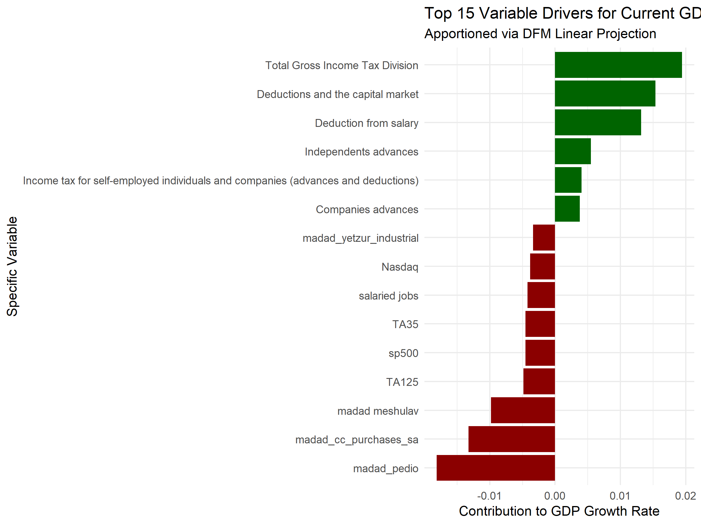
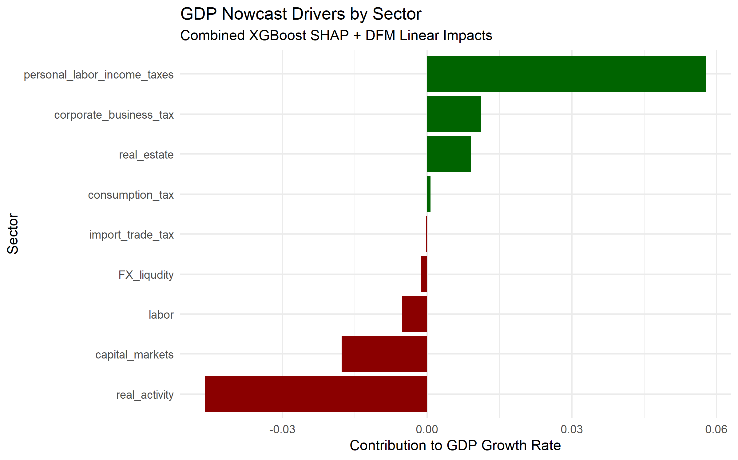
Metric | Value
XGBoost Nowcast | 1.69%
DFM Nowcast | 1.65%
Ensemble Growth | 1.67%
Ensemble GDP Level | 444,451.97

