Awal
Awal mulai backlog

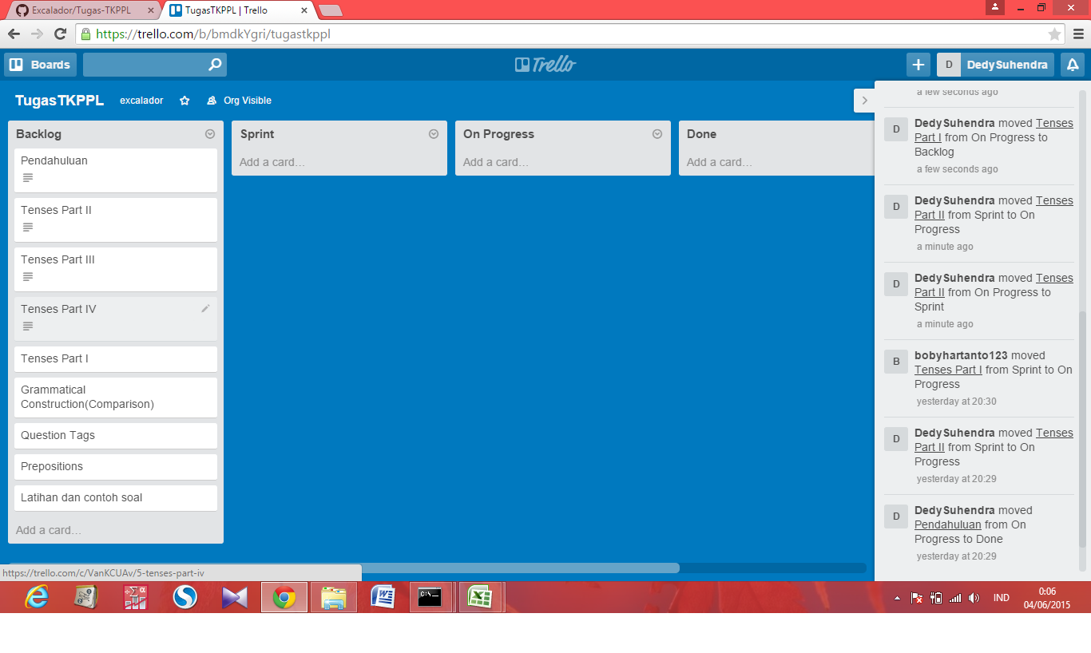

Karena lupa screenshot terpaksa saya pindah lagi ke awal-awal

