Awal
Awal mulai backlog

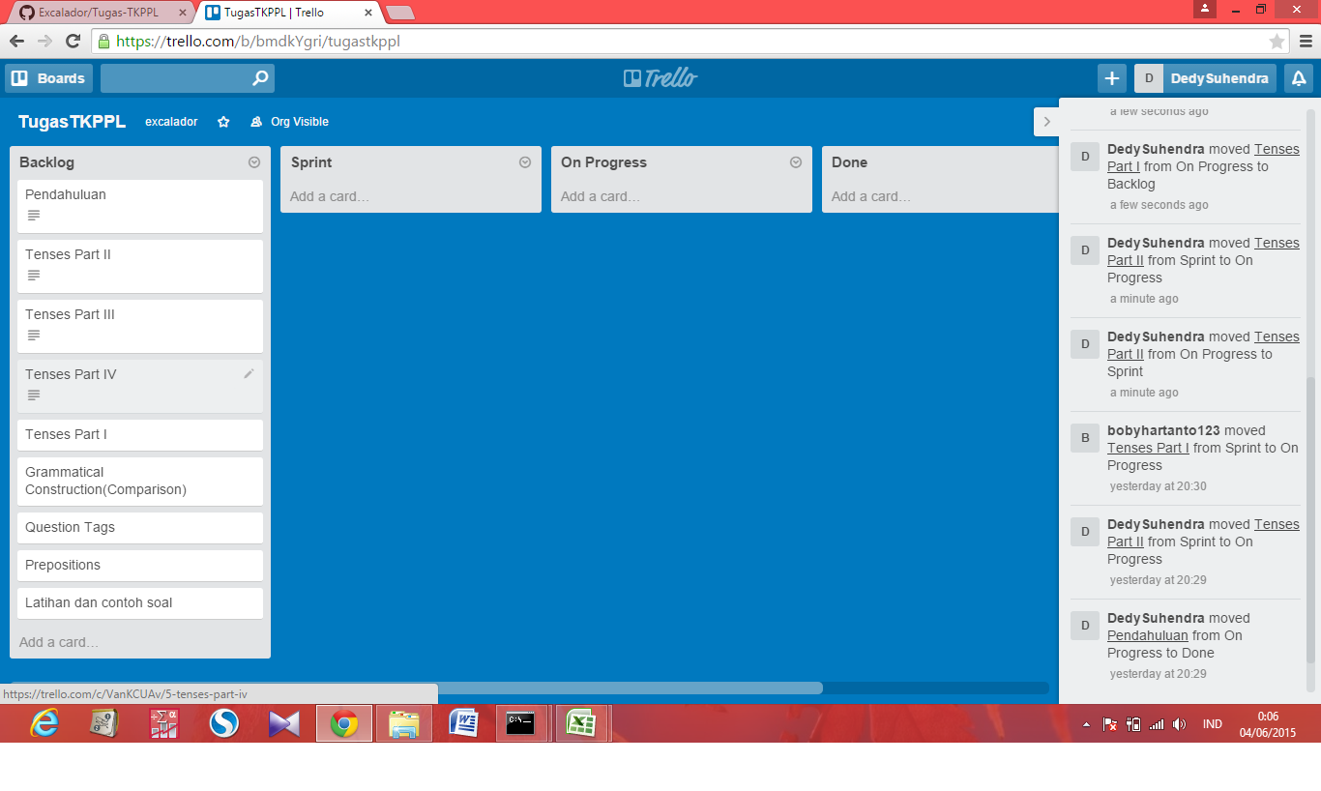

Karena lupa screenshot terpaksa saya pindah lagi ke awal-awal

Sprint 1
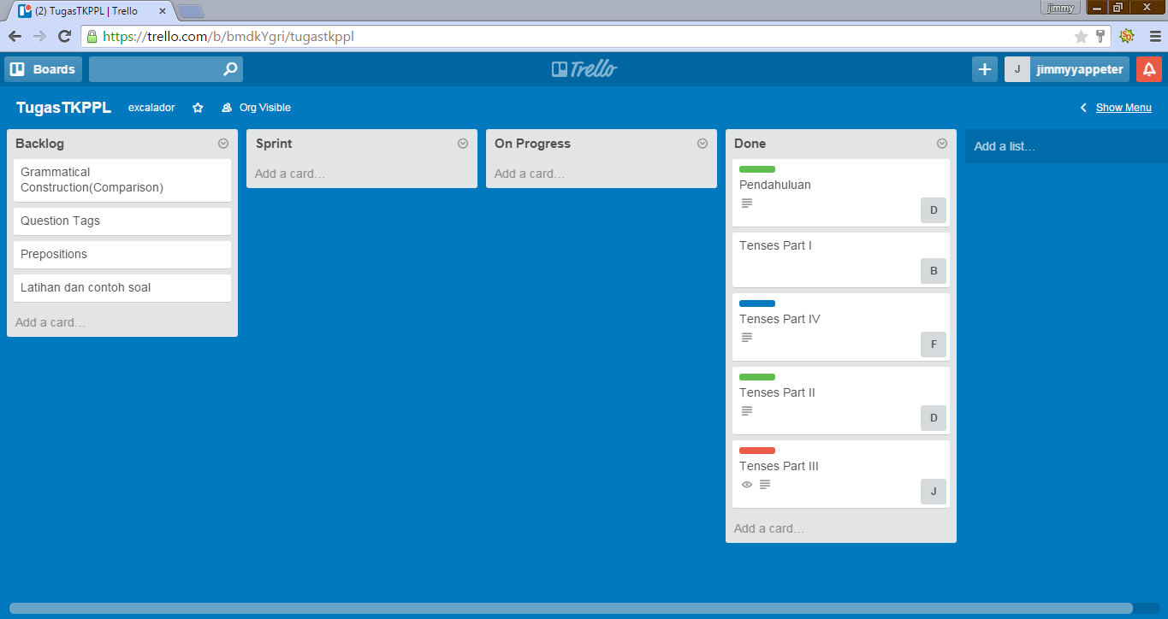
dari Jimmy Yappeter ( 13.111.0461 ) | tgl 05 Juni 2015

