report2
dateyear | country | MAX_price
2009 | Sint Maarten (Dutch part) | 99800 | This report is to find which country imports the most value of animals each year. From the result, we could know which countries benefit most from wildlife trading. We could also analyze whether there exists trends.
2010 | Israel | 100000
2011 | China | 98802
2012 | Switzerland | 99800
2013 | Kazakhstan | 99700
2014 | Australia | 99900
2015 | United Arab Emirates | 98505
2016 | Spain | 98900
2017 | Myanmar | 98800
2018 | Namibia | 98700

Countries with Highest Wildlife Import Value

 |  |  | WITH tabs AS ( SELECT DISTINCT dd.Year AS dateyear, ad.Area_Name AS country, ft.TotalPrice AS total_price, MAX(ft.TotalPrice) over(partition by dd.Year) MAX_price FROM FactTable AS ft JOIN areadim AS ad ON ft.importerkey = ad.area_key JOIN DateDim AS dd ON ft.datekey = dd.datekey ) SELECT dateyear, country, MAX_price FROM tabs WHERE MAX_price = total_price ORDER BY dateyear;

report3
year | country | quantity
2009 | France | 53263 | This report is to find top 10 countries which exported the largest quantity of wildlife each year. From the result, we could know the trading volume trend and which countries have high need in wildlifes.
2009 | German Democratic Republic | 38757
2009 | Indonesia | 89061
2009 | Italy | 65444
2009 | Malaysia | 20470
2009 | Netherlands | 90923
2009 | Singapore | 22198
2009 | South Africa | 23391
2009 | United Kingdom | 19783
2009 | United States | 55920
2010 | China | 22452
2010 | France | 53001
2010 | German Democratic Republic | 41093
2010 | Indonesia | 86829
2010 | Italy | 75198 | WITH tabs AS ( SELECT dd.Year AS year, ad.Area_Name AS country, SUM(ft.Quantity) AS quantity, rank() OVER (partition by dd.Year order by SUM(ft.Quantity) desc) AS rank FROM FactTable AS ft JOIN AreaDim AS ad ON ft.exporterkey=ad.area_key JOIN DateDim AS dd ON ft.datekey = dd.datekey GROUP BY dd.Year,ad.Area_Name ) SELECT year, country, quantity FROM tabs WHERE rank <= 3 ORDER BY year,country;
2010 | Malaysia | 21854
2010 | Netherlands | 94560
2010 | Peru | 24198
2010 | Singapore | 21141
2010 | United States | 57264
2011 | Australia | 23675
2011 | Canada | 22262
2011 | China | 24663
2011 | France | 53698
2011 | German Democratic Republic | 38520
2011 | Indonesia | 87024
2011 | Italy | 77338
2011 | Netherlands | 98966
2011 | Singapore | 19632 | Further Analysis: Find the frequency of each country appearing in the result: We could further compare which countries have higher need in wildlifes.
2011 | United States | 52941
2012 | Australia | 20865
2012 | Canada | 20299
2012 | China | 21550
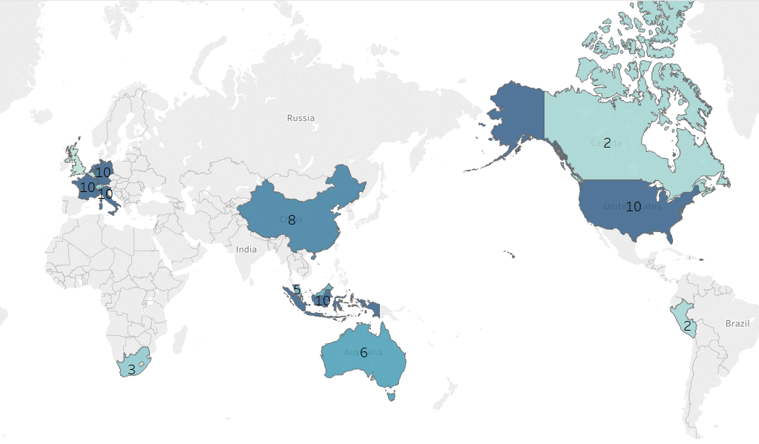
2012 | France | 53866
2012 | German Democratic Republic | 44496
2012 | Indonesia | 86204
2012 | Italy | 72209
2012 | Netherlands | 103462
2012 | Singapore | 20546
2012 | United States | 51633
2013 | Australia | 20859
2013 | China | 21810
2013 | France | 56759
2013 | German Democratic Republic | 39104
2013 | Indonesia | 87020
2013 | Italy | 72638
2013 | Netherlands | 93770
2013 | Singapore | 20079
2013 | Switzerland | 19845
2013 | United States | 54846
2014 | Belgium | 18718
2014 | China | 20296
2014 | France | 48600
2014 | German Democratic Republic | 37247
2014 | Indonesia | 99998
2014 | Italy | 74335
2014 | Netherlands | 93748
2014 | Peru | 22494
2014 | Singapore | 21624
2014 | United States | 56976
2015 | Australia | 24427
2015 | France | 55447
2015 | German Democratic Republic | 35902
2015 | Indonesia | 91892
2015 | Italy | 76244
2015 | Malaysia | 19952
2015 | Netherlands | 94875
2015 | Singapore | 23307
2015 | South Africa | 19952
2015 | United States | 55612
2016 | Australia | 20618
2016 | China | 23291
2016 | France | 49069
2016 | German Democratic Republic | 43142
2016 | Indonesia | 90552
2016 | Italy | 75799
2016 | Malaysia | 19288
2016 | Netherlands | 102678
2016 | Switzerland | 19527
2016 | United States | 53935
2017 | Australia | 21745
2017 | China | 21321
2017 | France | 54727
2017 | German Democratic Republic | 47067
2017 | Indonesia | 100554
2017 | Italy | 77612
2017 | Netherlands | 104291
2017 | Singapore | 19040
2017 | South Africa | 21421
2017 | United States | 55003
2018 | China | 20918
2018 | France | 54493
2018 | German Democratic Republic | 44326
2018 | Indonesia | 94848
2018 | Italy | 73801
2018 | Malaysia | 20865
2018 | Netherlands | 100256
2018 | Singapore | 20906
2018 | Switzerland | 21240
2018 | United States | 52316

report3+
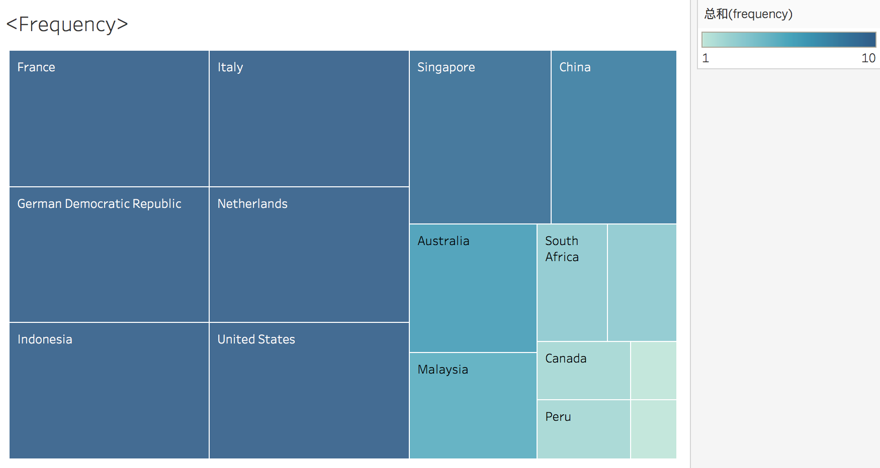
country | frequency
France | 10 | This report is derived from report 3. Find the frequency of each country appearing in the result: We could further compare which countries have higher need in wildlifes.
German Democratic Republic | 10
Indonesia | 10
Italy | 10
Netherlands | 10
United States | 10
Singapore | 9
China | 8 | WITH additional_question AS ( SELECT year, country, quantity FROM (SELECT dd.Year AS year, ad.Area_Name AS country, SUM(ft.Quantity) AS quantity, rank() OVER (partition by dd.Year order by SUM(ft.Quantity) desc) AS rank FROM FactTable AS ft JOIN AreaDim AS ad ON ft.exporterkey=ad.area_key JOIN DateDim AS dd ON ft.datekey = dd.datekey GROUP BY dd.Year,ad.Area_Name) AS tabs1 WHERE tabs1.rank <= 10 ) SELECT additional_question.country, COUNT(*) AS frequency FROM additional_question GROUP BY country ORDER BY frequency desc;
Australia | 6
Malaysia | 5
South Africa | 3
Switzerland | 3
Peru | 2
Canada | 2
Belgium | 1
United Kingdom | 1

report4
year | month | total_price
2009 | 3 | 43108933 | This report is to analyze which month has the most transaction value each year. From the result, we could also analyze whether the total transaction value in that month is increasing.
2010 | 3 | 43455342
2011 | 6 | 43059363
2012 | 8 | 43702444
2013 | 5 | 41024824
2014 | 3 | 42517324
2015 | 11 | 42996303
2016 | 10 | 44377810
2017 | 1 | 42935824
2018 | 7 | 45378178

Months with Highest Trading Value

 |  |  | WITH tabs AS ( SELECT dd.Year AS year, dd.MonthNumber AS month, SUM( CAST(ft.TotalPrice AS BIGINT)) AS total_price, rank() OVER (partition by dd.Year order by SUM(CAST(ft.TotalPrice AS BIGINT)) desc) AS rank FROM FactTable AS ft JOIN DateDim AS dd ON ft.DateKey = dd.Datekey GROUP BY dd.Year, dd.MonthNumber ) SELECT year, month, total_price FROM tabs WHERE rank=1 ORDER BY year, month;

 |  |  | Further Analysis: Find the frequency of each month appearing in the result: We could further analyze whether there exists seasonality in global wildlife trading

report5
year | purpose_desc | total_price
NULL | NULL | 4377912796 | This report is to make a purpose summary by year. From the result, we could know the total transaction value of each kind of purpose for each year; we could also know the total transaction value for each year.
2009 | NULL | 434445368
2009 | Breeding in captivity or artificial propagation | 47029001
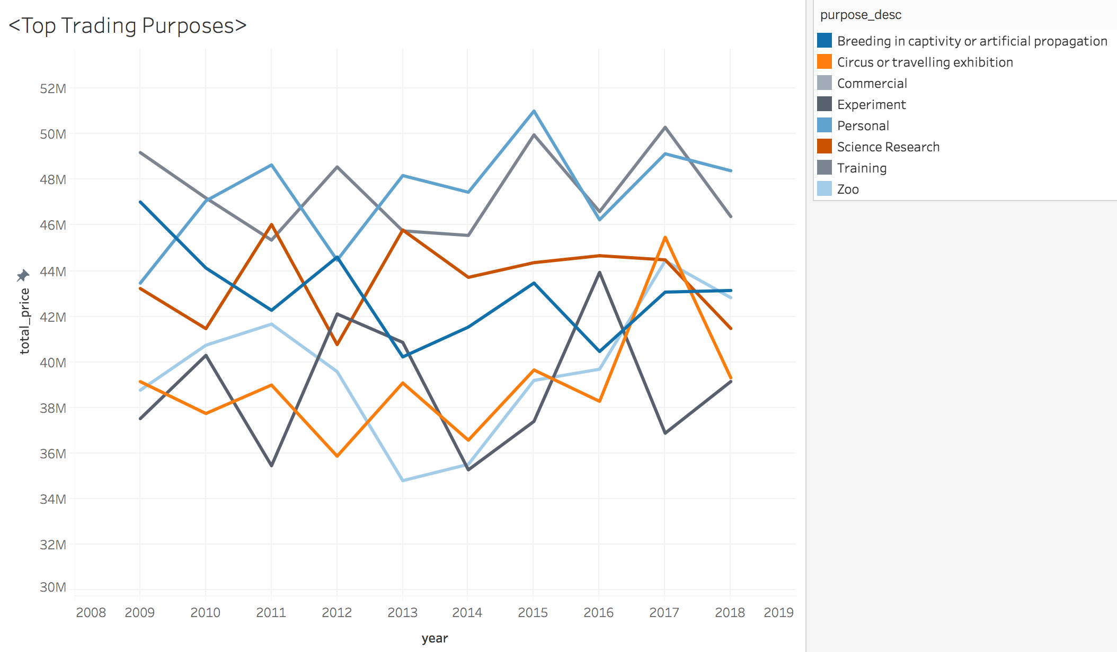
2009 | Circus or travelling exhibition | 39141996
2009 | Commercial | 550
2009 | Experiment | 37518663
2009 | Garden | 12068507
2009 | Hunting trophy | 33990034
2009 | Law enforcement | 18583338
2009 | Medical | 31877582
2009 | Medical (including biomedical research) | 4552893
2009 | Personal | 43467754
2009 | Reintroduction or introduction into the wild | 25388280
2009 | Science Research | 43229676
2009 | Scientific | 9630854 | WITH tabs AS ( SELECT dd.Year AS year, md.PurposeDescription AS purpose_desc, SUM( CAST(ft.TotalPrice AS BIGINT)) AS total_price FROM FactTable AS ft JOIN DateDim AS dd ON ft.DateKey = dd.Datekey JOIN MarketingDim AS md ON ft.MarketingKey = md.MarketingKey WHERE md.PurposeDescription IS NOT NULL GROUP BY dd.Year, md.PurposeDescription WITH ROLLUP ) SELECT year, purpose_desc, total_price FROM tabs ORDER BY year, purpose_desc;
2009 | Training | 49197907
2009 | Zoo | 38768333
2010 | NULL | 441767891
2010 | Breeding in captivity or artificial propagation | 44130237
2010 | Circus or travelling exhibition | 37743764
2010 | Experiment | 40295650
2010 | Garden | 14273120
2010 | Hunting trophy | 35891743
2010 | Law enforcement | 20659423
2010 | Medical | 31463495
2010 | Medical (including biomedical research) | 5342518
2010 | Personal | 47079126
2010 | Reintroduction or introduction into the wild | 27364877
2010 | Science Research | 41468740 | Further Analysis 1: Find the highest value among the purposes each year: We could analyze whether there exists trend in the most popular tading purpose Further Analysis 2: Find the sum of each purposes among last 5 years: We could analyze wildlifes are most traded for which purposes.
2010 | Scientific | 8107771
2010 | Training | 47205491
2010 | Zoo | 40741936
2011 | NULL | 441374518
2011 | Breeding in captivity or artificial propagation | 42274420
2011 | Circus or travelling exhibition | 38993524
2011 | Experiment | 35450325
2011 | Garden | 12076066
2011 | Hunting trophy | 36981014
2011 | Law enforcement | 20992702
2011 | Medical | 34361887
2011 | Medical (including biomedical research) | 4320688
2011 | Personal | 48655154
2011 | Reintroduction or introduction into the wild | 26000933
2011 | Science Research | 46039034
2011 | Scientific | 8205694
2011 | Training | 45355383
2011 | Zoo | 41667694
2012 | NULL | 428877648
2012 | Breeding in captivity or artificial propagation | 44610082
2012 | Circus or travelling exhibition | 35869583
2012 | Experiment | 42112221
2012 | Garden | 14022409
2012 | Hunting trophy | 33571821
2012 | Law enforcement | 23300690
2012 | Medical | 24261609
2012 | Medical (including biomedical research) | 5383775
2012 | Personal | 44473705
2012 | Reintroduction or introduction into the wild | 24570098
2012 | Science Research | 40768932
2012 | Scientific | 7783725
2012 | Training | 48566252
2012 | Zoo | 39582746
2013 | NULL | 426213738
2013 | Breeding in captivity or artificial propagation | 40228307
2013 | Circus or travelling exhibition | 39085422
2013 | Experiment | 40865736
2013 | Garden | 11535948
2013 | Hunting trophy | 31658481
2013 | Law enforcement | 18406949
2013 | Medical | 31331029
2013 | Medical (including biomedical research) | 3969377
2013 | Personal | 48188425
2013 | Reintroduction or introduction into the wild | 25750181
2013 | Science Research | 45798945
2013 | Scientific | 8837402
2013 | Training | 45761409
2013 | Zoo | 34796127
2014 | NULL | 428060554
2014 | Breeding in captivity or artificial propagation | 41538337
2014 | Circus or travelling exhibition | 36572490
2014 | Experiment | 35270145
2014 | Garden | 12807507
2014 | Hunting trophy | 34953392
2014 | Law enforcement | 23391653
2014 | Medical | 28929649
2014 | Medical (including biomedical research) | 4475101
2014 | Personal | 47456237
2014 | Reintroduction or introduction into the wild | 28664671
2014 | Science Research | 43720798
2014 | Scientific | 9205005
2014 | Training | 45561364
2014 | Zoo | 35514205
2015 | NULL | 438909264
2015 | Breeding in captivity or artificial propagation | 43470775
2015 | Circus or travelling exhibition | 39654375
2015 | Experiment | 37398181
2015 | Garden | 10880479
2015 | Hunting trophy | 35273101
2015 | Law enforcement | 21393093
2015 | Medical | 32036747
2015 | Medical (including biomedical research) | 2866174
2015 | Personal | 51020379
2015 | Reintroduction or introduction into the wild | 22628576
2015 | Science Research | 44366198
2015 | Scientific | 8748994
2015 | Training | 49974803
2015 | Zoo | 39197389
2016 | NULL | 443468027
2016 | Breeding in captivity or artificial propagation | 40464497
2016 | Circus or travelling exhibition | 38278233
2016 | Experiment | 43938950
2016 | Garden | 10873935
2016 | Hunting trophy | 37665193
2016 | Law enforcement | 22976945
2016 | Medical | 30445357
2016 | Medical (including biomedical research) | 4969301
2016 | Personal | 46247290
2016 | Reintroduction or introduction into the wild | 26573942
2016 | Science Research | 44670450
2016 | Scientific | 10070337
2016 | Training | 46604499
2016 | Zoo | 39689098
2017 | NULL | 450156627
2017 | Breeding in captivity or artificial propagation | 43073601
2017 | Circus or travelling exhibition | 45480462
2017 | Experiment | 36879226
2017 | Garden | 12389838
2017 | Hunting trophy | 36703887
2017 | Law enforcement | 18006983
2017 | Medical | 29046742
2017 | Medical (including biomedical research) | 3878456
2017 | Personal | 49145098
2017 | Reintroduction or introduction into the wild | 29380729
2017 | Science Research | 44488648
2017 | Scientific | 6934390
2017 | Training | 50307484
2017 | Zoo | 44441083
2018 | NULL | 444639161
2018 | Breeding in captivity or artificial propagation | 43143484
2018 | Circus or travelling exhibition | 39310010
2018 | Experiment | 39147458
2018 | Garden | 12894104
2018 | Hunting trophy | 33380307
2018 | Law enforcement | 22352490
2018 | Medical | 32717422
2018 | Medical (including biomedical research) | 4991692
2018 | Personal | 48400004
2018 | Reintroduction or introduction into the wild | 28400028
2018 | Science Research | 41476599
2018 | Scientific | 9208401
2018 | Training | 46389221
2018 | Zoo | 42827941

report5+
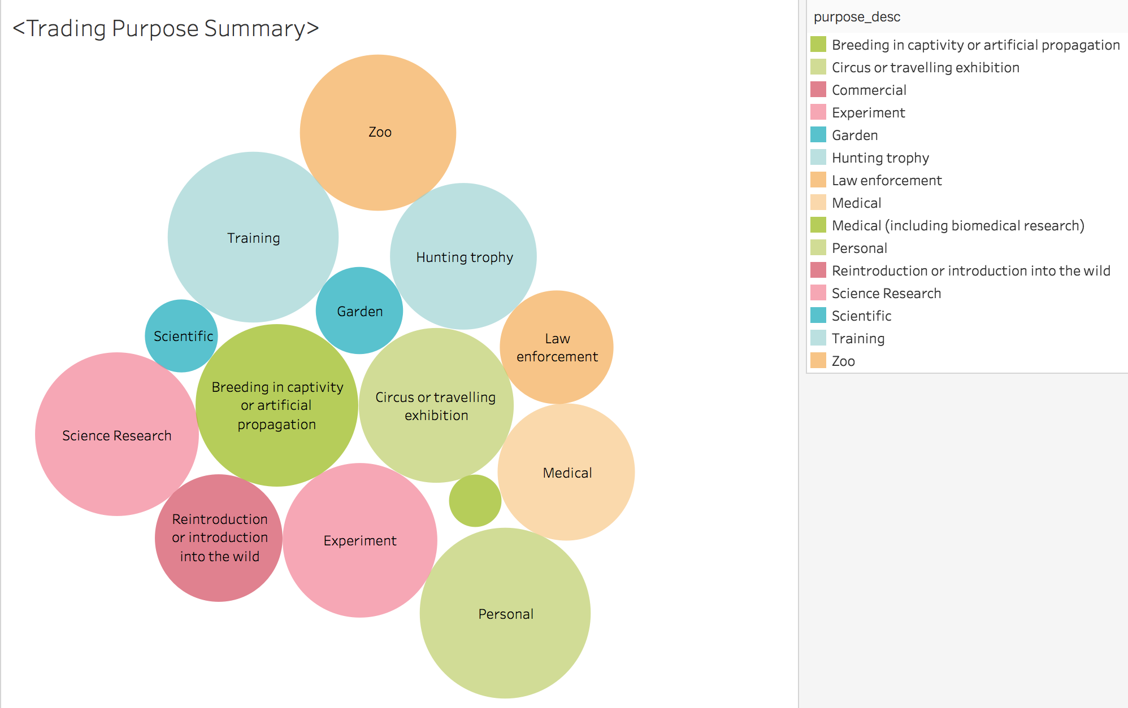
This report is a further analysis based on report 5. We find the sum of each purposes among last 5 years: From the results ,we could see that wildlifes are most traded for science research, personal purpose, training and zoo.

