Total Sales by Shipping Date
Total Sales by Shipping Date
Shipping Date | Total # of Sales
2023-06-18 | € 850
2023-06-19 | € 1,500
2023-06-20 | € 1,500
2023-06-21 | € 375
2023-06-22 | € 1,160
2023-06-23 | € 850
2023-06-24 | € 2,250
2023-06-25 | € 1,000
2023-06-26 | € 290
2023-06-27 | € 1,500
2023-06-28 | € 1,700
2023-06-29 | € 750
2023-06-30 | € 1,500
2023-07-01 | € 580
2023-07-02 | € 1,125
2023-07-03 | € 3,400
2023-07-04 | € 750
2023-07-05 | € 1,500
2023-07-06 | € 1,160
2023-07-07 | € 750
2023-07-08 | € 850
2023-07-09 | € 1,500
2023-07-10 | € 1,500
2023-07-11 | € 1,160
2023-07-12 | € 375
2023-07-13 | € 1,700
2023-07-14 | € 2,250
2023-07-15 | € 2,000
2023-07-16 | € 290
2023-07-17 | € 750
Grand Total | € 36,865

Stock on Hand by Product
Stock on Hand by Product
 |  | Product | Sum of Stock on Hand
 |  | Camera | 146
 |  | Headphones | 155
 |  | Laptop | 141
 |  | Smartphone | 153
 |  | Tablet | 113
 |  | Grand Total | 708

I created a bar chart that displays the stock on hand for each product. For example, the stock on hand for Camera is 146 and for Headphones is 155. See the chart above for more details.

Total Stock on Hand for each Product
 | Total
Camera | 146
Headphones | 155
Laptop | 141
Smartphone | 153
Tablet | 113
Row Labels | Sum of Stock on Hand
Camera | 146
Headphones | 155
Laptop | 141
Smartphone | 153
Tablet | 113
Grand Total | 708

Summary Data
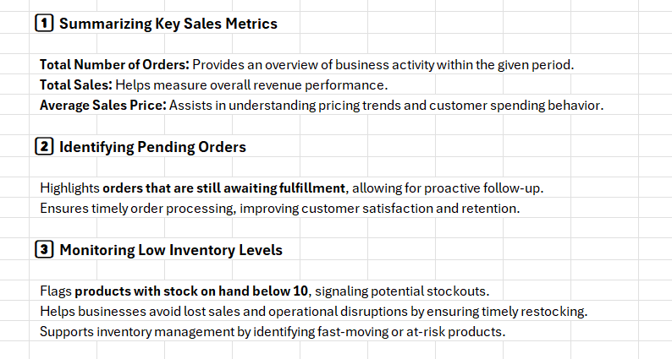
Order Status | (All)

Total # of Order ID | Total # of Sales | Average Sales Price
30 | € 36,865 | € 553

Sheet5
Row Labels | Sum of Stock on Hand
Camera | 146
Headphones | 155
Laptop | 141
Smartphone | 153
Tablet | 113
Grand Total | 708

Stock on Hand for each Product

