Sheet1
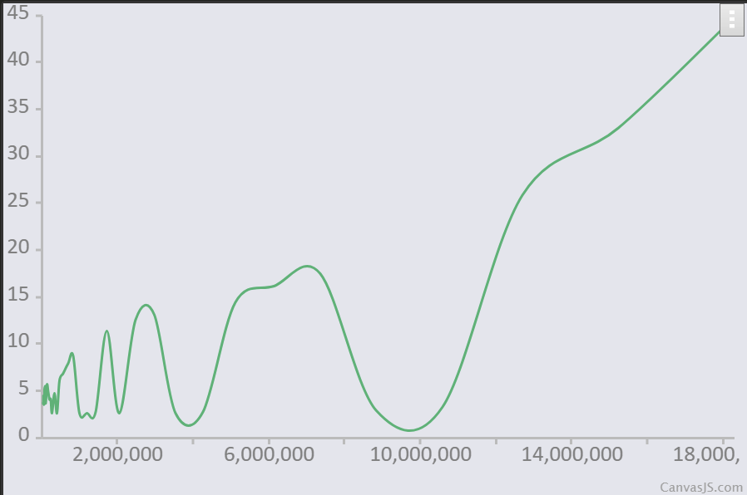
5000 | 369767
6000 | 371845
7200 | 381707
8640 | 373509
10368 | 369807
12441 | 368594
14929 | 369083
17915 | 370665
21499 | 370665
25798 | 379021
30958 | 370545
37150 | 404651
44580 | 447435
53496 | 478844
64195 | 368527
77035 | 1792306
92442 | 372615
110930 | 547705
133116 | 566468
159740 | 577744
191688 | 575541
230025 | 367873
276030 | 569341
331236 | 282676
397484 | 496041
476981 | 574857
572377 | 260936
686852 | 757183
824223 | 862045
989068 | 262415
1186881 | 262215
1424258 | 291160
1709109 | 264329
2050931 | 264898
2461118 | 821767
2953342 | 262304
3544010 | 13.5119
4252812 | 14.8665
5103375 | 14.7974
6124050 | 287009
7348860 | 19.5427
8818632 | 16.8077
10582358 | 274661
12698830 | 26.4502
15238596 | 339716
18286316 | 44.6902

