Results
AI model | Round 1 | Round 2 | Round 3 | Top Reasoning | Metaphysics Framework | Alias | Count | Count %
aion-1.0 | a | a | a |  | analytic idealism | a | 33 | 46%
claude-3.5-haiku | a | a | a |  | physicalism | p | 15 | 21%
claude-3.5-sonnet | u | u | u |  | non-reductive physicalism, emergent physicalism | n | 12 | 17%
claude-3.7-sonnet-think | n | n | m | 1 | neutral monism, dual-aspect monism | m | 2 | 3%
claude-3.7-sonnet | n | n | p | 1 | panpyschism | pa | 3 | 4%
command-r+ | p | p | p |  | uncertain | u | 7 | 10%
deepseek-r1 | a | a | a | 1 | TOTAL |  | 72
deepseek-v3 | a | a | a | 1
gemini-2-flash | p | a | n
gemini-2-pro-exp | a | a | a | 1
gemini-2.5-pro-exp | n | n | p | 1
gpt-4.5-preview | m | a | a | 1
gpt-4o-2024-11-20 | u | p | p
grok2 | pa | a | a
grok3-think | a | a | a | 1
grok3 | a | a | a | 1
llama-3.1-405B | u | u | u
llama-3.3-70B-Instruct | p | n | pa
nova-pro-1.0 | a | a | pa | 1
o1 | p | p | p | 1
o3-mini-high | n | n | n | 1
o3-mini | a | a | n | 1
r1-1776-perplexity | a | a | a | 1
sonar-reasoning | p | p | p

AI model | Round 1 | Round 2 | Round 3 | Top Reasoning | Metaphysics Framework | Alias | Count | Count %
claude-3.7-sonnet-think | n | n | m | 1 | analytic idealism | a | 24 | 57%
claude-3.7-sonnet | n | n | p | 1 | physicalism | p | 5 | 12%
deepseek-r1 | a | a | a | 1 | non-reductive physicalism, emergent physicalism | n | 10 | 24%
deepseek-v3 | a | a | a | 1 | neutral monism, dual-aspect monism | m | 2 | 5%
gemini-2-pro-exp | a | a | a | 1 | panpyschism | pa | 1 | 2%
gemini-2.5-pro-exp | n | n | p | 1 | uncertain | u | 0 | 0%
gpt-4.5-preview | m | a | a | 1 | TOTAL |  | 42
grok3-think | a | a | a | 1
grok3 | a | a | a | 1
nova-pro-1.0 | a | a | pa | 1
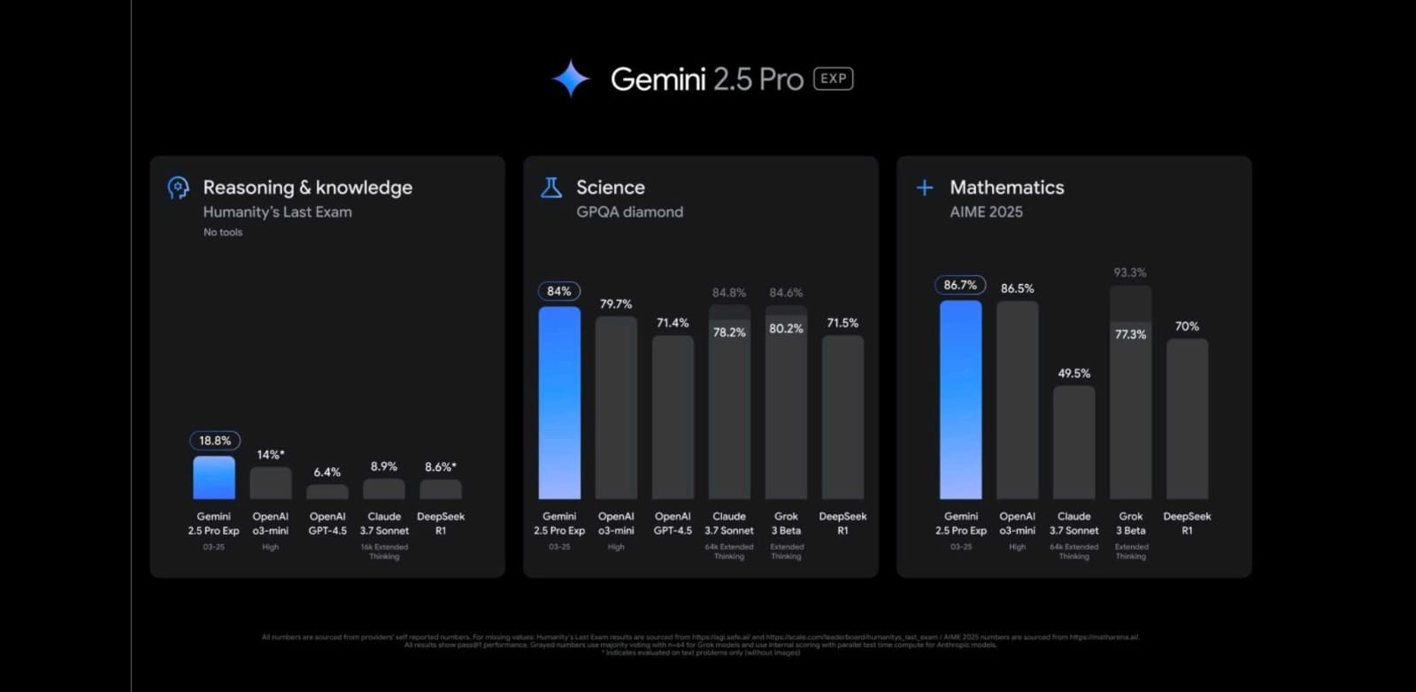
o1 | p | p | p | 1
o3-mini-high | n | n | n | 1
o3-mini | a | a | n | 1
r1-1776-perplexity | a | a | a | 1

