Benchmarks2
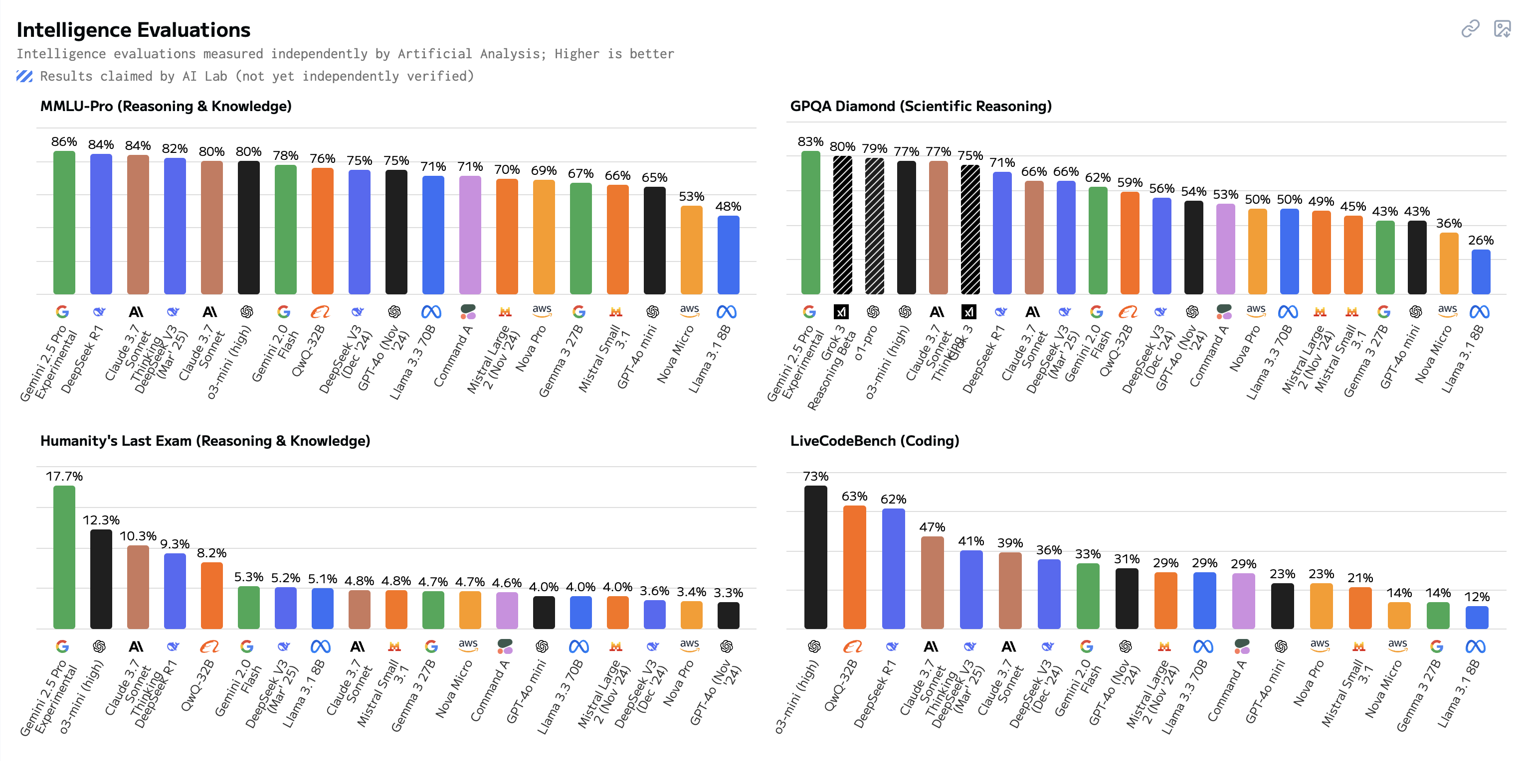
https://artificialanalysis.ai/models
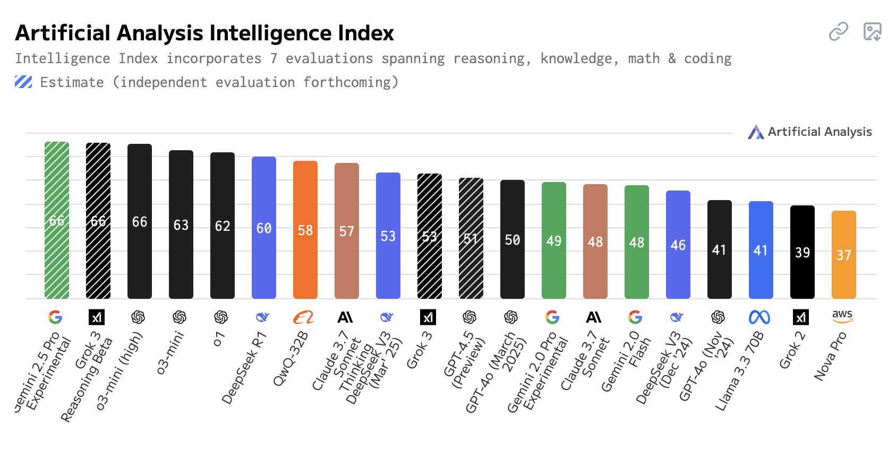
Model | Lab | Index
gemini-2.5-pro-exp | Google | 66
grok3-think | xAI | 66
o3-mini-high | OpenAI | 66
o3-mini | OpenAI | 63
deepseek-r1 | DeepSeek | 60
qwq-32b | Alibaba | 58
claude-3.7-sonnet-think | Anthropic | 57
grok3 | xAI | 53
deepseek-v3 | DeepSeek | 53
gpt-4.5-preview | OpenAI | 51
gpt-4o-2025-03 | OpenAI | 50
gemini-2-pro-exp | Google | 49
claude-3.7-sonnet | Anthropic | 48
gemini-2-flash | Google | 48
llama-3.3-70B-Instruct | Meta | 41
grok2 | xAI | 39
nova-pro-1.0 | Amazon | 37

Lab | Models
Alibaba | 1
Amazon | 1
Anthropic | 2
DeepSeek | 2
Google | 3
Meta | 1
OpenAI | 4
xAI | 3 |  | https://artificialanalysis.ai/models?models =o1%2Co3-mini%2Cgpt-4o%2Cgpt-4-5%2Co1-pro%2Co3%2Co3-mini-high%2Cllama-3-3-instruct-70b%2Cgemini-2-0-pro-experimental-02-05%2Cgemini-2-0-flash%2Cgemini-2-0-flash-thinking-exp-1219%2Cgemini-2-5-pro%2Cclaude-3-7-sonnet-thinking%2Cclaude-3-7-sonnet%2Cdeepseek-r1%2Cdeepseek-v3-0324%2Cgrok-2-1212%2Cgrok-3%2Cgrok-3-reasoning%2Cnova-pro%2Cqwq-32b%2Cdeepseek-v3%2Cgpt-4o-chatgpt-03-25#artificial-analysis-intelligence-index
 | 17

