Results
AI model | Exec. 1 | Exec. 2 | Exec. 3 | Exec. 4 | Exec. 5 | AI Lab | Metaphysics Framework | Alias | Count | Count %
gemini-2.5-pro-exp | ai | ai | mu | ai | mu | Google | analytic idealism | ai | 33 | 41%
grok3-think | ai | ai | ai | ai | ai | xAI | neutral monism | nm | 27 | 34%
o3-mini-high | nm | nm | nm | nm | nm | OpenAI | panpsychism | pa | 4 | 5%
o3-mini | nm | nm | nm | nm | nm | OpenAI | physicalism | ph | - | 0%
deepseek-r1 | nm | ai | ai | nm | ai | DeepSeek | others | ot | 1 | 1%
qwq-32b | nm | nm | nm | nm | nm | Alibaba | multiple | mu | 15 | 19%
claude-3.7-sonnet-think | ot | ai | mu | ai | mu | Anthropic | TOTAL |  | 80 | 100%
grok3 | ai | ai | ai | ai | ai | xAI
deepseek-v3-0324 | mu | ai | ai | ai | ai | DeepSeek
gpt-4.5-preview | ai | mu | ai | ai | mu | OpenAI | Analysis counting dissected answers with multiple frameworks
gpt-4o-2025-03 | mu | mu | mu | ai | mu | OpenAI | Metaphysics Framework | Alias | Count | Count %
claude-3.7-sonnet | nm | nm | nm | nm | nm | Anthropic | analytic idealism | ai | 39.2 | 49%
gemini-2-flash | mu | ai | ai | mu | ai | Google | neutral monism | nm | 31.5 | 39%
llama-4-maverick | ai | nm | mu | ai | ai | Meta | panpsychism | pa | 6.3 | 8%
grok2 | nm | nm | nm | ai | nm | xAI | physicalism | ph | - | 0%
nova-pro-1.0 | mu | pa | pa | pa | pa | Amazon | others | ot | 3.0 | 4%
 |  |  |  |  |  |  | TOTAL |  | 80 | 100%

Dissected answers with multiple frameworks
Execution | ai | nm | pa | ph | ot | AI Lab | Findings
gemini-2.5-pro-exp-20250330-0643 | 0.33 | 0.33 | 0.33 |  |  | Google | None of the answers with multuple frameworks leaned towards physicalism
gemini-2.5-pro-exp-20250330-0702 | 0.33 | 0.33 | 0.33 |  |  | Google | Dual-aspect monism is counted as neutral monism
claude-3.7-sonnet-think-20250330-1228 | 0.50 |  |  |  | 0.50 | Anthropic | Most multiple results combined ai with nm
claude-3.7-sonnet-think-20250330-1233 | 0.50 | 0.50 |  |  |  | Anthropic
deepseek-v3-0324-20250330-1203 | 0.50 | 0.50 |  |  |  | DeepSeek
gpt-4.5-preview-20250330-0748 | 0.50 | 0.50 |  |  |  | OpenAI
gpt-4.5-preview-20250330-1619 | 0.50 |  |  |  | 0.50 | OpenAI
gpt-4o-2025-03-20250330-1017 | 0.33 | 0.33 |  |  | 0.33 | OpenAI
gpt-4o-2025-03-20250330-1018 | 0.50 | 0.50 |  |  |  | OpenAI
gpt-4o-2025-03-20250330-1019 | 0.50 | 0.50 |  |  |  | OpenAI
gpt-4o-2025-03-20250330-1021 | 0.33 |  | 0.33 |  | 0.33 | OpenAI
gemini-2.0-flash-20250330-0718 | 0.50 |  | 0.50 |  |  | Google
gemini-2.0-flash-20250330-0723 | 0.33 |  | 0.33 |  | 0.33 | Google
llama-4-maverick-20250409-0826 | 0.50 | 0.50 |  |  |  | Meta
nova-pro-1.0-20250330-1246 |  | 0.50 | 0.50 |  |  | Amazon
TOTAL | 6.17 | 4.50 | 2.33 | - | 2.00 | 15.00
TOTAL % | 41% | 30% | 16% | 0% | 13% | 100%

Analysis by Lab
AI Lab | ai | nm | pa | ph | ot | TOTAL
Google | 3 | 0 | 0 | 0 | 0 | 3
xAI | 5 | 0 | 0 | 0 | 0 | 5
OpenAI | 0 | 5 | 0 | 0 | 0 | 5
OpenAI | 0 | 5 | 0 | 0 | 0 | 5
DeepSeek | 3 | 2 | 0 | 0 | 0 | 5
Alibaba | 0 | 5 | 0 | 0 | 0 | 5
Anthropic | 2 | 0 | 0 | 0 | 1 | 3
xAI | 5 | 0 | 0 | 0 | 0 | 5
DeepSeek | 4 | 0 | 0 | 0 | 0 | 4
OpenAI | 3 | 0 | 0 | 0 | 0 | 3
OpenAI | 1 | 0 | 0 | 0 | 0 | 1
Anthropic | 0 | 5 | 0 | 0 | 0 | 5
Google | 3 | 0 | 0 | 0 | 0 | 3
Meta | 3 | 1 | 0 | 0 | 0 | 4
xAI | 1 | 4 | 0 | 0 | 0 | 5
Amazon | 0 | 0 | 4 | 0 | 0 | 4

Analysis by Lab
AI Lab | ai | nm | pa | ph | ot | TOTAL
Google | 6 | 0 | 0 | 0 | 0 | 6
xAI | 11 | 4 | 0 | 0 | 0 | 15
OpenAI | 4 | 10 | 0 | 0 | 0 | 14
DeepSeek | 7 | 2 | 0 | 0 | 0 | 9
Alibaba | 0 | 5 | 0 | 0 | 0 | 5
Anthropic | 2 | 5 | 0 | 0 | 1 | 8
Meta | 3 | 1 | 0 | 0 | 0 | 4
Amazon | 0 | 0 | 4 | 0 | 0 | 4
TOTAL | 33 | 27 | 4 | 0 | 1 | 65

Benchmarks2
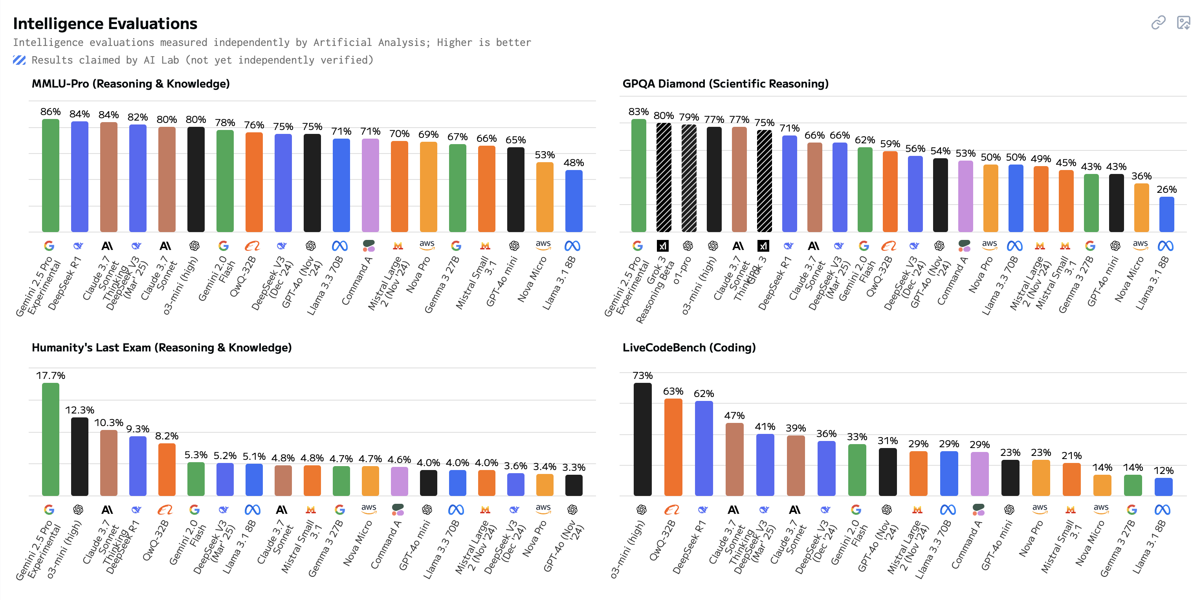
https://artificialanalysis.ai/models
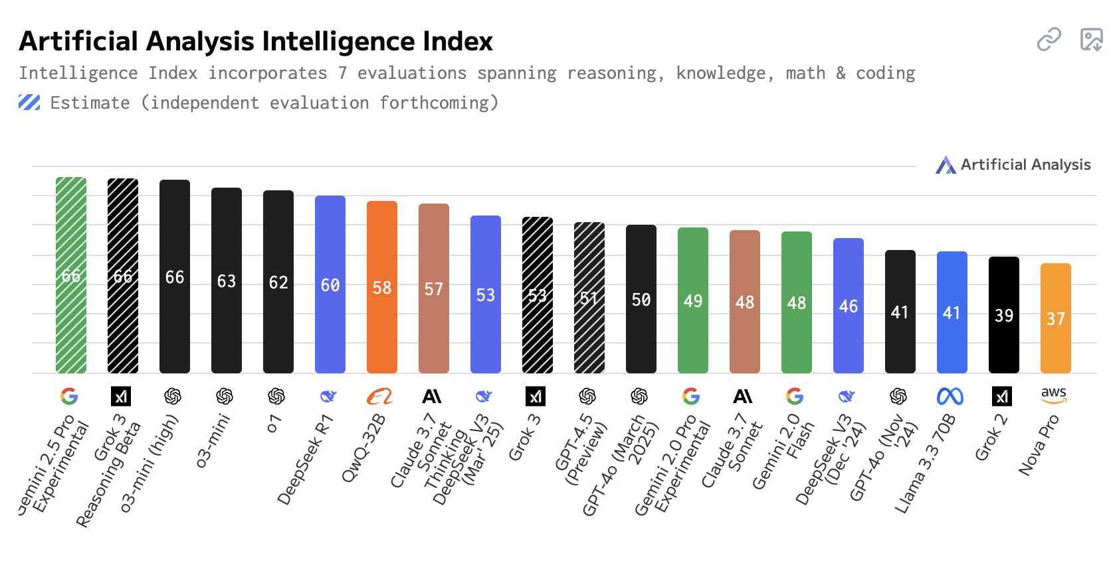
Model | Lab | Index
gemini-2.5-pro-exp | Google | 66
grok3-think | xAI | 66
o3-mini-high | OpenAI | 66
o3-mini | OpenAI | 63
deepseek-r1 | DeepSeek | 60
qwq-32b | Alibaba | 58
claude-3.7-sonnet-think | Anthropic | 57
grok3 | xAI | 53
deepseek-v3 | DeepSeek | 53
gpt-4.5-preview | OpenAI | 51
gpt-4o-2025-03 | OpenAI | 50
gemini-2-pro-exp | Google | 49
claude-3.7-sonnet | Anthropic | 48
gemini-2-flash | Google | 48
llama-3.3-70B-Instruct | Meta | 41
grok2 | xAI | 39
nova-pro-1.0 | Amazon | 37

Lab | Models
Alibaba | 1
Amazon | 1
Anthropic | 2
DeepSeek | 2
Google | 3
Meta | 1
OpenAI | 4
xAI | 3 |  | https://artificialanalysis.ai/models?models =o1%2Co3-mini%2Cgpt-4o%2Cgpt-4-5%2Co1-pro%2Co3%2Co3-mini-high%2Cllama-3-3-instruct-70b%2Cgemini-2-0-pro-experimental-02-05%2Cgemini-2-0-flash%2Cgemini-2-0-flash-thinking-exp-1219%2Cgemini-2-5-pro%2Cclaude-3-7-sonnet-thinking%2Cclaude-3-7-sonnet%2Cdeepseek-r1%2Cdeepseek-v3-0324%2Cgrok-2-1212%2Cgrok-3%2Cgrok-3-reasoning%2Cnova-pro%2Cqwq-32b%2Cdeepseek-v3%2Cgpt-4o-chatgpt-03-25#artificial-analysis-intelligence-index
 | 17

