Instructions
1. Use Data set A02_Data_RBI_Apr22_Mar26_Short.xlsx
2. Find quarter, months etc from the data
3. Prepare Industry wise Year and Quarter wise Total_Credit_Card_Purchase_Value
 | a. Highlight data points (excluding Grand_Total row and column) - which are biggest in green and lowest in red
 | b. Calculate % of row toal
 | c. Calculate % of column total

 |  | Total_Credit_Card_Purchase_Value
 | Period_Quarter | Q1 | Q2 | Q3 | Q4 | Grand_Total
 | Period_YYYY
 | 2022 | 0
 | 2023 | 3,836,778,461,262.81
 | 2024 | 4,801,093,805,911.95
 | 2025 | 5,528,280,281,686.93
 | 2026 | 5,958,715,397,224.32
 | Grand_Total | 20,124,867,946,086.00

4. Calculate - Market share of Total_Credit_Card_Purchase_Value across Year and quarter by bank_name_1
 | Draw the graph to depict it pictorially
 | Write Interpretation of graphs

 |  |  | Total_Credit_Card_Purchase_Value
 |  | Bank_Name_1 | AMEX | AXIS | HDFC | ICICI | INDUSIND | KOTAK | Others | RBL | SBI | Grand_Total
 | Period_YYYY | Period_Quarter
 | 2022 | Q2 | 2.78 | 8.8 |  |  |  |  |  |  |  | 100
 |  | Q3 | 2.64 | 9.47 |  |  |  |  |  |  |  | 100
 |  | Q4 | 2.67 | 8.94 |  |  |  |  |  |  |  | 100
 | 2023 | Q1 | 2.69 | 10.14 |  |  |  |  |  |  |  | 100
 |  | Q2 | 2.72 | 12.13 |  |  |  |  |  |  |  | 100
 |  | Q3 | 2.7 | 11.94 |  |  |  |  |  |  |  | 100
 |  | Q4 | 2.51 | 11.77 |  |  |  |  |  |  |  | 100
 | 2024 | Q1 | 2.71 | 11.83 |  |  |  |  |  |  |  | 100
 |  | Q2 | 2.84 | 11.55 |  |  |  |  |  |  |  | 100
 |  | Q3 | 2.91 | 11.38 |  |  |  |  |  |  |  | 100
 |  | Q4 | 3.1 | 12.09 |  |  |  |  |  |  |  | 100
 | 2025 | Q1 | 2.97 | 11.29 |  |  |  |  |  |  |  | 100
 |  | Q2 | 2.85 | 11.76 |  |  |  |  |  |  |  | 100
 |  | Q3 | 2.67 | 11.73 |  |  |  |  |  |  |  | 100
 |  | Q4 | 2.91 | 11.21 |  |  |  |  |  |  |  | 100
 | 2026 | Q1 | 3.03 | 11.27 |  |  |  |  |  |  |  | 100
 | Grand_Total |  | 2.81 | 11.22 | 27.59 | 18.23 | 4.51 | 3.52 | 10.71 | 4.03 | 17.38 | 100

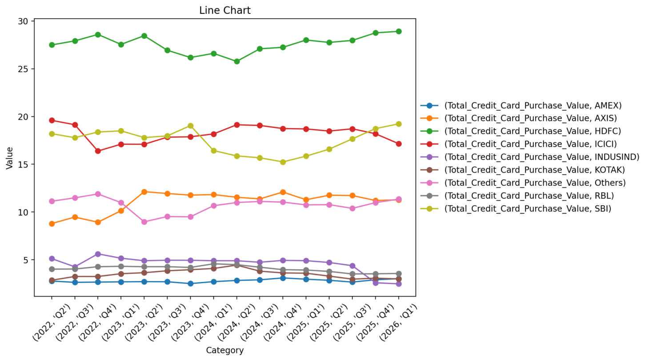

5. Calculative Percentage Relative change ((2026 value / 2023 value) of Total_Credit_Card_Purchase_Value for each value of Bank_name_1 across FY
 | Create Bar chart to show the comparison of different banks
 | write interpretation of graph
 |  | Bank_name_1 | Relative % Jump
 |  | AMEX | 75.48
 |  | AXIS | 102.51
 |  | HDFC | 67.69

Advanced task (optional)

5 A : Calculate CAGR for each bank

6. Create a trend analysis for each bank and find R-square, beta coefficient of the graph. For this exercise, consider 2022-04 as 0 , 2022-05 as 1 and so on

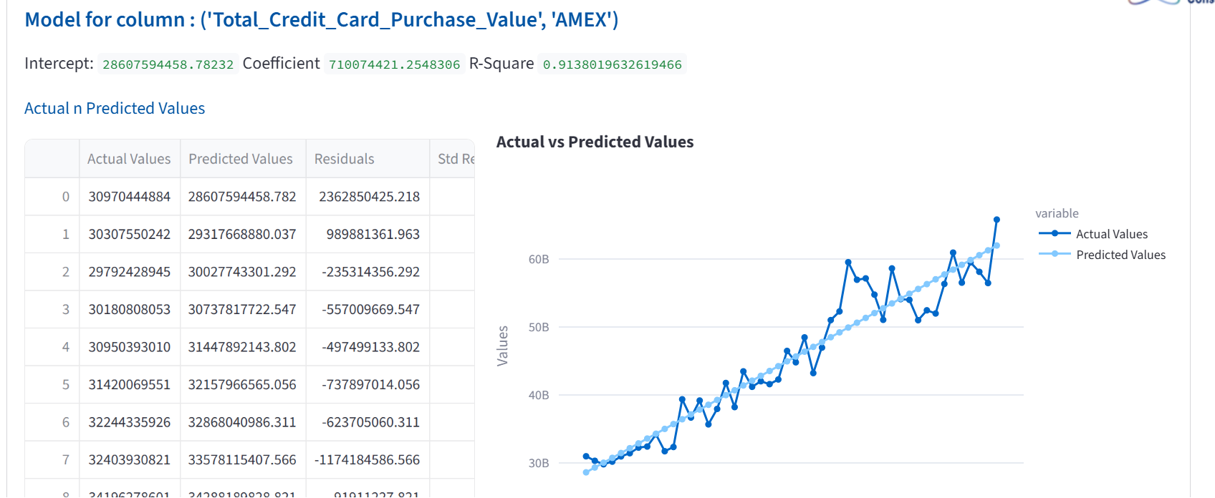

7. Forecast the a. Purchae value n # of credit card figures for different banks for next 6 months. Which one shows more fluctuations and less confidence in forecast and why?

8. Create animated dashboard

 | x | # of cards
 | y | total purchase value
 | animate based on YYYY-MM
 |  | Which means, is bubble plot should show a particular month and bubble chart automatically should show 2022-04, 2022-05… till 2026-03

