Top 30 RAPM
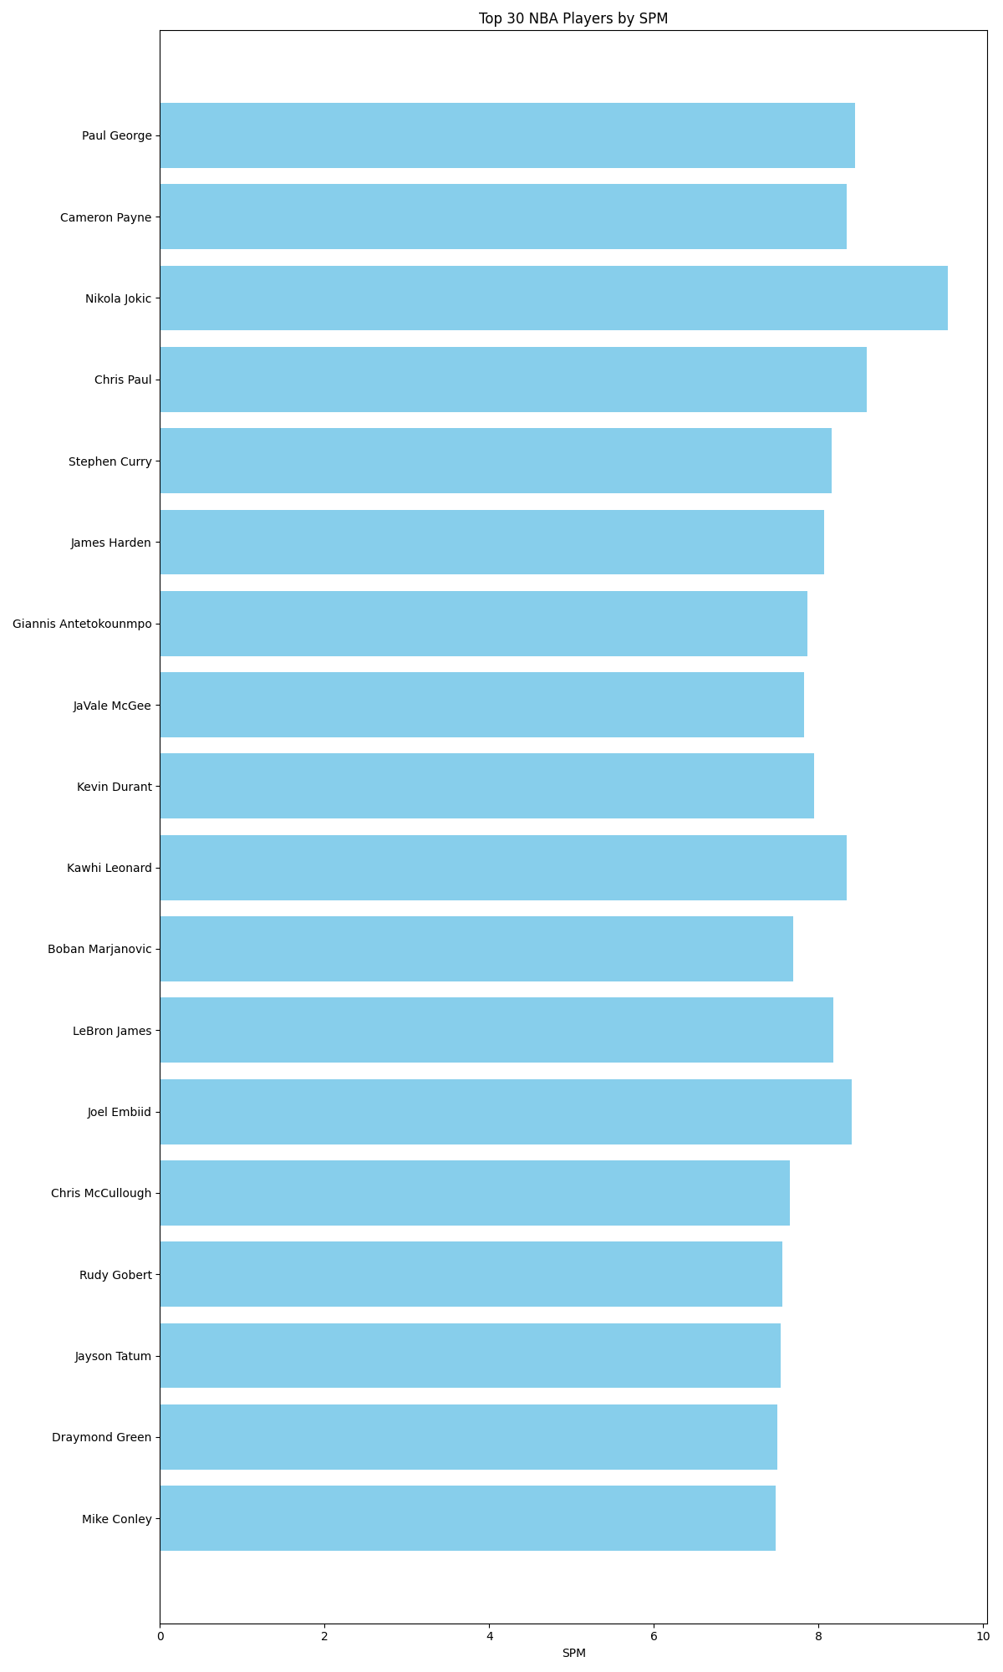
Name | Off_Prior | Def_Prior | SPM | Season
Nikola Jokic | 5.2948935901 | -1.770798816 | 9.5740185448 | 2022
Nikola Jokic | 6.6832469754 | -1.623283913 | 9.1783507219 | 2023
Chris Paul | 4.9621281535 | -2.3912248746 | 8.5909240595 | 2017
Paul George | 4.3221735583 | -1.6926234222 | 8.4509271699 | 2019
Joel Embiid | 4.0681839456 | -2.7453136828 | 8.4059753529 | 2022
Kawhi Leonard | 5.2047062259 | -1.7751450503 | 8.3456441825 | 2020
Cameron Payne | 4.0998006027 | -3.0318406098 | 8.3417449124 | 2020
Nikola Jokic | 5.6798394056 | -1.1758591509 | 8.3329917307 | 2024
Joel Embiid | 5.3736924321 | -2.9013680813 | 8.2106248324 | 2024
LeBron James | 4.0014432595 | -2.1037820625 | 8.1833069207 | 2017
Stephen Curry | 6.1485897628 | -0.83080243508 | 8.1602152145 | 2018
Joel Embiid | 4.1620102923 | -1.9852302791 | 8.1266369811 | 2023
Chris Paul | 5.1331578691 | -2.2653503539 | 8.0936065618 | 2018
James Harden | 6.7906117851 | -0.062310098154 | 8.073248193 | 2020
Stephen Curry | 5.9929064108 | -1.9270534085 | 7.9703272934 | 2017
James Harden | 8.074891509 | 0.046431630873 | 7.9556658348 | 2019
Kevin Durant | 4.2220722876 | -1.3290621539 | 7.9514247252 | 2022
Giannis Antetokounmpo | 4.0736200808 | -3.6792617157 | 7.872828177 | 2020
JaVale McGee | 3.4378612008 | -3.0501149074 | 7.8303943271 | 2017
Kevin Durant | 5.2100720942 | -1.898438071 | 7.8124544366 | 2021
Joel Embiid | 4.6449801138 | -2.6695068138 | 7.7631323813 | 2021
Kawhi Leonard | 5.1538315693 | -1.6027824769 | 7.7473064048 | 2021
Boban Marjanovic | 5.1166842579 | -1.2540997062 | 7.6964524427 | 2023
LeBron James | 4.3056345484 | -0.97749070364 | 7.6706095618 | 2020
Joel Embiid | 2.8824403815 | -3.361171043 | 7.6631670598 | 2018
Chris McCullough | 5.3684429185 | -1.3842539266 | 7.6585591556 | 2017
Rudy Gobert | 1.5530891148 | -5.1729040152 | 7.5646009804 | 2021
Jayson Tatum | 4.2725808278 | -1.4402106959 | 7.5391056695 | 2022
Draymond Green | 2.1417542412 | -6.3948247515 | 7.5023616649 | 2017
Mike Conley | 4.5339488515 | -2.5390670379 | 7.4849647227 | 2021

