Sheet1
Step_size | 0.05 | X | Y | Y_pred | Error | Intercept_Updated | New Intercept (-I2) | Sum(Error*Input) | Adjustment | New Slope | Magnitude
 |  | 0 | 1 | 0 | -1 | -2.25 | 2.25 | 0 | -7 | 7 | 147.0544117
 |  | 1 | 3 | 0 | -3 |  |  | -3
 |  | 2 | 7 | 0 | -7 |  |  | -14
 |  | 3 | 13 | 0 | -13 |  |  | -39
 |  | 4 | 21 | 0 | -21 |  |  | -84
 |  |  |  |  | -45 |  |  | -140

 |  |  |  |  |  | New Slope = | 7
 |  |  |  |  |  | New Intercept = | 2.25

 |  |  |  | 2ND STEP |  | Predictions (New Intercept +Xi*New Slope) | Errors (Predicted Value - Actual) | Adjustment=Step Size*sumErrors | New Intercept = Old - Adjustment | New -->Error*Xi | New Adjustment = Step_Size*Sum(Error*Xi) | New Slope = Old_slope - new adjustment | Magnitude = SQRT(Err^2 -Err*Xi^2)
 |  |  |  |  |  | 2.25 | 1.25 | 1.8125 | 0.4375 | 0 | 4.625 | 2.375 | 99.3494464
 |  |  |  |  |  | 9.25 | 6.25 |  |  | 6.25
 |  |  |  |  |  | 16.25 | 9.25 |  |  | 18.5
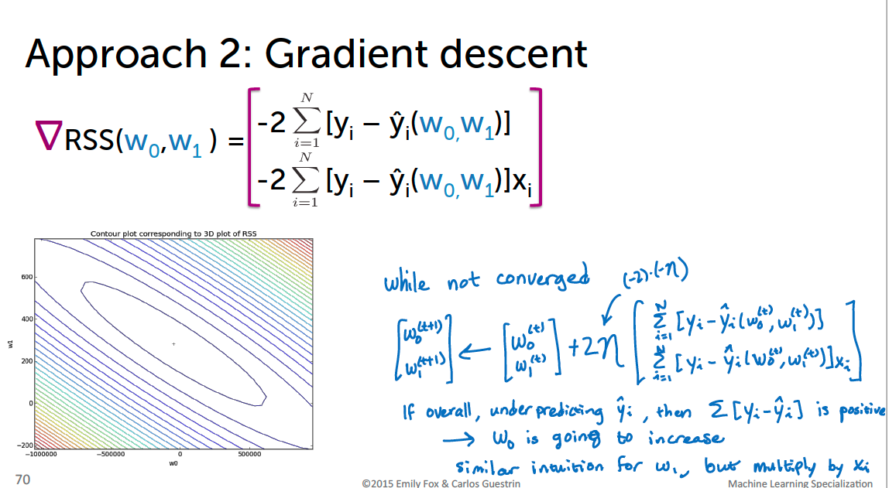
 |  |  |  |  |  | 23.25 | 10.25 |  |  | 30.75
 |  |  |  |  |  | 30.25 | 9.25 |  |  | 37
 |  |  |  |  |  | SUM=> | 36.25 |  | SUM=> | 92.5

 |  |  |  |  | 3RD STEP | Predictions (New Intercept +Xi*New Slope) | Errors (Predicted Value - Actual) | Adjustment=Step Size*sumErrors | New Intercept = Old Intercept - Adjustment | New -->Error*Xi | New Adjustment = Step_Size*Sum(Error*Xi) | New Slope = Old_slope - new adjustment | Magnitude = SQRT(Err^2 -Err*Xi^2)
 |  |  |  |  |  | 0.4375 | -0.5625 | -0.953125 | 1.390625 | 0 | -3.21875 | 5.59375 | 67.138063207
 |  |  |  |  |  | 2.8125 | -0.1875 |  |  | -0.1875
 |  |  |  |  |  | 5.1875 | -1.8125 |  |  | -3.625
 |  |  |  |  |  | 7.5625 | -5.4375 |  |  | -16.3125
 |  |  |  |  |  | 9.9375 | -11.0625 |  |  | -44.25
 |  |  |  |  |  | SUM=> | -19.0625 |  | SUM=> | -64.375

