Executive Summary
QuickCart Customer Feedback Intelligence
Generated: 2026-06-22 00:27:46 | Dynamic Analysis Output
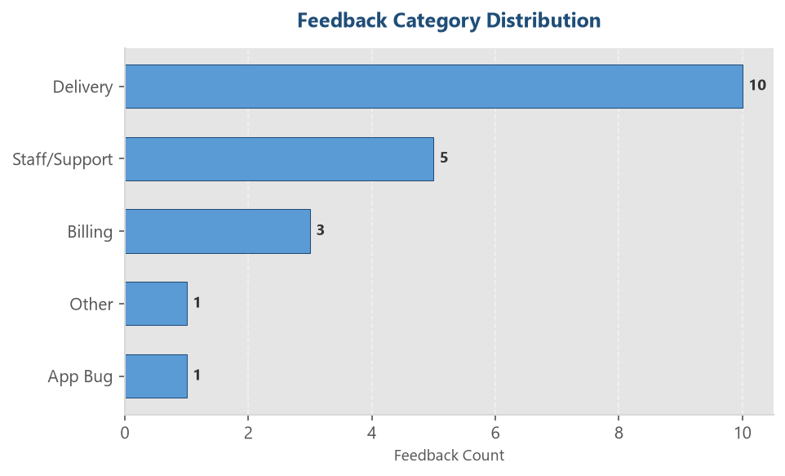
TOTAL FEEDBACKS | POSITIVE RATE | NEGATIVE RATE | TOP COMPLAINT TOPIC
20 | 25.0% | 70.0% | Delivery

Category Distribution Analysis
Category | Count | Percentage
Delivery | 10 | 50.0%
Staff/Support | 5 | 25.0%
Billing | 3 | 15.0%
App Bug | 1 | 5.0%
Other | 1 | 5.0%

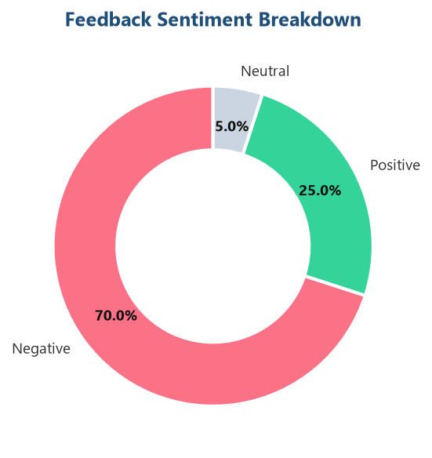
Sentiment Distribution Analysis
Sentiment | Count | Percentage
Positive | 5 | 25.0%
Negative | 14 | 70.0%
Neutral | 1 | 5.0%

