Executive Summary
QuickCart Customer Feedback Intelligence
Generated: 2026-06-13 12:49:40 | Dynamic Analysis Output
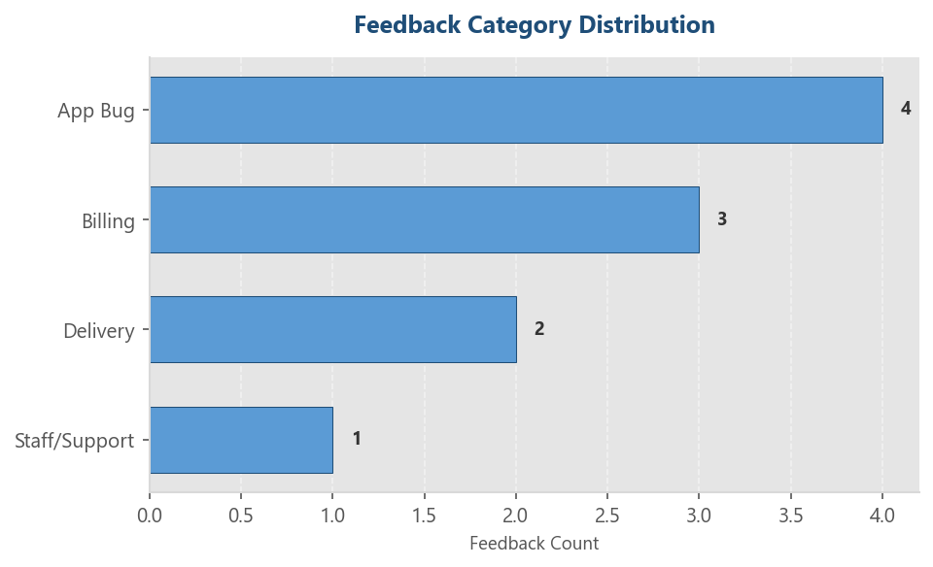
TOTAL FEEDBACKS | POSITIVE RATE | NEGATIVE RATE | TOP COMPLAINT TOPIC
10 | 10.0% | 80.0% | App Bug

Category Distribution Analysis
Category | Count | Percentage
App Bug | 4 | 40.0%
Billing | 3 | 30.0%
Delivery | 2 | 20.0%
Staff/Support | 1 | 10.0%

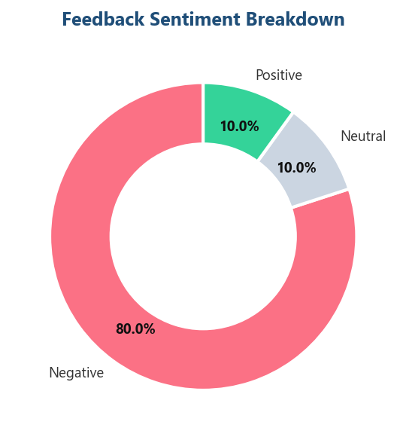
Sentiment Distribution Analysis
Sentiment | Count | Percentage
Positive | 1 | 10.0%
Negative | 8 | 80.0%
Neutral | 1 | 10.0%

