C21169
Image ID | Sample ID | Student Name/ID | Date Analyzed | Magnification Level | Tank | Health State | Timepoint | Coral Species | Colony ID | Lesion When Sample | Fragment Type | Dated Sampled | VLP Morphology | Number of VLPs | Clustered VLPs (Yes/No) | Jan's revisions | Icosahedral (1 or 0) | Filamentous (1 or 0)
TS002 1.tif | 0523TS002 | Genesis A. Moreno Abreu | 2025-05-18 | 150.00% | Pre-experiment | HH | T1 | Mcav | blue | No | Pre-experiment | 2023-05-17 | icosahedral | 1 | No | The student identified two highly accurate morphologies consistent with virus-like particles in the images. The first includes single, rounded structures approximately 100–140 nm in diameter, positioned freely within the cytoplasm, each displaying an electron-dense core and a clearly defined capsid boundary, characteristics that align with icosahedral virus-like particles (VLPs) as described in Correa et al. (2016) and Papke et al. (2024). T | 1 | 0
TS002 1 zoom 1.tif | 0523TS002 | Genesis A. Moreno Abreu | 2025-05-18 | 33.30% | Pre-experiment | HH | T1 | Mcav | blue | No | Pre-experiment | 2023-05-17 | N/A | 0 | no | not confident | 0 | 0
TS002 1 zoom 2.tif | 0523TS002 | Genesis A. Moreno Abreu | 2025-05-18 | 33.30% | Pre-experiment | HH | T1 | Mcav | blue | No | Pre-experiment | 2023-05-17 | Icosahedral | 1 | No | The student accurately identified indicative morphology of virus-like particles. In the boxed region, a single larger particle, approximately 200–300 nm in diameter, displays an ovoid form with a dense core, encapsulated within a granular matrix, strongly suggestive of a pox-like VLP. The spatial segregation of these structures from chloroplasts and pyrenoids strengthens the case for their viral identity. | 1 | 0
TS002 2.tif | 0523TS002 | Genesis A. Moreno Abreu | 2025-05-18 | 100% | Pre-experiment | HH | T1 | Mcav | blue | No | Pre-experiment | 2023-05-17 | n/a | 1 | No | not confident | 0 | 0
TS002 2 zoom 1.tif | 0523TS002 | Genesis A. Moreno Abreu | 2025-05-18 | 75% | Pre-experiment | HH | T1 | Mcav | blue | No | Pre-experiment | 2023-05-17 | Filamentous | 5 | No | not confident | 0 | 1
TS002 2 zoom 2.tif | 0523TS002 | Genesis A. Moreno Abreu | 2025-05-18 | 33.30% | Pre-experiment | HH | T1 | Mcav | blue | No | Pre-experiment | 2023-05-17 | N/A | 0 | yes? | The abundant spherical structures annotated in these panels exhibit morphometric and spatial characteristics that are broadly consistent with icosahedral VLPs, though several caveats temper a definitive classification. These particles display moderate electron density, and appear freely distributed in the cytoplasm or loosely aggregated that align with known profiles of icosahedral VLPs (Papke et al., 2024; Correa et al., 2016). However, many of the particles lack sharply defined capsid boundaries and exhibit some variability in internal contrast and form, which may result from sectioning angle, preservation quality, or imaging plane. | 0 | 0
TS002 3.tif | 0523TS002 | Genesis A. Moreno Abreu | 2025-05-18 | 33.30% | Pre-experiment | HH | T1 | Mcav | blue | No | Pre-experiment | 2023-05-17 | N/A | 0 | no | n/a | 0 | 0
TS002 4.tif | 0523TS002 | Genesis A. Moreno Abreu | 2025-05-18 | 75% | Pre-experiment | HH | T1 | Mcav | blue | No | Pre-experiment | 2023-05-17 | Icosahedral | 11 | No | n/a | 1 | 0
TS002 5.tif | 0523TS002 | Genesis A. Moreno Abreu | 2025-05-18 | 33.30% | Pre-experiment | HH | T1 | Mcav | blue | No | Pre-experiment | 2023-05-17 | Icosahedral | 21 | No | The student identified one to two highly accurate morphologies consistent with virus-like particles in each image. These included single, rounded structures positioned freely in the cytoplasm, displaying a dense interior and a defined perimeter, which aligns with the expected profile of an icosahedral virus-like particle (VLP). In the upper regions of the TS002 5 in 2 and TS002 5 out, several oval to brick-shaped bodies were also observed within membrane-bound compartments, exhibiting granular viroplasmic textures and an outer envelope, consistent with pox-like VLPs as described in Correa et al. (2016) and Papke et al. (2024). Their spatial dissociation from symbiont plastids and starch granules, coupled with their distinct morphological features, supports this classification. | 1 | 0
TS002 6.tif | 0523TS002 | Genesis A. Moreno Abreu | 2025-05-18 | 33.30% | Pre-experiment | HH | T1 | Mcav | blue | No | Pre-experiment | 2023-05-17 | N/A | 0 | No | The student accurately identified a viroplasm-like region in both images, enclosed within a membrane and densely packed with granular material. The central inclusion exhibits a homogeneous, electron-dense texture consistent with documented viroplasm morphology in coral holobiont cells. These features align closely with descriptions of nucleocytoplasmic large DNA virus (NCLDV) replication sites, notably in Symbiodiniaceae cells, as detailed by Correa et al. (2016) and Papke et al. (2024). While individual virus-like particles are not discretely visible within this inclusion, the size, position, and textural density of the compartment strongly support its classification as a putative viroplasm, potentially associated with pox-like or giant viral replication stages. Further identification would benefit from adjacent sections showing budding or release of morphologically distinct VLPs. | 0 | 0
TS002 6 zoom 1.tif | 0523TS002 | Genesis A. Moreno Abreu | 2025-05-18 | 33.30% | Pre-experiment | HH | T1 | Mcav | blue | No | Pre-experiment | 2023-05-17 | N/A | 0 | no | None of the annotated structures meet the morphological criteria for virus-like particles. They lack defined capsid boundaries, consistent shape, or electron-dense cores, and are more likely to represent cellular debris or vacuolar inclusions. | 0 | 0
TS002 7.tif | 0523TS002 | Genesis A. Moreno Abreu | 2025-05-18 | 33.30% | Pre-experiment | HH | T1 | Mcav | blue | No | Pre-experiment | 2023-05-17 | N/A | 0 | no | Image to zoom out to identify VLP | 0 | 0
TS067 1.tif | 0523TS067 | Genesis A. Moreno Abreu | 2025-05-18 | 33.30% | 4C | HC | T2 | Mcav | McH-103(4) red | No | Recipient | 2023-05-19 | N/A | 0 | no | Image to zoom out to identify VLP | 0 | 0
TS067 2.tif | 0523TS067 | Genesis A. Moreno Abreu | 2025-05-18 | 33.30% | 4C | HC | T2 | Mcav | McH-103(4) red | No | Recipient | 2023-05-19 | N/A | 0 | no | Image to zoom out to identify VLP | 0 | 0
TS067 3.tif | 0523TS067 | Genesis A. Moreno Abreu | 2025-05-18 | 33.30% | 4C | HC | T2 | Mcav | McH-103(4) red | No | Recipient | 2023-05-19 | N/A | 0 | no | Image to zoom out to identify VLP | 0 | 0
TS067 4.tif | 0523TS067 | Genesis A. Moreno Abreu | 2025-05-18 | 33.30% | 4C | HC | T2 | Mcav | McH-103(4) red | No | Recipient | 2023-05-19 | Viroplasm | 0 | no | The student's identification of a potential viroplasm is reasonable. The structure is membrane-bound, electron-dense, and morphologically consistent with NCLDV-associated viroplasms. However, since no distinct VLPs are visible, it should be considered a tentative classification pending further confirmation. | 0 | 0
TS067 5.tif | 0523TS067 | Genesis A. Moreno Abreu | 2025-05-18 | 33.30% | 4C | HC | T2 | Mcav | McH-103(4) red | No | Recipient | 2023-05-19 | N/A | 0 | no | Image to zoom out to identify VLP | 0 | 0
TS067 5 zoox 1.tif | 0523TS067 | Genesis A. Moreno Abreu | 2025-05-18 | 75% | 4C | HC | T2 | Mcav | McH-103(4) red | No | Recipient | 2023-05-19 | N/A | 0 | no | The student’s attribution of filamentous VLPs does not exhibit uniform, elongated, and unbranched morphology with a consistent narrow diameter (Weynberg et al., 2017) & Papke et al., 2024). Instead, the features resemble components of the host endomembrane system, such as thylakoid layers or cytoplasmic tubules, and therefore cannot be reliably classified as viral in origin. In contrast, the student’s identification of icosahedral morphotypes appears more plausible. Several spherical particles with dense interiors are visible and align generally with the expected appearance of icosahedral VLPs. However, these structures lack clearly defined capsid outlines and are not situated within vesicles or replication sites. Without these additional indicators, the evidence remains suggestive but insufficient to confirm them definitively as icosahedral VLPs. | 0 | 0
TS067 6.tif | 0523TS067 | Genesis A. Moreno Abreu | 2025-05-18 | 33.30% | 4C | HC | T2 | Mcav | McH-103(4) red | No | Recipient | 2023-05-19 | N/A | 0 | No | Image to zoom out to identify VLP | 0 | 0
TS067 6 zoox 1.tif | 0523TS067 | Genesis A. Moreno Abreu | 2025-05-18 | 75.00% | 4C | HC | T2 | Mcav | McH-103(4) red | No | Recipient | 2023-05-19 | N/A | 0 | no | In images TS067 6 zoox 1 in through TS067 6 zoox 1 in 3, the student annotated multiple spherical structures within the Symbiodiniaceae cytoplasm as potential icosahedral virus-like particles. While these particles exhibit a generally round shape and electron-dense appearance, they lack clearly defined capsid boundaries and are not clustered within vesicles or associated with viroplasms, as would be expected for true icosahedral VLPs (Papke et al., 2024; Correa et al., 2016). Their cytoplasmic location and limited structural clarity suggest they may represent endogenous components such as vesicles or degraded organelles. In TS067 6 zoox 1 out, the broader cellular context confirms that these features are not spatially distinct from surrounding host material. Therefore, while suggestive, these annotations do not meet the criteria for definitive VLP classification. | 0 | 0
TS067 6 zoox 1 zoom1.tif | 0523TS067 | Genesis A. Moreno Abreu | 2025-05-18 | 50.00% | 4C | HC | T2 | Mcav | McH-103(4) red | No | Recipient | 2023-05-19 | N/A | 0 | no | In TS067 6 zoox 1 zoom 2 in and TS067 6 zoox 1 zoom 1 out, the student annotated two distinct regions within the Symbiodiniaceae cell. The upper boxed region contains a dense, irregular aggregate that lacks any discernible capsid boundaries, symmetry, or particulate organization. Instead, it resembles a plastid-associated body or bundled membrane debris rather than any known VLP morphology. The circular annotation in the cytoplasm highlights a moderately dense inclusion; however, this structure is diffuse and amorphous, lacking the defining traits required for icosahedral, filamentous, or pox-like classification. As established in Papke et al. (2024) and Correa et al. (2016), virus-like particles must exhibit clear ultrastructural features: defined capsids, symmetry, or internal organization (which are absent in both annotations). | 0 | 0
TS067 6 zoox 1 zoom 2.tif | 0523TS067 | Genesis A. Moreno Abreu | 2025-05-18 | 33.30% | 4C | HC | T2 | Mcav | McH-103(4) red | No | Recipient | 2023-05-19 | N/A | 0 | no |  | 0 | 0
TS067 7.tif | 0523TS067 | Genesis A. Moreno Abreu | 2025-05-18 | 33.30% | 4C | HC | T2 | Mcav | McH-103(4) red | No | Recipient | 2023-05-19 | N/A | 0 | no | The imagen is only white | 0 | 0
TS067 8.tif | 0523TS067 | Genesis A. Moreno Abreu | 2025-05-18 | 33.30% | 4C | HC | T2 | Mcav | McH-103(4) red | No | Recipient | 2023-05-19 | N/A | 0 | no | Image to zoom out to identify VLP | 0 | 0
TS067 9.tif | 0523TS067 | Genesis A. Moreno Abreu | 2025-05-18 | 33.30% | 4C | HC | T2 | Mcav | McH-103(4) red | No | Recipient | 2023-05-19 | N/A | 0 | no | Image to zoom out to identify VLP | 0 | 0
TS067 9 zoom 1.tif | 0523TS067 | Genesis A. Moreno Abreu | 2025-05-18 | 33.30% | 4C | HC | T2 | Mcav | McH-103(4) red | No | Recipient | 2023-05-19 | N/A | 0 | no | In images TS067 9 zoom 1 in through TS067 9 zoom 1 out, the student annotated several structures as potential virus-like particles within coral-associated tissue. The most prominent of these, located in the lower cytoplasm and enclosed within membrane compartments, contains numerous small, dense inclusions. While these inclusions exhibit some uniformity and size consistency suggestive of viral particles, they do not display well-defined capsid boundaries, symmetry, or a consistent internal structure characteristic of known morphotypes such as icosahedral, filamentous, or pox-like VLPs (Papke et al., 2024; Correa et al., 2016). The high density of electron-dense granules and their diffuse distribution more closely resemble lysosomal bodies or degraded organellar remnants. Additionally, the nearby elongated structures lack the threadlike uniformity of filamentous viruses and appear consistent with thylakoid membranes or stromal lamellae. | 0 | 0
TS067 9 zoox 1.tif | 0523TS067 | Genesis A. Moreno Abreu | 2025-05-18 | 50.00% | 4C | HC | T2 | Mcav | McH-103(4) red | No | Recipient | 2023-05-19 | N/A | 0 | no | In images TS067 9 zoox 1 in (nuevo) through TS067 9 zoox 1 out, the student annotated multiple features within the Symbiodiniaceae cell as putative VLPs. Central annotations in the cytoplasm highlight numerous star-like electron-dense structures that are morphologically ambiguous. Although their radial symmetry may suggest viral particles, they lack the defined capsid margins, internal structure, and uniform size required for confident icosahedral classification (Papke et al., 2024; Correa et al., 2016). Peripheral annotations, including vesicle-associated regions and dense spherical inclusions, do not exhibit clear viral morphotypes and are more consistent with lipid bodies, degraded plastid material, or autophagic vesicles. The lack of particle clustering, membrane enclosure, or viroplasm-like organization further limits their interpretation as viral structures. While the selected features reflect cellular degradation and subcellular complexity, none satisfy the ultrastructural criteria necessary for definitive identification of VLPs. | 0 | 0
TS067 9 zoox 2.tif | 0523TS067 | Genesis A. Moreno Abreu | 2025-05-18 | 33.30% | 4C | HC | T2 | Mcav | McH-103(4) red | No | Recipient | 2023-05-19 | N/A | 0 | no | In images TS067 9 zoox 2 in through TS067 9 zoox 2 out, the student annotated several cytoplasmic features within the Symbiodiniaceae cell as candidate VLPs. The structures highlighted near the periphery are membrane-bound and contain numerous small, circular inclusions. These inclusions lack the dense interior, consistent size, and clearly resolved boundaries needed for reliable classification as icosahedral or filamentous morphotypes (Papke et al., 2024; Correa et al., 2016). In some regions, they may represent lipid bodies or lysosomal inclusions rather than viral particles. One structure in particular shows internal lamellar striation more characteristic of degrading thylakoids or stromal compartments. | 0 | 0
TS067 9 zoox 2 zoom 1.tif | 0523TS067 | Genesis A. Moreno Abreu | 2025-05-18 | 33.30% | 4C | HC | T2 | Mcav | McH-103(4) red | No | Recipient | 2023-05-19 | n/a | 0 | yes | The student's annotations in images TS067 9 zoox 2 zoom 1 in, TS067 9 zox 2 zoom 1 in nuevo, and TS067 9 zoox 2 zoom 1 out identify structures they suggest may representVLPs, particularly icosahedral morphotypes. However, while several of these cytoplasmic puncta do appear rounded and display an electron-dense core with definable margins, their classification as icosahedral VLPs remains tentative. According to Papke et al. (2024, Curr. Protoc.) and Weynberg et al. (2017), true icosahedral VLPs in coral tissue exhibit consistent symmetry and spatial independence from plastidic or granular structures, neither of which is definitively met here. Furthermore, the lack of high-magnification validation and the ambiguous contrast of some profiles in these fields complicate morphological confidence. Although the selected features may suggest viral involvement, further sectioning would be necessary to substantiate the identification. | 0 | 0
TS067 9 zoox 3.tif | 0523TS067 | Genesis A. Moreno Abreu | 2025-05-18 | 100% | 4C | HC | T2 | Mcav | McH-103(4) red | No | Recipient | 2023-05-19 | n/a | 0 | no | The student’s identification of complex VLPs in TS067 9 zoox 3 appears unsubstantiated upon closer inspection. The structures annotated with yellow arrows and circles lack the hallmark morphology of filamentous VLPs, which, according to Papke et al. (2024, Curr. Protoc.) and Weynberg et al. (2017), are defined by their uniform width (<20 nm), extended linearity, and consistent contrast. The structures in question instead exhibit irregular width, poor definition, and are embedded in regions suggestive of membrane degradation or cytoplasmic crowding rather than discrete viral entities. Conversely, the dense, spherical particles observed in the surrounding cytoplasm, particularly near the thylakoid margins, bear a resemblance to icosahedral morphotypes. These are small, rounded, electron-dense with clearly bounded perimeters, although many remain unmeasured or lack resolution sufficient to confirm diameter within the expected 80 to 300 nm range. As such, while suggestive of icosahedral VLPs, these structures remain insufficiently resolved for definitive classification. | 0 | 0
TS067 9 zoox 4.tif | 0523TS067 | Genesis A. Moreno Abreu | 2025-05-18 | 33.30% | 4C | HC | T2 | Mcav | McH-103(4) red | No | Recipient | 2023-05-19 | N/A | 0 | no | The structures previously classified as filamentous VLPs in the TS067 9 zoox 4 image set do not conform to the canonical description of this morphotype. Filamentous VLPs are defined in Papke et al. (2024) and Correa et al. (2016) as continuous, narrow threads measuring less than 20 nanometers in diameter with consistent linear extension. The marked regions instead exhibit irregular electron density and vague perimeters, lacking the required uniformity and axial elongation. These profiles are more plausibly attributed to degraded membranes or compressed thylakoid remnants. In contrast, several electron-dense rounded structures observed in TS067 9 zoox 4 in display features consistent with icosahedral VLPs, including discrete spherical geometry, radial symmetry, and spatial separation from plastid membranes and pyrenoid regions. While these traits are congruent with the icosahedral category described by Weynberg et al. (2017) and Vega Thurber et al. (2017), definitive classification would require corroborative immunolabeling or tomographic resolution as emphasized in Papke et al. (2024). | 0 | 0
...
 |  |  |  |  |  |  |  |  |  |  |  |  |  |  |  | ChatGPT said:

 |  |  |  |  |  |  |  |  |  |  |  |  |  |  |  | Upon reevaluating the image in detail, I must revise the initial interpretation.

 |  |  |  |  |  |  |  |  |  |  |  |  |  |  |  | The structure marked in the zoomed-in panel presents a circular outline with moderate electron density and resides within a granular matrix. However, the interior lacks the distinct homogeneous density and firm boundary typically required for confident icosahedral VLP classification (Papke et al., 2024; Correa et al., 2016). Moreover, its spatial context suggests it may be enclosed within a vesicle, and its size, while plausible, remains visually ambiguous due to the low contrast and possible fixation artifacts.

 |  |  |  |  |  |  |  |  |  |  |  |  |  |  |  | Given these uncertainties and the absence of definitive morphological hallmarks, this object cannot be reliably identified as a VLP. A higher contrast image or additional serial sections would be required to resolve its identity.

 |  |  |  |  |  |  |  |  |  |  |  |  |  |  |  | You said:

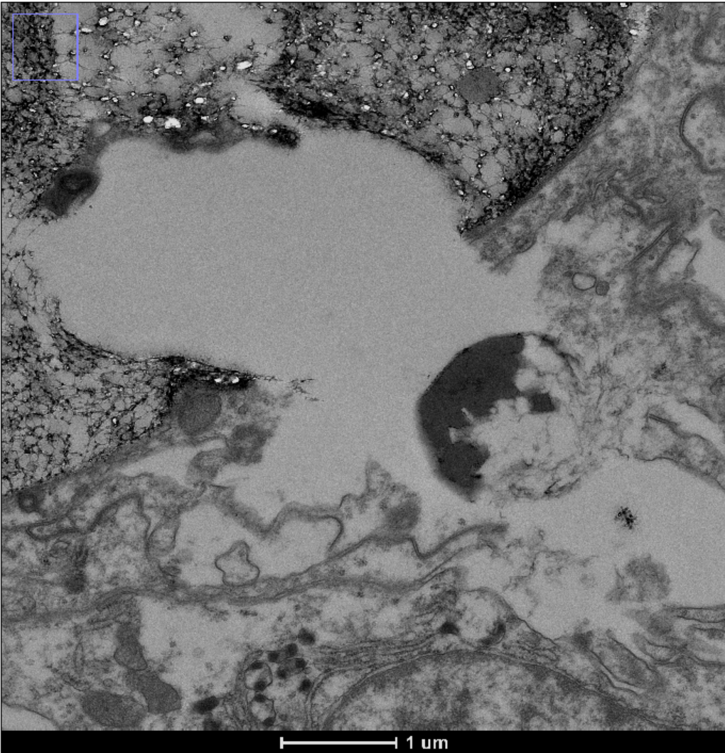

 |  |  |  |  |  |  |  |  |  |  |  |  |  |  |  | ChatGPT said:

 |  |  |  |  |  |  |  |  |  |  |  |  |  |  |  | No virus-like particles (VLPs) are evident in this field. While various subcellular features are visible, including a large vesicle and moderately dense cytoplasmic regions, none of the observed structures exhibit the defining characteristics of VLPs as established by Papke et al. (2024) or Correa et al. (2016). Specifically, there is an absence of clearly bounded, uniformly electron-dense objects within the 80 to 300 nanometer range for icosahedral forms, or of elongated threads consistent with the filamentous morphotype.

