SLR
Linear Regression |  | Supervised machine learning algorithm |  |  | used to solve regression problem |  |  |  | Parametric model

 | Linerar regressio is one of the easiest and most popular machine learning algorithm
 | It is a statistical method used for predicitve analysis
 | Linear regression makes prediction for continuos/real or numeric variables
 | Ex : Sales, Salary, price, age etc

 | it shows a linear relationship between a dependent (y) and one or more independent variable(X)

 | It finds how the values of the dependent variable is changing according to the values of the independent varibale

 | X | Independent variable |  | experience |  | how long you study
 | Y | Dependent variable |  | Salary |  | Marks

 | Mathematically we can represent a linear regression as
 |  |  |  |  |  |  |  |  |  |  | X | Y
 | y = mx+c |  |  |  |  |  |  |  |  |  | Exp | Sal | x-xbar | (x-xbar)^2 | y-ybar | Numerator | y_pred | Error | MAE | MSE
 |  |  |  |  |  |  |  |  |  |  | 1 | 10 | -4.8 | 23.04 | -48.2 | 231.5 | 29.0 | 19.0 | 19.0 | 360.6
 | y | Independent variable |  |  |  |  |  |  |  |  | 1.8 | 20 | -4.0 | 16 | -38.2 | 152.9 | 33.9 | 13.9 | 13.9 | 192.2
 | x | dependent variable |  |  |  |  |  |  |  |  | 2.6 | 30 | -3.2 | 10.24 | -28.2 | 90.3 | 38.7 | 8.7 | 8.7 | 76.3
 | m | Linear regression coefficient, slope |  |  |  |  |  |  |  |  | 3.4 | 40 | -2.4 | 5.76 | -18.2 | 43.8 | 43.6 | 3.6 | 3.6 | 13.0
 | c | intercept |  |  |  |  |  |  |  |  | 4.2 | 50 | -1.6 | 2.56 | -8.2 | 13.2 | 48.5 | -1.5 | 1.5 | 2.3
 |  |  |  |  |  |  |  |  |  |  | 5 | 83 | -0.8 | 0.64 | 24.8 | -19.8 | 53.4 | -29.6 | 29.6 | 878.7
 |  |  |  |  |  |  |  |  |  |  | 5.8 | 102 | 0.0 | 0 | 43.8 | 0.0 | 58.2 | -43.8 | 43.8 | 1915.7
Types of Linear Regression |  |  |  |  |  |  |  |  |  |  | 6.6 | 95 | 0.8 | 0.64 | 36.8 | 29.4 | 63.1 | -31.9 | 31.9 | 1017.3
 |  |  |  |  |  |  |  |  |  |  | 7.4 | 46 | 1.6 | 2.56 | -12.2 | -19.6 | 68.0 | 22.0 | 22.0 | 483.0
Simple Linear Regression |  |  | If a single independent variable is used to predict the values of the dependent varible |  |  |  |  |  |  |  | 8.2 | 69 | 2.4 | 5.76 | 10.8 | 25.8 | 72.9 | 3.9 | 3.9 | 14.8
 |  |  |  |  |  |  |  |  |  |  | 9 | 51 | 3.2 | 10.24 | -7.2 | -23.1 | 77.7 | 26.7 | 26.7 | 714.2
Multiple Linear Regression |  |  | If we have more than one independent varibale to predict the dependent variabel then it |  |  |  |  |  |  |  | 9.8 | 94 | 4.0 | 16 | 35.8 | 143.1 | 82.6 | -11.4 | 11.4 | 130.0
 |  |  | is called multiple linear regression |  |  |  |  |  |  |  | 10.6 | 67 | 4.8 | 23.04 | 8.8 | 42.1 | 87.5 | 20.5 | 20.5 | 419.1
 |  |  |  |  |  |  |  |  |  | Mean | 5.8 | 58.2 |  | 9.0 |  | 54.6 |  |  | 18.2 | 478.3 | 22
 |  |  |  | x1 | x2 | x3 | x4 | Y |  | STD | 3.0 | 28.5
Simple Linear Regression | X | Y |  | cyclinders | hp | displacement | weight | mileage
 | 5 | 39 |  | 4 | 120 | 1200 | 600 | 10
 | 6 | 47 |  | 4 | 133 | 1500 | 800 | 8
 | 7 | 48 |  | 2 | 155 | 800 | 1200 | 9
 | 8 | 66 |  | 3 | 165 | 900 | 600 | 18
 | 11.5 | ?

y = mx +c |  |  |  | y = m1x1+m2x2+m3x3+c

Linear Regression Line (Line of Best Fit)

 |  |  |  |  |  |  |  |  |  |  |  |  |  | 6.092032967 | 22.896978022

 |  |  |  |  |  |  |  |  |  |  |  | Model Evaluation Metrics

 |  |  |  |  |  |  |  |  |  |  |  | MAE (Mean Absolute error) |  |  | MAE is a very simple metrics which caclculate the absolute difference between actuals and predicted values

 |  |  |  |  |  |  |  |  |  |  |  | Advantages
 |  |  |  |  |  |  |  |  |  |  |  |  | The MAE you get is in the same unit as the output varible
 |  |  |  |  |  |  |  |  |  |  |  |  | It is most rebust to outliers

 |  |  |  |  |  |  |  |  |  |  |  | Disadvantages
 |  |  |  |  |  |  |  |  |  |  |  |  | The graph of MAE is not differetiable so we have to apply various optimizers like Gradient descent which can be differentiable

 |  |  |  |  |  |  |  |  |  |  |  | Mean Squared Error (MSE)
The main idea of linear regression model is to find the best fit line. So that there is a minimum error between the predicted and actual values
 |  |  |  |  |  |  |  |  |  |  |  |  | MSE is most used and very simple metric with a little change to mean absolute error

 |  |  |  |  |  |  |  |  |  |  |  | Root Mean Squared Error

 |  |  |  |  |  |  |  |  |  |  |  |  | Correlation |  | Relationship between 2 variables

 |  |  |  |  |  |  |  |  |  |  |  |  |  |  | Range of correlation -1 to +1

 |  |  |  |  |  |  |  |  |  |  |  |  |  | Corr | 64%

 |  |  |  |  |  |  |  |  |  |  |  |  |  | Coefficient of determination also called R2 Score is used to evaluate the performance of linear regresion model
 |  |  |  |  |  |  |  |  |  |  |  |  |  | it is the amount of variation in the dependent variable which is predictable from the independent variable
 |  |  |  |  |  |  |  |  |  |  |  |  |  | it is used to check how well-observered the results are reproduced by the model

 |  |  |  |  |  |  |  |  |  |  |  |  |  | It can referred that 41% of the variability of dependent variable can be explaned by the model and remainig 59% of the variablitly the model doesn’t understand or not accounted

Logistic_Regression
 | Logistic Regression |  | Supervised Machine learning algorithm |  |  | Partametric Model |  |  |  | Actual
 |  |  | It is used for classification Problem |  |  |  |  |  | Salary | Marital Status | x-xbar | y-ybar | Numerator | (x-xbar)^2 | y=mx+C | exp(mx+c) | 1+exp(mx+C) | P | 1-P | Odds Ratio | Sigmoid | Predicted | P | 1-P
 |  |  | It is used for predicting categorical dependent using a given set of independent variables |  |  |  |  |  | 25 | 1 | -32.5 | 0.36 | -11.607 | 1056.25 | 0.14285714286 | 1.15 | 2.15 | 0.54 | 0.46 | 1.15 | 0.06 | 0 | 0.54 | 0.46
 |  |  |  |  |  |  |  |  | 30 | 0 | -27.5 | -0.64 | 17.679 | 756.25 | 0.21978021978 | 1.25 | 2.25 | 0.55 | 0.45 | 1.25 | 0.10 | 0 | 0.55 | 0.45
 |  |  | It can be yes or no. 0 or 1 , true or false, spam or no spam, cat or dog |  |  |  |  |  | 35 | 0 | -22.5 | -0.64 | 14.464 | 506.25 | 0.2967032967 | 1.35 | 2.35 | 0.57 | 0.43 | 1.35 | 0.13 | 0 | 0.57 | 0.43
 |  |  | but instead of giving exact value as 0 or 1 , ti give the probabilistic values which lie between 0 and 1 |  |  |  |  |  | 40 | 0 | -17.5 | -0.64 | 11.250 | 306.25 | 0.37362637363 | 1.45 | 2.45 | 0.59 | 0.41 | 1.45 | 0.16 | 0 | 0.59 | 0.41
 |  |  |  |  |  |  |  |  | 45 | 0 | -12.5 | -0.64 | 8.036 | 156.25 | 0.45054945055 | 1.57 | 2.57 | 0.61 | 0.39 | 1.57 | 0.20 | 0 | 0.61 | 0.39
 |  |  | Logistic refgression is much similar to Linear regression except that how they are used. |  |  |  |  |  | 50 | 0 | -7.5 | -0.64 | 4.821 | 56.25 | 0.52747252747 | 1.69 | 2.69 | 0.63 | 0.37 | 1.69 | 0.23 | 0 | 0.63 | 0.37
 |  |  | Linear regression is use to solve the regression problem whereas logistic regression is used for solving classification problems |  |  |  |  |  | 55 | 1 | -2.5 | 0.36 | -0.893 | 6.25 | 0.6043956044 | 1.83 | 2.83 | 0.65 | 0.35 | 1.83 | 0.26 | 0 | 0.65 | 0.35
 |  |  |  |  |  |  |  |  | 60 | 1 | 2.5 | 0.36 | 0.893 | 6.25 | 0.68131868132 | 1.98 | 2.98 | 0.66 | 0.34 | 1.98 | 0.30 | 0 | 0.66 | 0.34
 |  |  | In Logistic regression line we fit an S shaped logistic function which predicts two maximum value (0 or 1) |  |  |  |  |  | 65 | 1 | 7.5 | 0.36 | 2.679 | 56.25 | 0.75824175824 | 2.13 | 3.13 | 0.68 | 0.32 | 2.13 | 0.33 | 1 | 0.68 | 0.32
 |  |  |  |  |  |  |  |  | 70 | 1 | 12.5 | 0.36 | 4.464 | 156.25 | 0.83516483516 | 2.31 | 3.31 | 0.70 | 0.30 | 2.31 | 0.36 | 1 | 0.70 | 0.30
 |  |  |  |  |  |  |  |  | 75 | 1 | 17.5 | 0.36 | 6.250 | 306.25 | 0.91208791209 | 2.49 | 3.49 | 0.71 | 0.29 | 2.49 | 0.40 | 1 | 0.71 | 0.29
 |  |  |  |  |  |  |  |  | 80 | 1 | 22.5 | 0.36 | 8.036 | 506.25 | 0.98901098901 | 2.69 | 3.69 | 0.73 | 0.27 | 2.69 | 0.43 | 1 | 0.73 | 0.27
 |  |  |  |  |  |  |  |  | 85 | 1 | 27.5 | 0.36 | 9.821 | 756.25 | 1.0659340659 | 2.90 | 3.90 | 0.74 | 0.26 | 2.90 | 0.46 | 1 | 0.74 | 0.26
 |  |  |  |  |  |  |  |  | 90 | 1 | 32.5 | 0.36 | 11.607 | 1056.25 | 1.1428571429 | 3.14 | 4.14 | 0.76 | 0.24 | 3.14 | 0.50 | 1 | 0.76 | 0.24
 |  |  |  |  |  |  |  | Mean | 57.5 | 0.64 |  |  | 6.250 | 406.250 | 0.64285714286

Note : Logistic regression uses the concept of predictive modelling as regression, therefore, it is called as logistic regression but is used to classify samples |  |  |  |  |  |  |  | Slope | 0.015384615385 |  | 0.015384615385 | -0.24175824176
 |  |  |  |  |  |  |  | Intercept | -0.24175824176
Logistic Function ( Sigmoid Function)

> the sigmois function is a mathematical function used to map the predicted values to probablilities
> It maps any real value into another value within a range of 0 and 1
> it canno go beyond 0 and 1 therefore it forma s - curve
> here we use the concept of threshold value. Values above the thresold value tends to 1 and values below the threshold value tends to 0

Odds Ratio |  | Probability and odds

 |  | The probability that an event will occur is the fraction of times you expet to see that event in many trails
 |  | Prob range - 0 to 1

 |  | The odds are defined as the probability that the event will occur divided by the probability that the event will not occue

 | if a race horse runs 100 races and wind 25
 | What is the odds of horse winning

 | Classification Report

 | Precision |  |  | TP | True Positive
 | Recall |  |  | TN | True Negative
 | f1 - Score

 | Precision | Excatness of the model. Accuracy of postive prediction |  |  |  |  | Accuracy - % of correct predition

 | Recall | What percent of positive cases did you catch ? Completeness of the model

 |  |  |  |  |  |  | False + ve

DT & Random_Forest
 | Decision Tree |  | Supervised Machine Learning Algorithm |  |  |  | Classification and Regression

 |  |  | It is a tree strucutred classifier, where internal nodes represent the features of a data set, branches represent the decision rules and each leaf represent the outcome

 |  |  | In decision tress there are two node
 |  |  |  | Decision node |  | used to make decisions and have multiple branches
 |  |  |  | Leaf node |  | are the output of the decision nodes and do not contain any further branches

 |  |  | It is a graphical representation for getting all the possible solutions to a problem/decision based on given cnditions

 |  |  | it is called a decision tree because similar to a tree, it starts with the root node, which expands on further branches and contructs a tree like struture

 |  |  | in order to build a decision tree we use CART algorithm, which stands for classification and regression Tree algorithm

 | Why use Decision Tree?

 | > | Decision tree usually mimic human thinking ability while making a decision, so it is easy to understand
 | > | The logic behind the decision tree can be easily understood because it shows a tree like structure

 | Terminologies
 | Root Node |  | is from where the decision tree starts
 | Leaf Node |  | are the final output node and the tree canno be segregated further
 | Splitting |  | it is process of dividing the decision node/root node into sub-nodes
 | Branch/sub tree |  | a tree formed by splitting the tree

 | How this algorithm works?

 |  | There are couple of algorithms there to build a decision tree

 |  | CART | uses Gini index as a metrics
 |  | ID3 (Iterative Dichotomiser 3) |  |  | Entropy and information gain as mterics

 | Classification with using the ID3 algorithm

 | Outlook | temp | Humidity | windy | play
 | Sunny | hot | high | FALSE | no
 | Sunny | hot | high | TRUE | no
 | Overcast | hot | high | FALSE | yes
 | Rainy | mild | high | FALSE | yes |  | X values - outlook , temp, humidity and windy
 | Rainy | cool | normal | FALSE | yes |  | y values - Play (Y or N)
 | Rainy | cool | normal | TRUE | no
 | Overcast | cool | normal | TRUE | yes
 | Sunny | mild | high | FALSE | no
 | Sunny | cool | normal | FALSE | yes
 | Rainy | mild | normal | FALSE | yes
 | Sunny | mild | normal | TRUE | yes
 | Overcast | mild | high | TRUE | yes
 | Overcast | hot | normal | FALSE | yes
 | Rainy | mild | high | TRUE | no

 | So which one do we need to pick first?

 |  | This mean we are performing top-down greedy search through the space of possible decision trees

 | How to we choose the best attribute ?

 |  | use the attribute with the highest information gain in the ID3

 |  | Entropy characterizes the impurity of an arbitrary collection of exmaples

 |  |  | the proportion of number of elements in c to the number of elements in set

 | Information Gain |  | IG(A) is the measure of the difference of the entropy from before to after the set S is split on the attriburte A.

 |  |  | T | the subsets created from splitting set S by attribute A
 |  |  | p(t) - the propotion of the number of elements in t to the number of elements in set S

Outlook | temp | Humidity | windy | play
Sunny | hot | high | FALSE | no
Sunny | hot | high | TRUE | no
Overcast | hot | high | FALSE | yes
Rainy | mild | high | FALSE | yes
Rainy | cool | normal | FALSE | yes
Rainy | cool | normal | TRUE | no
Overcast | cool | normal | TRUE | yes
Sunny | mild | high | FALSE | no
Sunny | cool | normal | FALSE | yes
Rainy | mild | normal | FALSE | yes
Sunny | mild | normal | TRUE | yes
Overcast | mild | high | TRUE | yes
Overcast | hot | normal | FALSE | yes
Rainy | mild | high | TRUE | no

 | Classification with using the CART algorithm

 |  | In CART algorithm we use gini index as metric

 | Random Forest

 |  |  | Supervised learning technique
 |  |  | Classification and Regression
 |  |  | Ensemble learning - which is a process of combining multitple classifiers to solve a complex problem to improve the performance of the model
 |  |  |  |  |  |  |  |  | 5 students
 |  |  | Random forest contains a number of decision trees on various sudsets of given data |  |  |  |  |  |  |  | Ensemble
 |  |  | instead of relying on one decision tree the random forest takes the pediction from ech tree based on the majority votes to predict |  |  |  |  |  | 1 | 55
 |  |  |  |  |  |  |  |  | 2 | 65 | combine multiple learners to improve the output
 |  |  |  |  |  |  |  |  | 3 | 70
 |  |  | the greater the number of trees in the forest leads to higher accuracy and prevent the problem of overfitting |  |  |  |  |  | 4 | 44
 |  |  |  |  |  |  |  |  | 5 | 58 | 1+2+3+4+5 | 85

 | Bagging vs Boosting

 |  | Bagging is used when the objective is to reduce the variance of decision treee
 |  | Here the concept is to create few subsets of data from the training sample, which is chosen randomly with replacemnet
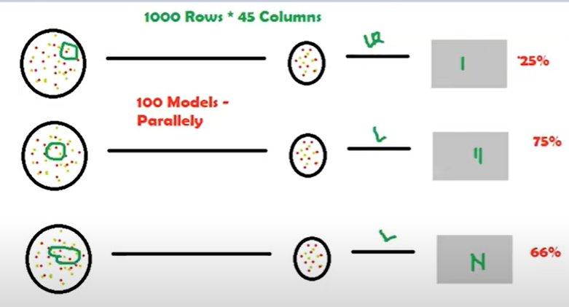

Boosting is slightly different from Bagging

one feature can be contributing more vs the other feature .. Boosting will build the model and identify the important feature and assign weights to it
for example In out example it will assign 85% to red and 15% to red… and then it will feed this into the next model so more red variable will be picked
for the next model - this wil be a sqeuential execution. This will learn pattern from jey features and not from all the features
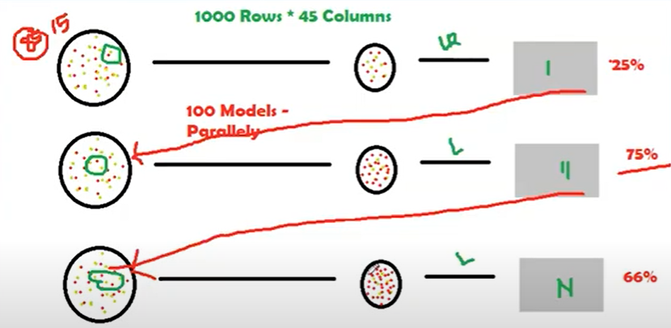

 |  |  | Bagging |  |  |  |  | Boosting

 | Various training data subsets are randomly drawn with replacement |  |  |  |  |  | Each new subset containg the components that were misclassified by the previous models
 | from the whole training dataset

 | Bagging attempt to tackle the over-fitting issue |  |  |  |  |  | Bososting tried to reduce bias

 | if the classifier is unstable (high variance) then we need to to appl |  |  |  |  |  | if the classifier is steady and straightforward(high bias) then we need to apply boosting
 | bagging

 | Every model receive an equal weight |  |  |  |  |  | Model are weighted by their performance

CRISP-DM
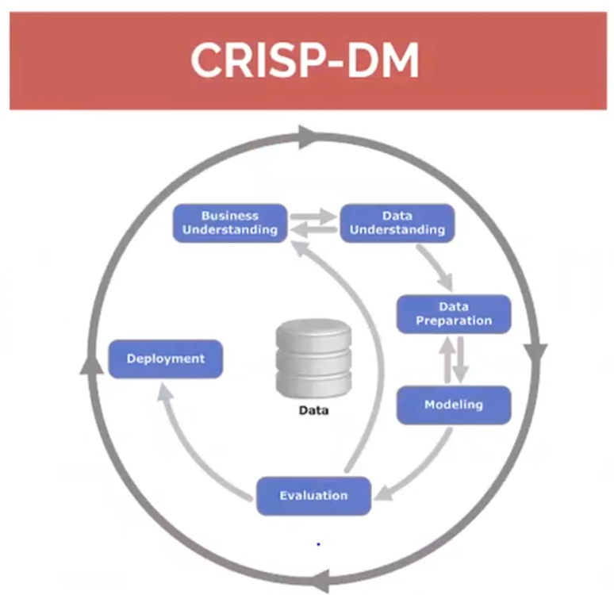

Cross industry standard process for Data mining.
Structured approch to planning Data mininig/machine learning projects

Provides a roadmap and gives you best practices and provides structures for better and faster results
Data mining life cycle process model

1. Business Understanding |  | 3. Data Preparation

Set objective |  | Clean your data
Produce a project plan |  | remove or populate null values
Business success criteria |  | exclude irrelavant data
 |  | outlier treatment
2. Data Understanding
 |  | Integrate data
Initital Data collection
Data description |  | Merged data
Explore |  | Aggregations
Verify data - Data quality

4. Modelling | 5. Evaluation
 |  | Asessment of data mining results
Modelling Technique |  | Approve model
Modelling asumptions |  | List of possible action
 |  | Decision
Parameter tuning
modells
Model description

6. Deploy

monitoring and maintainance plan

Final report
Final presentation

K MEANS
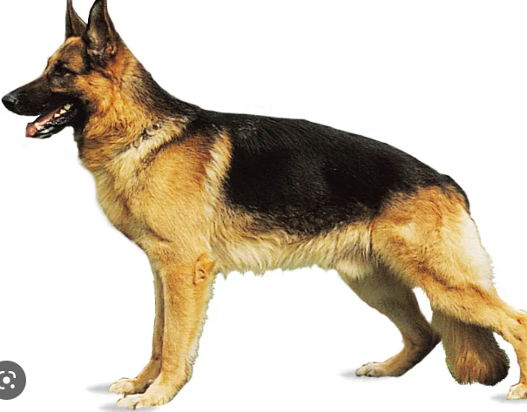


 | K Means clutering algorithm |  |  |  | Unsupervised Machine learning algorithms | Clustering Problems

 |  | K means clustering is an unsupervised learning algorithm which groups the unlabelled dataset in to different clusters
 |  | Here K defines the number of pre-defined clusters that need to be created in the process
 |  | If K=2 there will be two clusters
 |  | if K=3 there will be three clusters and so on

 | It is an iterative algorithm that divides the unlabelled dataset into k different clusters in such a way that each dataset belongs only one group thathas similar properties

 | Kmean can create clusters without any training

 | It is a centroid based algorithm , where each clusters is associated with a centroid.
 | The main aim of this algorithm is to minimize the sum of distance between the data point and their corresponding clusters

 | Less human intervention
 | K - number of clusters
 | means - average values of groups

 | Step 1: | Choosing the k-value
 | step 2: | Random selection of centroids
 | step 3: | Assigning datapoints to the centroid
 | step 4: | Reassing centroids and follow step 2 in a loop

 |  |  | K = 2
A | B
5 | 3 |  | C1 | C2
10 | 15 |  | 5,3 | 10,15
15 | 12
24 | 10 |  | C1 | C2
30 | 45 |  | 5,3 | 48,50
85 | 70
71 | 80 |  | C1 | C2
60 | 78 |  | 13,10 | 63,69
55 | 52
80 | 91 |  | C1 | C2
 |  |  | 17,17 | 70,74

 |  |  | C1 | C2
 |  |  | 17,17 | 70,74

Overfitting
If a student will land a job interview based on resume |  |  |  |  | Train |  |  | Outcoume
 |  |  |  |  |  |  | Resume1 | yes
 |  |  |  |  |  |  | resume2 | No
 |  |  |  |  |  |  | resume3 | Yes

 |  |  |  |  |  |  |  |  | Actuals | Predicted
 |  |  |  |  | Test |  | resume1001 |  | Yes | Yes
 |  |  |  |  |  |  | resume1002 |  | YEs | YEs

 |  |  |  |  | When we run the model on unseen new dataset of resumes, we only get 50% accuracy

 |  |  |  |  | Our model doenst generalize well from our training data to unseen data

BIAS

 | Error between average model preidiction and the actual
 | the bias of the estimated function tell us the capacity of the underlying model to predict the values

Variance
 | Average variability in the model prediction in the divent data set
 | The variance tell you how much the function can adjust to the change in the dataset

 | Overly simplified model
 | Underfitting
 | High error on both train and test data set

High variance
 | Overly complex model
 | Overfitting
 | Low error on training data set and high error on testing data set

Bias variance tradeoff

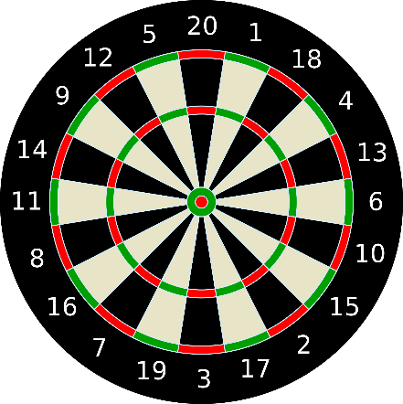
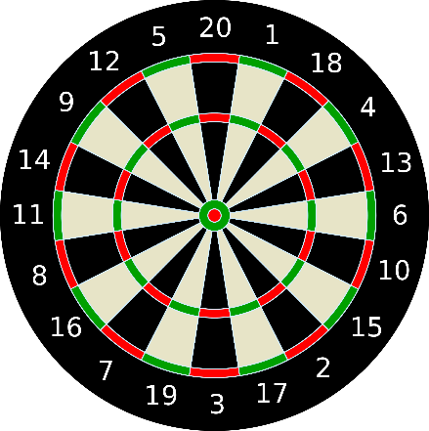

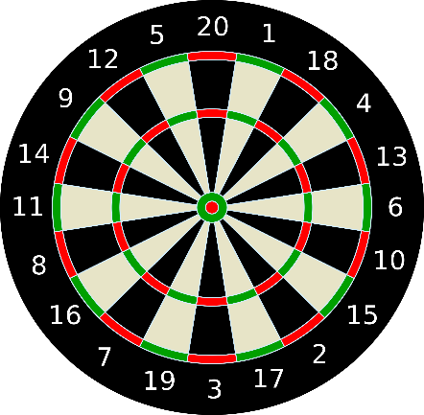
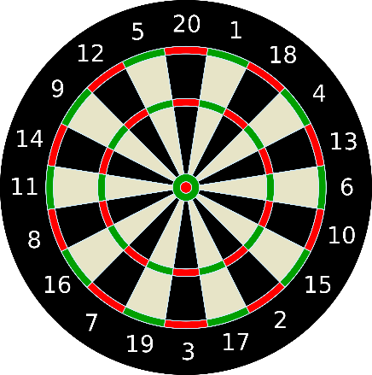

Bias Variance: |  |  |  |  |  |  | Too simple algorithm |  |  | then it may be on high bias and low variable condition error prone
 |  |  |  |  |  |  | Too complex algotithm |  |  | then it may be on high vaiance nd low bias
 | increasing bias (not always) reduces variance and vice versa
 | Error = bias ^2+ variance+ irreducible error
 | The best modl is where the error reduced
 | compromise between bias and variance

One of the most popular / powerfull preventive measure against overfitting is Cross Validation

Cross validation is a powerfill preventive measure against overfitting
The idea is very clever : Use your initial training data to generate multiple mini train - test splits. Use these splits to tune your model

In standard k-fold cross validation , we paritiion the data into k subsets, called folds.
Then we iteratively train the algorithm on k-1 folds while using remaining fold as the test set

Cross validation basically splitting data into multiple chunks for evaluation all changes of targets
 |  |  |  |  |  |  |  |  |  |  | 50
A | B | Target | Set 1 | A | B | Target
49 | 96 | 32 | Train Set | 60 | 162 | 53 |  |  |  |  | 40 | question
60 | 162 | 53 | Test set | 84 | 40 | 172 | Accuracy | 45 |  |  | 10 | testing
20 | 152 | 150
84 | 40 | 172
174 | 117 | 63 | Set 2 | A | B | Target
70 | 156 | 101 | Train Set | 174 | 117 | 63
 |  |  | Test set | 49 | 96 | 32 | Accuracy | 55

 |  |  | Set 3 | A | B | Target
 |  |  | Train Set | 20 | 152 | 150
 |  |  | Test set | 70 | 156 | 101 | Accuracy | 95

 |  | High Bias |  |  |  | high Variance
 |  | Low Variance |  |  |  | Low Bias

High bias, low variace algorithm train model that are |  |  |  | high variance low bias algorithms train models that are
consistent , but inaccurate on average |  |  |  | accurate on average but inconsistent

Low varaince algos tend to be less complex, with very |  |  |  | Low bias algos tend to be more complex, with flexible underlying structure
simple or rigid structure

Ex : |  |  |  | Ex: Decision tree
regression |  |  |  | Nearest neighbors
naïve bayes |  |  |  | Non- linear algos
parametrics |  |  |  | non - parametics algos

PCA & LDA
 |  | PCA & LDA |  | Principle Component Analysis |  |  |  | Dimensionality Reduction

 |  |  |  | Unsupervised Learning algorithm used for Dimensionality Reduction
 |  |  |  | it is a statistical process that converts the observation of correlated feature into a set linealy uncorrelated features with the help of orthogonal transformation

 |  |  | Dimensionality |  |  | it is the number of feature or varaibles present in the given dataset
 |  |  | correlation |  |  | it signifies how strongly two variables are related
 |  |  | orthogonal |  |  | it defines tha varaible are not correlated to each other and hence correlation between the pai of variable zero
 |  |  | eigen vectors |  |  | if there is a square matrix M and a non zero vector v is given. Then v will be eigen vector if AV is the scalar multiple of v
 |  |  | Covariance matrix |  |  | A matrix containing the covariance between the pair of variables

 |  | Steps involved in PCA algorithm

 |  | 1. Getting the dataset
 |  | 2. Represent data into a strucuture
 |  | 3. Standardizing the data
 |  | 4. Calculating the covariance of Z
 |  | 5. Calculating the eigen values and eigen vectors
 |  | 6. Soring the Eigen vectors
 |  | 7. calculating the new feature or principle components
 |  | 8. Remove less or unimportant features

 |  | Quite a few question pop up

 |  | A ) Why dimenstionality reduction ? What does it mean to reduce dimensionality ?
 |  | B) How is linear algebra releated to dimentionality reduction?
 |  | C) Why do we need to do linear tranformation?
 |  | D) How are Eigne values and Eigen vectors related to dimensionality reduction
 |  | E) Could their be mutliple Eigen vectors dependent on the level of transformation?
 |  | F) How are the objective of LDA and PCA different and how it leads to different set of Eigen vectors?
 |  | G) Is there more to PCA than what we have discussed ? Shall we choose all the Principal components

 | A ) Why dimenstionality reduction ? What does it mean to reduce dimensionality ?

 |  | when a data scientist deals with a data set having a lot of variables/features, there are few issues to tckle

 |  |  | > With too many features to execute the performance of the code become poor, especially for techniques like SVM, neural networks which take a long time to train
 |  |  | > Many of the varibale sometimes do not add much value

 |  | Dimensionality reduction is a way used to reduce the number of independent variable or features

 |  | Xa | Xb | Xc | Xd | Xe | xf |  | X1 | X2
 |  | # | # | # | # | # | # |  | # | #
 |  | # | # | # | # | # | # |  | # | #
 |  | # | # | # | # | # | # |  | # | #
 |  | # | # | # | # | # | # |  | # | #
 |  | # | # | # | # | # | # |  | # | #
 |  | # | # | # | # | # | # |  | # | #
 |  | # | # | # | # | # | # |  | # | #
 |  | # | # | # | # | # | # |  | # | #
 |  | # | # | # | # | # | # |  | # | #
 |  | # | # | # | # | # | # |  | # | #
 |  | # | # | # | # | # | # |  | # | #
 |  | # | # | # | # | # | # |  | # | #
 |  | # | # | # | # | # | # |  | # | #

 | B) How is linear algebra releated to dimentionality reduction?

 |  | Though the objective is to reduce the number of feature it shouldn’t come at the cost of reduction in explainability of the model
 |  | And this is where linear algebra pitches in (take a deep breath). In simple words, linear algebra is a way to look at any data point/vector (or set of data points) in a coordinate system from various lenses

 |  | A) | Rotate & Stretch |  | : as you can see below the new coordinate system Is rotated by certain degree and streched

 |  |  | point A as moved from (0,1) to (1,2) and point b as moved from (1,0) to (3,0)

 |  |  | a) all lines remain line that is lines are still remaining as straight and not changed into curve
 |  |  | b) origin remains the saem (0,0)
 |  |  | c) streching/squishing still keesps grid lines parallel and evenly spaced

 |  | this is the essense of linear algebra or linear transformation

 |  | Whenever a linear transformation is made, it is just moving a vector in a coordinate system to a new coordinate system which is stretched/squished and/or rotated.

C) Why do we need to do linear tranformation?

 |  | a) Seeing the world from different lenses that could give us different insights.
 |  | b) In these two different worlds, there could be certain data points whose characteristics relative positions won’t change.

 |  |  | Vetors | Rotation | Length changed
 |  |  | A | Yes | Yes |  |  | If we can manage to align all (most of) the vectors (features) in this 2 dimensional space to one of these vectors (C or D),
 |  |  | B | Yes | Yes |  |  | we would be able to move from a 2 dimensional space to a straight line which is a one dimensional space.
 |  |  | C | No | Yes
 |  |  | D | No | YEs

 |  | D) How are Eigne values and Eigen vectors related to dimensionality reduction

 |  |  | These vectors C&D for which the rotational characteristic don’t change are called Eigen vectors
 |  |  | and the amount by which these gets scaled are called eigen values

 |  |  | Eigen value |  | C | 3 |  | vector as increased 3 times its original size
 |  |  |  |  | D | 2

 | In nutshell If we can define a way to find eigen vectors and then project our data element on this vector
 | we would achieve dimensionality reduction

 | E) Could the be mutliple Eigen vectors dependent on the level of transformation?

 |  | Yes

 | F) How are the objective of LDA and PCA different and how it leads to different set of Eigen vectors?

 |  | For PCA (Principle component analysis) the objective is to endure that we capture the variability of our independent variables to the extenent

 | The measure of variability of multiple values together is capured using the covariance matrix

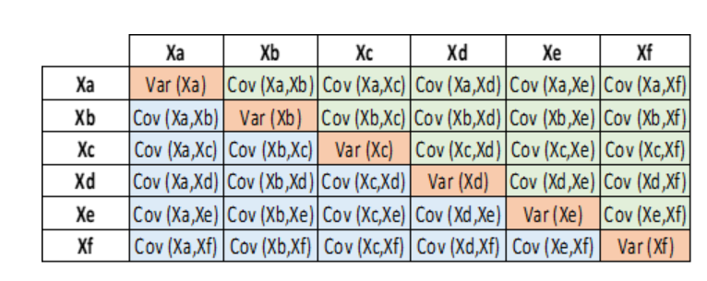

 | So this would be the matric on which we would calculate our eigen vectors

 | On the other hand, Linear Discrimant Analysis (LDA) tried to solve supervised classification problem, whereni th objective is not to understand variability of the data, but to mazimise the seperation know categories
 | IN LDA the covariance matrix is substituted by a scatter matrix which captures the characterictics between class and within class

 | G) Is there more to PCA than what we have discussed ? Shall we choose all the Principal components

 |  | Xa | Xb | Xc | Xd | Xe | Xf
 |  | # | # | # | # | # | #
 |  | # | # | # | # | # | #
 |  | # | # | # | # | # | #
 |  | # | # | # | # | # | #
 |  | # | # | # | # | # | #
 |  | # | # | # | # | # | #
 |  | # | # | # | # | # | #
 |  | # | # | # | # | # | #
 |  | # | # | # | # | # | #
 |  | # | # | # | # | # | #

 | 1. Identify eigen vector
 | 2. build the covariance matix

 | Why are Eigne vectors perpendicular ?

 |  | If we use covariance matrix or scatter matix it is symmentrical on the diagnol, then eigenvecotrs are real numbers and perpendiclae (orthogonal)

 |  | the way convers any matrix into a symmetrical one is to multiply the matrix by it transpore

 |  | Once we have the eitden vectors from the above equation we can project the data ponts on these 2 vectos EV1 and EV2

