data_types_fig
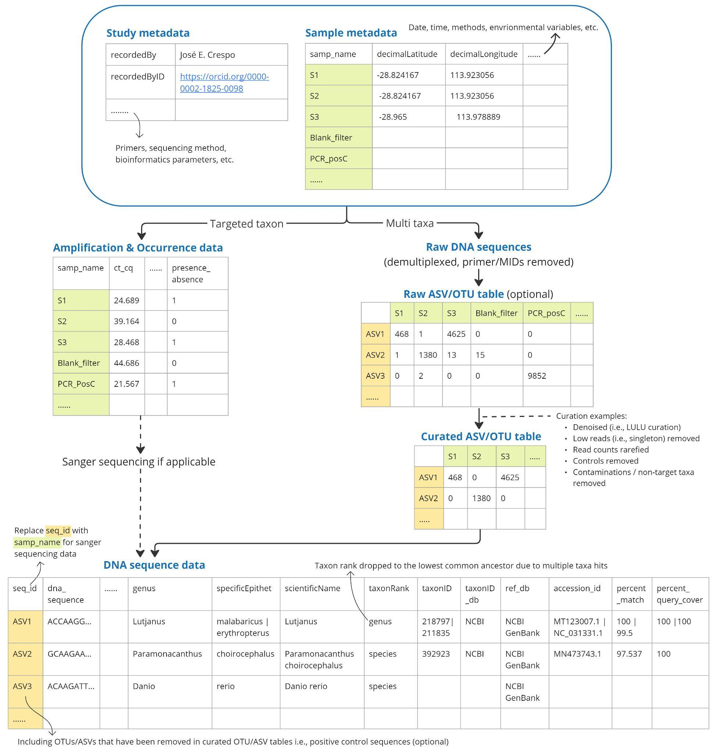
Data type | Name format | Example
Study metadata | studyMetadata_<project_id> | studyMetadata_gbr2022.csv
Sample metadata | sampleMetadata_<project_id> | sampleMetadata_gbr2022.csv
Raw ASV/OTU table | rawOTU_<project_id>_<assay_name>_<library_id> | rawOTU_gbr2022_MiFish_lib20230922.csv
Curated ASV/OTU table | otu_<project_id>_<assay_name>_<library_id> | otu_gbr2022_MiFish_lib20230922.csv
DNA sequence data | dnaSeqData_<project_id>_<assay_name>_<library_id> | dnaSeqData_gbr2022_MiFish_lib20230922.csv
Amplification data | ampData_<project_id>_<assay_name> | ampData_gbf2022_Lmalabaricus.csv

