data_types_fig
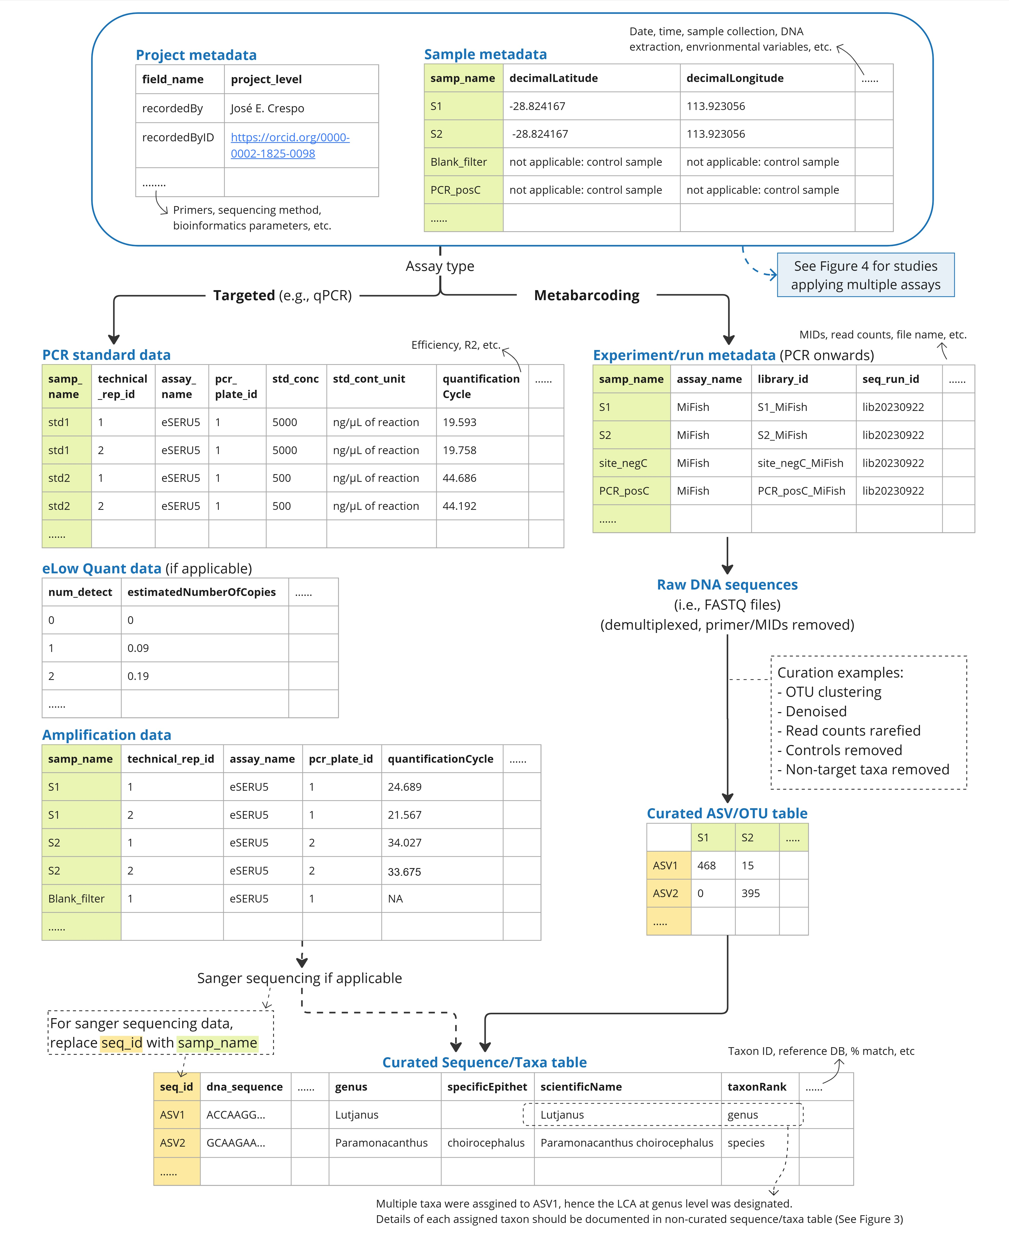
Data.type | Name.format | Example
Study metadata | studyMetadata_<project_id> | studyMetadata_gbr2022.csv
Sample metadata | sampleMetadata_<project_id> | sampleMetadata_gbr2022.csv
Amplification data | ampData_<project_id>_<assay_name> | ampData_gbf2022_MiFish.csv
Experiment/run metadata | experimentMetadata_<project_id> | experimentMetadata_gbf2022.csv
Non-curated ASV/OTU table | otuRaw_<project_id>_<assay_name>_<seq_run_id> | otuRaw_gbr2022_MiFish_run20230922.csv
Curated ASV/OTU table | otuFinal_<project_id>_<assay_name>_<seq_run_id> | otuFinal_gbr2022_MiFish_run20230922.csv
Non-curated Sequence/Taxa table | taxaRaw_<project_id>_<assay_name>_<seq_run_id> | taxaRaw_gbr2022_MiFish_run20230922.csv
Curated Sequence/Taxa table | taxaFinal_<project_id>_<assay_name>_<seq_run_id> | taxaFinal_gbr2022_MiFish_run20230922.csv

Note: this figure is an old version. I somehow can't upload a new figure (error). Please see the MS v6 for the updated figures

