data_types_fig
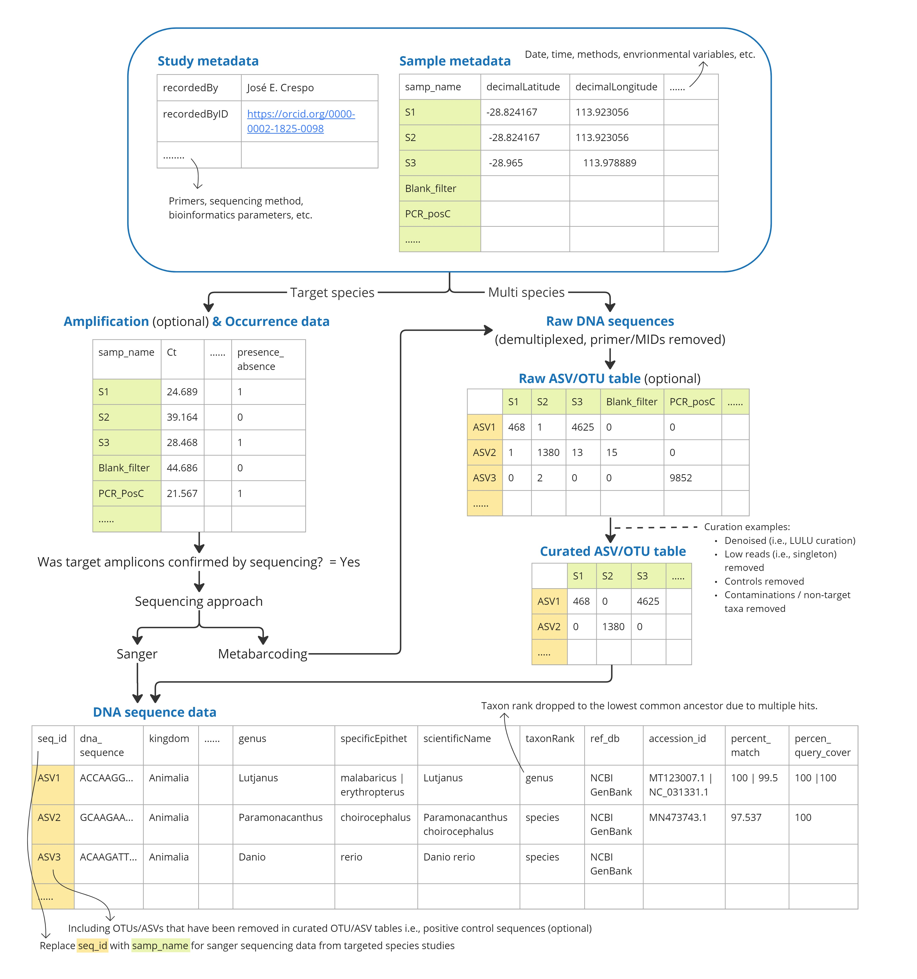
Data.type | Targeted.species | Multi.species | Descriptions..Purpose.of.sharing
Study metadata | Mandatory | Mandatory | To sumarise details about the study, datasets, methodologies that apply to the whole study
Sample metadata | Mandatory | Mandatory | To record detailed information about each sample
Amplification data | Optional (for targeted species studies) | N/A
Occurence data | Mandatory | N/A
Raw DNA sequences | N/A | Mandatory | To record DNA sequences and taxonomic assignment information, including those with mutliple hits. This data table allows data re-users (i.e. researchers and managers) to assess the data quality based on the parameters provided, remove low or unknown quality data, and/or re-run taxonomic assignment steps using their own algorithms and thresholds to fit their purposes. Archiving DNA sequences enables re-annotation using updated reference databases to improve the identification accuracy.
Raw ASV/OTU table | N/A | Optional | Raw OTU/ASV tables that was intially produced in a bioinformatics pipeline. Although we call them raw or non-curated OTU table, some level of quality filtering may already have been applied, such as filtering based on minimum length, read counts, error rates, and OTU clustering. The extent of data curation performed on the row OTU/ASV table can vary between studies depending on how bioinformatic pipeline used, and this should be described under the term “noncurOTUtab_description” in the datasetInfo table. The purpose of sharing raw OTU/ASV tables is for transperancy and reproduciblity of data curation steps, and to allow data re-users to re-run them using their own algorithms and thresholds to fit their purposes. Archiving OTUs/ASVs and read counts of contamination taxa and control samples allow researchers to investigate the common contaminations sequences, taxa, and sources across multiple studies, and identify how to minimise them.
Curated ASV/OTU table | N/A | Mandatory | The OTU table that was produced after various data curation processes. In some studies, several OTUs assigned to the same taxa may be collapsed and the read counts are summed. Detailed descriptions on what levels of curations were taken to produce a curated OTU table should be recorded under the term “curOTUtab_description” in databaseInfo. We encourage data providers to submit the curated OTU table before collapsing OTUs to preserve more detailed records. The only exception is when denoising and curation steps are applied after OTUs with common taxa are collapsed. Descriptions on how data were curated to produce the curated OTU table should be recorded under the term “curOTUtab_description”. The purpose of sharing OTU table is to allow prompt re-uses of species occurrence records and standardisation in the context of all other biodiversity data using other methods not limited to eDNA.
ASV/OTU sequence data | N/A | Mandatory

