Introduction

PRIDE 2.1 Proteomics Data XML Export Workbook
This Excel workbook has been designed to allow the compilation of a complete PRIDE 2.1 XML file. As far as possible, automation is used to assist you in compiling the data. Features of the spreadsheet are described in the Help section below. It is strongly recommended that you read through this page before starting to work with this Excel workbook.
 |  | Double Click Buttons
Optional: Embed mzData XML file located here: |  | Browse for mzData File

IMPORTANT: Embedding an external mzData file will result in any mzData related content that you have entered on to this spreadsheet being ignored. Sheets that will be ignored include 'Contacts', 'CV Lookup', 'Sample', 'MS Instrument' and 'MS Instrument Software'. See point 4 below for further details.
 |  | Double Click Buttons
 |  | Generate PRIDE XML

Help Documentation
1 Only Use Microsoft Excel 2000 or later versions on a Microsoft Windows platform. This workbook makes extensive use of 'Visual Basic for Applications' (VBA), the programming language embedded in Excel. Consequently, you will not be able to use this spreadsheet productively in an 'Office clone' that is capable of opening Excel workbooks, but not capable of running VBA code.
2 Save and Backup Regularly: This is a complex Excel workbook that includes many pages and will take time to complete. It is therefore essential that you both save the workbook regularly and also create interim backup copies of the spreadsheet at regular intervals to ensure you do not lose the data that you have entered.
3 Automated Controlled Vocabulary Lookup: You can look up controlled vocabulary / ontology terms directly from this spreadsheet via the Ontology Lookup Service (OLS) at the EBI:
http://www.ebi.ac.uk/ontology-lookup | for more information…
To select a CV term, double-click on any of the buttons that look like this: |  | Search for CV Term
The resulting dialogue box, described below, can be used to search for CV terms or to retrieve the correct term name, given a known accession number.
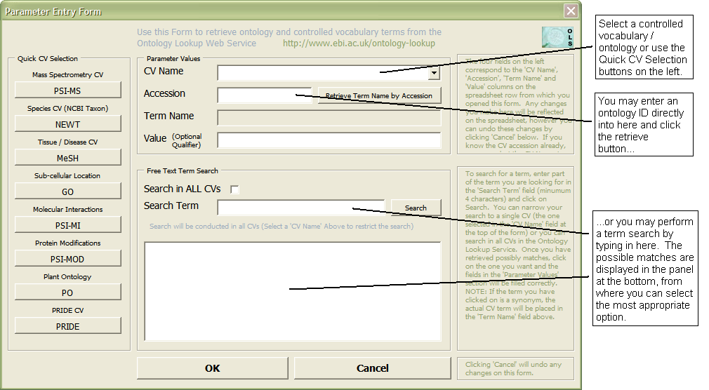

4 Inclusion of External mzData File: As described above, you may wish to embed an externally generated mzData XML file in your output. This option will allow you to include mass spectra, however it is unlilkely to include sample annotation as required for a PRIDE submission. It is recommended that you edit your mzData file to include this information as described here.
The use of an external mzData file is required if you wish to include spectra in your submission. Normally the mzData file will be generated by the mass spectrometer instrument software that you are using. Please note that this is unlikely to include the kind of sample description information normally expected for a PRIDE submission, e.g. NCBI Taxonomy / NEWT ID, BRENDA term for anatomical location, Cell Type Ontology term for cell type etc. It is possible to edit the XML file following generation to add this information - See help point 4 below.
If you are not submitting spectra, it is recommended that you make use of this spreadsheet to construct the mzData element within the PRIDE XML file.
Sample information that is highly desirable in a PRIDE submission includes, where appropriate: the NCBI Taxonomy / NEWT taxonomy ID; BRENDA term for anatomical location, Cell Type Ontology term for cell type and GO terms to describe the sub-cellular location of the sample. You may also use the DOID Disease Ontology to define disease states of the organism. This information should be annotated in the mzData/description/admin/sampleDescription element as exemplified below:

This can be achieved using a text editor such as Textpad.
5 Data entry using the workbook: General Points. This workbook is split into several separate sheets, each of which is relatively simple to complete, collectively allowing you to enter the complex information required to generate a complete PRIDE XML submission. On all sheets, the convention is followed that mandatory data elements have a yellow background and optional data elements have a green background.
Where possible, the data you have entered will be validated at the point of entry, however in some cases this is not possible, in which case the completeness of the data entry will be validated when you attempt to generate the PRIDE XML file (by double clicking on the 'Generate PRIDE XML' button near the top of this page.)
Some general points to bear in mind:
Wherever it is possible or desirable to add additional rows to annotate your data more completely, you will find a button provided on the spreadsheet itself to allow you to do this. Do not attempt to add more rows manually / using cutting and pasting etc. as these rows may not be correctly parsed by the code that generates the PRIDE XML.
Avoid leaving blank rows in data tables. Any data entered below a row that has been left blank will be ignored and not included in the generated XML file.

Useful information specific to each sheet is given below.
Experiment Sheet
This sheet allows the entry of over-arching experiment data including the mandatory experiment title and short label and an optional experiment accession number. Note that when submitting an experiment to PRIDE for the first time, the experiment accession number should not be set. You will only need to provide this number if you are re-submitting an experiment, in which case the number should be the same as the assigned experiment number from your previous submission. Please also note that the same user will need to log in to PRIDE to re-submit the experiment.
As commonly found throughout the PRIDE XML schema, it is possible to annotate the experiment with additional parameters, being either 'CV Parameters' that make use of external controlled vocabularies and ontologies to annotate the data, or 'User Parameters' that allow the entry of free text. Wherever possible, you are encouraged to make use of controlled vocabulary terms to annotate your data. It is possible to make use of the Ontology Lookup Service to search for appropriate controlled vocabulary terms as described in point 3 above.
If you wish to enter more than one CV or user parameter to annotate the experiment as a whole, you should double click on the button labelled 'Add Param' that can be found in column F on the Experiment sheet. This will add an additional row. You are advised to avoid adding rows manually. A similar mechanism is provided on most of the sheets in the workbook to allow the addition of CV and User parameters.
Contacts
This simple sheet allows you to enter the details of any number of contact people or organisations for the data submission. Generally speaking, you are advised to provide an email address in the 'Contact Information' column, however this is not mandatory and you may wish to enter a postal address or other contact details.
CV Lookup
This sheet allows the entry of details of the controlled vocabularies and ontologies referenced from the PRIDE XML file that you are generating. You are provided with a likely starting set of controlled vocabularies, however you are free to add any controlled vocabularies that you require. If you inadvertantly include references to CVs that are not used in your submission, there are no adverse consequences. You can however remove references on this sheet if you wish. You can either over-type a CV reference, or just completely delete the row by selecting it and then using the menu item 'Edit'...'Delete'.
Protocol Steps
The protocol followed to prepare the sample for analysis, including steps such as digestion, separation by gel or column etc. can be described in this section. The protocol should be given a meaningful, descriptive title ('Protocol Name'). Each step (ordered) of the protocol can then be described using any number of CV parameters or user parameters. To allow you to associate each CV or user parameter with a specific step, you should enter a step number in column A. Note that you can have any number of rows annotated with the same step number, allowing you to describe a single step using more than one controlled vocabulary and / or free text term. Useful controlled vocabularies for annotating this kind of sample processing includes the PSI-MI ontology and the PRIDE controlled vocabulary.
References
This sheet allows you to enter the details of any number of published references that are associated with the experiment. Space is initially provided for one reference, however to add additional references, you should double-click the 'Add Reference' button on the right hand side of the sheet.
For each reference described, you must enter a reference line. You are also recommended to add CV parameters including details of the PubMed ID, ISBN and / or DOI numbers for the article. Again, it is possible to annotate each reference with any number of CV or user parameters.
It is also possible to annotate each reference using any of the following terms from the PRIDE Controlled vocabulary, as appropriate:
PRIDE:0000067 "Reference reporting this experiment". This CV parameter indicates that this reference is directly supported by the data included in this submission.
PRIDE:0000068 "Reference describing sample preparation".
PRIDE:0000111 "Reference describing data analysis".
Sample
This sheet allows you to enter details of the sample under investigation, including the mandatory "Sample Name" and optional "Description Comment". In addition to these data, you are highly recommended to include CV parameters to describe the species, tissue, sub-cellular location, disease state and developmental stage of the organism / sample as appropriate. Suggested controlled vocabularies and ontologies for these purposes are listed on the sheet itself.
MS Instrument
This sheet allows you to enter details of the sample under investigation, including the mandatory "Sample Name" and optional "Description Comment". In addition to these data, you are highly recommended to include CV parameters to describe the species, tissue, sub-cellular location, disease state and developmental stage of the organism / sample as appropriate. Suggested controlled vocabularies and ontologies for these purposes are listed on the sheet itself.
MS Instrument Software
This sheet allows you to enter details of the mass spectrometer instrument software as supplied by the instrument vendor. As a minumum you must supply the name and the version number of the software.
Proteins
Here you should enter details of all of your protein identifications. If you already have this data in a separate spread sheet, it may be convenient to re-arrange this sheet with the appropriate column order and then paste the values into the Proteins sheet. Note that you can add any number of additional controlled vocabulary or user defined parameters to each protein identification on this sheet by clicking on the Add Param button in column Y. Other important columns on this sheet are described below.
Add Peptides to All Proteins. This column contains two kinds of button that allow you to automatically create row entries on the 'Peptides' sheet that are cross-referenced to the protein entry. To use this you first need to enter the number of peptides for each protein in the Peptide Count column. Note that to cross reference from the protein sheet to the peptide sheet relies on the presence of a unique identifier (ascending integer) in the Protein Unique ID column on the Proteins sheet. This value is provided in the blank Proteome Harvest spreadsheet. There is no need to edit or modify this value. This value is only used within the spreadsheet and does not appear in any form on the final XML file.
Type. This column provides a choice of two types of protein identification: "2D-GE Based" or "Gel-Free" identifications. If you select "2D-GE Based" in this column then five additional data columns will be made available to you, in which you can enter a hyperlink to the gel image, x and y coodinates of the identified spot and the predicted MW and pI of the protein. These columns are hidden for the row in question if you select the type "Gel-Free".
Peptides, PTM Codes and PTMs
These three sheets are described together as they interact with each other. A degree of automation of data entry is provided that is especially useful where you have peptide sequences that are annotated with protein modifications using single character codes. If this is the case, the first sheet that you should complete is the PTM Codes sheet. On this sheet you can define each single character code in terms of the most appropriate PSI-MOD ontology term.
After you have defined each single character code for protein modifications, you can paste your annotated peptide sequences into the sequence column on the Peptides sheet. These single character codes will then be used to automatically populate the PTMs sheet. The single character codes will also be stripped out of the peptide sequence, as required for PRIDE entry. Note that you can paste peptides on to multiple rows in one action and they will all be processed automatically in this manner.
Optional, but important columns on the Peptides sheet include the start, end and Spectrum Reference columns. Note that the end column is automatically populated as soon as you enter a value in the start column but can be over-written if required. The spectrum reference column should be completed if you are using an external mzData file that contains spectra. This allows the generated PRIDE XML file to cross reference identified peptides to the appropriate mass spectrum. If you are not including spectra you should leave this column empty.

Funded by the BBSRC, under the "Proteome Harvest" grant
Developed by Philip Jones, EMBL - European Bioinformatics Institute. Made available under the Apache License Version 2.0, January 2004 (See http://www.apache.org/licenses/LICENSE-2.0.html)

