SW3
Days Since Calving | DMI per Level of Nutrition (kg/d) |  |  | Average DMI (kg) | DMI SD
 | A | B | C
30 | 11.14 | 11.96 | 13.60 | 12.23 | 1.02
60 | 11.40 | 12.23 | 13.42 | 12.35 | 0.83
90 | 12.12 | 12.72 | 13.79 | 12.88 | 0.69
120 | 11.83 | 12.43 | 13.50 | 12.59 | 0.69
150 | 11.54 | 12.14 | 13.21 | 12.30 | 0.69
180 | 11.30 | 11.90 | 12.97 | 12.06 | 0.69
210 | 10.68 | 11.28 | 12.35 | 11.44 | 0.69

Days Since Calving | Peak Milk Production (kg/d) |  |  |  | Average Milk Production (kg/d) | Milk SD
 | 5 | 8 | 11 | 14
30 | 4.00 | 6.43 | 8.81 | 11.20 | 7.61 | 2.68
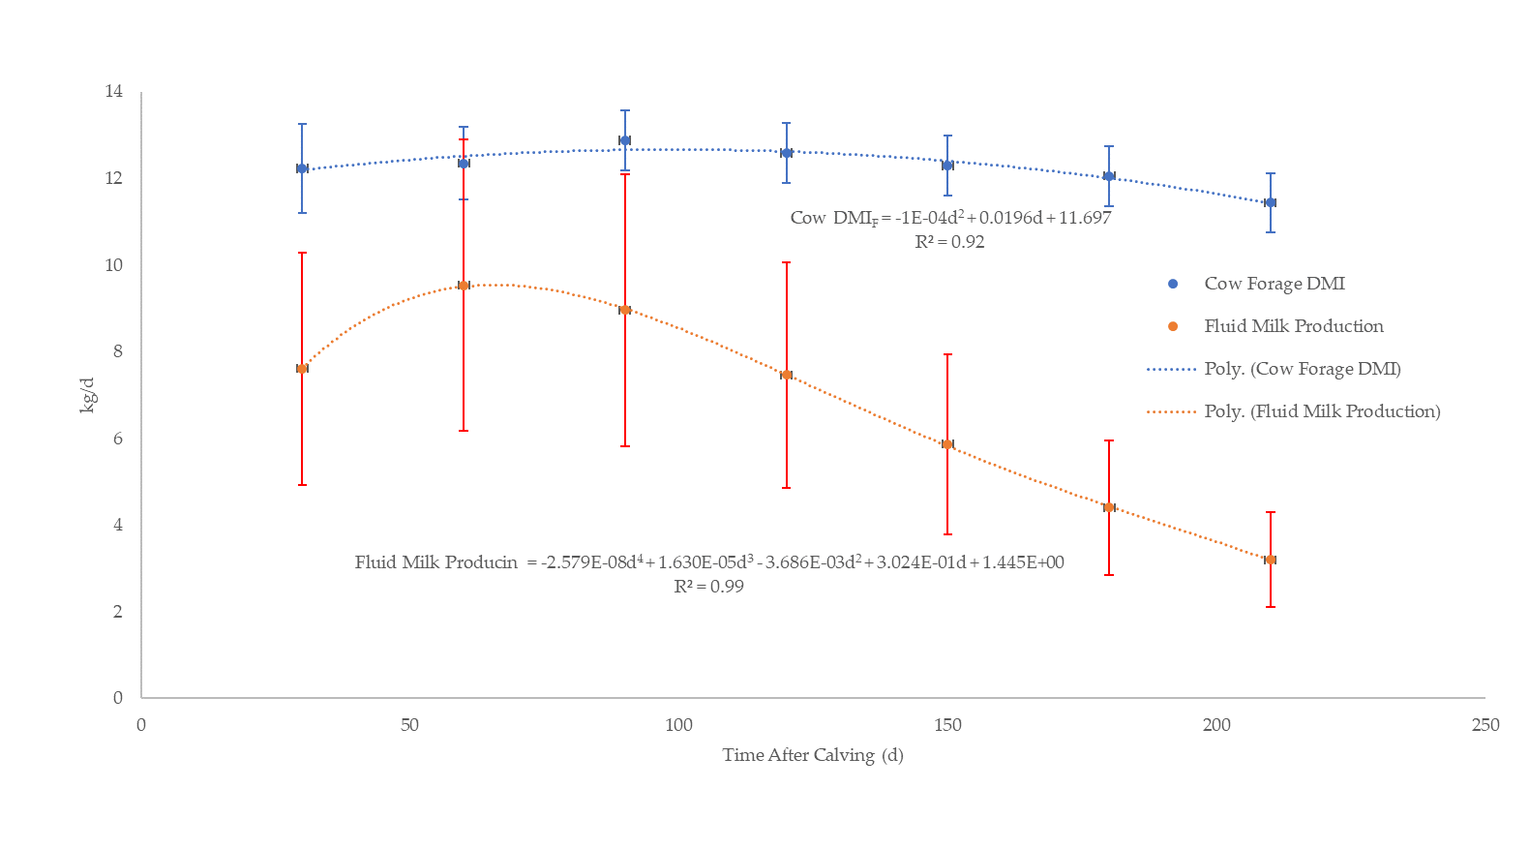
60 | 5.03 | 8.05 | 11.01 | 14.05 | 9.54 | 3.36
90 | 4.77 | 7.53 | 10.34 | 13.19 | 8.96 | 3.14
120 | 3.95 | 6.32 | 8.63 | 10.96 | 7.46 | 2.61
150 | 3.07 | 4.93 | 6.82 | 8.65 | 5.87 | 2.08
180 | 2.33 | 3.69 | 5.12 | 6.46 | 4.40 | 1.55
210 | 1.73 | 2.71 | 3.67 | 4.67 | 3.20 | 1.10

 | Cow Forage DMI | Fluid Milk Production
30 | 12.233333333 | 7.61
60 | 12.35 | 9.54
90 | 12.876666667 | 8.96
120 | 12.586666667 | 7.46
150 | 12.296666667 | 5.87
180 | 12.056666667 | 4.40
210 | 11.436666667 | 3.20

SW4
 |  |  |  |  |  |  | Forage Source | DEF | Forage Source | DEF
Age (d) | BW (kg) | DMIF (kg) | DMIF SD | DMIM (kg) | DMIM SD (kg) | DMIF+M | Alfalfa Hay | 2.43 | Mix Grass+Leg. Sil., immature | 2.39
0 | 35 | -0.90 | -0.24 |  |  | 1.22 | Almond Hulls | 2.89 | Mix Grass+Leg. Sil., mature | 2.07
30 | 54 | -0.81 | -0.21 | 0.99 | 0.35 | 1.86 | Barley Silage, headed | 2.28 | Mix Grass+Leg. Sil., mid-mat. | 2.25
60 | 75 | 0.09 | 0.02 | 1.24 | 0.44 | 2.59 | Bermudagrass hay, Coastal | 1.87 | Mix Grass+Legume Hay, mature | 2.11
90 | 99 | 1.33 | 0.35 | 1.16 | 0.41 | 3.42 | Bermudagrass hay, Tifton-85 | 1.86 | Mix Grass+Legume Hay, immat. | 2.46
120 | 125 | 2.69 | 0.71 | 0.97 | 0.34 | 4.33 | Corn Silage, immature | 2.45 | Mostly Grass Hay, immature | 2.35
150 | 154 | 4.07 | 1.07 | 0.76 | 0.27 | 5.30 | Corn Silage, mature | 2.78 | Mostly Grass Hay, mature | 2.08
180 | 183 | 5.44 | 1.43 | 0.57 | 0.20 | 6.34 | Corn Silage, normal | 2.75 | Mostly Grass Hay, mid-mat. | 2.19
210 | 215 | 7.41 | 1.95 | 0.42 | 0.14 | 7.41 | Corn, Yellow, cobs | 1.76 | Mostly Grass Silage, mid-mat. | 2.19
240 | 247 | 8.52 | 2.24 |  |  | 8.52 | Cottonseed, hulls | 1.69 | Mostly Grass Silage, immat. | 2.34
 | DMIF = (0.0783 x BW - 4.87 x DMIM)/DEF calculated from fluid milk production |  |  |  |  |  | Cottonseed, whole with lint | 2.89 | Mostly Grass Silage, mature | 2.01
 | DMIF: dry matter intake for forage |  |  |  |  |  | Grass Hay, cool season, mature | 2.04 | Mostly Legume Hay, immature | 2.49
 | DMIM: dry matter intake for milk |  |  |  |  |  | Grass Hay, cool season, immature | 2.36 | Mostly Legume Hay, mature | 2.20
 | DMIF+M: total dry matter intake for forage plus milk |  |  |  |  |  | Grass Hay, cool season, mid-mat. | 2.18 | Mostly Legume Hay, mid-mat. | 2.35
 | Milk: assume 13% DM |  |  |  |  |  | Grass Pasture, cool season, veg. | 2.39 | Mostly Legume Silage, immature | 2.38
 | DEF: digestible energy in Mcal/kg of forage =2.27 (average for 50 forages) |  |  |  |  |  | Grass Silage, cool season, immature | 2.30 | Mostly Legume Silage, mid-mat. | 2.27
 |  |  |  |  |  |  | Grass Silage, cool season, mature | 1.98 | Mostly Legume Silage, mature | 2.11
 |  |  |  |  |  |  | Grass Silage, cool season, mid-mat. | 2.16 | Oats, Hay, headed | 2.16
 |  |  |  |  |  |  | Legume Forage Hay, immature | 2.62 | Oats, Silage, headed | 2.04
 |  |  |  |  |  |  | Legume Forage Hay, mature | 2.21 | Rye, Annual, Silage, veg. | 2.12
 |  |  |  |  |  |  | Legume Forage Hay, mid-mat. | 2.43 | Sorghum, Grain Type, Silage | 2.17
 |  |  |  |  |  |  | Legume Forage Pasture, veg. | 2.71 | Sorghum, Sudan Type, Hay | 2.00
 |  |  |  |  |  |  | Legume Forage Silage, mid-mat. | 2.35 | Sorghum, Sudan Type, Silage | 1.95
 |  |  |  |  |  |  | Legume Forage Silage, immat. | 2.52 | Soybean, hulls | 2.25
 |  |  |  |  |  |  | Legume Forage Silage, mature | 2.19 | Average | 2.27
 |  |  |  |  |  |  | Mix Grass+Leg. Hay, mid-mat. | 2.30 | SD | 0.26

SW5
Age (d) | BW (kg) | Original Data |  | Extrapoalted Data |  | Combined Data
 |  | Forage DMI (kg) | SD | Forage DMI (kg) | SD | Forage DMI (kg) | SD
60 | 75 | 0.09 | 0.02 |  |  | 0.09 | 0.02
90 | 99 | 1.33 | 0.35 |  |  | 1.33 | 0.35
120 | 125 | 2.69 | 0.71 |  |  | 2.69 | 0.71
150 | 154 | 4.07 | 1.07 |  |  | 4.07 | 1.07
180 | 183 | 5.44 | 1.43 | 5.89 | 0.45 | 5.67 | 0.94
210 | 215 | 7.41 | 1.95 | 6.45 | 0.45 | 6.93 | 1.20
240 | 247 | 8.52 | 2.24 | 7.01 | 0.45 | 7.76 | 1.35 | BW (kg) | DMI per Level of Nutriion (kg/d) |  |  |  |  | Average | SD
270 | 279 |  |  | 7.56 | 0.45 | 7.56 | 0.45 |  | A | B | C | D | E
290 | 300 | 7.86 | 0.45 |  |  | 7.86 | 0.45 | 300 | 7.90 | 8.40 | 8.20 | 7.70 | 7.10 | 7.86 | 0.45
313 | 325 | 8.36 | 0.45 |  |  | 8.36 | 0.45 | 325 | 8.40 | 8.90 | 8.70 | 8.20 | 7.60 | 8.36 | 0.45
337 | 350 | 8.86 | 0.50 |  |  | 8.86 | 0.50 | 350 | 8.90 | 9.40 | 9.30 | 8.70 | 8.00 | 8.86 | 0.50
362 | 375 | 9.30 | 0.53 | (Original Data) |  | 9.30 | 0.53 | 375 | 9.40 | 9.90 | 9.70 | 9.10 | 8.40 | 9.30 | 0.53
388 | 400 | 9.76 | 0.56 |  |  | 9.76 | 0.56 | 400 | 9.80 | 10.40 | 10.20 | 9.60 | 8.80 | 9.76 | 0.56
416 | 425 | 10.22 | 0.55 |  |  | 10.22 | 0.55 | 425 | 10.30 | 10.90 | 10.60 | 10.00 | 9.30 | 10.22 | 0.55

SW9
Age (d) | Muscle PFOS
675 | 2.87

 | Mean | 5% | 95% | Pos Err | Neg Err
675 | 1.89 | 0.91 | 2.87 | 0.98 | 0.98

 | DAM |  | Beef Sample |  | Probabilistic Sim
0 | 0.000 | 675 | 2.87 | 675 | 1.89
1 | 0.000
2 | 0.001
3 | 0.002
4 | 0.002
5 | 0.003
6 | 0.004
7 | 0.005
8 | 0.005
9 | 0.006
10 | 0.007
11 | 0.008
12 | 0.009
13 | 0.010
14 | 0.011
15 | 0.012
16 | 0.013
17 | 0.014
18 | 0.016
19 | 0.017
20 | 0.018
21 | 0.019
22 | 0.020
23 | 0.021
24 | 0.022
25 | 0.023
26 | 0.025
27 | 0.026
28 | 0.027
29 | 0.028
30 | 0.029
31 | 0.030
32 | 0.031
33 | 0.032
34 | 0.033
35 | 0.034
36 | 0.035
37 | 0.036
38 | 0.037
39 | 0.038
40 | 0.039
41 | 0.040
42 | 0.041
43 | 0.042
44 | 0.043
45 | 0.044
46 | 0.045
47 | 0.045
48 | 0.045
49 | 0.045
...

SW11
 | Day675_Muscle - SW10!V678
 | Report: | Compact Output Report
 | Performed By: | Ian.Edhlund
 | Date: | Tuesday, April 29, 2025

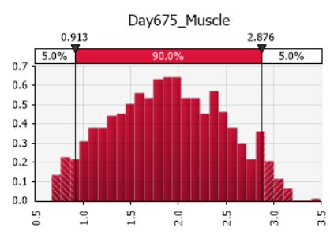 |  |  | Summary Statistics
 |  |  | Statistic |  |  | Value
 |  |  | Minimum |  |  | 0.6645
 |  |  | Maximum |  |  | 3.4945
 |  |  | Mean |  |  | 1.8924
 |  |  | Std. Deviation |  |  | 0.5863
 |  |  | Variance |  |  | 0.3438
 |  |  | Skewness |  |  | 0.0281
 |  |  | Kurtosis |  |  | 2.2437
 |  |  | Median |  |  | 1.8883
 |  |  | Mode |  |  | 1.9661
 |  |  | Left X |  |  | 0.9126
 |  |  | Left P |  |  | 5%
 |  |  | Right X |  |  | 2.8757
 |  |  | Right P |  |  | 95%

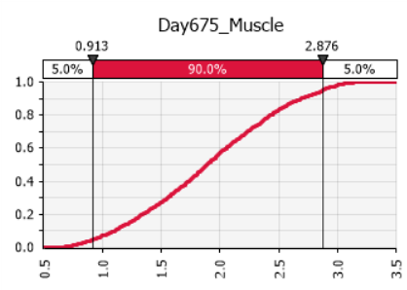 |  |  | Percentiles
 |  |  | Percentile |  |  | Value
 |  |  | 1% |  |  | 0.7292
 |  |  | 2.5% |  |  | 0.8160
 |  |  | 5% |  |  | 0.9126
 |  |  | 10% |  |  | 1.0980
 |  |  | 20% |  |  | 1.3431
 |  |  | 25% |  |  | 1.4497
 |  |  | 50% |  |  | 1.8883
 |  |  | 75% |  |  | 2.3449
 |  |  | 80% |  |  | 2.4242
 |  |  | 90% |  |  | 2.6939
 |  |  | 95% |  |  | 2.8757
 |  |  | 97.5% |  |  | 2.9817
 |  |  | 99% |  |  | 3.0530

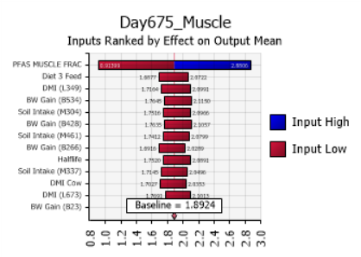 |  |  | Change in Output
 |  |  | Rank | Name | Lower |  | Upper
 |  |  | 1 | PFAS MUSCLE FRAC | 0.9140 |  | 2.8806
 |  |  | 2 | Diet 3 Feed (C159) | 1.6877 |  | 2.0722
 |  |  | 3 | DMI (L349) | 1.7164 |  | 2.0991
 |  |  | 4 | BW Gain (B534) | 1.7645 |  | 2.1150
 |  |  | 5 | Soil Intake (M304) | 1.7516 |  | 2.0966
 |  |  | 6 | BW Gain (B428) | 1.7635 |  | 2.1057
 |  |  | 7 | Soil Intake (M461) | 1.7412 |  | 2.0799
 |  |  | 8 | BW Gain (B266) | 1.6916 |  | 2.0289
 |  |  | 9 | Halflife (T561) | 1.7520 |  | 2.0891
 |  |  | 10 | Soil Intake (M337) | 1.7145 |  | 2.0496
 |  |  | 11 | DMI Cow | 1.7027 |  | 2.0353
 |  |  | 12 | DMI (L673) | 1.7691 |  | 2.1013
 |  |  | 13 | BW Gain (B23) | 1.7732 |  | 2.1053

SW13
Age (d) | 655 | 655 | 655 | 655 | 655 | 666 | 666 | 666 | 666 | 666 | 693 | 693 | 693 | 693 | 693 | 735 | 735 | 735 | 735 | 735
Animal | 1 | 2 | 3 | 4 | 5 | 1 | 2 | 3 | 4 | 5 | 1 | 2 | 3 | 4 | 5 | 1 | 2 | 3 | 4 | 5
Muscle PFOS | 2.71 | 2.18 | 1.95 | 2.09 | 2.34 |  |  |  |  |  |  |  |  |  |  | 0.5 | 0.43 | 0.7 | 0.97 | 0.69 | 2.254 | 0.658
Serum PFOS | 28.2 | 24.7 | 25.2 | 24 | 20.7 | 32 | 22.9 | 28.5 | 32.4 | 10.8 | 20.2 | 17.5 | 19.5 | 21.4 |  | 17 | 13.6 | 16.1 | 15.8 | 14.9 | 0.87843833185 | 1.6869300912

 | Mean | 5% | 95% | Pos Err | Neg Err
Muscle 655 | 1.35 | 0.64 | 2.06 | 0.71 | 0.71
Muscle 735 | 0.73 | 0.36 | 1.11 | 0.38 | 0.37
Serum 655 | 17.35 | 7.72 | 28.56 | 11.21 | 9.63
Serum 666 | 15.9 | 7.4 | 26.04 | 10.14 | 8.5
Serum 693 | 12.92 | 6.14 | 21.17 | 8.25 | 6.78
Serum 735 | 9.36 | 4.3 | 15.47 | 6.11 | 5.06
 | DAM |  | Samples Day 655 |  | Samples Day 735 |  | Sim 655 |  | Sim 735
0 | 0.000 | 655 | 2.71 | 735 | 0.5 | 655 | 1.35 | 735 | 0.73
1 | 0.000 | 655 | 2.18 | 735 | 0.43
2 | 0.001 | 655 | 1.95 | 735 | 0.7
3 | 0.002 | 655 | 2.09 | 735 | 0.97
4 | 0.002 | 655 | 2.34 | 735 | 0.69
5 | 0.003
6 | 0.004
7 | 0.005
8 | 0.005
9 | 0.006
10 | 0.007
11 | 0.008
12 | 0.009
13 | 0.010
14 | 0.011
15 | 0.012
16 | 0.013
17 | 0.014
18 | 0.016
19 | 0.017
20 | 0.018
21 | 0.019
22 | 0.020
23 | 0.021
24 | 0.022
25 | 0.023
26 | 0.025
27 | 0.026
28 | 0.027
29 | 0.028
30 | 0.029
31 | 0.030
32 | 0.031
33 | 0.032
34 | 0.033
35 | 0.034
36 | 0.035
37 | 0.036
38 | 0.037
39 | 0.038
40 | 0.039
41 | 0.040
42 | 0.041
43 | 0.042
44 | 0.043
45 | 0.044
46 | 0.045
47 | 0.045
48 | 0.045
49 | 0.045
...

 | DAM |  | Samples Day 655 |  | Samples Day 666 |  | Samples Day 693 |  | Samples Day 735 |  | Sim 655 |  | Sim 666 |  | Sim 693 |  | Sim 735
0 | 0.000 | 655 | 28.2 | 666 | 32 | 693 | 20.2 | 735 | 17 | 655 | 17.35 | 666 | 15.9 | 693 | 12.92 | 735 | 9.36
1 | 0.006 | 655 | 24.7 | 666 | 22.9 | 693 | 17.5 | 735 | 13.6
2 | 0.012 | 655 | 25.2 | 666 | 28.5 | 693 | 19.5 | 735 | 16.1
3 | 0.020 | 655 | 24 | 666 | 32.4 | 693 | 21.4 | 735 | 15.8
4 | 0.028 | 655 | 20.7 | 666 | 10.8 | 693 |  | 735 | 14.9
5 | 0.037
6 | 0.046
7 | 0.056
8 | 0.067
9 | 0.078
10 | 0.090
11 | 0.102
12 | 0.115
13 | 0.127
14 | 0.140
15 | 0.154
16 | 0.167
17 | 0.181
18 | 0.195
19 | 0.208
20 | 0.222
21 | 0.237
22 | 0.251
23 | 0.265
24 | 0.279
25 | 0.293
26 | 0.307
27 | 0.321
28 | 0.335
29 | 0.349
30 | 0.362
31 | 0.376
32 | 0.389
33 | 0.403
34 | 0.416
35 | 0.429
36 | 0.442
37 | 0.454
38 | 0.467
39 | 0.479
40 | 0.491
41 | 0.503
42 | 0.515
43 | 0.526
44 | 0.538
45 | 0.549
46 | 0.559
47 | 0.563
48 | 0.566
49 | 0.569
...

SW15
 | Day655_Muscle - SW14!V658
 | Report: | Compact Output Report
 | Performed By: | Ian.Edhlund
 | Date: | Tuesday, April 29, 2025

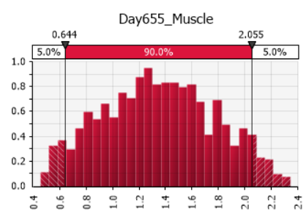 |  |  | Summary Statistics
 |  |  | Statistic |  |  | Value
 |  |  | Minimum |  |  | 0.4557
 |  |  | Maximum |  |  | 2.3460
 |  |  | Mean |  |  | 1.3492
 |  |  | Std. Deviation |  |  | 0.4230
 |  |  | Variance |  |  | 0.1789
 |  |  | Skewness |  |  | 0.0690
 |  |  | Kurtosis |  |  | 2.2675
 |  |  | Median |  |  | 1.3371
 |  |  | Mode |  |  | 1.3350
 |  |  | Left X |  |  | 0.6440
 |  |  | Left P |  |  | 5%
 |  |  | Right X |  |  | 2.0554
 |  |  | Right P |  |  | 95%

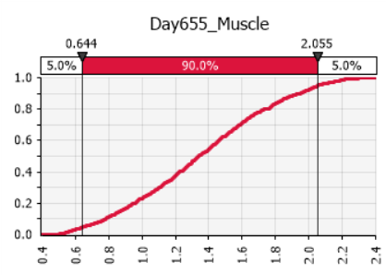 |  |  | Percentiles
 |  |  | Percentile |  |  | Value
 |  |  | 1% |  |  | 0.5293
 |  |  | 2.5% |  |  | 0.5765
 |  |  | 5% |  |  | 0.6440
 |  |  | 10% |  |  | 0.7794
 |  |  | 20% |  |  | 0.9505
 |  |  | 25% |  |  | 1.0287
 |  |  | 50% |  |  | 1.3371
 |  |  | 75% |  |  | 1.6481
 |  |  | 80% |  |  | 1.7435
 |  |  | 90% |  |  | 1.9453
 |  |  | 95% |  |  | 2.0554
 |  |  | 97.5% |  |  | 2.1482
 |  |  | 99% |  |  | 2.2169

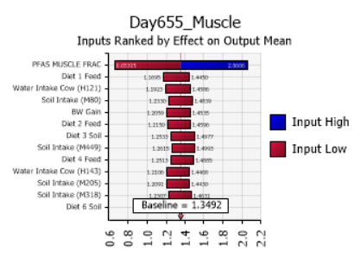 |  |  | Change in Output
 |  |  | Rank | Name | Lower |  | Upper
 |  |  | 1 | PFAS MUSCLE FRAC | 0.6530 |  | 2.0606
 |  |  | 2 | Diet 1 Feed | 1.1695 |  | 1.4450
 |  |  | 3 | Water Intake Cow (H121) | 1.1923 |  | 1.4586
 |  |  | 4 | Soil Intake (M80) | 1.2330 |  | 1.4839
 |  |  | 5 | BW Gain | 1.2059 |  | 1.4535
 |  |  | 6 | Diet 2 Feed | 1.2150 |  | 1.4596
 |  |  | 7 | Diet 3 Soil | 1.2533 |  | 1.4977
 |  |  | 8 | Soil Intake (M449) | 1.2615 |  | 1.4993
 |  |  | 9 | Diet 4 Feed | 1.2513 |  | 1.4885
 |  |  | 10 | Water Intake Cow (H143) | 1.2106 |  | 1.4468
 |  |  | 11 | Soil Intake (M205) | 1.2091 |  | 1.4430
 |  |  | 12 | Soil Intake (M318) | 1.2307 |  | 1.4631
 |  |  | 13 | Diet 6 Soil | 1.2131 |  | 1.4453

SW16
 | Day735_Muscle - SW14!V738
 | Report: | Compact Output Report
 | Performed By: | Ian.Edhlund
 | Date: | Tuesday, April 29, 2025

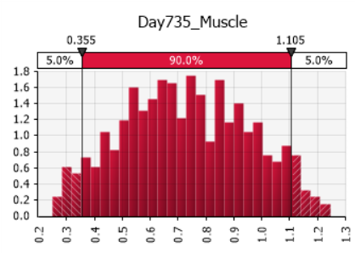 |  |  | Summary Statistics
 |  |  | Statistic |  |  | Value
 |  |  | Minimum |  |  | 0.24854
 |  |  | Maximum |  |  | 1.24482
 |  |  | Mean |  |  | 0.72896
 |  |  | Std. Deviation |  |  | 0.22617
 |  |  | Variance |  |  | 0.05115
 |  |  | Skewness |  |  | 0.0416
 |  |  | Kurtosis |  |  | 2.2256
 |  |  | Median |  |  | 0.72295
 |  |  | Mode |  |  | 0.67831
 |  |  | Left X |  |  | 0.35548
 |  |  | Left P |  |  | 5%
 |  |  | Right X |  |  | 1.10515
 |  |  | Right P |  |  | 95%

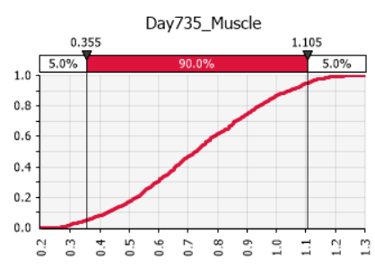 |  |  | Percentiles
 |  |  | Percentile |  |  | Value
 |  |  | 1% |  |  | 0.28612
 |  |  | 2.5% |  |  | 0.30751
 |  |  | 5% |  |  | 0.35548
 |  |  | 10% |  |  | 0.42435
 |  |  | 20% |  |  | 0.52423
 |  |  | 25% |  |  | 0.55513
 |  |  | 50% |  |  | 0.72295
 |  |  | 75% |  |  | 0.90318
 |  |  | 80% |  |  | 0.94088
 |  |  | 90% |  |  | 1.04482
 |  |  | 95% |  |  | 1.10515
 |  |  | 97.5% |  |  | 1.13775
 |  |  | 99% |  |  | 1.18863

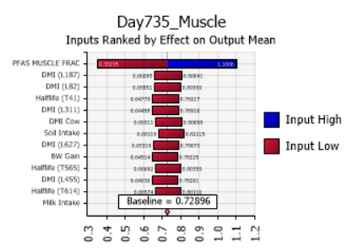 |  |  | Change in Output
 |  |  | Rank | Name | Lower |  | Upper
 |  |  | 1 | PFAS MUSCLE FRAC | 0.35235 |  | 1.10062
 |  |  | 2 | DMI (L187) | 0.66095 |  | 0.80641
 |  |  | 3 | DMI (L82) | 0.65851 |  | 0.80300
 |  |  | 4 | Halflife (T41) | 0.64770 |  | 0.79217
 |  |  | 5 | DMI (L311) | 0.64488 |  | 0.78916
 |  |  | 6 | DMI Cow (F13) | 0.66511 |  | 0.80688
 |  |  | 7 | Soil Intake (M141) | 0.68119 |  | 0.82115
 |  |  | 8 | DMI (L627) | 0.65319 |  | 0.79073
 |  |  | 9 | BW Gain | 0.64514 |  | 0.78225
 |  |  | 10 | Halflife (T565) | 0.66692 |  | 0.80350
 |  |  | 11 | DMI (L455) | 0.64636 |  | 0.78291
 |  |  | 12 | Halflife (T614) | 0.66574 |  | 0.80116
 |  |  | 13 | Milk Intake | 0.67493 |  | 0.80999

SW17
 | Day655_Serum - SW14!W658
 | Report: | Compact Output Report
 | Performed By: | Ian.Edhlund
 | Date: | Tuesday, April 29, 2025

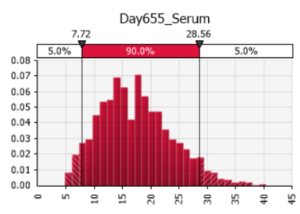 |  |  | Summary Statistics
 |  |  | Statistic |  |  | Value
 |  |  | Minimum |  |  | 4.794
 |  |  | Maximum |  |  | 40.465
 |  |  | Mean |  |  | 17.349
 |  |  | Std. Deviation |  |  | 6.305
 |  |  | Variance |  |  | 39.76
 |  |  | Skewness |  |  | 0.4686
 |  |  | Kurtosis |  |  | 2.9087
 |  |  | Median |  |  | 16.950
 |  |  | Mode |  |  | 17.621
 |  |  | Left X |  |  | 7.721
 |  |  | Left P |  |  | 5%
 |  |  | Right X |  |  | 28.558
 |  |  | Right P |  |  | 95%

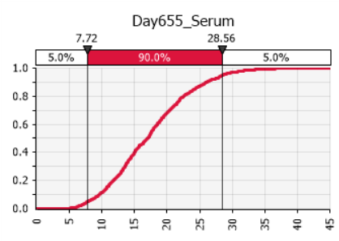 |  |  | Percentiles
 |  |  | Percentile |  |  | Value
 |  |  | 1% |  |  | 5.934
 |  |  | 2.5% |  |  | 6.899
 |  |  | 5% |  |  | 7.721
 |  |  | 10% |  |  | 9.611
 |  |  | 20% |  |  | 11.738
 |  |  | 25% |  |  | 12.754
 |  |  | 50% |  |  | 16.950
 |  |  | 75% |  |  | 21.530
 |  |  | 80% |  |  | 22.536
 |  |  | 90% |  |  | 26.012
 |  |  | 95% |  |  | 28.558
 |  |  | 97.5% |  |  | 30.794
 |  |  | 99% |  |  | 33.504

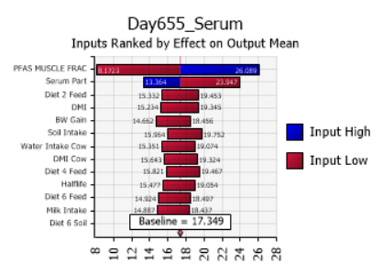 |  |  | Change in Output
 |  |  | Rank | Name | Lower |  | Upper
 |  |  | 1 | PFAS MUSCLE FRAC | 8.172 |  | 26.089
 |  |  | 2 | Serum Part | 13.364 |  | 23.947
 |  |  | 3 | Diet 2 Feed | 15.332 |  | 19.453
 |  |  | 4 | DMI | 15.234 |  | 19.345
 |  |  | 5 | BW Gain | 14.662 |  | 18.456
 |  |  | 6 | Soil Intake (M449) | 15.964 |  | 19.752
 |  |  | 7 | Water Intake Cow | 15.351 |  | 19.074
 |  |  | 8 | DMI Cow (F186) | 15.643 |  | 19.324
 |  |  | 9 | Diet 4 Feed | 15.821 |  | 19.467
 |  |  | 10 | Halflife (T534) | 15.477 |  | 19.054
 |  |  | 11 | Diet 6 Feed | 14.924 |  | 18.497
 |  |  | 12 | Milk Intake | 14.887 |  | 18.437
 |  |  | 13 | Diet 6 Soil | 15.693 |  | 19.204

SW18
 | Day666_Serum - SW14!W669
 | Report: | Compact Output Report
 | Performed By: | Ian.Edhlund
 | Date: | Tuesday, April 29, 2025

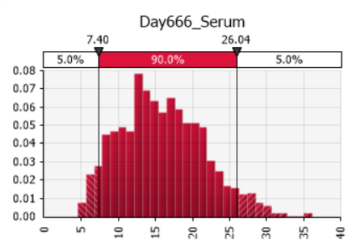 |  |  | Summary Statistics
 |  |  | Statistic |  |  | Value
 |  |  | Minimum |  |  | 4.537
 |  |  | Maximum |  |  | 36.116
 |  |  | Mean |  |  | 15.904
 |  |  | Std. Deviation |  |  | 5.659
 |  |  | Variance |  |  | 32.03
 |  |  | Skewness |  |  | 0.4010
 |  |  | Kurtosis |  |  | 2.8048
 |  |  | Median |  |  | 15.514
 |  |  | Mode |  |  | 12.488
 |  |  | Left X |  |  | 7.403
 |  |  | Left P |  |  | 5%
 |  |  | Right X |  |  | 26.044
 |  |  | Right P |  |  | 95%

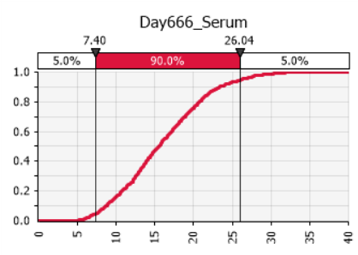 |  |  | Percentiles
 |  |  | Percentile |  |  | Value
 |  |  | 1% |  |  | 5.685
 |  |  | 2.5% |  |  | 6.489
 |  |  | 5% |  |  | 7.403
 |  |  | 10% |  |  | 8.677
 |  |  | 20% |  |  | 10.729
 |  |  | 25% |  |  | 11.805
 |  |  | 50% |  |  | 15.514
 |  |  | 75% |  |  | 19.793
 |  |  | 80% |  |  | 20.688
 |  |  | 90% |  |  | 23.319
 |  |  | 95% |  |  | 26.044
 |  |  | 97.5% |  |  | 27.875
 |  |  | 99% |  |  | 30.315

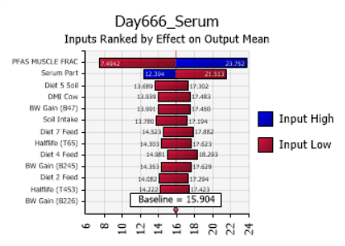 |  |  | Change in Output
 |  |  | Rank | Name | Lower |  | Upper
 |  |  | 1 | PFAS MUSCLE FRAC | 7.494 |  | 23.752
 |  |  | 2 | Serum Part | 12.394 |  | 21.513
 |  |  | 3 | Diet 5 Soil (D391) | 13.689 |  | 17.302
 |  |  | 4 | DMI Cow | 13.939 |  | 17.483
 |  |  | 5 | BW Gain (B47) | 13.991 |  | 17.450
 |  |  | 6 | Soil Intake | 13.780 |  | 17.194
 |  |  | 7 | Diet 7 Feed (C560) | 14.523 |  | 17.882
 |  |  | 8 | Halflife (T65) | 14.303 |  | 17.623
 |  |  | 9 | Diet 4 Feed | 14.981 |  | 18.293
 |  |  | 10 | BW Gain (B245) | 14.353 |  | 17.629
 |  |  | 11 | Diet 2 Feed | 14.082 |  | 17.294
 |  |  | 12 | Halflife (T453) | 14.222 |  | 17.423
 |  |  | 13 | BW Gain (B226) | 14.276 |  | 17.477

SW19
 | Day693_Serum - SW14!W696
 | Report: | Compact Output Report
 | Performed By: | Ian.Edhlund
 | Date: | Tuesday, April 29, 2025

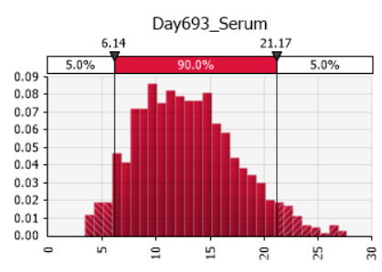 |  |  | Summary Statistics
 |  |  | Statistic |  |  | Value
 |  |  | Minimum |  |  | 3.403
 |  |  | Maximum |  |  | 27.720
 |  |  | Mean |  |  | 12.920
 |  |  | Std. Deviation |  |  | 4.606
 |  |  | Variance |  |  | 21.21
 |  |  | Skewness |  |  | 0.4369
 |  |  | Kurtosis |  |  | 2.8152
 |  |  | Median |  |  | 12.552
 |  |  | Mode |  |  | 9.072
 |  |  | Left X |  |  | 6.143
 |  |  | Left P |  |  | 5%
 |  |  | Right X |  |  | 21.171
 |  |  | Right P |  |  | 95%

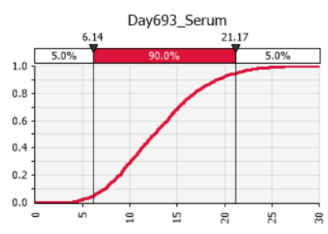 |  |  | Percentiles
 |  |  | Percentile |  |  | Value
 |  |  | 1% |  |  | 4.220
 |  |  | 2.5% |  |  | 5.039
 |  |  | 5% |  |  | 6.143
 |  |  | 10% |  |  | 7.372
 |  |  | 20% |  |  | 8.861
 |  |  | 25% |  |  | 9.394
 |  |  | 50% |  |  | 12.552
 |  |  | 75% |  |  | 15.871
 |  |  | 80% |  |  | 16.773
 |  |  | 90% |  |  | 19.263
 |  |  | 95% |  |  | 21.171
 |  |  | 97.5% |  |  | 22.791
 |  |  | 99% |  |  | 24.728

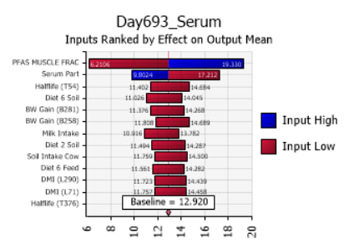 |  |  | Change in Output
 |  |  | Rank | Name | Lower |  | Upper
 |  |  | 1 | PFAS MUSCLE FRAC | 6.211 |  | 19.330
 |  |  | 2 | Serum Part | 9.802 |  | 17.212
 |  |  | 3 | Halflife (T54) | 11.402 |  | 14.684
 |  |  | 4 | Diet 6 Soil | 11.026 |  | 14.045
 |  |  | 5 | BW Gain (B281) | 11.376 |  | 14.268
 |  |  | 6 | BW Gain (B258) | 11.808 |  | 14.689
 |  |  | 7 | Milk Intake | 10.916 |  | 13.782
 |  |  | 8 | Diet 2 Soil | 11.494 |  | 14.287
 |  |  | 9 | Soil Intake Cow | 11.759 |  | 14.500
 |  |  | 10 | Diet 6 Feed | 11.561 |  | 14.282
 |  |  | 11 | DMI (L290) | 11.723 |  | 14.439
 |  |  | 12 | DMI (L71) | 11.757 |  | 14.458
 |  |  | 13 | Halflife (T376) | 11.714 |  | 14.399

SW20
 | Day735_Serum - SW14!W738
 | Report: | Compact Output Report
 | Performed By: | Ian.Edhlund
 | Date: | Tuesday, April 29, 2025

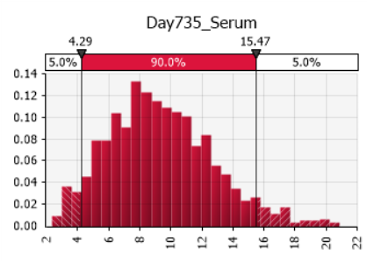 |  |  | Summary Statistics
 |  |  | Statistic |  |  | Value
 |  |  | Minimum |  |  | 2.378
 |  |  | Maximum |  |  | 20.856
 |  |  | Mean |  |  | 9.363
 |  |  | Std. Deviation |  |  | 3.352
 |  |  | Variance |  |  | 11.24
 |  |  | Skewness |  |  | 0.5056
 |  |  | Kurtosis |  |  | 3.1382
 |  |  | Median |  |  | 9.083
 |  |  | Mode |  |  | 9.760
 |  |  | Left X |  |  | 4.295
 |  |  | Left P |  |  | 5%
 |  |  | Right X |  |  | 15.474
 |  |  | Right P |  |  | 95%

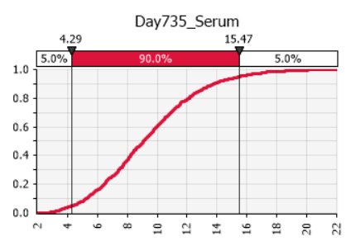 |  |  | Percentiles
 |  |  | Percentile |  |  | Value
 |  |  | 1% |  |  | 3.135
 |  |  | 2.5% |  |  | 3.584
 |  |  | 5% |  |  | 4.295
 |  |  | 10% |  |  | 5.227
 |  |  | 20% |  |  | 6.458
 |  |  | 25% |  |  | 6.935
 |  |  | 50% |  |  | 9.083
 |  |  | 75% |  |  | 11.433
 |  |  | 80% |  |  | 12.135
 |  |  | 90% |  |  | 13.749
 |  |  | 95% |  |  | 15.474
 |  |  | 97.5% |  |  | 16.966
 |  |  | 99% |  |  | 18.509

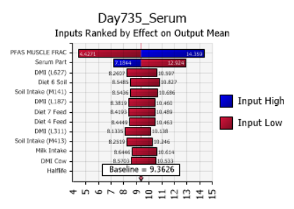 |  |  | Change in Output
 |  |  | Rank | Name | Lower |  | Upper
 |  |  | 1 | PFAS MUSCLE FRAC | 4.427 |  | 14.359
 |  |  | 2 | Serum Part | 7.184 |  | 12.924
 |  |  | 3 | DMI (L627) | 8.261 |  | 10.597
 |  |  | 4 | Diet 6 Soil | 8.548 |  | 10.827
 |  |  | 5 | Soil Intake (M141) | 8.544 |  | 10.686
 |  |  | 6 | DMI (L187) | 8.382 |  | 10.460
 |  |  | 7 | Diet 7 Feed | 8.419 |  | 10.489
 |  |  | 8 | Diet 4 Feed | 8.445 |  | 10.463
 |  |  | 9 | DMI (L311) | 8.134 |  | 10.138
 |  |  | 10 | Soil Intake (M413) | 8.252 |  | 10.246
 |  |  | 11 | Milk Intake | 8.645 |  | 10.614
 |  |  | 12 | DMI Cow | 8.570 |  | 10.533
 |  |  | 13 | Halflife | 8.374 |  | 10.331

SW22
Target | 0 | 0.5
 | 540 | 0.5
Pdam | 540 | 0.33 | 0.17 | 0.17

 | Target |  | 190 |  | 270 |  | PDAM
0 | 0.5 |  | 0.000 | 0 | 0.000 | 540 | 0.33
540 | 0.5 |  | 0.000 | 1 | 0.002
 |  |  | 0.000 | 2 | 0.004
 |  |  | 0.000 | 3 | 0.006
 |  |  | 0.000 | 4 | 0.009
 |  |  | 0.000 | 5 | 0.011
 |  |  | 0.000 | 6 | 0.014
 |  |  | 0.000 | 7 | 0.018
 |  |  | 0.000 | 8 | 0.021
 |  |  | 0.000 | 9 | 0.024
 |  |  | 0.000 | 10 | 0.028
 |  |  | 0.000 | 11 | 0.032
 |  |  | 0.000 | 12 | 0.036
 |  |  | 0.000 | 13 | 0.040
 |  |  | 0.000 | 14 | 0.044
 |  |  | 0.000 | 15 | 0.048
 |  |  | 0.000 | 16 | 0.052
 |  |  | 0.000 | 17 | 0.056
 |  |  | 0.000 | 18 | 0.060
 |  |  | 0.000 | 19 | 0.065
 |  |  | 0.000 | 20 | 0.069
 |  |  | 0.000 | 21 | 0.073
 |  |  | 0.000 | 22 | 0.078
 |  |  | 0.000 | 23 | 0.082
 |  |  | 0.000 | 24 | 0.087
 |  |  | 0.000 | 25 | 0.091
 |  |  | 0.000 | 26 | 0.095
 |  |  | 0.000 | 27 | 0.100
 |  |  | 0.000 | 28 | 0.104
 |  |  | 0.000 | 29 | 0.108
 |  |  | 0.000 | 30 | 0.113
 |  |  | 0.000 | 31 | 0.117
 |  |  | 0.000 | 32 | 0.121
 |  |  | 0.000 | 33 | 0.125
 |  |  | 0.000 | 34 | 0.129
 |  |  | 0.000 | 35 | 0.133
 |  |  | 0.000 | 36 | 0.137
 |  |  | 0.000 | 37 | 0.141
 |  |  | 0.000 | 38 | 0.145
 |  |  | 0.000 | 39 | 0.149
 |  |  | 0.000 | 40 | 0.153
 |  |  | 0.000 | 41 | 0.157
 |  |  | 0.000 | 42 | 0.160
 |  |  | 0.000 | 43 | 0.164
 |  |  | 0.000 | 44 | 0.167
 |  |  | 0.000 | 45 | 0.171
 |  |  | 0.000 | 46 | 0.174
 |  |  | 0.000 | 47 | 0.177
 |  |  | 0.000 | 48 | 0.181
 |  |  | 0.000 | 49 | 0.184
...

SW24
 | Day540_Muscle - SW23!V543
 | Report: | Compact Output Report
 | Performed By: | Ian.Edhlund
 | Date: | Tuesday, April 29, 2025

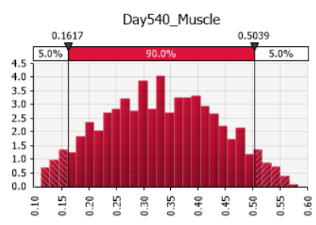 |  |  | Summary Statistics
 |  |  | Statistic |  |  | Value
 |  |  | Minimum |  |  | 0.11205
 |  |  | Maximum |  |  | 0.58272
 |  |  | Mean |  |  | 0.33275
 |  |  | Std. Deviation |  |  | 0.10311
 |  |  | Variance |  |  | 0.01063
 |  |  | Skewness |  |  | 0.0333
 |  |  | Kurtosis |  |  | 2.2452
 |  |  | Median |  |  | 0.33178
 |  |  | Mode |  |  | 0.33217
 |  |  | Left X |  |  | 0.16167
 |  |  | Left P |  |  | 5%
 |  |  | Right X |  |  | 0.50386
 |  |  | Right P |  |  | 95%

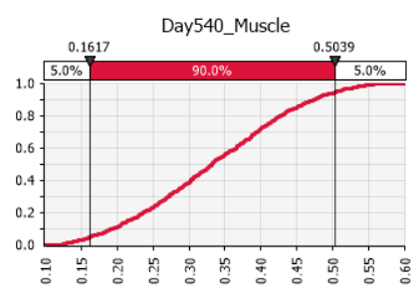 |  |  | Percentiles
 |  |  | Percentile |  |  | Value
 |  |  | 1% |  |  | 0.12655
 |  |  | 2.5% |  |  | 0.14412
 |  |  | 5% |  |  | 0.16167
 |  |  | 10% |  |  | 0.19352
 |  |  | 20% |  |  | 0.23692
 |  |  | 25% |  |  | 0.25577
 |  |  | 50% |  |  | 0.33178
 |  |  | 75% |  |  | 0.40984
 |  |  | 80% |  |  | 0.42602
 |  |  | 90% |  |  | 0.47265
 |  |  | 95% |  |  | 0.50386
 |  |  | 97.5% |  |  | 0.52704
 |  |  | 99% |  |  | 0.54664

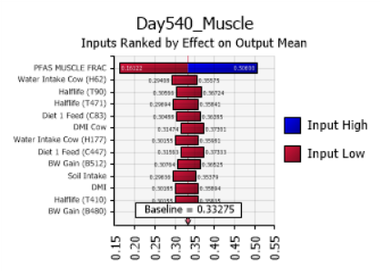 |  |  | Change in Output
 |  |  | Rank | Name | Lower |  | Upper
 |  |  | 1 | PFAS MUSCLE FRAC | 0.16122 |  | 0.50600
 |  |  | 2 | Water Intake Cow (H62) | 0.29408 |  | 0.35575
 |  |  | 3 | Halflife (T90) | 0.30566 |  | 0.36724
 |  |  | 4 | Halflife (T471) | 0.29694 |  | 0.35841
 |  |  | 5 | Diet 1 Feed (C83) | 0.30488 |  | 0.36385
 |  |  | 6 | DMI Cow (F138) | 0.31474 |  | 0.37301
 |  |  | 7 | Water Intake Cow (H177) | 0.30155 |  | 0.35981
 |  |  | 8 | Diet 1 Feed (C447) | 0.31563 |  | 0.37333
 |  |  | 9 | BW Gain (B512) | 0.30764 |  | 0.36525
 |  |  | 10 | Soil Intake (M223) | 0.29636 |  | 0.35379
 |  |  | 11 | DMI | 0.30185 |  | 0.35894
 |  |  | 12 | Halflife (T410) | 0.30155 |  | 0.35835
 |  |  | 13 | BW Gain (B480) | 0.29928 |  | 0.35608

