Sheet1
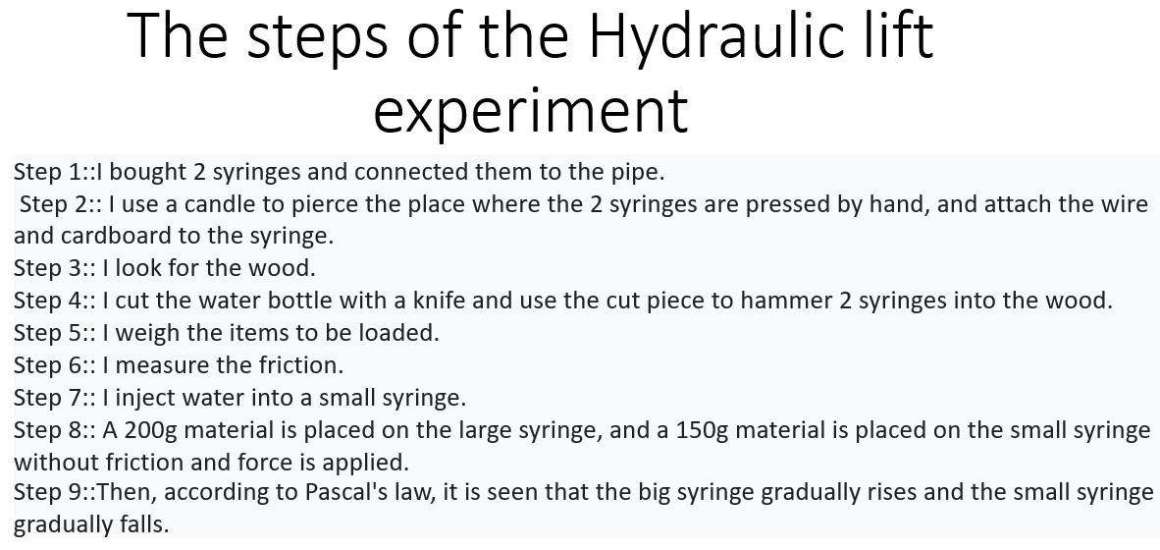
 | Experiment 4 | Hydraulic lift

no. | Equipments |  | Friction =300g
1 | two syringes |  | 450 - 300 = | 150g
2 | pipe
3 | cardboard
4 | wood
5 | wire
6 | nail
7 | candle
8 | lighter
9 | water bottle
10 | can of sardine fish
11 | jam bottle
12 | water
$$A_{1}$$
13 | marker
$$=1.47×{10}^{−4}m^{2}$$
$$\frac{F_{2}}{F_{1}}=\frac{1.962N}{1.4715N}=1.31$$

$$F_{1}=1.4715N$$
$$\frac{P_{2}}{P_{1}}=1$$
$$P_{1}=\frac{F_{1}}{A_{1}}=$$
1$×{10}^{4}Pa$

$$\frac{A_{2}}{A_{1}}=\frac{2.2×{10}^{−4}m^{2}}{1.47×{10}^{−4}m^{2}}=1.49$$

$$A_{2}=2.2×{10}^{−4}m^{2}$$
$$F_{2}=1.962N$$
$$\frac{H_{L}}{H_{S}}=\frac{1.7cm}{2.8cm}=0.60$$
$$=1$$
 |  |  |  |  | because of the conservation of energy
$$p_{2}=\frac{F_{2}}{A_{2}}$$
0.9$×{10}^{4}Pa$

