Sheet1
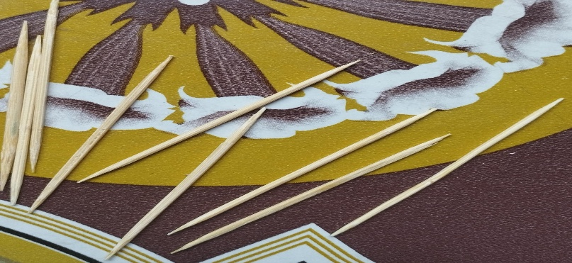
t(s) | x(in)
0.067 | 0
0.167 | 2
0.367 | 4

t | v(avg)
0.067 | 20
0.167 | 20
0.167 | 10
0.367 | 10

Used instruments in experiment

 | S T I C K | C O R R E C T I O N

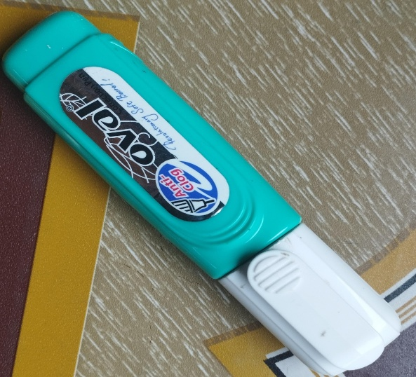

 | R U L E R
 |  | C A R

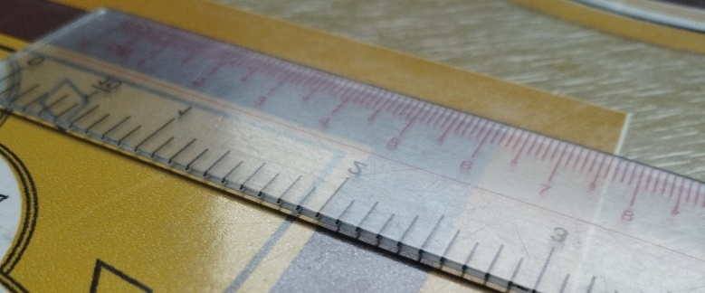

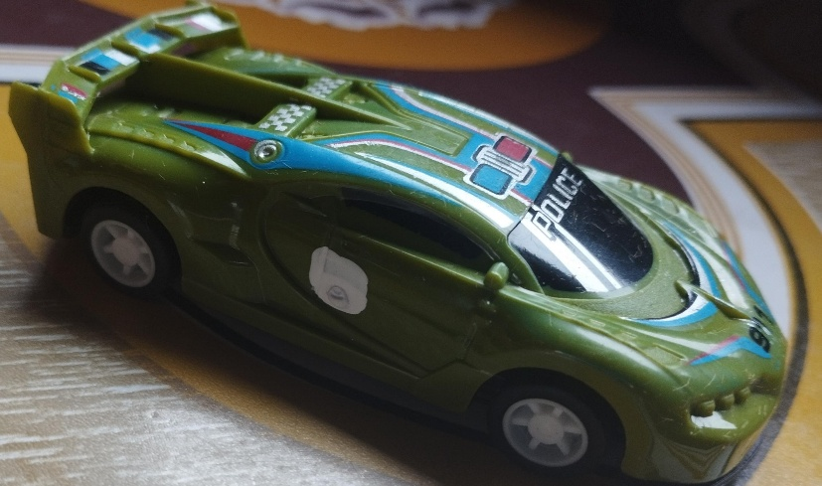

 | T O O T H S T I C K

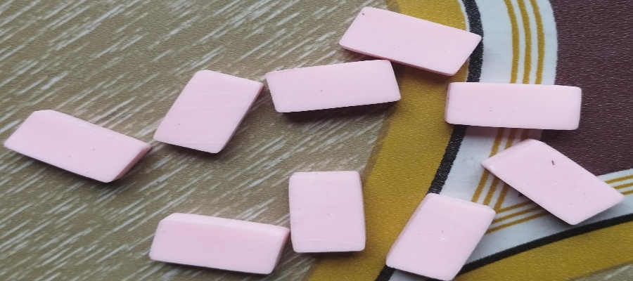

 |  | E R EvS E A R

