Sheet1
t(s) | x(in)
0 | 0
0.601 | 4.903
0.901 | 9.721
1.201 | 14.99
1.601 | 20.14

t(s) | V(avg)(in/s)
0 | 8.1580698835 | 8.1580698835
0.601 |  | 8.1580698835
0.601 | 16.06 | 16.06
0.901 |  | 16.06
0.901 | 17.563333333 | 17.563333333
1.201 |  | 17.563333333
1.201 | 12.875 | 12.875
1.601 |  | 12.875

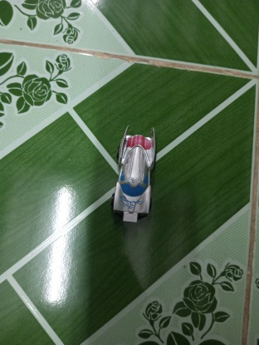
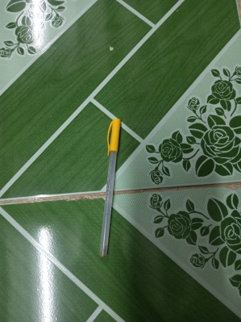
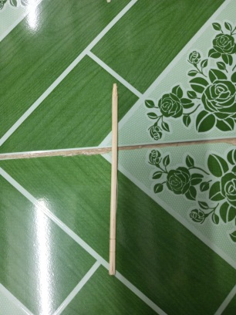
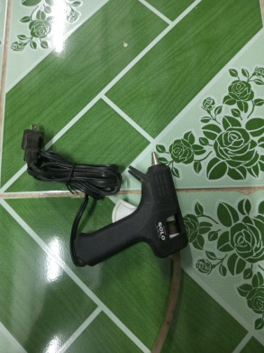

 |  |  |  | mass_A
 |  |  | t | x | y
 |  |  | 0.00E+00 | 3.75E-03 | -3.12E-03
 |  |  | 5.00E-02 | 1.37E-01 | -3.12E-03
 |  |  | 1.00E-01 | 3.72E-01 | -3.12E-03
 |  |  | 1.50E-01 | 6.38E-01 | -3.12E-03
 |  |  | 2.00E-01 | 9.32E-01 | -3.12E-03
 |  |  | 2.50E-01 | 1.27E+00 | -3.12E-03
 |  |  | 3.00E-01 | 1.66E+00 | -3.12E-03
 |  |  | 3.50E-01 | 2.04E+00 | -3.12E-03
 |  |  | 4.00E-01 | 2.50E+00 | -3.12E-03
 |  |  | 4.50E-01 | 3.05E+00 | -3.12E-03
 |  |  | 5.00E-01 | 3.62E+00 | -3.12E-03
 |  |  | 5.50E-01 | 4.25E+00 | -3.12E-03
 |  |  | 6.00E-01 | 4.90E+00 | -3.12E-03
 |  |  | 6.51E-01 | 5.70E+00 | -3.12E-03
 |  |  | 7.01E-01 | 6.47E+00 | -3.12E-03
 |  |  | 7.51E-01 | 7.30E+00 | -3.12E-03
 |  |  | 1.30E+00 | 1.64E+01 | -6.19E-03
 |  |  | 1.35E+00 | 1.72E+01 | -6.19E-03
 |  |  | 1.40E+00 | 1.78E+01 | -6.19E-03
 |  |  | 1.45E+00 | 1.84E+01 | -6.19E-03
 |  |  | 1.50E+00 | 1.90E+01 | -6.19E-03
 |  |  | 1.55E+00 | 1.96E+01 | -6.19E-03
 |  |  | 1.60E+00 | 2.01E+01 | -8.49E-03
 |  |  | 1.65E+00 | 2.06E+01 | -8.49E-03
 |  |  | 1.70E+00 | 2.12E+01 | -8.49E-03
 |  |  | 1.75E+00 | 2.15E+01 | -8.49E-03
 |  |  | 1.80E+00 | 2.17E+01 | -8.49E-03
 |  |  | 1.85E+00 | 2.20E+01 | -8.49E-03
 |  |  | 1.90E+00 | 2.23E+01 | -8.49E-03
 |  |  | 1.95E+00 | 2.25E+01 | -1.70E-02
 |  |  | 2.00E+00 | 2.26E+01 | -1.78E-15
 |  |  | 2.05E+00 | 2.28E+01 | -8.49E-03
 |  |  | 2.10E+00 | 2.29E+01 | -8.49E-03
 |  |  | 2.15E+00 | 2.30E+01 | -8.49E-03
 |  |  | 2.20E+00 | 2.31E+01 | -8.49E-03

 |  |  | NNF-S-042(G-10)
 |  |  | 2023-11-09

