y(const)
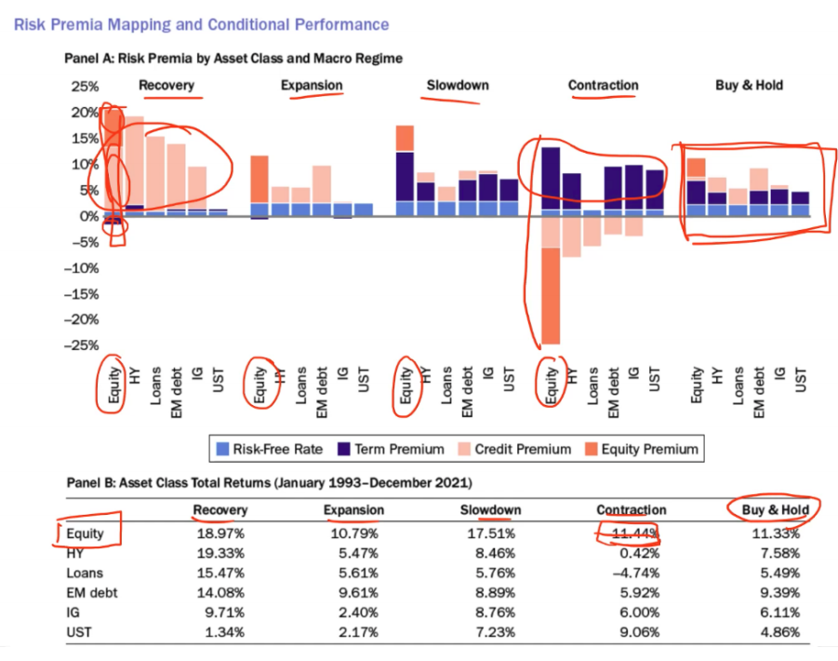
 | SUMPROD | rf항 | credit항 | term항 | equity항 | sum | check |  |  | rf항 | credit항 | term항 | equity항 |  |  | risk free rate | credit premium | term premium | equity premium
re_SPY | 0.75065856192 | 0.045636517453 | 0.53307041467 | -0.23732958259 | 0.40928121238 | 0.75065856192 | 1 | y(SPY) | re_SPY | 0.0069423105396 | 0.060413090195 | -0.010535768017 | 0.31386690842 | recovery | SPY | 0.045636517453 | 0.53307041467 | -0.23732958259 | 0.40928121238
ex_SPY | 0.70479983082 | 0.11499050132 | 0.63444944467 | -0.28120267612 | 0.23656256094 | 0.70479983082 | 1 |  | re_LQD | 0.016971843593 | 0.037981914356 | -0.0039925438137 | 0.19480101326 |  | LQD | 0.045636517453 | 1.13224506 | -0.59245825423 | 0.051344351957
sl_SPY | 0.26382084345 | 0.2335030376 | -0.071719338178 | 0.19359085326 | -0.091553709239 | 0.26382084345 | 1 |  | re_IEF | 0.011936021661 | 0.03161395556 | -0.021682691093 | -0.15502680415 |  | IEF | 0.045636517453 | 0.56152629839 | -0.25232953527 | -0.049947356724
con_SPY | 0.28157142321 | 0.055202948103 | 0.25269162284 | -0.091286439795 | 0.064963292065 | 0.28157142321 | 1 |  | ex_SPY | 0.00086476270714 | -0.011742652366 | 0.017655949274 | -0.19499082968 | expansion | SPY | 0.11499050132 | 0.63444944467 | -0.28120267612 | 0.23656256094
bh_SPY | 0.60800158368 | 0.10856705973 | 0.49259934054 | -0.18558097193 | 0.19241615534 | 0.60800158368 | 1 |  | ex_LQD | 0.010974517917 | 0.004686994388 | 0.013346820816 | 0.073263687721 |  | LQD | 0.11499050132 | 0.49179232626 | -0.17519726061 | 0.023418154825
re_LQD | 0.63676767519 | 0.045636517453 | 1.13224506 | -0.59245825423 | 0.051344351957 | 0.63676767519 | 1 | y(LQD) | ex_IEF | 0.037112275749 | 1.0435751764 | -0.54929101023 | 0.039539416754 |  | IEF | 0.11499050132 | 0.58412656681 | -0.237192987 | -0.012663163881
ex_LQD | 0.4550037218 | 0.11499050132 | 0.49179232626 | -0.17519726061 | 0.023418154825 | 0.4550037218 | 1 |  | sl_SPY | -0.0069113738667 | -0.26366704623 | 0.17577038064 | 0.011722750961 | slowdown | SPY | 0.2335030376 | -0.071719338178 | 0.19359085326 | -0.091553709239
sl_LQD | 0.59738322439 | 0.2335030376 | 0.64907501573 | -0.28759534284 | 0.0024005139003 | 0.59738322439 | 1 |  | sl_LQD | 0.069259955792 | 0.72172477648 | -0.44212457859 | 0.0040977505719 |  | LQD | 0.2335030376 | 0.64907501573 | -0.28759534284 | 0.0024005139003
con_LQD | 0.51422725892 | 0.055202948103 | 0.92456368019 | -0.48335113003 | 0.017811760657 | 0.51422725892 | 1 |  | sl_IEF | -0.016201589614 | 0.5720979273 | -0.33761288239 | -0.049250317396 |  | IEF | 0.2335030376 | 0.63887769126 | -0.3070870694 | 0.022827620668
bh_LQD | 0.58868451359 | 0.10856705973 | 0.8699437714 | -0.42656985245 | 0.036743534916 | 0.58868451359 | 1 |  | con_SPY | 0.020077517428 | 0.43054232388 | -0.24706250912 | 0.012379657689 | contraction | SPY | 0.055202948103 | 0.25269162284 | -0.091286439795 | 0.064963292065
re_IEF | 0.30488592385 | 0.045636517453 | 0.56152629839 | -0.25232953527 | -0.049947356724 | 0.30488592385 | 1 | y(IEF) | con_LQD | 0.026837062787 | 0.3428223994 | -0.14727304163 | -0.036637381728 |  | LQD | 0.055202948103 | 0.92456368019 | -0.48335113003 | 0.017811760657
ex_IEF | 0.44926091726 | 0.11499050132 | 0.58412656681 | -0.237192987 | -0.012663163881 | 0.44926091726 | 1 |  | con_IEF | 0.0046080068412 | -0.094707219672 | 0.078229939521 | -0.018139795937 |  | IEF | 0.055202948103 | 0.60984256213 | -0.32731183953 | -0.0035595310243
sl_IEF | 0.58812128014 | 0.2335030376 | 0.63887769126 | -0.3070870694 | 0.022827620668 | 0.58812128014 | 1 |  | bh_SPY | 0.05068547069 | 0.72075066588 | -0.48067462435 | 0.038700440959 | buy and hold | SPY | 0.10856705973 | 0.49259934054 | -0.18558097193 | 0.19241615534
con_IEF | 0.33417413967 | 0.055202948103 | 0.60984256213 | -0.32731183953 | -0.0035595310243 | 0.33417413967 | 1 |  | bh_LQD | 0.043335080273 | 0.55944404054 | -0.30615505367 | 0.011644495681 |  | LQD | 0.10856705973 | 0.8699437714 | -0.42656985245 | 0.036743534916
bh_IEF | 0.48856876451 | 0.10856705973 | 0.77046509205 | -0.37457957445 | -0.015883812813 | 0.48856876451 | 1 |  | bh_IEF | 0.030621560103 | 0.38874732457 | -0.21864127034 | -0.0080127545221 |  | IEF | 0.10856705973 | 0.77046509205 | -0.37457957445 | -0.015883812813

