Thermal-RFID
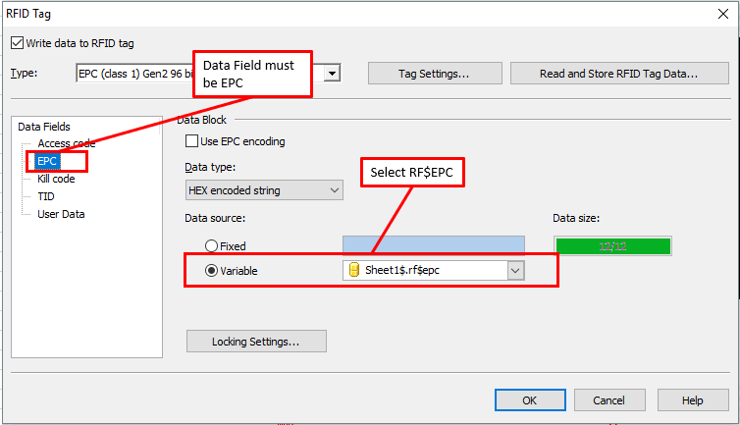
Requirements
Size of Label |  |  |  | Printer Encoding Types to use when the printer is encoding
Printer Type |  |  |  | Zebra should be EPC (Class1) Gen2 96 bit unless instructed otherwise
RFID Schema |  | Separator File Example | Dithering Example | SML Printer should be EPC Gen2
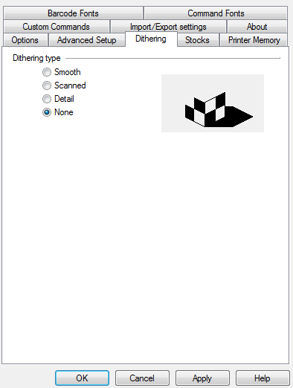
Size of Base\X Gap\UPS
Tracking Database Request: |  |  |  | Select Type here
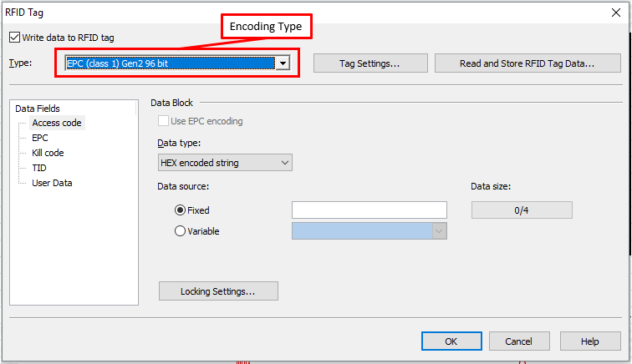
Foreign Languages

Checklist before submittal

Remarks

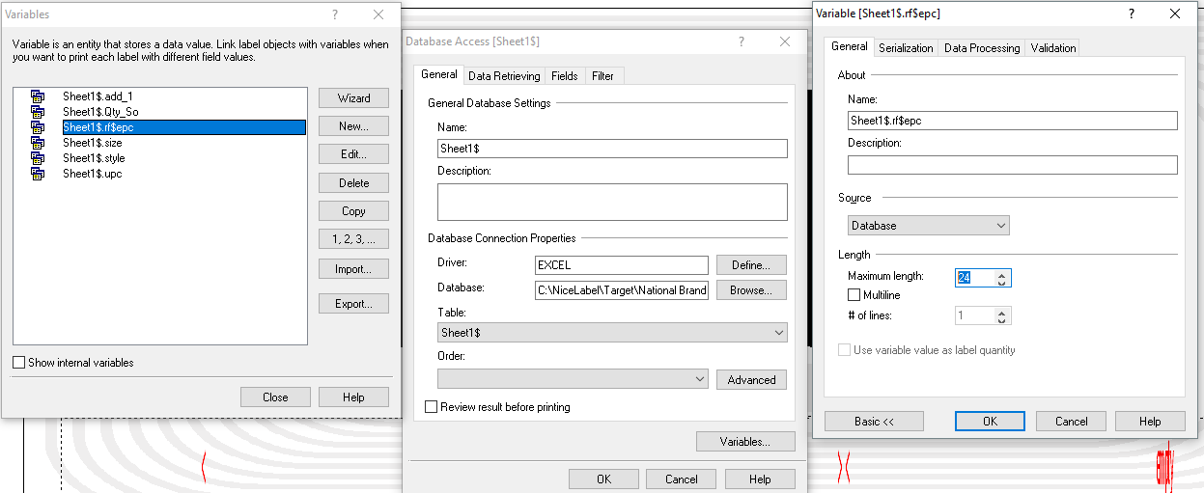
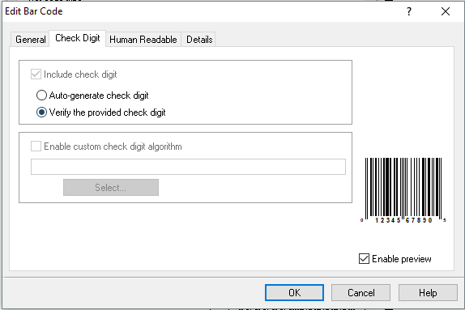
 |  |  |  | The RF$EPC Variable should be set to a max length of 24 Characters
Check Digit Setting for Nicelabel Barcodes | Notes
 | If Unicode Font is not provided we will use Arial Unicode as the standard.

 | Do Not Resize Variable image
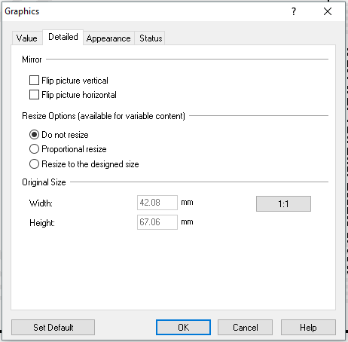

 |  |  |  | RF$EPC must be used as the Variable for encoding

Digital-Offset
Requirements
Size of Label |  | strFileindex and strMultiIndex
Page Size
XY Gap +UPS
Translation Databases
Number of Languages
Symbols(ASTM,ISO,Japanese,Korean, Taiwaniese,China,Latin America)
Tracking Database Request: | strFileIndex Script

Foreign Languages | strMultiIndex Script
 |  | tempFilename

Checklist before submittal
 | tempFilename Script

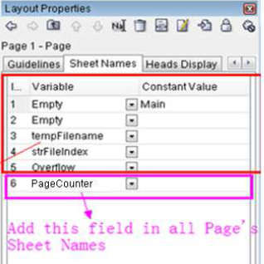
 |  | Sheet Names | Qty_Production setting
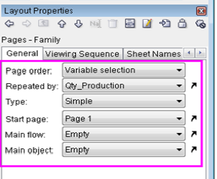

Remarks

 | Notes
 | If Unicode Font is not provided we will use Arial Unicode as the standard.

PFL-Woven-Fixed
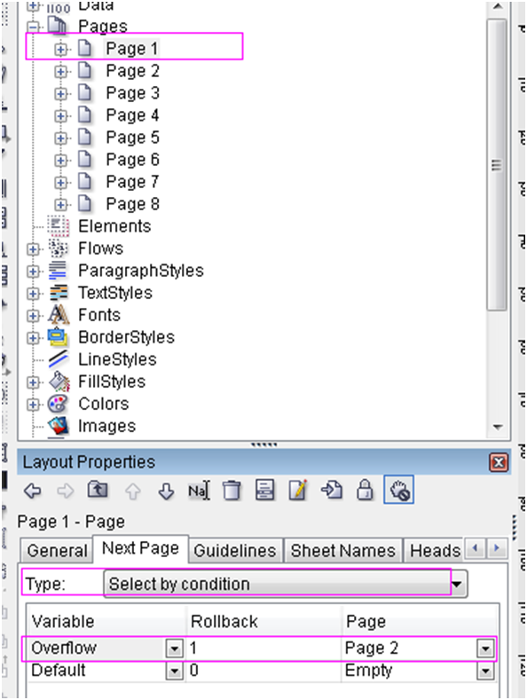
Requirements
Size of Label |  | strFileindex and strMultiIndex | OverFlow with Rollback 1
Start Length (mm)\Maximum Length (mm)
Maximum Compositions + Fibers
Translation Databases
Number of Languages
Symbols(ASTM,ISO,Japanese,Korean, Taiwaniese,China,Latin America)
Tracking Database Request: | strFileIndex Script

Foreign Languages | strMultiIndex Script
 |  | tempFilename

Checklist before submittal
 | tempFilename Script

 |  | Sheet Names

Remarks

 | Notes
 | If Unicode Font is not provided we will use Arial Unicode as the standard.

ARC to Thermal
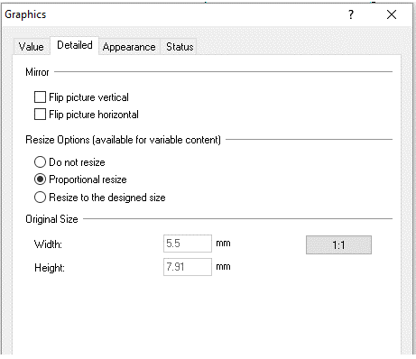
Requirements
Size of Label |  | strFileindex and strMultiIndex
Page Size
XY Gap +UPS
Translation Databases
Number of Languages
Symbols(ASTM,ISO,Japanese,Korean, Taiwaniese,China,Latin America)
Tracking Database Request: | strFileIndex Script

Foreign Languages | strMultiIndex Script
 |  | tempFilename

Checklist before submittal
 | tempFilename Script

 |  | Sheet Names |  | Qty_Production setting
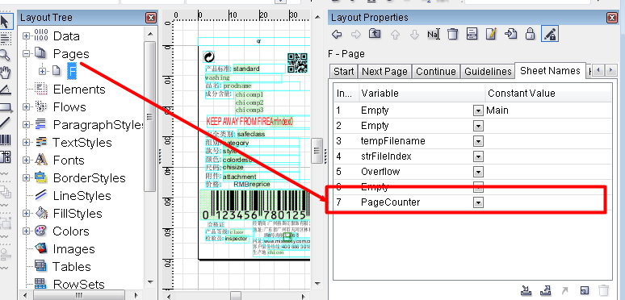

 |  | Example of file field added to the FC

 | Notes
 | If Unicode Font is not provided we will use Arial Unicode as the standard.

Remarks

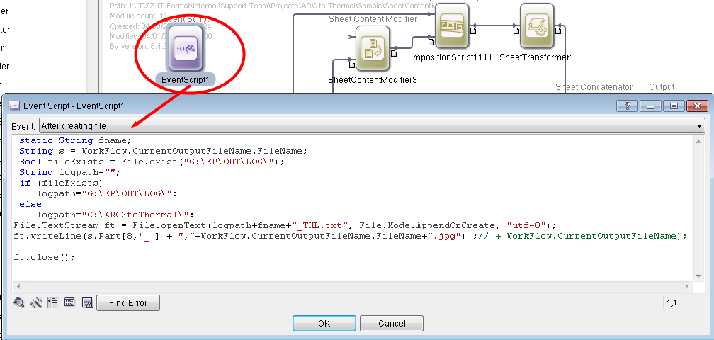
Imposition Script Example |  |  | Copy of Event Script
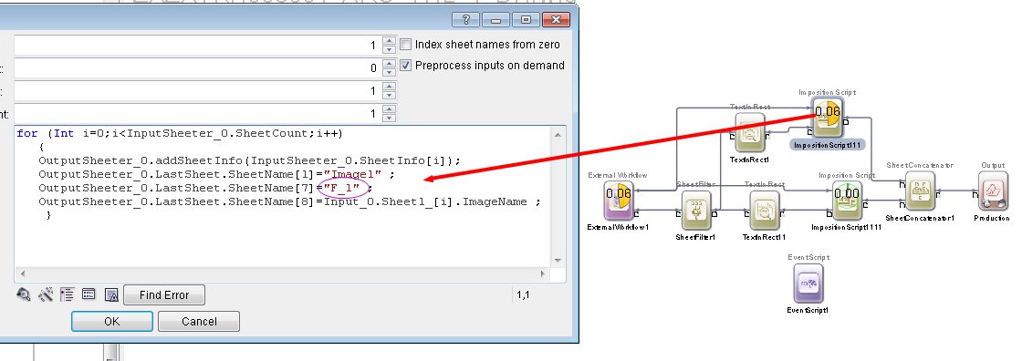

Check Digit Setting for Nicelabel Barcodes
 | Image set to Proportional Resize

