Sheet2
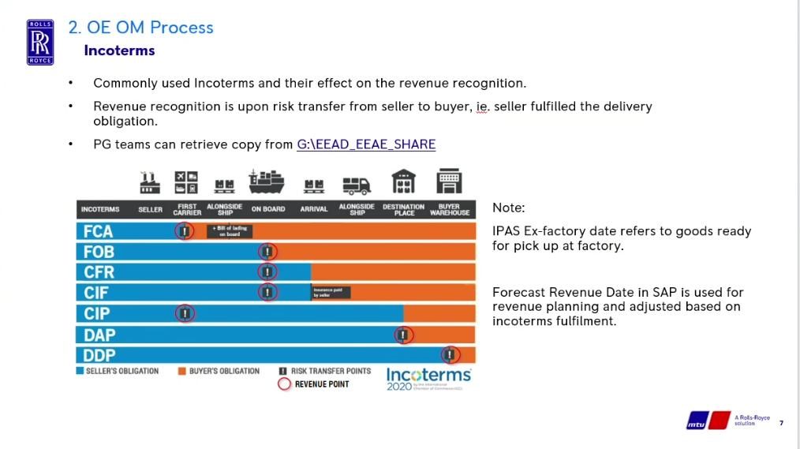

Reminder for Payment invoice prompt should be based on first date value at line item
The incoterms rule here should be for knowledge and for Sales person to compute the Forecast Revenue Date
FCA | Ex work + 1 week from line item first date
FOB onwards | Ex work + 3 week from line item first date

