Overview
Investigation Test Cases

Copyright @ 2022
Project Name |  | Smart Energy Monitoring
Authors |  | Daniel Soares Carreira
 |  | Fábio Cordeiro Gaspar

Test Case ID | Subject | Enviroment | Objectives | Overall steps | Expected Results
1 | SCT-013 Calibration | For the test was used an ESP32 with the SCT-013 15A with the "EmonLib.h" library. Real measure were made using a Parkside Digital Clamp Meter PZM 2 A2. All done in a contracted power of 4,6 kVA single phase. | Verify the relation between the calibration value and the actual power read. Comparison with the usage of the library "EmonLib.h" and manual calculations. | Place the sensor around the phase, next, use the clamp meter around that phase, finally alternate between the calculation using the library "EmonLib.h" and the manual formula. | The manual formula will be more accurate and the easiest to calibrate with.
2 | SCT-013 Precision | For the test was used an ESP32 with the SCT-013 15A with the "EmonLib.h" library. Real measure were made using a Parkside Digital Clamp Meter PZM 2 A2. All done in a contracted power of 4,6 kVA single phase. | Assess the viability of the SCT-013 sensor for making accurate reads. | Firstly send to ESP32 the code of "EmonLib.h", followed by the placement of the sensor in the phase of the house and lastly is to place the clamp meter around that same phase and take notes of the results. | Is expected that the sensor is capable of making accurate, low frequency reads. However it might be needed a small calibration if installed in another house.
3 | 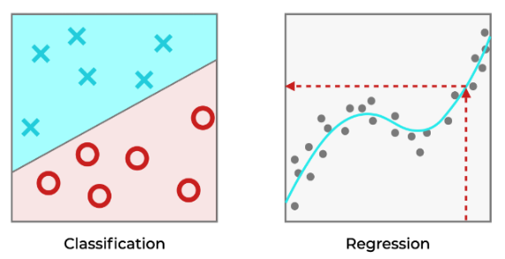 Classification vs regression problem | For the test was used a training dataset composed of 1200 examples for each equipment. Additionally, for the test was used Naives Bayes, Deep Learning, Random Forest and Decision Tree algorithms for classification and a FHMM algorithm for regression. | Find what is the best representention for this type of problem, classification or regression. | For classification, run the process "/processes/tests/equipment_status/algorithms_cross.rmp" and "/processes/tests/equipment_status/algorithms_holdout.rmp" for optimal testing between algorithms. For regression, run the script "sld_rp.py". | Regression problem is the more adequate type for this desagregation problem.
4 | Dataset size | For the test was used an original dataset size of 12 examples for each equipment and the python script "dataset.py" for the generation of the datasets. | Find how many examples are enough to have a relatively optimal model. Find if data augmentation is really required in this case. Comparation between training time and the dataset size. | Firstly, create a starting dataset with 12 examples for each equipment and then call the python script to enhance the quantity of data while preserving the quality. | Most likely, the outcome of this test wil be that precision has a linear proportion with the dataset size. In addition, the time will be afected with the dataset size, meaning, bigger dataset takes more time to train.
5 |  Platform | For the test was used the version 1.0 of the platform Smart Energy Monitoring as well as the prototype sensor for simulation real environment. | Conclude if the prototype has the same results in real environments as it did in a laboratory environment. | Create an account, setup the prototype with the account created, access the platform to finalize the initial configuration, make individual reads and start using it normally. | Is expected that the initial performance of the model won't be as good as it could be, but after some training it will get better. The platform will be easy to use and friendly to newcomers.

