Formatted File
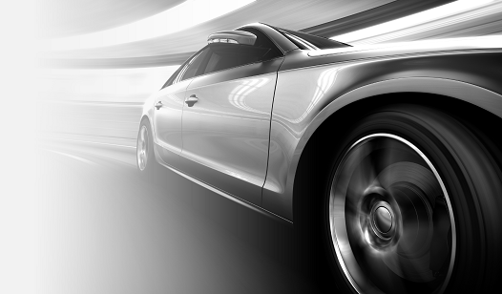
UAV Design Input File

Parameter | Value |  |  | Units | Description
Endurance | 1 |  |  | [h] | Desired Endurance expressed in Hours
Payload Weight | 0.25 |  |  | [kg] | Desired Range expressed in Kilometers
Payload Size | 0.1 | 0.1 | 0.1 | [m] | Vector containing outer dimensions of payload [length, width, height]
Configuration | Conventional |  |  | [-] | Aircraft Configuration (Current supported types: Conventional, Canard, Flying Wing, Twin-Boom)
Hand-Launchable | TRUE |  |  | [-] | If there is a requirement for hand-launchability (Influences design point in wing and power loading)
Portable | TRUE |  |  | [-] | If there is a requirement for potability (foldable wings, or detachable elements)

