Inputs
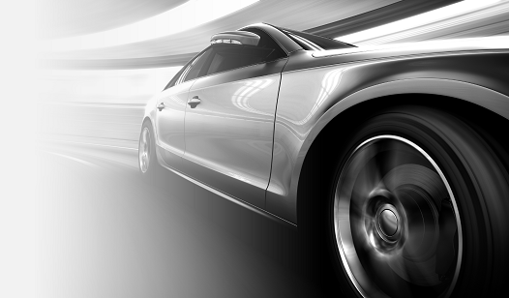
UAV Design Input File

Parameter | Value | Units | Description
Endurance | 1.2 | [h] | Desired Endurance expressed in Hours
Payload Weight | 0.25 | [kg] | Desired Range expressed in Kilometers
Payload Type | EO/IR Camera | [-] | Vector containing outer dimensions of payload [length, width, height]
Configuration | Conventional | [-] | Aircraft Configuration (Current supported types: Conventional, Canard, Flying Wing, Twin-Boom)
Hand-Launchable | TRUE | [-] | If there is a requirement for hand-launchability (Influences design point in wing and power loading)
Portable | TRUE | [-] | If there is a requirement for potability (foldable wings, or detachable elements)

