Inputs
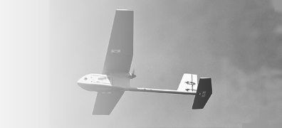
UAV Design Input File

Parameter | Value | Units | Description
Endurance | 2 | [h] | Desired Endurance expressed in Hours
MTOW | 20 | [kg] | Desired Payload Weight (Mass) expressed in Kilograms
Payload Type | EO/IR Camera | [-] | Specifier for the Type of Payload (Gimbaled Camera, Synethic Aperature Radar)
Configuration | Conventional | [-] | Aircraft Configuration (Current supported types: Conventional)
Hand-Launchable | TRUE | [-] | If there is a requirement for hand-launchability (Influences design point in wing and power loading)

