Sheet1
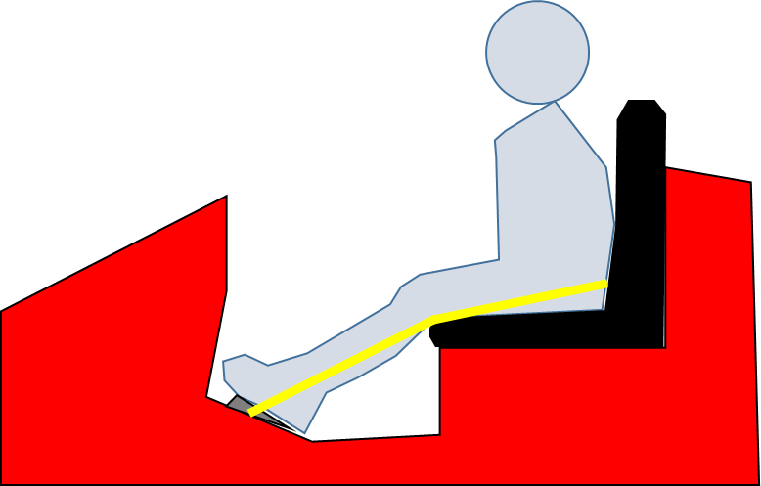
 | Footplate to Back | Max Height
Frozen | 19.5 | 36.8
Lightning | 14.5 | 27.4
Spongebob | 18 | 34.0
Ninja Turtle
Best Choice Products | 20 | 37.7
BMW X6 | 20 | 37.7
PowerWheels Ford F-150 | 20 | 37.7
Barbie Jeep | 21 | 39.6
Maserati
New car…
New car…
New car…
New car…

 | Height | Minimum Footplate to Back Requirment
Child | 38 | 20.1

